CHL
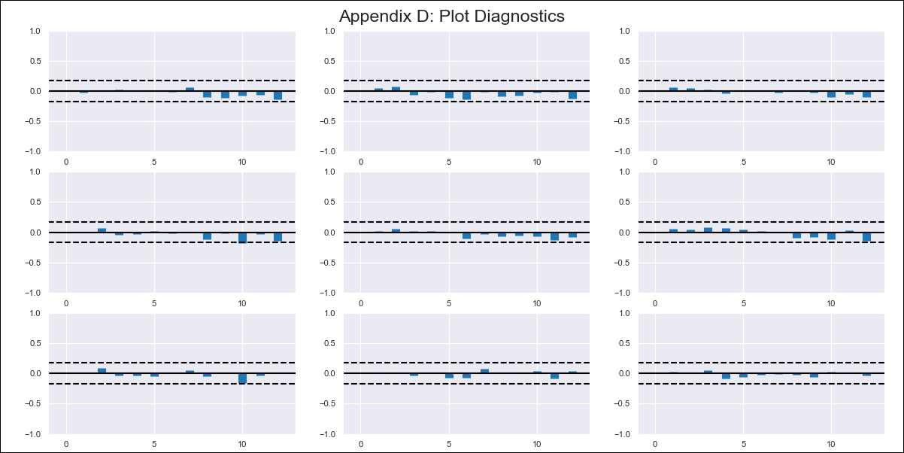
CHL - Inflation - Next 12 months forecast as of: 2024-03-01

Model | VAR - 12 | Exogenous Variables | CPI_United States, CPI_Brazil
Training Data | 2010-12-01 to 2023-04-01
Test Data | 2023-04-01 to 2024-03-01

Date | Inflation Change YoY % | Lower Bound - 95% Confidence Interval | Upper Bound - 95% Confidence Interval
2024-04-01 | 2.63 | 2.01 | 3.24
2024-05-01 | 1.4 | 0.12 | 2.68
2024-06-01 | 0.18 | -1.81 | 2.17
2024-07-01 | -0.66 | -3.37 | 2.06
2024-08-01 | -2 | -5.45 | 1.45
2024-09-01 | -2.63 | -6.83 | 1.58
2024-10-01 | -2.34 | -7.32 | 2.63
2024-11-01 | -3.17 | -8.94 | 2.59
2024-12-01 | -3.15 | -9.73 | 3.43
2025-01-01 | -3.34 | -10.74 | 4.05
2025-02-01 | -3.63 | -11.88 | 4.62
2025-03-01 | -3.17 | -12.28 | 5.94

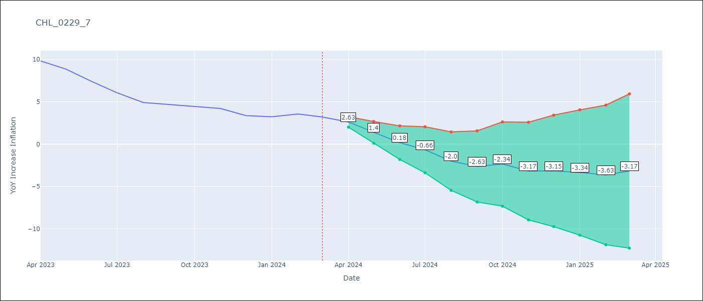

Test Metrics
RMSE | 0.95
Naive RMSE | 0.86
MAPE | 20.63%

Test Predictions
Date | Predicted | Actual
2023-04-01 | 10.48 | 9.82
2023-05-01 | 9.26 | 8.87
2023-06-01 | 8.04 | 7.4
2023-07-01 | 7.2 | 6.07
2023-08-01 | 5.86 | 4.93
2023-09-01 | 5.23 | 4.69
2023-10-01 | 5.51 | 4.45
2023-11-01 | 4.69 | 4.22
2023-12-01 | 4.71 | 3.37
2024-01-01 | 4.51 | 3.23
2024-02-01 | 4.23 | 3.57
2024-03-01 | 4.69 | 3.21

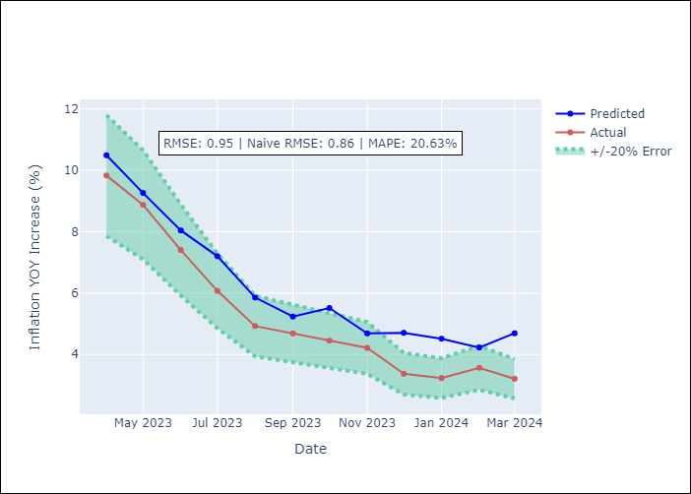

Appendix A: Model Summary
Model | VAR - 12
Sample | 2010-12-01 to 2024-03-01
No. of Observations | 160
Terms | P-value (Statistical significance)
L1.YoY Increase Inflation | 0.0098069587339
L1.CPI_United States | 0.045027045839
L2.CPI_Brazil | 0.037016962057
L8.YoY Increase Inflation | 0.0092519134834
L12.YoY Increase Inflation | 1.1285633351E-05

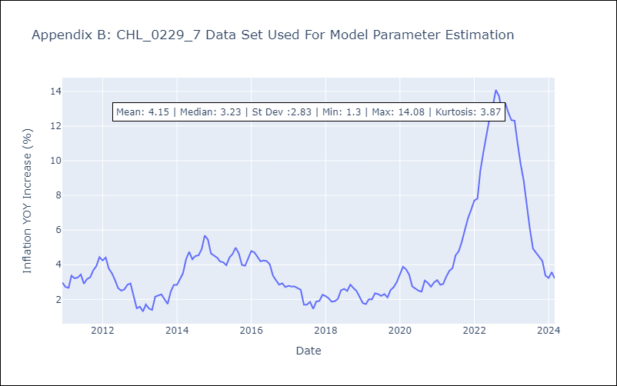

Appendix C: Residuals Analysis
Mean | -0.0
Errors AutoCorrelated? | 2.0278002813942355 | No Autocorrelation
Normal? | Yes

