CHL
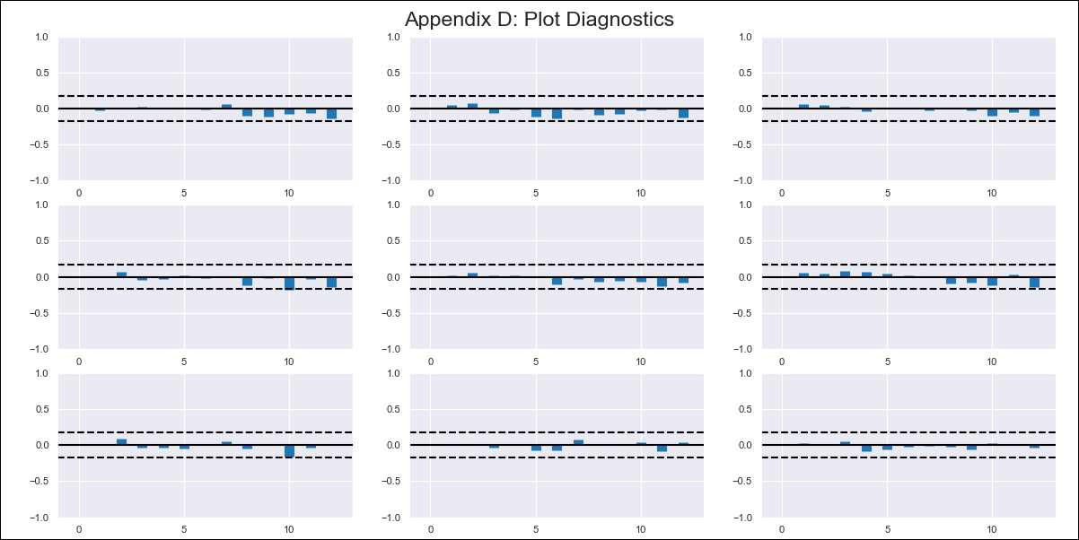
CHL - Inflation - Next 12 months forecast as of: 2024-03-01

Model | VAR - 12 | Exogenous Variables | CPI_United States, CPI_Brazil
Training Data | 2010-12-01 to 2023-04-01
Test Data | 2023-04-01 to 2024-03-01

Date | Inflation Change YoY % | Lower Bound - 95% Confidence Interval | Upper Bound - 95% Confidence Interval
2024-04-01 | 2.63 | 2.01 | 3.24
2024-05-01 | 1.4 | 0.12 | 2.68
2024-06-01 | 0.18 | -1.81 | 2.17
2024-07-01 | -0.66 | -3.37 | 2.06
2024-08-01 | -2 | -5.45 | 1.45
2024-09-01 | -2.63 | -6.83 | 1.58
2024-10-01 | -2.34 | -7.32 | 2.63
2024-11-01 | -3.17 | -8.94 | 2.59
2024-12-01 | -3.15 | -9.73 | 3.43
2025-01-01 | -3.34 | -10.74 | 4.05
2025-02-01 | -3.63 | -11.88 | 4.62
2025-03-01 | -3.17 | -12.28 | 5.94

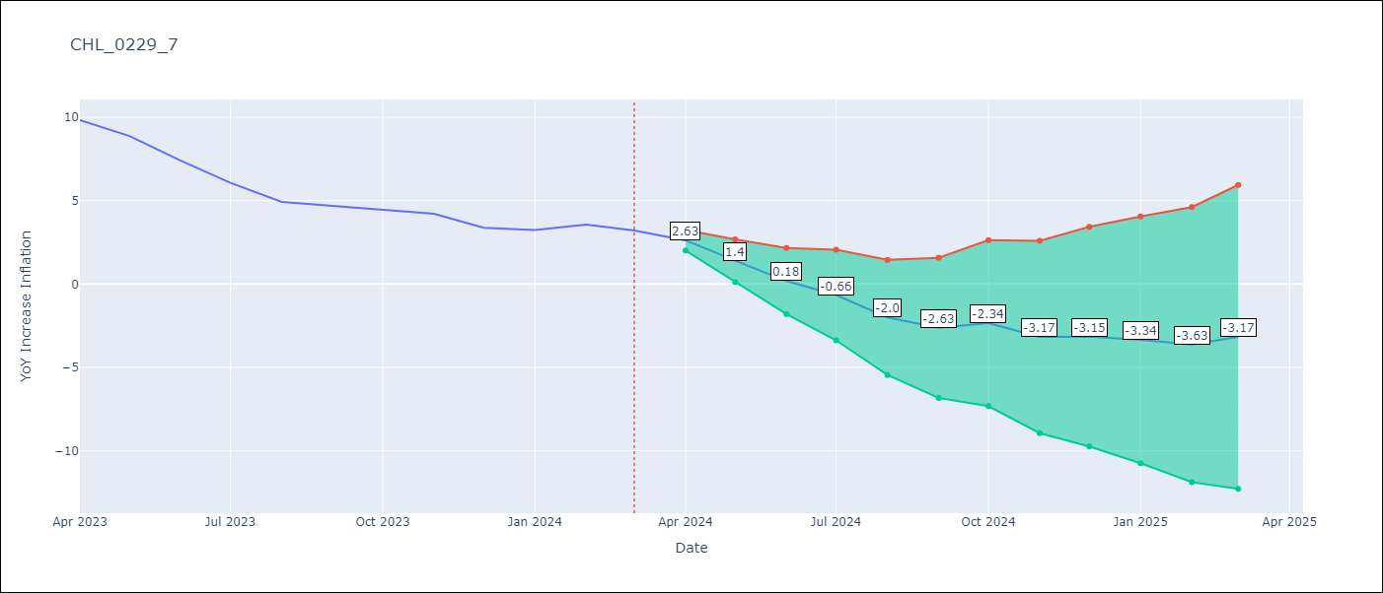

Test Metrics
RMSE | 49.2
Naive RMSE | 0.86
MAPE | 1114.62%

Test Predictions
Date | Predicted | Actual
2023-04-01 | 21.02 | 9.82
2023-05-01 | 29.68 | 8.87
2023-06-01 | 37.27 | 7.4
2023-07-01 | 43.74 | 6.07
2023-08-01 | 48.72 | 4.93
2023-09-01 | 53.19 | 4.69
2023-10-01 | 57.68 | 4.45
2023-11-01 | 60.98 | 4.22
2023-12-01 | 63.93 | 3.37
2024-01-01 | 66.22 | 3.23
2024-02-01 | 67.3 | 3.57
2024-03-01 | 67.66 | 3.21

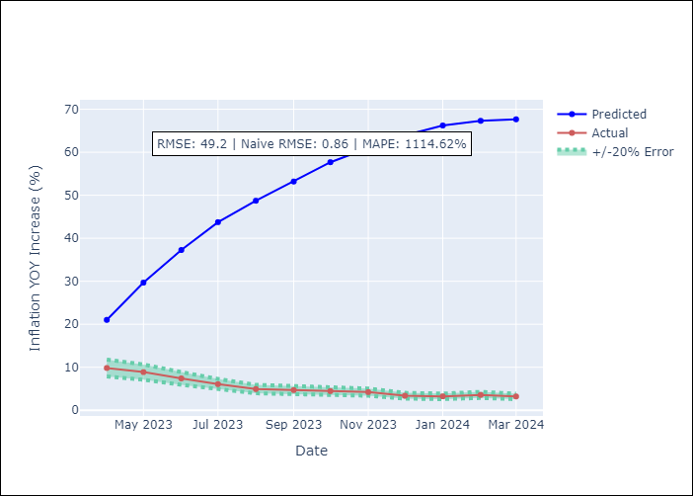

Appendix A: Model Summary
Model | VAR - 12
Sample | 2010-12-01 to 2024-03-01
No. of Observations | 160
Terms | P-value (Statistical significance)
L1.YoY Increase Inflation | 0.0098069587339
L1.CPI_United States | 0.045027045839
L1.CPI_Brazil | 0.25554632264
L2.YoY Increase Inflation | 0.73843573161
L2.CPI_United States | 0.93057182335
L2.CPI_Brazil | 0.037016962057
L3.YoY Increase Inflation | 0.10913559227
L3.CPI_United States | 0.14800595947
L3.CPI_Brazil | 0.53351398863
L4.YoY Increase Inflation | 0.6754623087
L4.CPI_United States | 0.59953778152
L4.CPI_Brazil | 0.38579624972
L5.YoY Increase Inflation | 0.38798922784
L5.CPI_United States | 0.13500042565
L5.CPI_Brazil | 0.56163786182
L6.YoY Increase Inflation | 0.34643789667
L6.CPI_United States | 0.91467651582
L6.CPI_Brazil | 0.46689239165
L7.YoY Increase Inflation | 0.10686872784
L7.CPI_United States | 0.81861371995
L7.CPI_Brazil | 0.11644476241
L8.YoY Increase Inflation | 0.0092519134834
L8.CPI_United States | 0.79510145995
L8.CPI_Brazil | 0.98237094476
L9.YoY Increase Inflation | 0.98412944031
L9.CPI_United States | 0.54125257079
L9.CPI_Brazil | 0.21986864477
L10.YoY Increase Inflation | 0.19800319913
L10.CPI_United States | 0.3560535206
L10.CPI_Brazil | 0.17378786484
L11.YoY Increase Inflation | 0.67191615179
L11.CPI_United States | 0.16844001127
L11.CPI_Brazil | 0.1044353628
L12.YoY Increase Inflation | 1.1285633351E-05
L12.CPI_United States | 0.55261690608
L12.CPI_Brazil | 0.089819839327
Assumptions | P-value

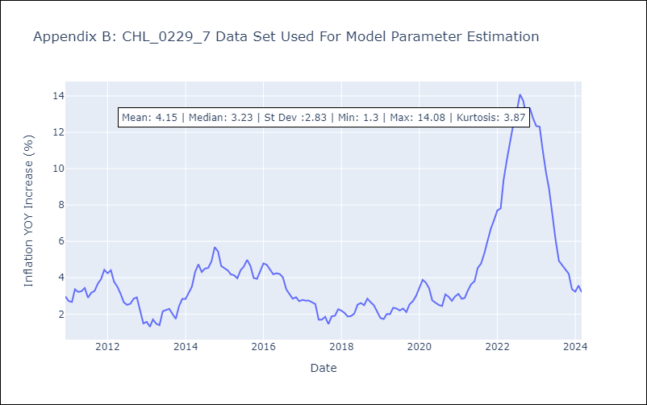

Appendix C: Residuals Analysis
Mean | -0.0
Errors AutoCorrelated? | 2.0278002813942355 | No Autocorrelation
Normal? | Yes

