CHL
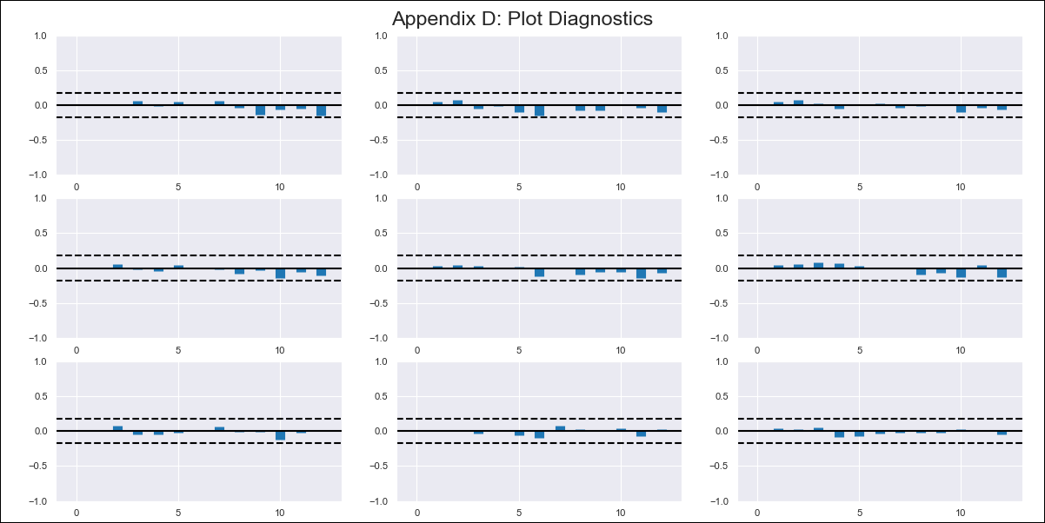
CHL - Inflation - Next 12 months forecast as of: 2023-12-01

Model | VAR - 12 | Exogenous Variables | CPI_United States, CPI_Brazil
Training Data | 2010-12-01 to 2023-01-01
Test Data | 2023-01-01 to 2023-12-01

Date | Inflation Change YoY % | Lower Bound - 95% Confidence Interval | Upper Bound - 95% Confidence Interval
2024-01-01 | 3 | 2.39 | 3.61
2024-02-01 | 2.75 | 1.5 | 4.01
2024-03-01 | 2.71 | 0.76 | 4.66
2024-04-01 | 2.51 | -0.15 | 5.17
2024-05-01 | 2.3 | -1.07 | 5.67
2024-06-01 | 2 | -2.1 | 6.1
2024-07-01 | 1.93 | -2.91 | 6.77
2024-08-01 | 1.81 | -3.8 | 7.42
2024-09-01 | 1.72 | -4.67 | 8.12
2024-10-01 | 1.51 | -5.67 | 8.69
2024-11-01 | 1.33 | -6.68 | 9.34
2024-12-01 | 1.12 | -7.73 | 9.98

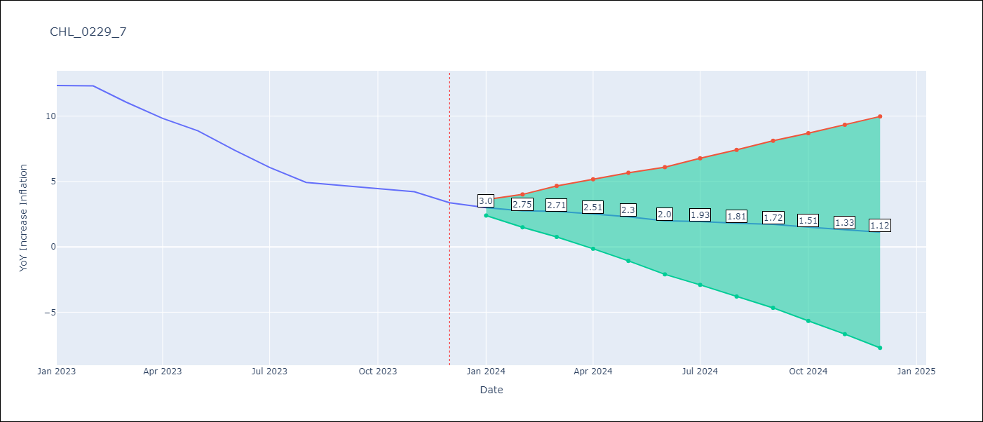

Test Metrics
RMSE | 7.52
Naive RMSE | 0.93
MAPE | 69.43%

Test Predictions
Date | Predicted | Actual
2022-10-01 | 2.44 | 12.81
2022-11-01 | 2.68 | 13.34
2022-12-01 | 2.66 | 12.78
2023-01-01 | 3.43 | 12.34
2023-02-01 | 3.86 | 12.31
2023-03-01 | 3.58 | 11.07
2023-04-01 | 3.6 | 9.82
2023-05-01 | 2.82 | 8.87
2023-06-01 | 2.37 | 7.4
2023-07-01 | 1.75 | 6.07
2023-08-01 | 0.91 | 4.93
2023-09-01 | 1.03 | 4.69

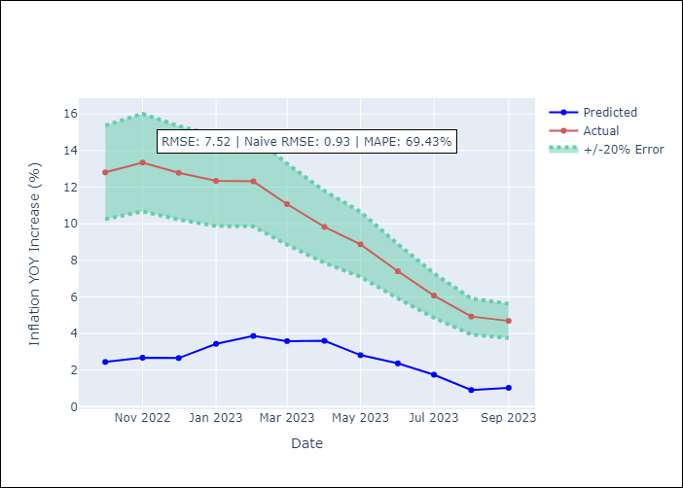

Appendix A: Model Summary
Model | VAR - 12
Sample | 2010-12-01 to 2023-12-01
No. of Observations | 157
Terms | P-value (Statistical significance)
L1.YoY Increase Inflation | 0.057370632884
L1.CPI_United States | 0.02127451802
L1.CPI_Brazil | 0.5257772052
L2.YoY Increase Inflation | 0.94975416702
L2.CPI_United States | 0.87789498862
L2.CPI_Brazil | 0.021139316289
L3.YoY Increase Inflation | 0.41953586984
L3.CPI_United States | 0.40872277533
L3.CPI_Brazil | 0.32358547512
L4.YoY Increase Inflation | 0.85740632379
L4.CPI_United States | 0.42783801944
L4.CPI_Brazil | 0.58161315268
L5.YoY Increase Inflation | 0.19918128027
L5.CPI_United States | 0.48557849887
L5.CPI_Brazil | 0.95693896353
L6.YoY Increase Inflation | 0.39387803065
L6.CPI_United States | 0.87519538244
L6.CPI_Brazil | 0.45528912982
L7.YoY Increase Inflation | 0.44827638875
L7.CPI_United States | 0.30216184059
L7.CPI_Brazil | 0.124438659
L8.YoY Increase Inflation | 0.054233236618
L8.CPI_United States | 0.36247396671
L8.CPI_Brazil | 0.56574810295
L9.YoY Increase Inflation | 0.29604742256
L9.CPI_United States | 0.78204303558
L9.CPI_Brazil | 0.79324106489
L10.YoY Increase Inflation | 0.1382493397
L10.CPI_United States | 0.54259206663
L10.CPI_Brazil | 0.69308816445
L11.YoY Increase Inflation | 0.57294824487
L11.CPI_United States | 0.21357314383
L11.CPI_Brazil | 0.38743785478
L12.YoY Increase Inflation | 0.00097853782415
L12.CPI_United States | 0.84464997289
L12.CPI_Brazil | 0.23018678175
Assumptions | P-value

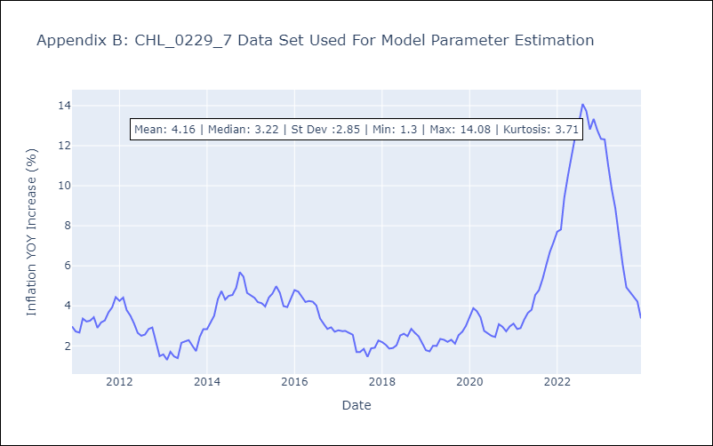

Appendix C: Residuals Analysis
Mean | 0.0
Errors AutoCorrelated? | 1.967173678275604 | No Autocorrelation
Normal? | Yes

