CHL
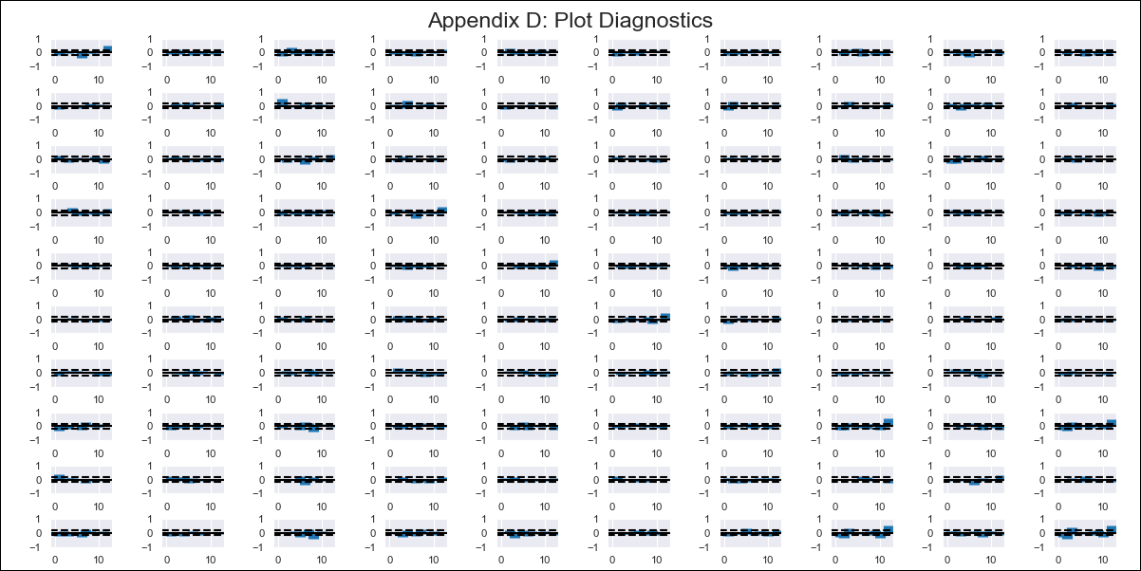
CHL - Inflation - Next 12 months forecast as of: 2024-03-01

Model | VAR - 12 | Exogenous Variables | Ahorro Bruto, CPI_China, CPI_United States, Expectativas de inflación en 23 meses, M1_money_supply, M2_money_supply, Observed pesos/dollar , PPI_China, Real Exchange Rate
Training Data | 2010-12-01 to 2023-04-01
Test Data | 2023-04-01 to 2024-03-01

Date | Inflation Change YoY % | Lower Bound - 95% Confidence Interval | Upper Bound - 95% Confidence Interval
2024-04-01 | 3.4 | 2.96 | 3.85
2024-05-01 | 3.16 | 2.09 | 4.22
2024-06-01 | 3.59 | 1.82 | 5.37
2024-07-01 | 3.71 | 1.07 | 6.36
2024-08-01 | 4.13 | 0.56 | 7.7
2024-09-01 | 4.04 | -0.52 | 8.61
2024-10-01 | 4.06 | -1.59 | 9.72
2024-11-01 | 3.91 | -2.91 | 10.74
2024-12-01 | 4.09 | -3.92 | 12.1
2025-01-01 | 4.29 | -4.93 | 13.52
2025-02-01 | 5.05 | -5.49 | 15.58
2025-03-01 | 5.08 | -6.85 | 17.02

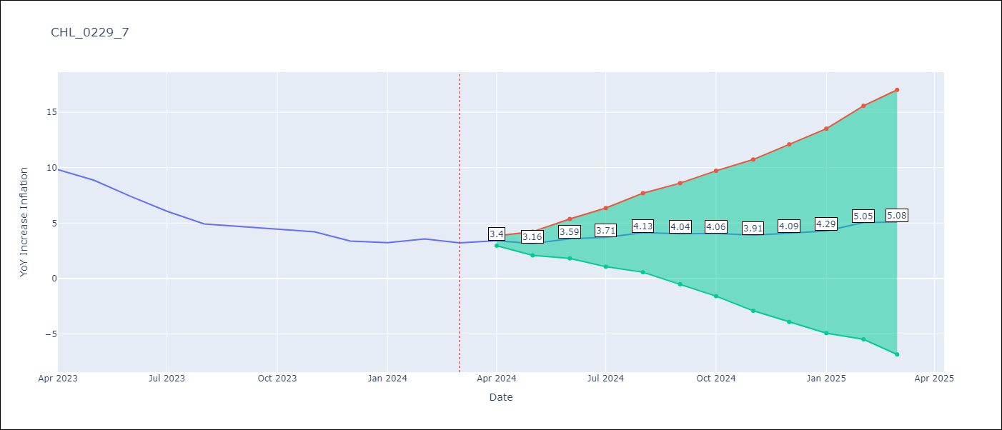

Test Metrics
RMSE | 14.82
Naive RMSE | 0.86
MAPE | 239.76%

Test Predictions
Date | Predicted | Actual
2023-02-01 | 2.72 | 12.31
2023-03-01 | -5.73 | 11.07
2023-04-01 | -3.88 | 9.82
2023-05-01 | -4.1 | 8.87
2023-06-01 | -6.91 | 7.4
2023-07-01 | -11.04 | 6.07
2023-08-01 | -6.36 | 4.93
2023-09-01 | -13.04 | 4.69
2023-10-01 | -7.06 | 4.45
2023-11-01 | -8.51 | 4.22
2023-12-01 | -9.67 | 3.37
2024-01-01 | -19.18 | 3.23

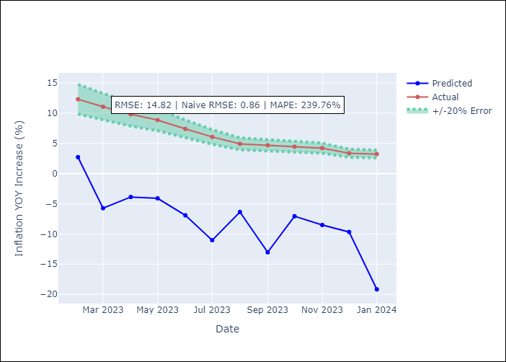

Appendix A: Model Summary
Model | VAR - 12
Sample | 2010-12-01 to 2024-03-01
No. of Observations | 160
Terms | P-value (Statistical significance)
L1.YoY Increase Inflation | 0.39655989324
L1.Ahorro Bruto | 0.1740675833
L1.CPI_China | 0.64461221513
L1.CPI_United States | 0.24963078398
L1.Expectativas de inflación en 23 meses | 0.21068388496
L1.M1_money_supply | 0.19004356386
L1.M2_money_supply | 0.88567193498
L1.Observed pesos/dollar | 0.29707999466
L1.PPI_China | 0.26133893441
L1.Real Exchange Rate | 0.31901116305
L2.YoY Increase Inflation | 0.13035986898
L2.Ahorro Bruto | 0.82280341401
L2.CPI_China | 0.2782609335
L2.CPI_United States | 0.29720981503
L2.Expectativas de inflación en 23 meses | 0.27615733324
L2.M1_money_supply | 0.44369807393
L2.M2_money_supply | 0.16978207963
L2.Observed pesos/dollar | 0.043984440329
L2.PPI_China | 0.23338853148
L2.Real Exchange Rate | 0.31918464735
L3.YoY Increase Inflation | 0.66177041262
L3.Ahorro Bruto | 0.2121639353
L3.CPI_China | 0.42014445678
L3.CPI_United States | 0.18810332963
L3.Expectativas de inflación en 23 meses | 0.27867226723
L3.M1_money_supply | 0.97963168772
L3.M2_money_supply | 0.83927252543
L3.Observed pesos/dollar | 0.28650131729
L3.PPI_China | 0.86690651724
L3.Real Exchange Rate | 0.23406810639
L4.YoY Increase Inflation | 0.26813060203
L4.Ahorro Bruto | 0.031187481621
L4.CPI_China | 0.28506958765
L4.CPI_United States | 0.46946702522
L4.Expectativas de inflación en 23 meses | 0.035529783991
L4.M1_money_supply | 0.21803946864
L4.M2_money_supply | 0.3905978893
L4.Observed pesos/dollar | 0.39326711963
L4.PPI_China | 0.39597527322
L4.Real Exchange Rate | 0.3495973469
L5.YoY Increase Inflation | 0.30698555058
L5.Ahorro Bruto | 0.65871315647
L5.CPI_China | 0.59434284073
L5.CPI_United States | 0.56753421136
L5.Expectativas de inflación en 23 meses | 0.86989296338
L5.M1_money_supply | 0.4634262791
L5.M2_money_supply | 0.20890887808
L5.Observed pesos/dollar | 0.12011263623
L5.PPI_China | 0.80742891367
L5.Real Exchange Rate | 0.30424829085
L6.YoY Increase Inflation | 0.4496038641
L6.Ahorro Bruto | 0.71797720705
L6.CPI_China | 0.017639299639
L6.CPI_United States | 0.97675402396
L6.Expectativas de inflación en 23 meses | 0.082833277156
L6.M1_money_supply | 0.83167409139
L6.M2_money_supply | 0.9003160143
L6.Observed pesos/dollar | 0.6772771926
L6.PPI_China | 0.94224999559
L6.Real Exchange Rate | 0.79656084088
L7.YoY Increase Inflation | 0.25249742671
L7.Ahorro Bruto | 0.23360400194
L7.CPI_China | 0.53282882784
L7.CPI_United States | 0.36929958029
L7.Expectativas de inflación en 23 meses | 0.56848011863
L7.M1_money_supply | 0.22893625893
L7.M2_money_supply | 0.25970795422
L7.Observed pesos/dollar | 0.60549004828
L7.PPI_China | 0.10567589809
L7.Real Exchange Rate | 0.26999173579
L8.YoY Increase Inflation | 0.52353130533
L8.Ahorro Bruto | 0.90262777357
L8.CPI_China | 0.34863603938
L8.CPI_United States | 0.063816688521
L8.Expectativas de inflación en 23 meses | 0.029035977754
L8.M1_money_supply | 0.53969471397
L8.M2_money_supply | 0.37729608632
L8.Observed pesos/dollar | 0.59911957566
L8.PPI_China | 0.0044256290619
L8.Real Exchange Rate | 0.99194541331
L9.YoY Increase Inflation | 0.70938328068
L9.Ahorro Bruto | 0.67008529957
L9.CPI_China | 0.88114925204
L9.CPI_United States | 0.62866283894
L9.Expectativas de inflación en 23 meses | 0.23080252715
L9.M1_money_supply | 0.90418682825
L9.M2_money_supply | 0.45337563554
L9.Observed pesos/dollar | 0.29076627794
L9.PPI_China | 0.2798957108
L9.Real Exchange Rate | 0.56448261438
L10.YoY Increase Inflation | 0.47420264691
L10.Ahorro Bruto | 0.51644423158
L10.CPI_China | 0.45593451348
L10.CPI_United States | 0.31486348408
L10.Expectativas de inflación en 23 meses | 0.87165612216
L10.M1_money_supply | 0.95727920101
L10.M2_money_supply | 0.41071377028
L10.Observed pesos/dollar | 0.70604099439
L10.PPI_China | 0.83643385926
L10.Real Exchange Rate | 0.66983023298
L11.YoY Increase Inflation | 0.56101419882
L11.Ahorro Bruto | 0.88861115039
L11.CPI_China | 0.47019212658
L11.CPI_United States | 0.82132463991
L11.Expectativas de inflación en 23 meses | 0.18687385838
L11.M1_money_supply | 0.67960248778
L11.M2_money_supply | 0.56901571698
L11.Observed pesos/dollar | 0.88319627419
L11.PPI_China | 0.52649627688
L11.Real Exchange Rate | 0.40032858071
L12.YoY Increase Inflation | 0.93352108492
L12.Ahorro Bruto | 0.66497095006
L12.CPI_China | 0.52821695077
L12.CPI_United States | 0.65057394479
L12.Expectativas de inflación en 23 meses | 0.9209646176
L12.M1_money_supply | 0.71028374818
L12.M2_money_supply | 0.97005219753
L12.Observed pesos/dollar | 0.79156009157
L12.PPI_China | 0.67658359286
L12.Real Exchange Rate | 0.65774351298
Assumptions | P-value

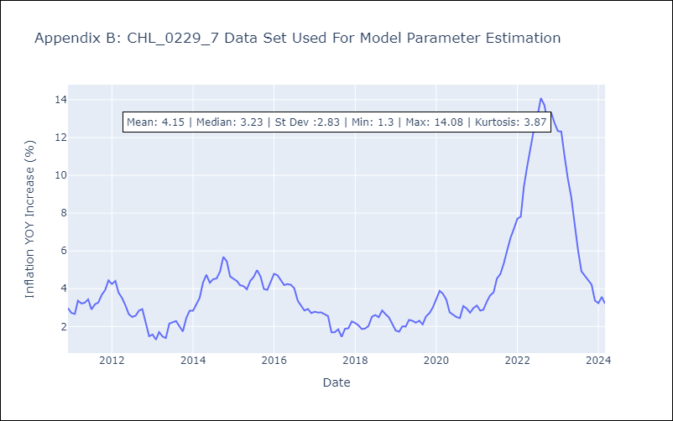

Appendix C: Residuals Analysis
Mean | 0.0
Errors AutoCorrelated? | 2.371210977652265 | No Autocorrelation
Normal? | No

