CHL
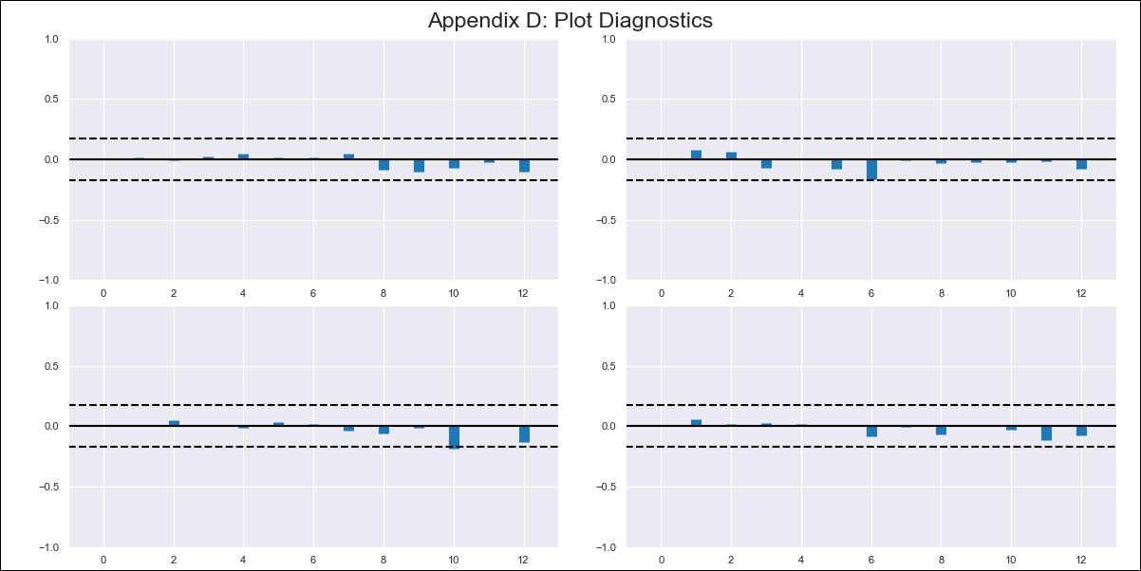
CHL - Inflation - Next 12 months forecast as of: 2024-03-01

Model | VAR - 12 | Exogenous Variables | CPI_United States
Training Data | 2010-12-01 to 2023-04-01
Test Data | 2023-04-01 to 2024-03-01

Date | Inflation Change YoY % | Lower Bound - 95% Confidence Interval | Upper Bound - 95% Confidence Interval
2024-04-01 | 3.19 | 2.56 | 3.82
2024-05-01 | 3.08 | 1.77 | 4.39
2024-06-01 | 3.06 | 1.04 | 5.08
2024-07-01 | 2.83 | 0.07 | 5.58
2024-08-01 | 2.83 | -0.67 | 6.32
2024-09-01 | 2.86 | -1.39 | 7.11
2024-10-01 | 2.66 | -2.38 | 7.69
2024-11-01 | 2.55 | -3.28 | 8.38
2024-12-01 | 2.37 | -4.27 | 9.02
2025-01-01 | 2.31 | -5.15 | 9.77
2025-02-01 | 2.75 | -5.54 | 11.04
2025-03-01 | 2.76 | -6.38 | 11.9

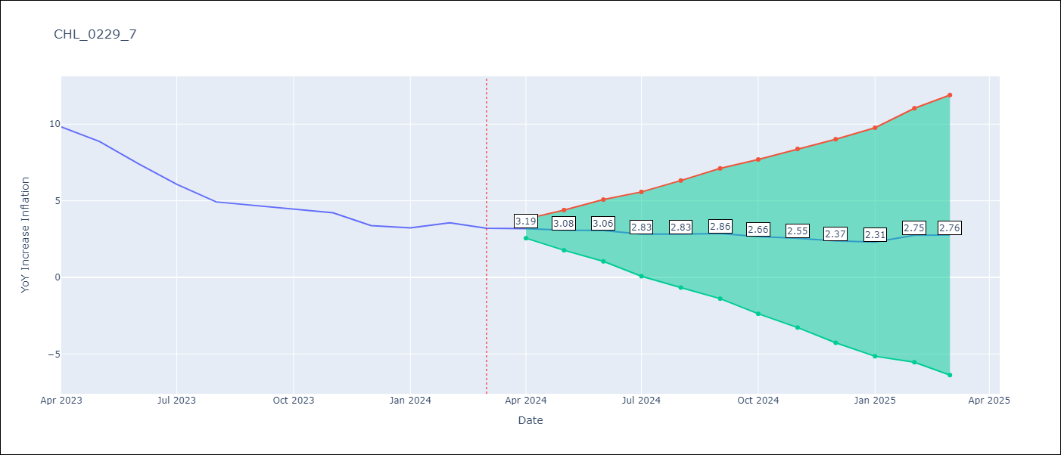

Test Metrics
RMSE | 8.08
Naive RMSE | 0.86
MAPE | 123.06%

Test Predictions
Date | Predicted | Actual
2023-02-01 | 1.84 | 12.31
2023-03-01 | 1.1 | 11.07
2023-04-01 | 0.76 | 9.82
2023-05-01 | -0.01 | 8.87
2023-06-01 | -0.88 | 7.4
2023-07-01 | -1.26 | 6.07
2023-08-01 | -2.47 | 4.93
2023-09-01 | -2.82 | 4.69
2023-10-01 | -2.46 | 4.45
2023-11-01 | -3.05 | 4.22
2023-12-01 | -3.02 | 3.37
2024-01-01 | -3.02 | 3.23

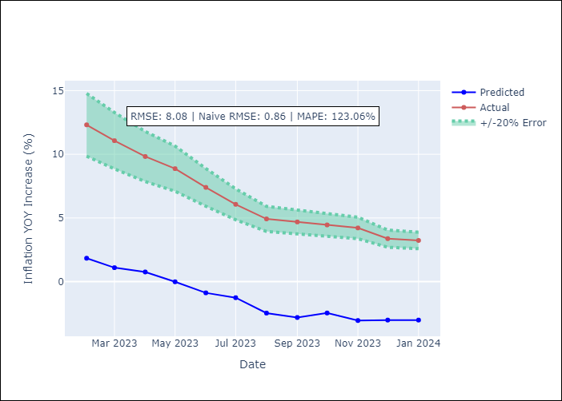

Appendix A: Model Summary
Model | VAR - 12
Sample | 2010-12-01 to 2024-03-01
No. of Observations | 160
Terms | P-value (Statistical significance)
L1.YoY Increase Inflation | 0.0090209166269
L1.CPI_United States | 0.0036562161002
L2.YoY Increase Inflation | 0.76626039073
L2.CPI_United States | 0.5983250421
L3.YoY Increase Inflation | 0.142001698
L3.CPI_United States | 0.11426434486
L4.YoY Increase Inflation | 0.68765972778
L4.CPI_United States | 0.33128972543
L5.YoY Increase Inflation | 0.27514847321
L5.CPI_United States | 0.032646477134
L6.YoY Increase Inflation | 0.67753615046
L6.CPI_United States | 0.57462189229
L7.YoY Increase Inflation | 0.35175258778
L7.CPI_United States | 0.94376694998
L8.YoY Increase Inflation | 0.0015033264593
L8.CPI_United States | 0.54564602561
L9.YoY Increase Inflation | 0.82517355977
L9.CPI_United States | 0.20622421299
L10.YoY Increase Inflation | 0.048565956107
L10.CPI_United States | 0.2920523575
L11.YoY Increase Inflation | 0.68571300304
L11.CPI_United States | 0.17533391838
L12.YoY Increase Inflation | 0.00034460966769
L12.CPI_United States | 0.85097519497
Assumptions | P-value

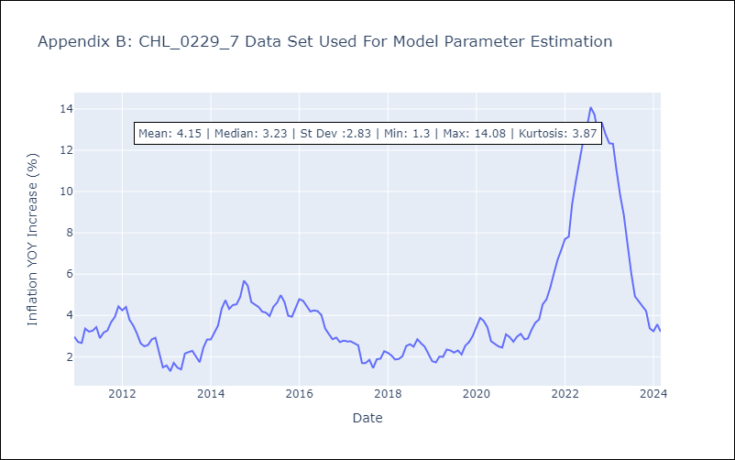

Appendix C: Residuals Analysis
Mean | -0.0
Errors AutoCorrelated? | 1.9564063164975547 | No Autocorrelation
Normal? | No

