CHL
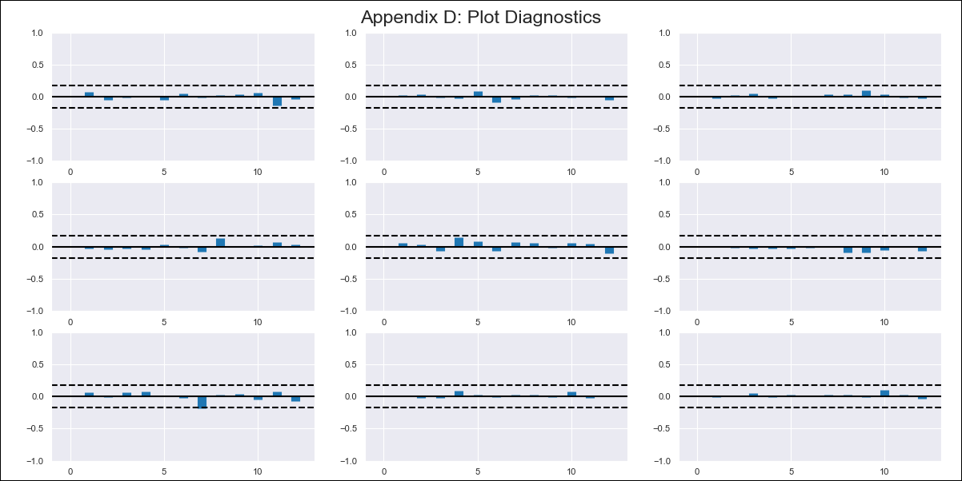
CHL - Inflation - Next 12 months forecast as of: 2024-03-01

Model | VAR - 12 | Exogenous Variables | Ahorro Bruto, Uncertainty Index_Chile
Training Data | 2010-12-01 to 2023-04-01
Test Data | 2023-04-01 to 2024-03-01

Date | Inflation Change YoY % | Lower Bound - 95% Confidence Interval | Upper Bound - 95% Confidence Interval
2024-04-01 | 3.44 | 2.8 | 4.09
2024-05-01 | 3.5 | 2.16 | 4.83
2024-06-01 | 3.68 | 1.6 | 5.75
2024-07-01 | 3.56 | 0.7 | 6.41
2024-08-01 | 3.68 | 0.03 | 7.32
2024-09-01 | 3.88 | -0.57 | 8.32
2024-10-01 | 3.79 | -1.49 | 9.07
2024-11-01 | 3.84 | -2.28 | 9.96
2024-12-01 | 3.86 | -3.11 | 10.84
2025-01-01 | 3.9 | -3.94 | 11.74
2025-02-01 | 4.48 | -4.24 | 13.2
2025-03-01 | 4.77 | -4.85 | 14.4

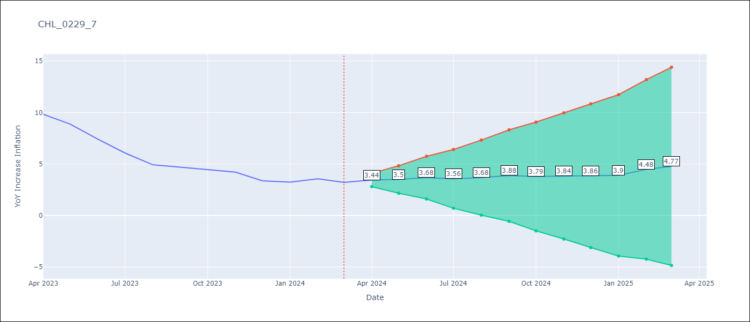

Test Metrics
RMSE | 8.75
Naive RMSE | 0.86
MAPE | 136.2%

Test Predictions
Date | Predicted | Actual
2023-02-01 | 1.9 | 12.31
2023-03-01 | 1.1 | 11.07
2023-04-01 | 0.29 | 9.82
2023-05-01 | -0.39 | 8.87
2023-06-01 | -1.38 | 7.4
2023-07-01 | -2.37 | 6.07
2023-08-01 | -3.4 | 4.93
2023-09-01 | -3.93 | 4.69
2023-10-01 | -3.64 | 4.45
2023-11-01 | -4.02 | 4.22
2023-12-01 | -4.14 | 3.37
2024-01-01 | -4.05 | 3.23

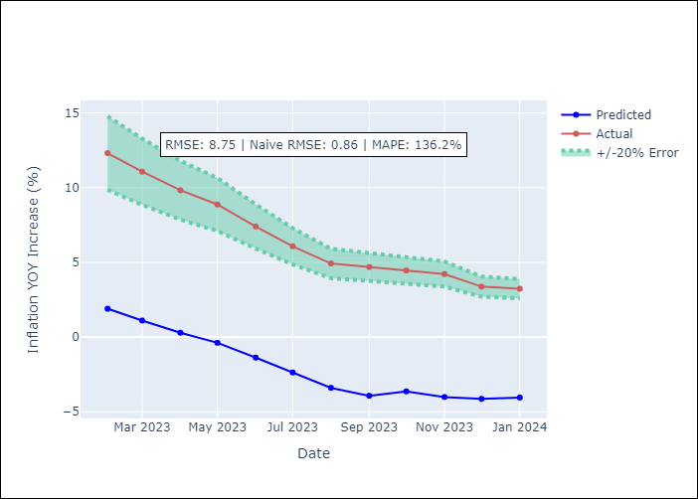

Appendix A: Model Summary
Model | VAR - 12
Sample | 2010-12-01 to 2024-03-01
No. of Observations | 160
Terms | P-value (Statistical significance)
L1.YoY Increase Inflation | 4.5372151852E-05
L1.Ahorro Bruto | 0.35903056284
L1.Uncertainty Index_Chile | 0.79633027292
L2.YoY Increase Inflation | 0.38378793841
L2.Ahorro Bruto | 0.21493932084
L2.Uncertainty Index_Chile | 0.24310742594
L3.YoY Increase Inflation | 0.16873068735
L3.Ahorro Bruto | 0.35806883391
L3.Uncertainty Index_Chile | 0.45066841968
L4.YoY Increase Inflation | 0.18576024379
L4.Ahorro Bruto | 0.89754820001
L4.Uncertainty Index_Chile | 0.7820565518
L5.YoY Increase Inflation | 0.24602666765
L5.Ahorro Bruto | 0.29909943598
L5.Uncertainty Index_Chile | 0.99131903637
L6.YoY Increase Inflation | 0.27607095125
L6.Ahorro Bruto | 0.7717065174
L6.Uncertainty Index_Chile | 0.34806778734
L7.YoY Increase Inflation | 0.08934739346
L7.Ahorro Bruto | 0.57280893859
L7.Uncertainty Index_Chile | 0.27294233793
L8.YoY Increase Inflation | 0.11619849418
L8.Ahorro Bruto | 0.7153742266
L8.Uncertainty Index_Chile | 0.54391805609
L9.YoY Increase Inflation | 0.60177793783
L9.Ahorro Bruto | 0.15392099029
L9.Uncertainty Index_Chile | 0.87452525777
L10.YoY Increase Inflation | 0.16574776144
L10.Ahorro Bruto | 0.68731519184
L10.Uncertainty Index_Chile | 0.76302190932
L11.YoY Increase Inflation | 0.90100656493
L11.Ahorro Bruto | 0.18856651738
L11.Uncertainty Index_Chile | 0.89396101645
L12.YoY Increase Inflation | 7.002906281E-08
L12.Ahorro Bruto | 0.040852188983
L12.Uncertainty Index_Chile | 0.41305410028
Assumptions | P-value

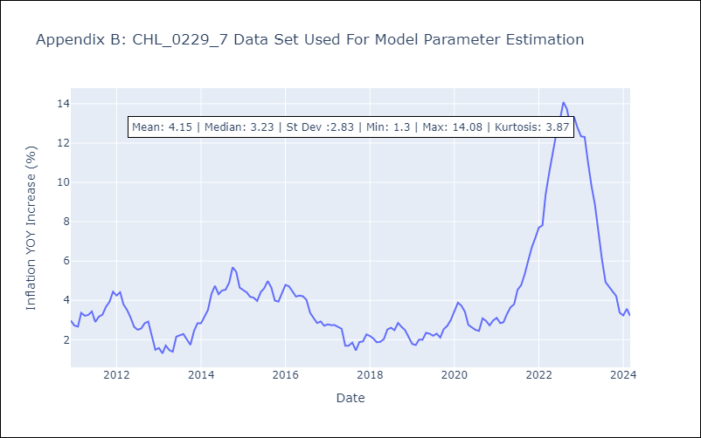

Appendix C: Residuals Analysis
Mean | -0.0
Errors AutoCorrelated? | 1.8081715618233922 | No Autocorrelation
Normal? | No

