CHL
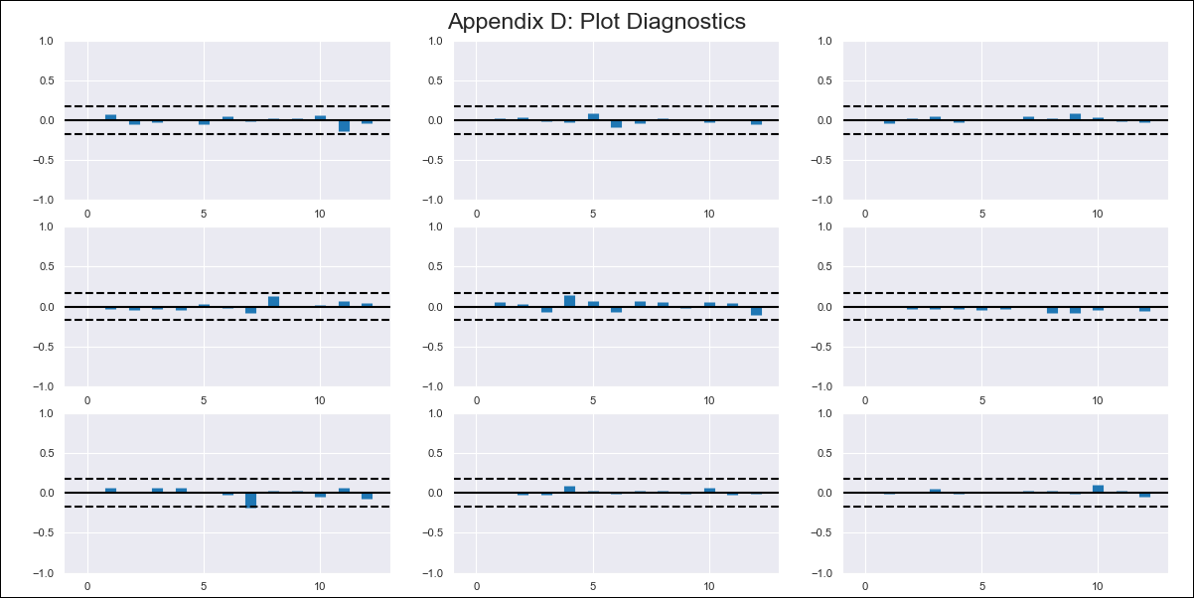
CHL - Inflation - Next 12 months forecast as of: 2024-03-01

Model | VAR - 12 | Exogenous Variables | Ahorro Bruto, Uncertainty Index_Chile
Training Data | 2010-12-01 to 2023-04-01
Test Data | 2023-04-01 to 2024-03-01

Date | Inflation Change YoY % | Lower Bound - 95% Confidence Interval | Upper Bound - 95% Confidence Interval
2024-04-01 | 3.44 | 2.8 | 4.09
2024-05-01 | 3.5 | 2.16 | 4.83
2024-06-01 | 3.67 | 1.59 | 5.74
2024-07-01 | 3.53 | 0.68 | 6.39
2024-08-01 | 3.66 | 0.01 | 7.3
2024-09-01 | 3.86 | -0.59 | 8.31
2024-10-01 | 3.78 | -1.5 | 9.07
2024-11-01 | 3.84 | -2.29 | 9.98
2024-12-01 | 3.87 | -3.13 | 10.86
2025-01-01 | 3.92 | -3.94 | 11.77
2025-02-01 | 4.5 | -4.24 | 13.24
2025-03-01 | 4.78 | -4.86 | 14.43

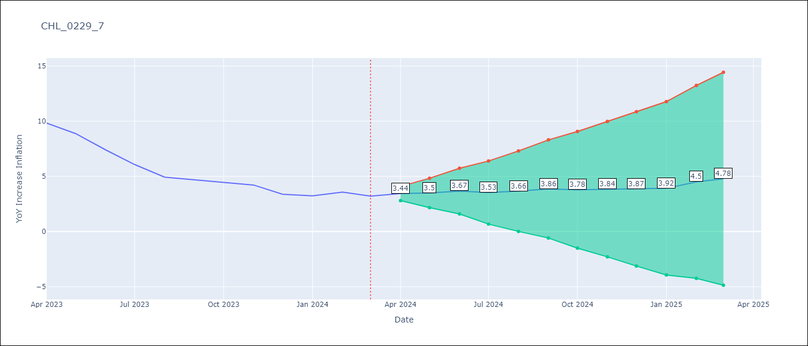

Test Metrics
RMSE | 1.65
Naive RMSE | 0.86
MAPE | 63.45%

Test Predictions
Date | Predicted | Actual
2023-03-01 | 11.41 | 11.07
2023-04-01 | 10.51 | 9.82
2023-05-01 | 9.79 | 8.87
2023-06-01 | 8.78 | 7.4
2023-07-01 | 7.73 | 6.07
2023-08-01 | 6.62 | 4.93
2023-09-01 | 6.14 | 4.69
2023-10-01 | 6.35 | 4.45
2023-11-01 | 5.92 | 4.22
2023-12-01 | 5.75 | 3.37
2024-01-01 | 5.72 | 3.23
2024-02-01 | 5.39 | 3.57

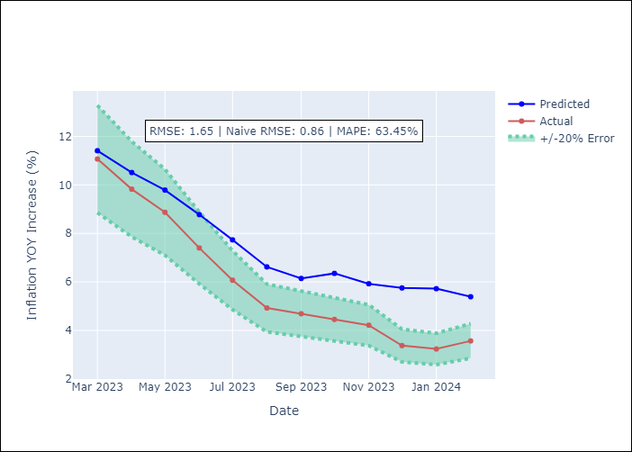

Appendix A: Model Summary
Model | VAR - 12
Sample | 2010-12-01 to 2024-03-01
No. of Observations | 160
Terms | P-value (Statistical significance)
L1.YoY Increase Inflation | 2.145849785E-05
L1.Ahorro Bruto | 0.27058776192
L1.Uncertainty Index_Chile | 0.71459266199
L2.YoY Increase Inflation | 0.38949513442
L2.Ahorro Bruto | 0.23186538194
L2.Uncertainty Index_Chile | 0.2223806153
L3.YoY Increase Inflation | 0.18690497389
L3.Ahorro Bruto | 0.31739986141
L3.Uncertainty Index_Chile | 0.49832305953
L4.YoY Increase Inflation | 0.20663873731
L4.Ahorro Bruto | 0.79996658304
L4.Uncertainty Index_Chile | 0.69488852269
L5.YoY Increase Inflation | 0.22023152827
L5.Ahorro Bruto | 0.31079639422
L5.Uncertainty Index_Chile | 0.982792551
L6.YoY Increase Inflation | 0.2984654132
L6.Ahorro Bruto | 0.83480854443
L6.Uncertainty Index_Chile | 0.30405943644
L7.YoY Increase Inflation | 0.081798404034
L7.Ahorro Bruto | 0.65406752753
L7.Uncertainty Index_Chile | 0.2772609665
L8.YoY Increase Inflation | 0.11115845983
L8.Ahorro Bruto | 0.67382682299
L8.Uncertainty Index_Chile | 0.5419284771
L9.YoY Increase Inflation | 0.62325505931
L9.Ahorro Bruto | 0.16919506985
L9.Uncertainty Index_Chile | 0.86636874608
L10.YoY Increase Inflation | 0.18855915438
L10.Ahorro Bruto | 0.80363356989
L10.Uncertainty Index_Chile | 0.74630080931
L11.YoY Increase Inflation | 0.96543722342
L11.Ahorro Bruto | 0.14455195467
L11.Uncertainty Index_Chile | 0.88837601489
L12.YoY Increase Inflation | 6.4948087807E-08
L12.Ahorro Bruto | 0.044159057864
L12.Uncertainty Index_Chile | 0.40397239148
Assumptions | P-value

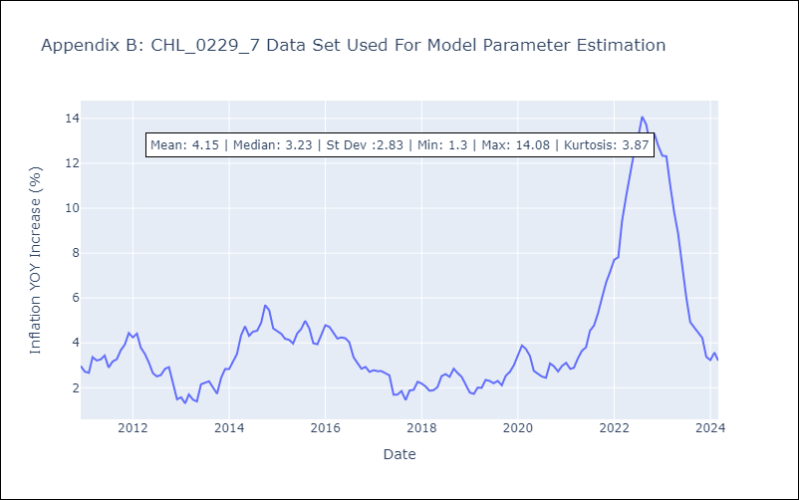

Appendix C: Residuals Analysis
Mean | -0.0
Errors AutoCorrelated? | 1.8241797090964504 | No Autocorrelation
Normal? | No

