CHL
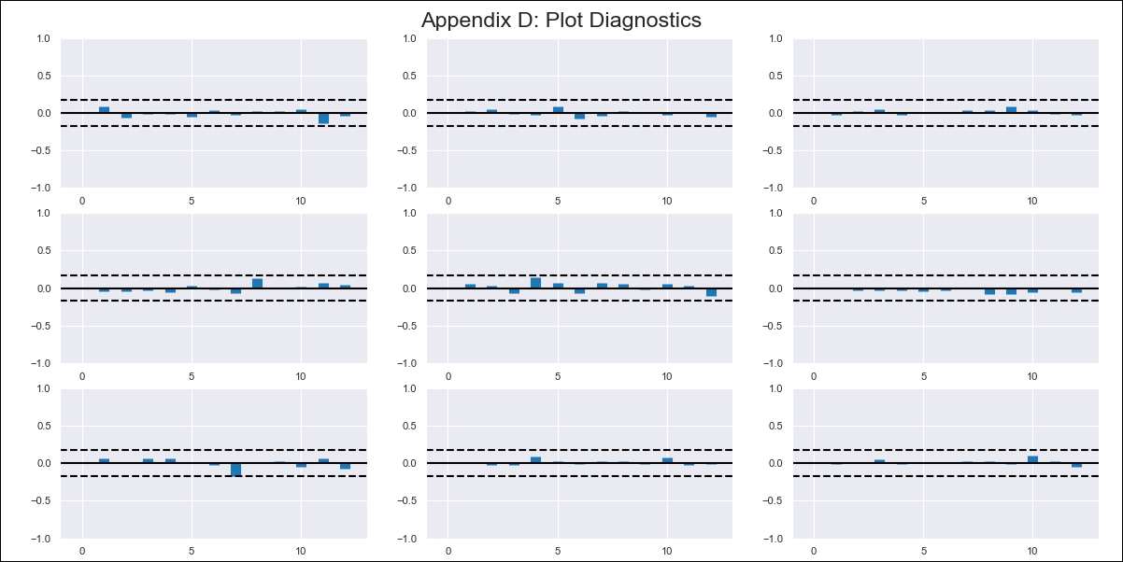
CHL - Inflation - Next 12 months forecast as of: 2024-03-01

Model | VAR - 12 | Exogenous Variables | Ahorro Bruto, Uncertainty Index_Chile
Training Data | 2010-12-01 to 2023-04-01
Test Data | 2023-04-01 to 2024-03-01

Date | Inflation Change YoY % | Lower Bound - 95% Confidence Interval | Upper Bound - 95% Confidence Interval
2024-04-01 | 2.12 | 1.48 | 2.76
2024-05-01 | 1.21 | -0.12 | 2.54
2024-06-01 | -0.07 | -2.14 | 2
2024-07-01 | -1.23 | -4.09 | 1.64
2024-08-01 | -2.49 | -6.15 | 1.17
2024-09-01 | -3.15 | -7.62 | 1.32
2024-10-01 | -3.04 | -8.36 | 2.29
2024-11-01 | -3.59 | -9.78 | 2.59
2024-12-01 | -3.88 | -10.94 | 3.18
2025-01-01 | -4.05 | -11.99 | 3.89
2025-02-01 | -4.53 | -13.37 | 4.31
2025-03-01 | -4.41 | -14.18 | 5.35

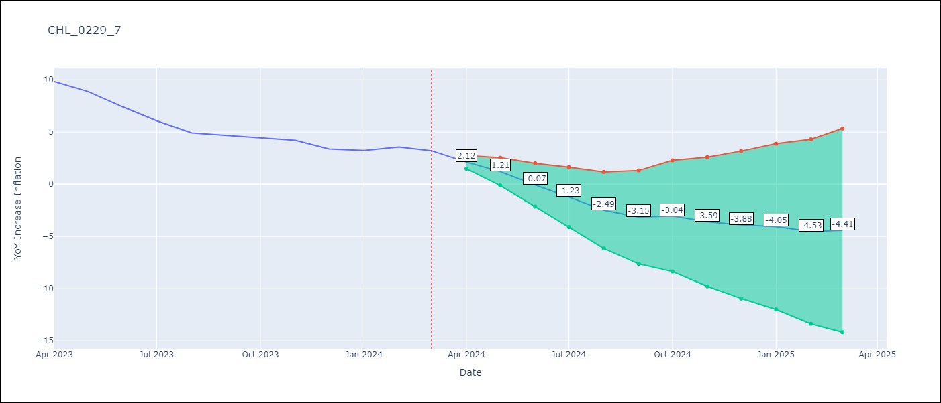

Test Metrics
RMSE | 0.37
Naive RMSE | 0.86
MAPE | 7.22%

Test Predictions
Date | Predicted | Actual
2023-04-01 | 9.98 | 9.82
2023-05-01 | 9.07 | 8.87
2023-06-01 | 7.79 | 7.4
2023-07-01 | 6.63 | 6.07
2023-08-01 | 5.37 | 4.93
2023-09-01 | 4.71 | 4.69
2023-10-01 | 4.82 | 4.45
2023-11-01 | 4.26 | 4.22
2023-12-01 | 3.98 | 3.37
2024-01-01 | 3.81 | 3.23
2024-02-01 | 3.33 | 3.57
2024-03-01 | 3.44 | 3.21

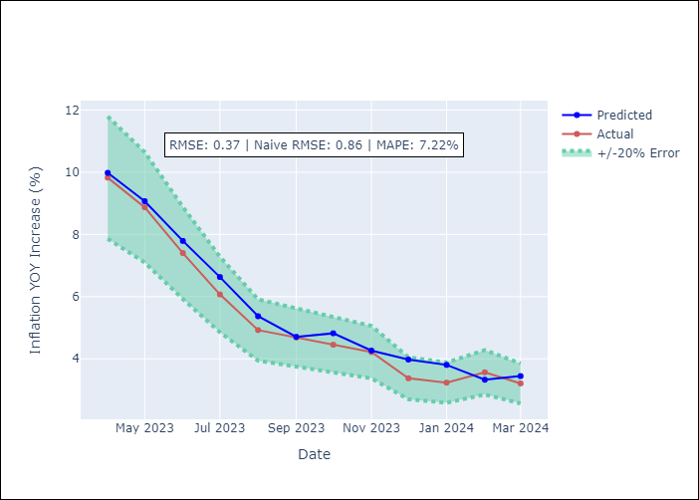

Appendix A: Model Summary
Model | VAR - 12
Sample | 2010-12-01 to 2024-03-01
No. of Observations | 160
Terms | P-value (Statistical significance)
L1.YoY Increase Inflation | 2.3082809551E-05
L1.Ahorro Bruto | 0.26824547583
L1.Uncertainty Index_Chile | 0.66640142374
L2.YoY Increase Inflation | 0.33152045752
L2.Ahorro Bruto | 0.15418866184
L2.Uncertainty Index_Chile | 0.1565120473
L3.YoY Increase Inflation | 0.19281125211
L3.Ahorro Bruto | 0.26052840928
L3.Uncertainty Index_Chile | 0.5485587149
L4.YoY Increase Inflation | 0.16380243856
L4.Ahorro Bruto | 0.83981287049
L4.Uncertainty Index_Chile | 0.56903151124
L5.YoY Increase Inflation | 0.17218610557
L5.Ahorro Bruto | 0.22406550475
L5.Uncertainty Index_Chile | 0.84324717636
L6.YoY Increase Inflation | 0.26490386261
L6.Ahorro Bruto | 0.89488175007
L6.Uncertainty Index_Chile | 0.27663894383
L7.YoY Increase Inflation | 0.065482938879
L7.Ahorro Bruto | 0.5871606251
L7.Uncertainty Index_Chile | 0.32861758175
L8.YoY Increase Inflation | 0.11624781308
L8.Ahorro Bruto | 0.8171737203
L8.Uncertainty Index_Chile | 0.52693762936
L9.YoY Increase Inflation | 0.61530031936
L9.Ahorro Bruto | 0.2050943359
L9.Uncertainty Index_Chile | 0.87916428276
L10.YoY Increase Inflation | 0.20285057185
L10.Ahorro Bruto | 0.75318373462
L10.Uncertainty Index_Chile | 0.74318753091
L11.YoY Increase Inflation | 0.87342599847
L11.Ahorro Bruto | 0.19560819302
L11.Uncertainty Index_Chile | 0.88081877955
L12.YoY Increase Inflation | 2.4351863044E-08
L12.Ahorro Bruto | 0.058477410572
L12.Uncertainty Index_Chile | 0.40196154652
Assumptions | P-value

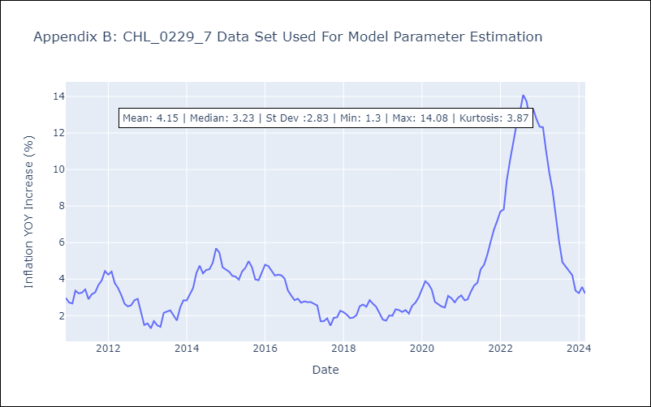

Appendix C: Residuals Analysis
Mean | 0.0
Errors AutoCorrelated? | 1.8139175139680475 | No Autocorrelation
Normal? | No

