CHL
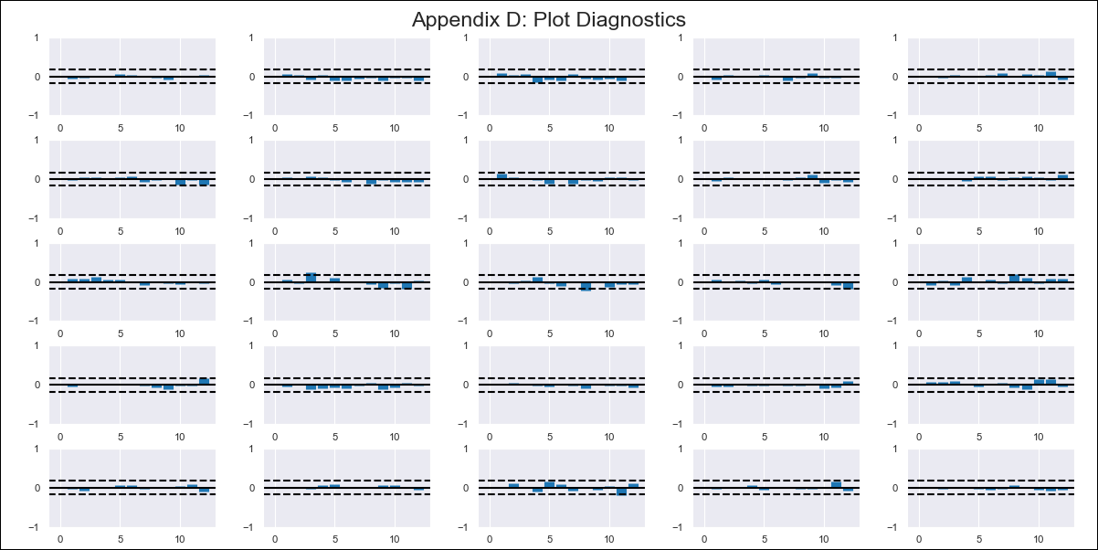
CHL - Inflation - Next 12 months forecast as of: 2024-03-01

Model | VAR - 12 | Exogenous Variables | YoY Increase Inflation, Wage Index_yoy %, Expectativas de inflación en 11 meses, M1_money_supply
Training Data | 2010-12-01 to 2023-04-01
Test Data | 2023-04-01 to 2024-03-01

Date | Inflation Change YoY % | Lower Bound - 95% Confidence Interval | Upper Bound - 95% Confidence Interval
2024-04-01 | 2.25 | 1.68 | 2.82
2024-05-01 | 1.09 | -0.16 | 2.35
2024-06-01 | 0.01 | -1.99 | 2.01
2024-07-01 | -0.87 | -3.65 | 1.92
2024-08-01 | -2.31 | -5.9 | 1.29
2024-09-01 | -2.79 | -7.21 | 1.63
2024-10-01 | -2.7 | -7.97 | 2.58
2024-11-01 | -3.45 | -9.6 | 2.7
2024-12-01 | -3.59 | -10.63 | 3.44
2025-01-01 | -4.03 | -11.95 | 3.9
2025-02-01 | -4.63 | -13.47 | 4.21
2025-03-01 | -4.45 | -14.22 | 5.32

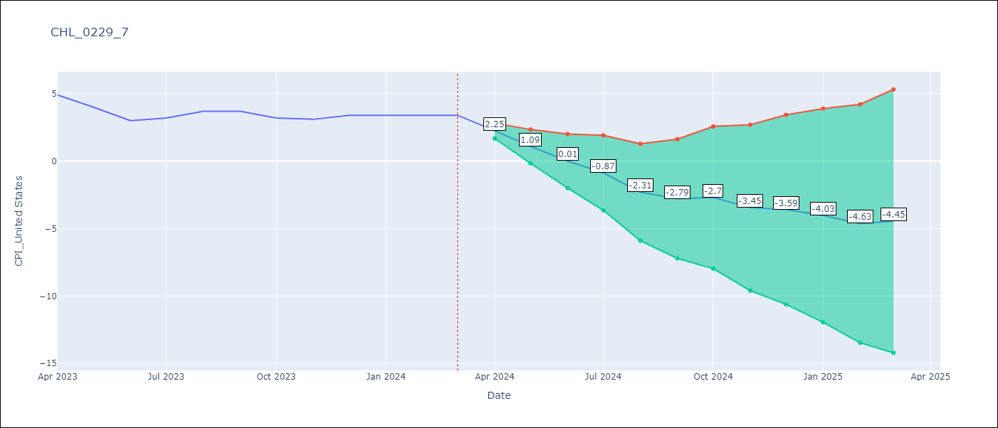

Test Metrics
RMSE | 0.41
Naive RMSE | 0.45
MAPE | 7.59%

Test Predictions
Date | Predicted | Actual
2023-04-01 | 9.92 | 9.82
2023-05-01 | 8.76 | 8.87
2023-06-01 | 7.68 | 7.4
2023-07-01 | 6.8 | 6.07
2023-08-01 | 5.36 | 4.93
2023-09-01 | 4.88 | 4.69
2023-10-01 | 4.97 | 4.45
2023-11-01 | 4.22 | 4.22
2023-12-01 | 4.07 | 3.37
2024-01-01 | 3.64 | 3.23
2024-02-01 | 3.04 | 3.57
2024-03-01 | 3.22 | 3.21

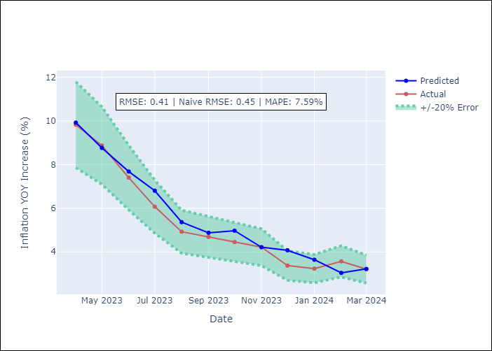

Appendix A: Model Summary
Model | VAR - 12
Sample | 2010-12-01 to 2024-03-01
No. of Observations | 160
Terms | P-value (Statistical significance)
L1.YoY Increase Inflation | 0.028445238002
L1.CPI_United States | 0.00029278707002
L1.Wage Index_yoy % | 0.00037808819804
L1.Expectativas de inflación en 11 meses | 0.24413612214
L1.M1_money_supply | 0.51215404287
L2.YoY Increase Inflation | 0.095060145454
L2.CPI_United States | 0.42589563539
L2.Wage Index_yoy % | 0.54437351461
L2.Expectativas de inflación en 11 meses | 0.012432687814
L2.M1_money_supply | 0.43973625719
L3.YoY Increase Inflation | 0.096730601324
L3.CPI_United States | 0.35420849267
L3.Wage Index_yoy % | 0.05841414462
L3.Expectativas de inflación en 11 meses | 0.250363966
L3.M1_money_supply | 0.28306807307
L4.YoY Increase Inflation | 0.55903870109
L4.CPI_United States | 0.27702970477
L4.Wage Index_yoy % | 0.97411474182
L4.Expectativas de inflación en 11 meses | 0.09392859752
L4.M1_money_supply | 0.79617121371
L5.YoY Increase Inflation | 0.9101677239
L5.CPI_United States | 0.84080201071
L5.Wage Index_yoy % | 0.19661504247
L5.Expectativas de inflación en 11 meses | 0.75033223383
L5.M1_money_supply | 0.39779621856
L6.YoY Increase Inflation | 0.37020217175
L6.CPI_United States | 0.9849640493
L6.Wage Index_yoy % | 0.46183907366
L6.Expectativas de inflación en 11 meses | 0.056863753878
L6.M1_money_supply | 0.85347112987
L7.YoY Increase Inflation | 0.10823616935
L7.CPI_United States | 0.23281256389
L7.Wage Index_yoy % | 0.7882442664
L7.Expectativas de inflación en 11 meses | 0.75656074064
L7.M1_money_supply | 0.68131607873
L8.YoY Increase Inflation | 0.0016886152873
L8.CPI_United States | 0.80944759117
L8.Wage Index_yoy % | 0.88577295879
L8.Expectativas de inflación en 11 meses | 0.1524689172
L8.M1_money_supply | 0.29256214085
L9.YoY Increase Inflation | 0.27095398996
L9.CPI_United States | 0.22426580081
L9.Wage Index_yoy % | 0.739016032
L9.Expectativas de inflación en 11 meses | 0.038650008671
L9.M1_money_supply | 0.31081900589
L10.YoY Increase Inflation | 0.41158577134
L10.CPI_United States | 0.033177347889
L10.Wage Index_yoy % | 0.60146765389
L10.Expectativas de inflación en 11 meses | 0.70016716825
L10.M1_money_supply | 0.73143045635
L11.YoY Increase Inflation | 0.83030686924
L11.CPI_United States | 0.12210309132
L11.Wage Index_yoy % | 0.34289253406
L11.Expectativas de inflación en 11 meses | 0.14594706533
L11.M1_money_supply | 0.88051285568
L12.YoY Increase Inflation | 0.0045118311083
L12.CPI_United States | 0.83118560712
L12.Wage Index_yoy % | 0.11333278235
L12.Expectativas de inflación en 11 meses | 0.033068021481
L12.M1_money_supply | 0.37219296937
Assumptions | P-value

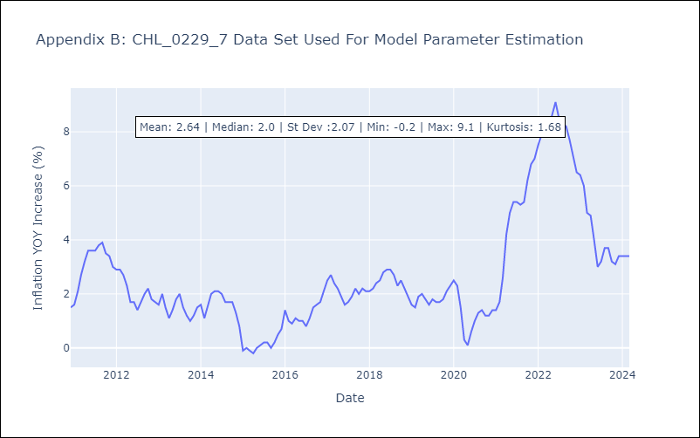

Appendix C: Residuals Analysis
Mean | 0.0
Errors AutoCorrelated? | 2.0878971748831643 | No Autocorrelation
Normal? | No

