CHL
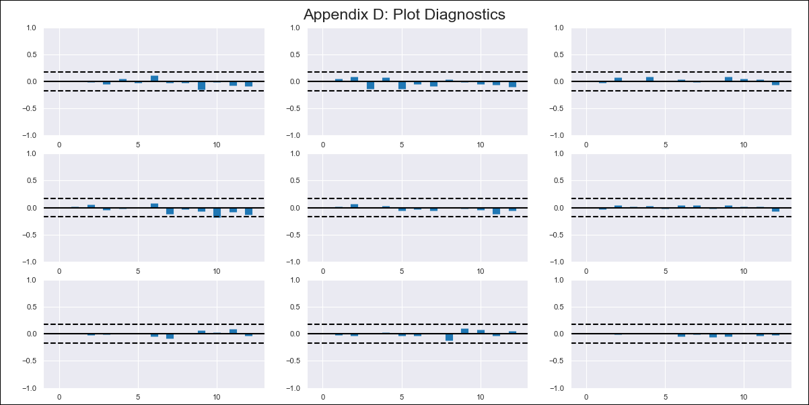
CHL - Inflation - Next 12 months forecast as of: 2024-03-01

Model | VAR - 12 | Exogenous Variables | CPI_United States, Uncertainty Index_Chile
Training Data | 2010-12-01 to 2023-04-01
Test Data | 2023-04-01 to 2024-03-01

Date | Inflation Change YoY % | Lower Bound - 95% Confidence Interval | Upper Bound - 95% Confidence Interval
2024-04-01 | 2.34 | 1.71 | 2.97
2024-05-01 | 1.32 | 0 | 2.65
2024-06-01 | 0.15 | -1.9 | 2.21
2024-07-01 | -0.72 | -3.54 | 2.1
2024-08-01 | -2.28 | -5.88 | 1.32
2024-09-01 | -3.01 | -7.41 | 1.4
2024-10-01 | -2.94 | -8.18 | 2.31
2024-11-01 | -3.87 | -9.97 | 2.24
2024-12-01 | -4.18 | -11.16 | 2.8
2025-01-01 | -4.36 | -12.21 | 3.5
2025-02-01 | -4.75 | -13.51 | 4
2025-03-01 | -4.41 | -14.08 | 5.26

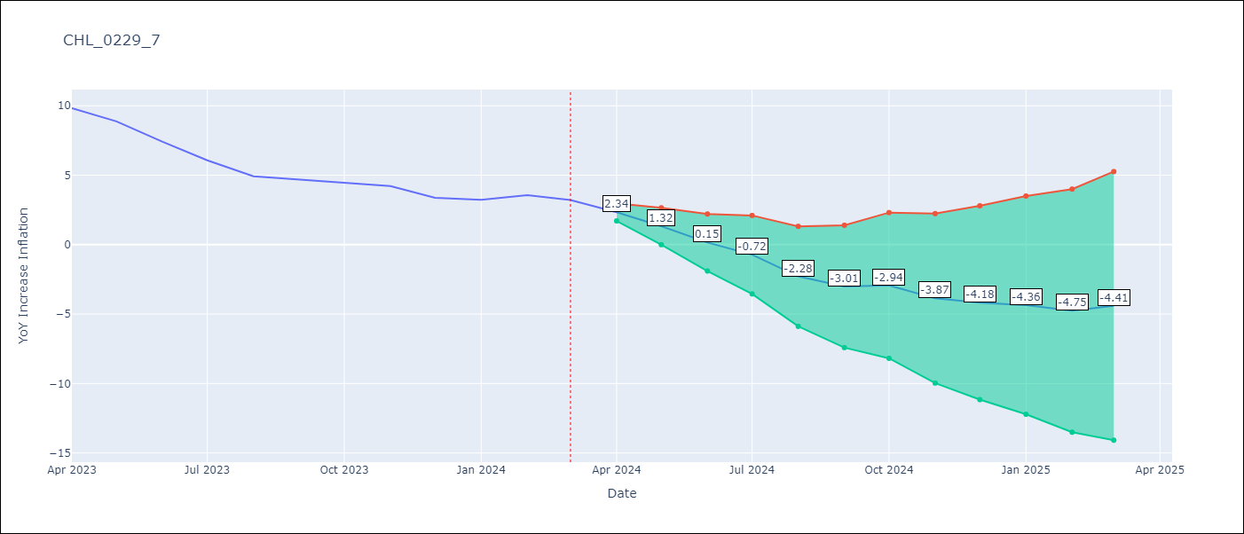

Test Metrics
RMSE | 0.49
Naive RMSE | 0.86
MAPE | 8.61%

Test Predictions
Date | Predicted | Actual
2023-04-01 | 10.2 | 9.82
2023-05-01 | 9.18 | 8.87
2023-06-01 | 8.01 | 7.4
2023-07-01 | 7.14 | 6.07
2023-08-01 | 5.58 | 4.93
2023-09-01 | 4.85 | 4.69
2023-10-01 | 4.92 | 4.45
2023-11-01 | 3.99 | 4.22
2023-12-01 | 3.68 | 3.37
2024-01-01 | 3.5 | 3.23
2024-02-01 | 3.11 | 3.57
2024-03-01 | 3.45 | 3.21

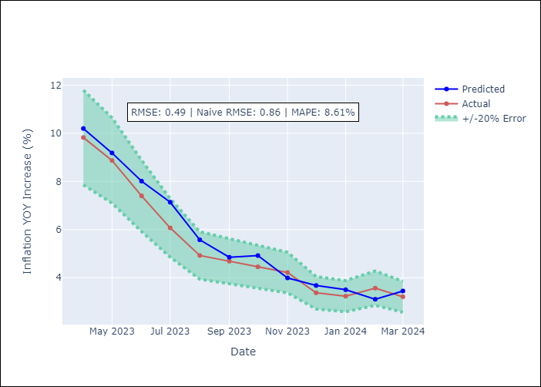

Appendix A: Model Summary
Model | VAR - 12
Sample | 2010-12-01 to 2024-03-01
No. of Observations | 160
Terms | P-value (Statistical significance)
L1.YoY Increase Inflation | 0.0069976007415
L1.CPI_United States | 0.0010511273752
L1.Uncertainty Index_Chile | 0.99601890737
L2.YoY Increase Inflation | 0.83682483236
L2.CPI_United States | 0.86770257833
L2.Uncertainty Index_Chile | 0.39826293448
L3.YoY Increase Inflation | 0.042468784507
L3.CPI_United States | 0.21757808831
L3.Uncertainty Index_Chile | 0.40594710724
L4.YoY Increase Inflation | 0.27531950203
L4.CPI_United States | 0.74369326496
L4.Uncertainty Index_Chile | 0.94011812649
L5.YoY Increase Inflation | 0.082870532022
L5.CPI_United States | 0.062177623986
L5.Uncertainty Index_Chile | 0.828534723
L6.YoY Increase Inflation | 0.68916432881
L6.CPI_United States | 0.65659202299
L6.Uncertainty Index_Chile | 0.067257614624
L7.YoY Increase Inflation | 0.49589646882
L7.CPI_United States | 0.75401722077
L7.Uncertainty Index_Chile | 0.72249797876
L8.YoY Increase Inflation | 0.011073772373
L8.CPI_United States | 0.57769502009
L8.Uncertainty Index_Chile | 0.13351636552
L9.YoY Increase Inflation | 0.77669058624
L9.CPI_United States | 0.12227982896
L9.Uncertainty Index_Chile | 0.47541664031
L10.YoY Increase Inflation | 0.16629234461
L10.CPI_United States | 0.24127816808
L10.Uncertainty Index_Chile | 0.12907356807
L11.YoY Increase Inflation | 0.87213428651
L11.CPI_United States | 0.16370559038
L11.Uncertainty Index_Chile | 0.66347405631
L12.YoY Increase Inflation | 0.00038517872797
L12.CPI_United States | 0.92911661198
L12.Uncertainty Index_Chile | 0.67032766657
Assumptions | P-value

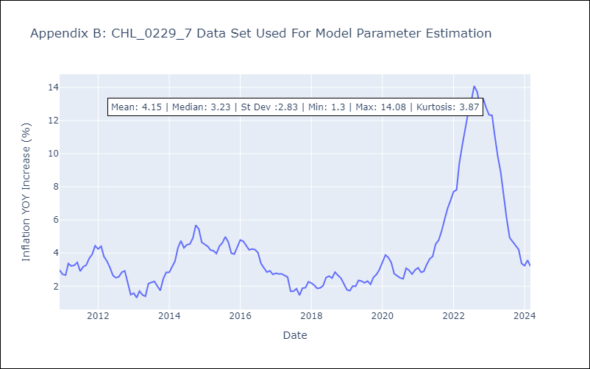

Appendix C: Residuals Analysis
Mean | -0.0
Errors AutoCorrelated? | 1.9563473451165503 | No Autocorrelation
Normal? | No

