CHL
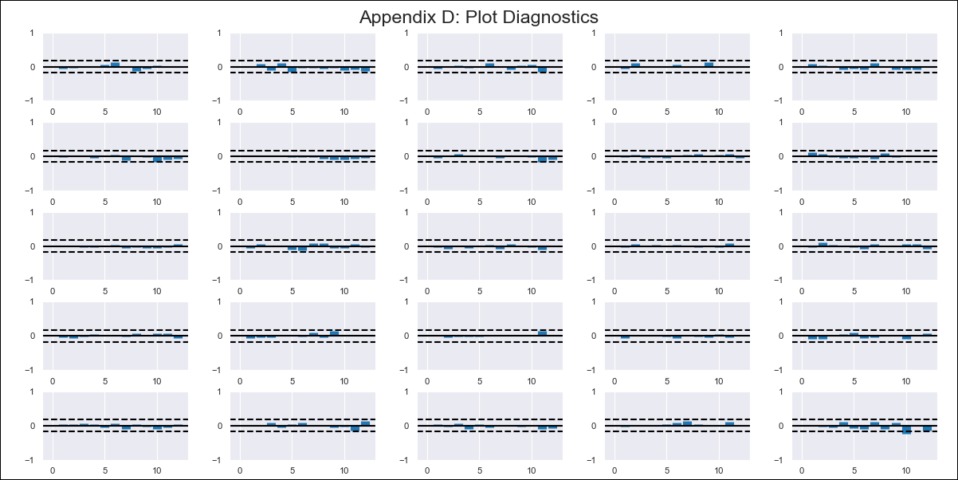
CHL - Inflation - Next 12 months forecast as of: 2024-03-01

Model | VAR - 12 | Exogenous Variables | CPI_United States, Expectativas de inflación en 11 meses, Uncertainty Index_Chile, Wage Index_yoy %
Training Data | 2010-12-01 to 2023-04-01
Test Data | 2023-04-01 to 2024-03-01

Date | Inflation Change YoY % | Lower Bound - 95% Confidence Interval | Upper Bound - 95% Confidence Interval
2024-04-01 | 2.11 | 1.55 | 2.68
2024-05-01 | 1.04 | -0.19 | 2.28
2024-06-01 | 0.2 | -1.76 | 2.17
2024-07-01 | -0.75 | -3.5 | 2
2024-08-01 | -2.52 | -6.08 | 1.04
2024-09-01 | -3.18 | -7.58 | 1.22
2024-10-01 | -3.14 | -8.41 | 2.14
2024-11-01 | -4.03 | -10.2 | 2.14
2024-12-01 | -4.14 | -11.23 | 2.94
2025-01-01 | -4.36 | -12.36 | 3.64
2025-02-01 | -4.76 | -13.7 | 4.19
2025-03-01 | -4.26 | -14.18 | 5.65

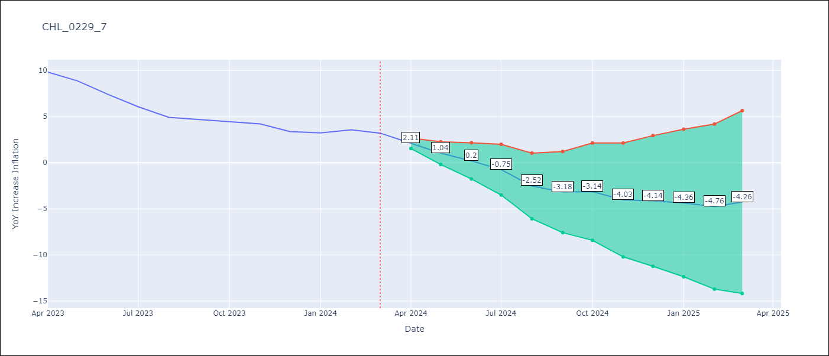

Test Metrics
RMSE | 0.45
Naive RMSE | 0.86
MAPE | 7.91%

Test Predictions
Date | Predicted | Actual
2023-04-01 | 9.97 | 9.82
2023-05-01 | 8.9 | 8.87
2023-06-01 | 8.06 | 7.4
2023-07-01 | 7.11 | 6.07
2023-08-01 | 5.34 | 4.93
2023-09-01 | 4.68 | 4.69
2023-10-01 | 4.72 | 4.45
2023-11-01 | 3.83 | 4.22
2023-12-01 | 3.71 | 3.37
2024-01-01 | 3.5 | 3.23
2024-02-01 | 3.1 | 3.57
2024-03-01 | 3.6 | 3.21

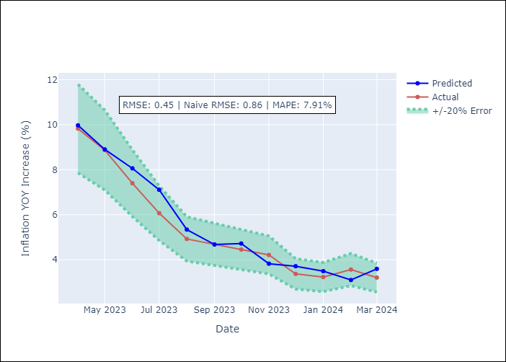

Appendix A: Model Summary
Model | VAR - 12
Sample | 2010-12-01 to 2024-03-01
No. of Observations | 160
Terms | P-value (Statistical significance)
L1.YoY Increase Inflation | 0.031657630394
L1.CPI_United States | 0.00018129680933
L1.Expectativas de inflación en 11 meses | 0.31172985017
L1.Uncertainty Index_Chile | 0.87209207081
L1.Wage Index_yoy % | 0.0008783261952
L2.YoY Increase Inflation | 0.18792662032
L2.CPI_United States | 0.59913742816
L2.Expectativas de inflación en 11 meses | 0.024958083043
L2.Uncertainty Index_Chile | 0.12780604762
L2.Wage Index_yoy % | 0.65465229973
L3.YoY Increase Inflation | 0.23150979174
L3.CPI_United States | 0.41004233475
L3.Expectativas de inflación en 11 meses | 0.46461529915
L3.Uncertainty Index_Chile | 0.63848044158
L3.Wage Index_yoy % | 0.011035415991
L4.YoY Increase Inflation | 0.78655592009
L4.CPI_United States | 0.18770087345
L4.Expectativas de inflación en 11 meses | 0.081965216916
L4.Uncertainty Index_Chile | 0.79742387187
L4.Wage Index_yoy % | 0.87927539201
L5.YoY Increase Inflation | 0.65467345237
L5.CPI_United States | 0.60185993852
L5.Expectativas de inflación en 11 meses | 0.32497747418
L5.Uncertainty Index_Chile | 0.99709812393
L5.Wage Index_yoy % | 0.070051567434
L6.YoY Increase Inflation | 0.65257020547
L6.CPI_United States | 0.79139583068
L6.Expectativas de inflación en 11 meses | 0.020176135723
L6.Uncertainty Index_Chile | 0.61608259695
L6.Wage Index_yoy % | 0.5890731163
L7.YoY Increase Inflation | 0.18326061835
L7.CPI_United States | 0.29957377259
L7.Expectativas de inflación en 11 meses | 0.34015315234
L7.Uncertainty Index_Chile | 0.61188866852
L7.Wage Index_yoy % | 0.95295519173
L8.YoY Increase Inflation | 0.0023465080353
L8.CPI_United States | 0.7731942719
L8.Expectativas de inflación en 11 meses | 0.34873557918
L8.Uncertainty Index_Chile | 0.57501897665
L8.Wage Index_yoy % | 0.45242315244
L9.YoY Increase Inflation | 0.35544276401
L9.CPI_United States | 0.45877661165
L9.Expectativas de inflación en 11 meses | 0.033429022779
L9.Uncertainty Index_Chile | 0.22044538973
L9.Wage Index_yoy % | 0.98045374663
L10.YoY Increase Inflation | 0.91958915781
L10.CPI_United States | 0.056741266851
L10.Expectativas de inflación en 11 meses | 0.94138467586
L10.Uncertainty Index_Chile | 0.5998639441
L10.Wage Index_yoy % | 0.485245685
L11.YoY Increase Inflation | 0.59883288784
L11.CPI_United States | 0.1356368812
L11.Expectativas de inflación en 11 meses | 0.52220029179
L11.Uncertainty Index_Chile | 0.48561273968
L11.Wage Index_yoy % | 0.38797467042
L12.YoY Increase Inflation | 0.014107375706
L12.CPI_United States | 0.86312447007
L12.Expectativas de inflación en 11 meses | 0.03652450334
L12.Uncertainty Index_Chile | 0.3648307744
L12.Wage Index_yoy % | 0.12869907981
Assumptions | P-value

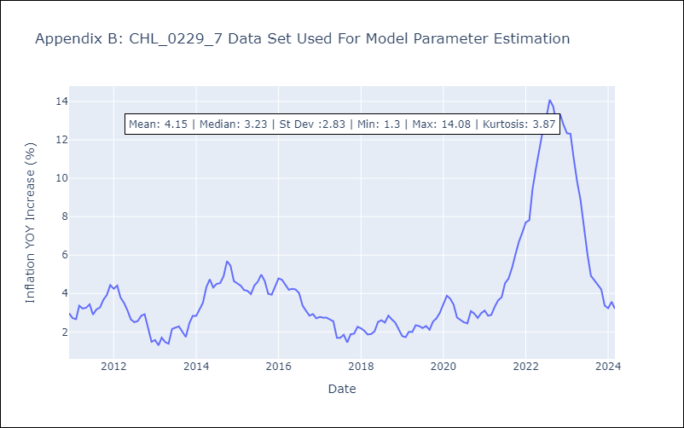

Appendix C: Residuals Analysis
Mean | 0.0
Errors AutoCorrelated? | 2.1011305817321495 | No Autocorrelation
Normal? | No

