MEX
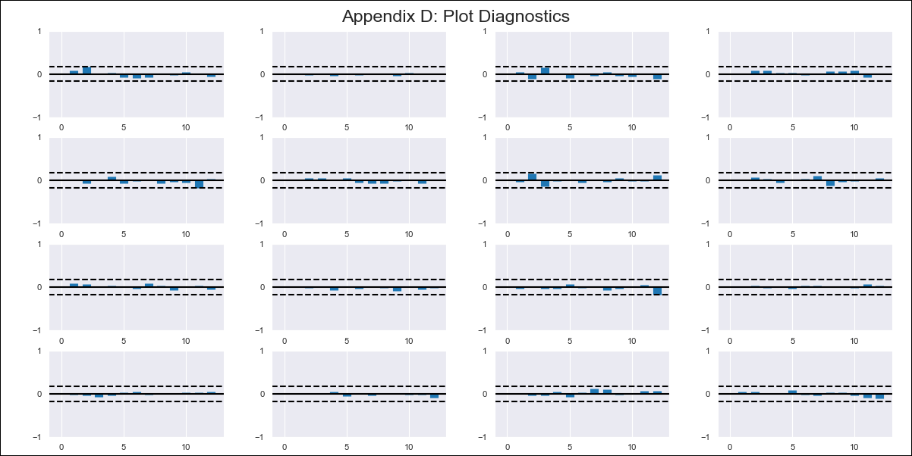
MEX - Inflation - Next 12 months forecast as of: 2024-02-01

Model | VAR - 12 | Exogenous Variables | Exchange rate , Minimum Wage, YoY Import Price Index
Training Data | 2011-01-01 to 2023-03-01
Test Data | 2023-03-01 to 2024-02-01

Date | Inflation Change YoY % | Lower Bound - 95% Confidence Interval | Upper Bound - 95% Confidence Interval
2024-03-01 | 3.98 | 3.34 | 4.62
2024-04-01 | 3.59 | 2.25 | 4.93
2024-05-01 | 3.21 | 1.16 | 5.27
2024-06-01 | 2.71 | -0.06 | 5.47
2024-07-01 | 2.45 | -1.05 | 5.94
2024-08-01 | 1.98 | -2.25 | 6.2
2024-09-01 | 1.72 | -3.25 | 6.69
2024-10-01 | 1.55 | -4.19 | 7.29
2024-11-01 | 1.59 | -4.92 | 8.1
2024-12-01 | 1.22 | -6.07 | 8.52
2025-01-01 | 0.88 | -7.22 | 8.97
2025-02-01 | 0.95 | -7.97 | 9.87

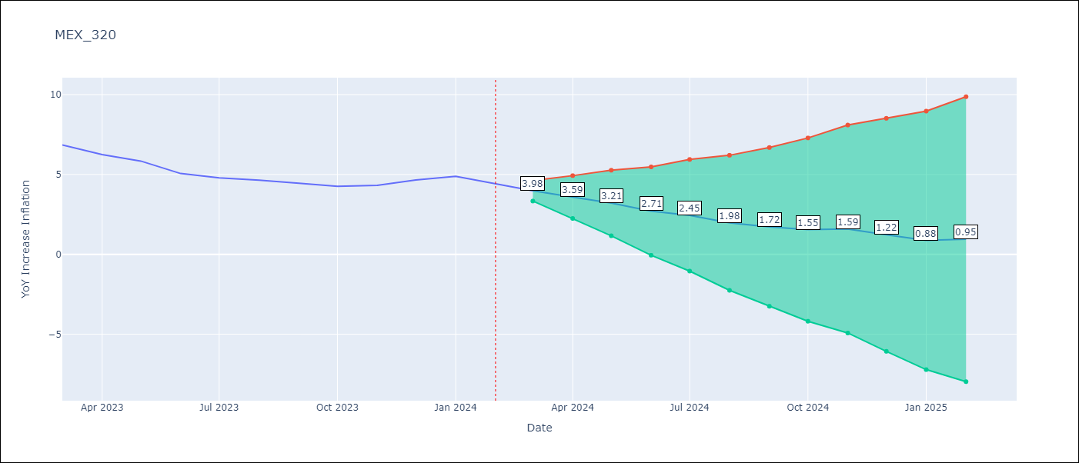

Test Metrics
RMSE | 0.58
Naive RMSE | 0.44
MAPE | 10.98%

Test Predictions
Date | Predicted | Actual
2023-03-01 | 7.2 | 6.85
2023-04-01 | 6.81 | 6.25
2023-05-01 | 6.43 | 5.84
2023-06-01 | 5.93 | 5.06
2023-07-01 | 5.67 | 4.79
2023-08-01 | 5.19 | 4.64
2023-09-01 | 4.94 | 4.45
2023-10-01 | 4.77 | 4.26
2023-11-01 | 4.81 | 4.32
2023-12-01 | 4.44 | 4.66
2024-01-01 | 4.09 | 4.88
2024-02-01 | 4.17 | 4.4

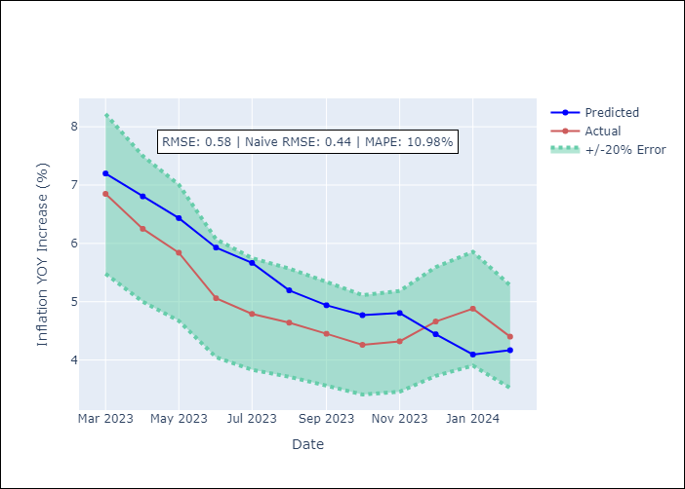

Appendix A: Model Summary
Model | VAR - 12
Sample | 2011-01-01 to 2024-02-01
No. of Observations | 157
Terms | P-value (Statistical significance)
L1.YoY Increase Inflation | 0.24791961206
L1.Exchange rate | 0.00030938440783
L1.Minimum Wage | 0.30547229895
L1.YoY Import Price Index | 0.16902670244
L2.YoY Increase Inflation | 0.24091291381
L2.Exchange rate | 0.49613537279
L2.Minimum Wage | 0.92001431484
L2.YoY Import Price Index | 0.20673554887
L3.YoY Increase Inflation | 0.56826049846
L3.Exchange rate | 0.21814576663
L3.Minimum Wage | 0.5925627241
L3.YoY Import Price Index | 0.92845292914
L4.YoY Increase Inflation | 0.16801498315
L4.Exchange rate | 0.97958613609
L4.Minimum Wage | 0.95982751664
L4.YoY Import Price Index | 0.91308611591
L5.YoY Increase Inflation | 0.23850549114
L5.Exchange rate | 0.23375206864
L5.Minimum Wage | 0.74135521887
L5.YoY Import Price Index | 0.092321028897
L6.YoY Increase Inflation | 0.11491404955
L6.Exchange rate | 0.64799133341
L6.Minimum Wage | 0.77311761052
L6.YoY Import Price Index | 0.31641548988
L7.YoY Increase Inflation | 0.0035416988876
L7.Exchange rate | 0.20801881762
L7.Minimum Wage | 0.26566892115
L7.YoY Import Price Index | 0.098582925594
L8.YoY Increase Inflation | 0.87092467119
L8.Exchange rate | 0.70160654521
L8.Minimum Wage | 0.63332950088
L8.YoY Import Price Index | 0.47482347203
L9.YoY Increase Inflation | 0.35603016714
L9.Exchange rate | 0.10613368518
L9.Minimum Wage | 0.65328532043
L9.YoY Import Price Index | 0.40685969886
L10.YoY Increase Inflation | 0.68296172459
L10.Exchange rate | 0.27438427563
L10.Minimum Wage | 0.59139397219
L10.YoY Import Price Index | 0.66913942071
L11.YoY Increase Inflation | 0.75126150396
L11.Exchange rate | 0.001498714737
L11.Minimum Wage | 0.23700958787
L11.YoY Import Price Index | 0.27968314029
L12.YoY Increase Inflation | 0.00062797863958
L12.Exchange rate | 0.16002443779
L12.Minimum Wage | 0.068348575949
L12.YoY Import Price Index | 0.24433550511
Assumptions | P-value

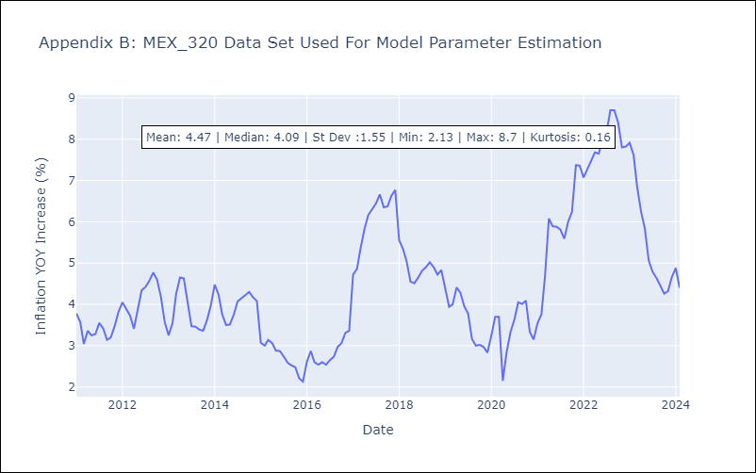

Appendix C: Residuals Analysis
Mean | 0.0
Errors AutoCorrelated? | 1.8306653294698259 | No Autocorrelation
Normal? | No

