MEX
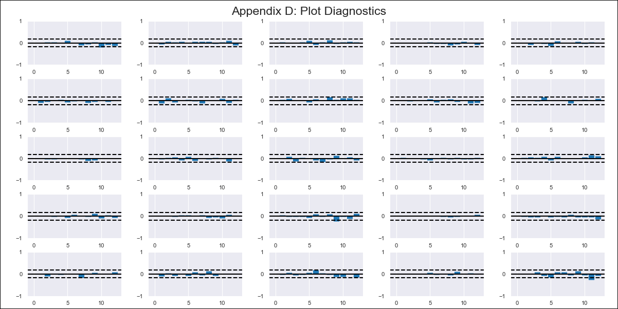
MEX - Inflation - Next 12 months forecast as of: 2024-02-01

Model | VAR - 12 | Exogenous Variables | YoY Import Price Index, YoY Increase Inflation, 90-day Interbank Interest Rates, International Reserves
Training Data | 2011-01-01 to 2023-03-01
Test Data | 2023-03-01 to 2024-02-01

Date | Inflation Change YoY % | Lower Bound - 95% Confidence Interval | Upper Bound - 95% Confidence Interval
2024-03-01 | 0.54 | 0.46 | 0.62
2024-04-01 | 0.69 | 0.34 | 0.69
2024-05-01 | 0.83 | 0.23 | 0.78
2024-06-01 | 1.01 | 0.16 | 0.92
2024-07-01 | 1.14 | 0.01 | 0.98
2024-08-01 | 1.23 | -0.14 | 1.06
2024-09-01 | 1.39 | -0.19 | 1.24
2024-10-01 | 1.52 | -0.35 | 1.32
2024-11-01 | 1.66 | -0.44 | 1.47
2024-12-01 | 1.77 | -0.61 | 1.56
2025-01-01 | 1.93 | -0.68 | 1.73
2025-02-01 | 2.09 | -0.81 | 1.87

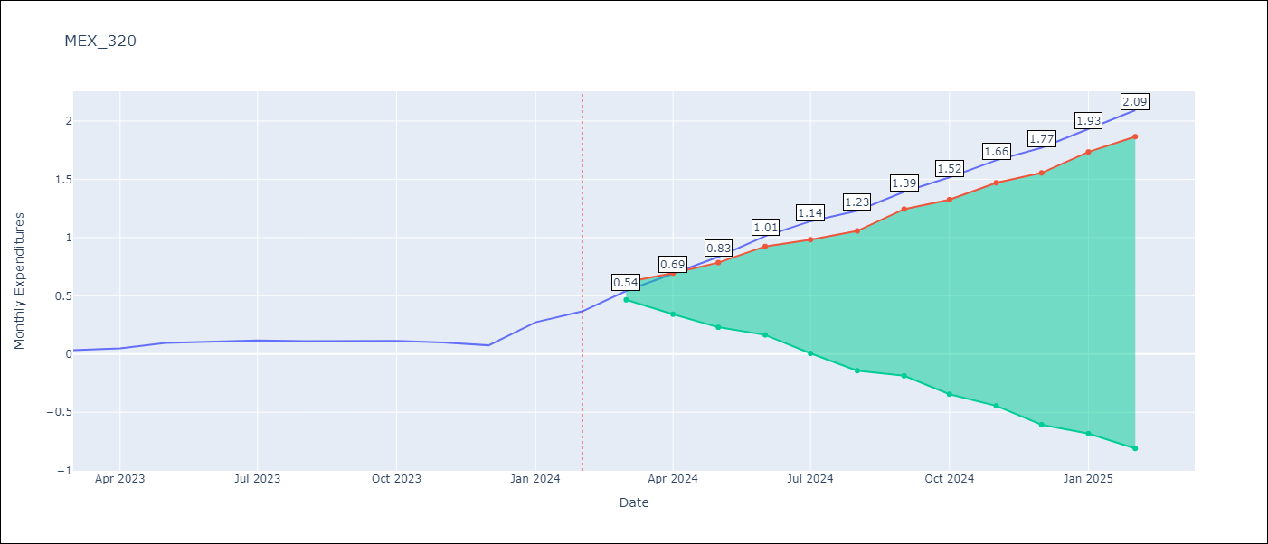

Test Metrics
RMSE | 0.1
Naive RMSE | 0.07
MAPE | 103.8%

Test Predictions
Date | Predicted | Actual
2023-03-01 | 0.09 | 0.03
2023-04-01 | 0.12 | 0.05
2023-05-01 | 0.15 | 0.1
2023-06-01 | 0.2 | 0.11
2023-07-01 | 0.21 | 0.12
2023-08-01 | 0.18 | 0.11
2023-09-01 | 0.23 | 0.11
2023-10-01 | 0.23 | 0.11
2023-11-01 | 0.26 | 0.1
2023-12-01 | 0.25 | 0.07
2024-01-01 | 0.29 | 0.27
2024-02-01 | 0.33 | 0.37

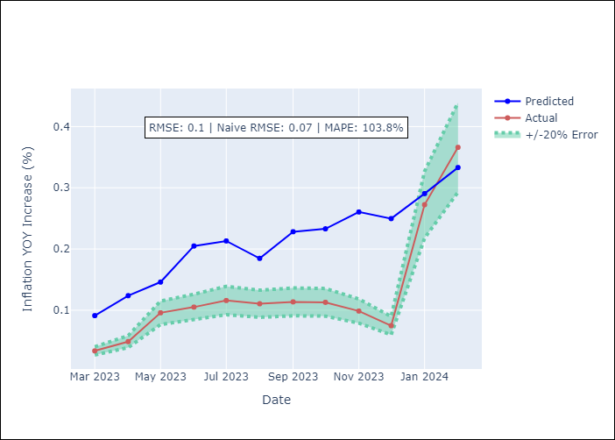

Appendix A: Model Summary
Model | VAR - 12
Sample | 2011-01-01 to 2024-02-01
No. of Observations | 158
Terms | P-value (Statistical significance)
L1.Monthly Expenditures | 3.3017721828E-13
L1.YoY Import Price Index | 0.69740728469
L1.YoY Increase Inflation | 0.40537083092
L1.90-day Interbank Interest Rates | 0.93505376883
L1.International Reserves | 0.3447952091
L2.Monthly Expenditures | 4.2427814992E-07
L2.YoY Import Price Index | 0.290800211
L2.YoY Increase Inflation | 0.054532428003
L2.90-day Interbank Interest Rates | 0.53705696884
L2.International Reserves | 0.37387214564
L3.Monthly Expenditures | 4.5031161961E-05
L3.YoY Import Price Index | 0.17441618401
L3.YoY Increase Inflation | 0.2896463368
L3.90-day Interbank Interest Rates | 0.54488827419
L3.International Reserves | 0.086283029271
L4.Monthly Expenditures | 0.012430860208
L4.YoY Import Price Index | 0.30012268627
L4.YoY Increase Inflation | 0.35435911209
L4.90-day Interbank Interest Rates | 0.61549235757
L4.International Reserves | 0.028384753527
L5.Monthly Expenditures | 0.0040774816595
L5.YoY Import Price Index | 0.80393959995
L5.YoY Increase Inflation | 0.86681800891
L5.90-day Interbank Interest Rates | 0.92959802484
L5.International Reserves | 0.0022174891452
L6.Monthly Expenditures | 0.090730433494
L6.YoY Import Price Index | 0.48042713584
L6.YoY Increase Inflation | 0.84476940343
L6.90-day Interbank Interest Rates | 0.65540468641
L6.International Reserves | 0.14896815264
L7.Monthly Expenditures | 0.037108518214
L7.YoY Import Price Index | 0.14474855661
L7.YoY Increase Inflation | 0.28025463636
L7.90-day Interbank Interest Rates | 0.047027933733
L7.International Reserves | 0.57543280069
L8.Monthly Expenditures | 0.025137512304
L8.YoY Import Price Index | 0.84967357723
L8.YoY Increase Inflation | 0.12330903428
L8.90-day Interbank Interest Rates | 0.89774761883
L8.International Reserves | 0.96304023396
L9.Monthly Expenditures | 0.057133452401
L9.YoY Import Price Index | 0.36447614782
L9.YoY Increase Inflation | 0.17532435656
L9.90-day Interbank Interest Rates | 0.73518578443
L9.International Reserves | 0.44740784321
L10.Monthly Expenditures | 0.056696528184
L10.YoY Import Price Index | 0.15685112921
L10.YoY Increase Inflation | 0.48840577969
L10.90-day Interbank Interest Rates | 0.054904401252
L10.International Reserves | 0.58726111353
L11.Monthly Expenditures | 0.17558670021
L11.YoY Import Price Index | 0.0028298023976
L11.YoY Increase Inflation | 0.023442154277
L11.90-day Interbank Interest Rates | 0.66071161594
L11.International Reserves | 0.94848723567
L12.Monthly Expenditures | 0.24342112979
L12.YoY Import Price Index | 0.43041934675
L12.YoY Increase Inflation | 0.49424454974
L12.90-day Interbank Interest Rates | 0.94660871015
L12.International Reserves | 0.86394313366
Assumptions | P-value

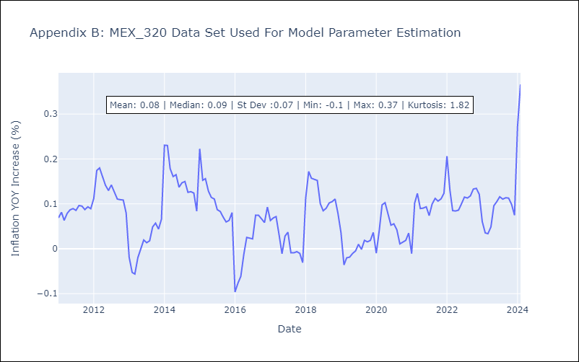

Appendix C: Residuals Analysis
Mean | -0.0
Errors AutoCorrelated? | 2.0429026816459577 | No Autocorrelation
Normal? | No

