MEX
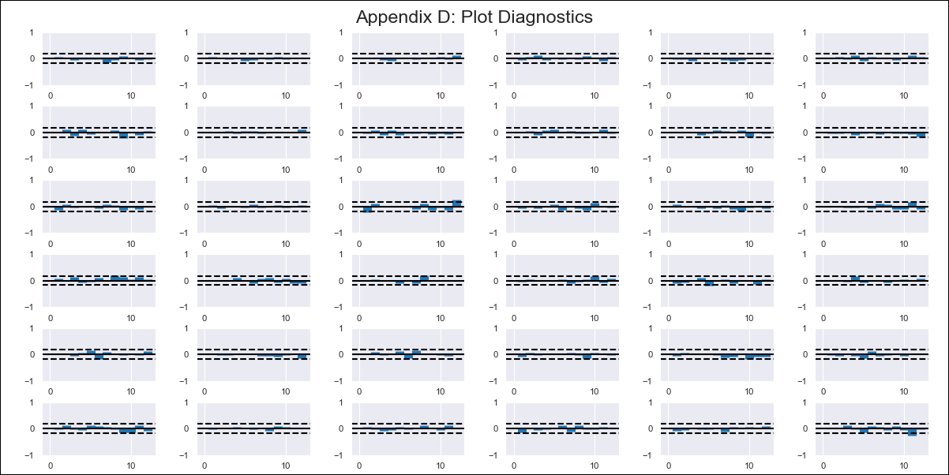
MEX - Inflation - Next 12 months forecast as of: 2024-02-01

Model | VAR - 12 | Exogenous Variables | 90-day Interbank Interest Rates, Supply Shock Indicator - Energy, YoY Import Price Index, Monthly Expenditures, International Reserves
Training Data | 2011-01-01 to 2023-03-01
Test Data | 2023-03-01 to 2024-02-01

Date | Inflation Change YoY % | Lower Bound - 95% Confidence Interval | Upper Bound - 95% Confidence Interval
2024-03-01 | 3.61 | 3.1 | 4.12
2024-04-01 | 3.29 | 3 | 5.15
2024-05-01 | 3.06 | 2.49 | 5.85
2024-06-01 | 2.39 | 1.44 | 6.02
2024-07-01 | 1.71 | 0.8 | 6.65
2024-08-01 | 1.05 | 0.16 | 7.32
2024-09-01 | 0.09 | -0.84 | 7.73
2024-10-01 | -0.46 | -1.17 | 8.87
2024-11-01 | -0.78 | -1.69 | 9.85
2024-12-01 | -0.75 | -2.15 | 11
2025-01-01 | -1.27 | -3.52 | 11.28
2025-02-01 | -1.26 | -3.84 | 12.66

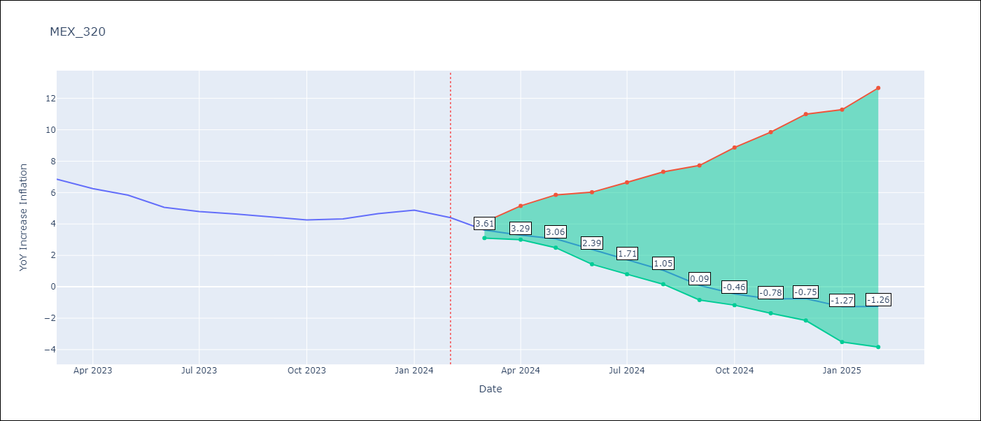

Test Metrics
RMSE | 0.7
Naive RMSE | 0.44
MAPE | 10.92%

Test Predictions
Date | Predicted | Actual
2023-03-01 | 7.02 | 6.85
2023-04-01 | 6.88 | 6.25
2023-05-01 | 6.84 | 5.84
2023-06-01 | 6.36 | 5.06
2023-07-01 | 5.88 | 4.79
2023-08-01 | 5.41 | 4.64
2023-09-01 | 4.64 | 4.45
2023-10-01 | 4.28 | 4.26
2023-11-01 | 4.15 | 4.32
2023-12-01 | 4.36 | 4.66
2024-01-01 | 4.03 | 4.88
2024-02-01 | 4.23 | 4.4

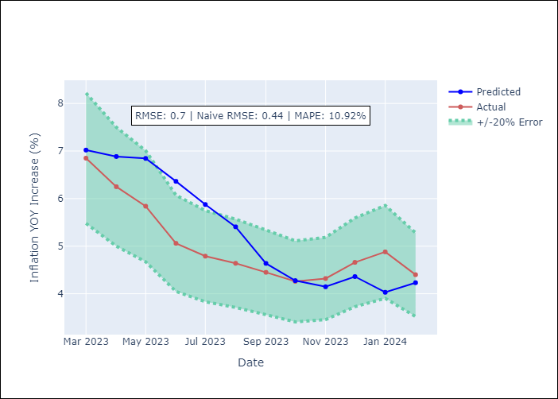

Appendix A: Model Summary
Model | VAR - 12
Sample | 2011-01-01 to 2024-02-01
No. of Observations | 158
Terms | P-value (Statistical significance)
L1.YoY Increase Inflation | 8.8416264273E-05
L1.90-day Interbank Interest Rates | 0.50816126171
L1.Supply Shock Indicator - Energy | 0.52528721777
L1.YoY Import Price Index | 0.39876913248
L1.Monthly Expenditures | 0.95375455098
L1.International Reserves | 0.87431436735
L2.YoY Increase Inflation | 2.7187635216E-05
L2.90-day Interbank Interest Rates | 0.35178262318
L2.Supply Shock Indicator - Energy | 0.32802442401
L2.YoY Import Price Index | 0.26743596071
L2.Monthly Expenditures | 0.71920112931
L2.International Reserves | 0.32032239531
L3.YoY Increase Inflation | 0.00206344409
L3.90-day Interbank Interest Rates | 0.30167034828
L3.Supply Shock Indicator - Energy | 0.12243112193
L3.YoY Import Price Index | 0.65068243183
L3.Monthly Expenditures | 0.89893308279
L3.International Reserves | 0.27854676947
L4.YoY Increase Inflation | 0.0024636095987
L4.90-day Interbank Interest Rates | 0.20595830455
L4.Supply Shock Indicator - Energy | 0.10048675699
L4.YoY Import Price Index | 0.52488217718
L4.Monthly Expenditures | 0.98584622621
L4.International Reserves | 0.31988999653
L5.YoY Increase Inflation | 0.015393174947
L5.90-day Interbank Interest Rates | 0.6687372912
L5.Supply Shock Indicator - Energy | 0.38801114865
L5.YoY Import Price Index | 0.71795812194
L5.Monthly Expenditures | 0.18094430643
L5.International Reserves | 0.13649508552
L6.YoY Increase Inflation | 0.013836980314
L6.90-day Interbank Interest Rates | 0.049657907645
L6.Supply Shock Indicator - Energy | 0.16225523525
L6.YoY Import Price Index | 0.9626320135
L6.Monthly Expenditures | 0.20818197651
L6.International Reserves | 0.60204302105
L7.YoY Increase Inflation | 0.14331850603
L7.90-day Interbank Interest Rates | 0.79611068318
L7.Supply Shock Indicator - Energy | 0.20514360614
L7.YoY Import Price Index | 0.011532049322
L7.Monthly Expenditures | 0.058444551727
L7.International Reserves | 0.65768961177
L8.YoY Increase Inflation | 0.27652591422
L8.90-day Interbank Interest Rates | 0.82767867738
L8.Supply Shock Indicator - Energy | 0.10621608583
L8.YoY Import Price Index | 0.00064940551294
L8.Monthly Expenditures | 0.047642536131
L8.International Reserves | 0.57389347584
L9.YoY Increase Inflation | 0.078569302714
L9.90-day Interbank Interest Rates | 0.41017319858
L9.Supply Shock Indicator - Energy | 0.0043571054409
L9.YoY Import Price Index | 0.41187582096
L9.Monthly Expenditures | 0.17905296664
L9.International Reserves | 0.17056676041
L10.YoY Increase Inflation | 0.086525495116
L10.90-day Interbank Interest Rates | 0.72537378635
L10.Supply Shock Indicator - Energy | 0.048071286661
L10.YoY Import Price Index | 0.22862880959
L10.Monthly Expenditures | 0.18200266586
L10.International Reserves | 0.51103471986
L11.YoY Increase Inflation | 0.33153088976
L11.90-day Interbank Interest Rates | 0.031793371225
L11.Supply Shock Indicator - Energy | 0.079153657047
L11.YoY Import Price Index | 0.04249192794
L11.Monthly Expenditures | 0.10940830712
L11.International Reserves | 0.77877284123
L12.YoY Increase Inflation | 0.00010470560794
L12.90-day Interbank Interest Rates | 0.71608777484
L12.Supply Shock Indicator - Energy | 0.33662617024
L12.YoY Import Price Index | 0.41652819713
L12.Monthly Expenditures | 0.0050056061004
L12.International Reserves | 0.67427533185
Assumptions | P-value

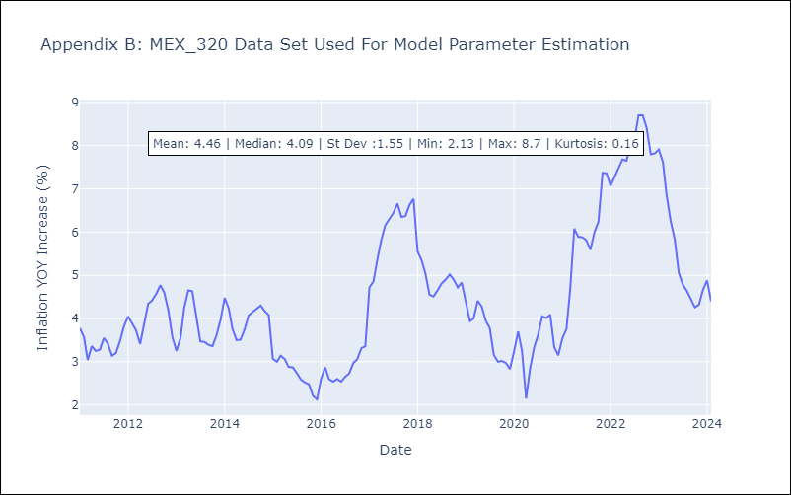

Appendix C: Residuals Analysis
Mean | -0.0
Errors AutoCorrelated? | 1.870273230358889 | No Autocorrelation
Normal? | No

