MEX
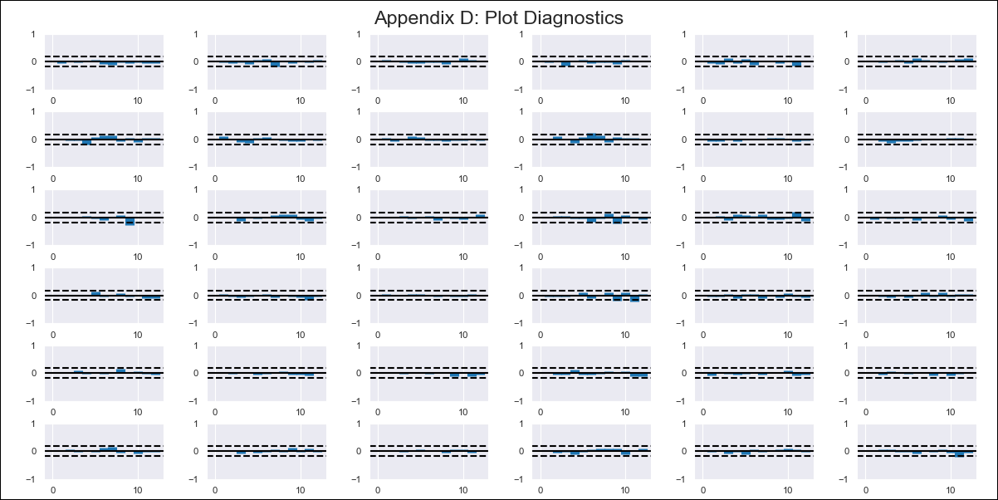
MEX - Inflation - Next 12 months forecast as of: 2024-02-01

Model | VAR - 12 | Exogenous Variables | Monetary Base, 90-day Interbank Interest Rates, Supply Shock Indicator - Energy, YoY Import Price Index, International Reserves
Training Data | 2011-01-01 to 2023-03-01
Test Data | 2023-03-01 to 2024-02-01

Date | Inflation Change YoY % | Lower Bound - 95% Confidence Interval | Upper Bound - 95% Confidence Interval
2024-03-01 | 3.72 | 3.15 | 4.3
2024-04-01 | 3.6 | 3 | 5.55
2024-05-01 | 3.25 | 2.03 | 6.07
2024-06-01 | 2.47 | 0.85 | 6.4
2024-07-01 | 1.6 | -0.03 | 7.1
2024-08-01 | 0.84 | -0.74 | 8
2024-09-01 | -0.13 | -1.8 | 8.66
2024-10-01 | -0.47 | -2.06 | 10.2
2024-11-01 | -0.63 | -2.82 | 11.3
2024-12-01 | -0.62 | -3.65 | 12.46
2025-01-01 | -1.19 | -5.23 | 12.9
2025-02-01 | -1.48 | -5.97 | 14.19

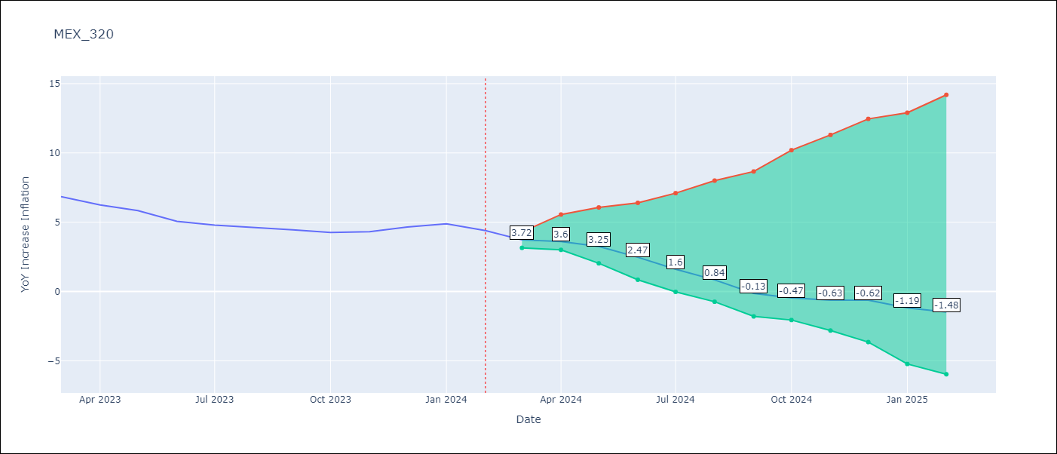

Test Metrics
RMSE | 0.73
Naive RMSE | 0.44
MAPE | 10.78%

Test Predictions
Date | Predicted | Actual
2023-03-01 | 7.13 | 6.85
2023-04-01 | 7.2 | 6.25
2023-05-01 | 7.04 | 5.84
2023-06-01 | 6.45 | 5.06
2023-07-01 | 5.77 | 4.79
2023-08-01 | 5.19 | 4.64
2023-09-01 | 4.41 | 4.45
2023-10-01 | 4.27 | 4.26
2023-11-01 | 4.3 | 4.32
2023-12-01 | 4.49 | 4.66
2024-01-01 | 4.11 | 4.88
2024-02-01 | 4.01 | 4.4

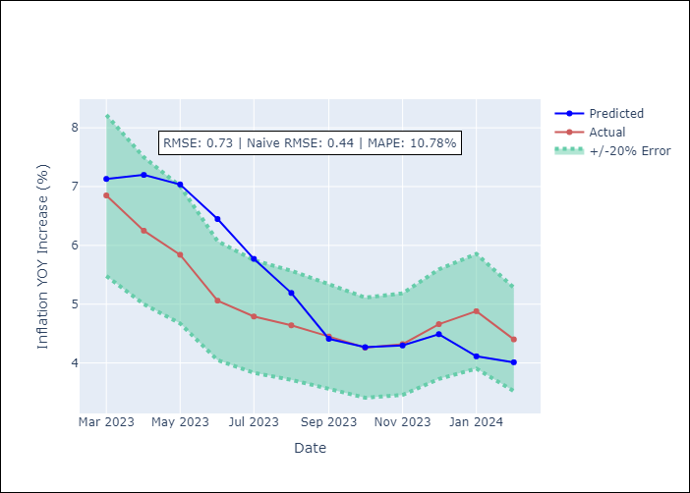

Appendix A: Model Summary
Model | VAR - 12
Sample | 2011-01-01 to 2024-02-01
No. of Observations | 158
Terms | P-value (Statistical significance)
L1.YoY Increase Inflation | 2.7179993426E-07
L1.Monetary Base | 0.60678745202
L1.90-day Interbank Interest Rates | 0.7716975636
L1.Supply Shock Indicator - Energy | 0.24776063569
L1.YoY Import Price Index | 0.91018630664
L1.International Reserves | 0.80598078044
L2.YoY Increase Inflation | 0.00035442395879
L2.Monetary Base | 0.20148944907
L2.90-day Interbank Interest Rates | 0.7626048328
L2.Supply Shock Indicator - Energy | 0.30517196768
L2.YoY Import Price Index | 0.048265802995
L2.International Reserves | 0.55968158752
L3.YoY Increase Inflation | 0.0071964624909
L3.Monetary Base | 0.03055270282
L3.90-day Interbank Interest Rates | 0.77246289178
L3.Supply Shock Indicator - Energy | 0.36769354063
L3.YoY Import Price Index | 0.19647779932
L3.International Reserves | 0.40362933663
L4.YoY Increase Inflation | 0.003278616127
L4.Monetary Base | 0.28053861433
L4.90-day Interbank Interest Rates | 0.38455114172
L4.Supply Shock Indicator - Energy | 0.13830101881
L4.YoY Import Price Index | 0.21540267742
L4.International Reserves | 0.37638208179
L5.YoY Increase Inflation | 0.0062704103389
L5.Monetary Base | 0.38481289869
L5.90-day Interbank Interest Rates | 0.51586050309
L5.Supply Shock Indicator - Energy | 0.74636697209
L5.YoY Import Price Index | 0.91006055007
L5.International Reserves | 0.24316771494
L6.YoY Increase Inflation | 0.015743212013
L6.Monetary Base | 0.32674599845
L6.90-day Interbank Interest Rates | 0.0086225384428
L6.Supply Shock Indicator - Energy | 0.85448450795
L6.YoY Import Price Index | 0.22316741788
L6.International Reserves | 0.93922859499
L7.YoY Increase Inflation | 0.13844826108
L7.Monetary Base | 0.047924008582
L7.90-day Interbank Interest Rates | 0.18071283982
L7.Supply Shock Indicator - Energy | 0.40418014787
L7.YoY Import Price Index | 0.00012782638699
L7.International Reserves | 0.94802853263
L8.YoY Increase Inflation | 0.35001882654
L8.Monetary Base | 0.1059005034
L8.90-day Interbank Interest Rates | 0.62891631852
L8.Supply Shock Indicator - Energy | 0.062152070797
L8.YoY Import Price Index | 0.0029341939978
L8.International Reserves | 0.29491745822
L9.YoY Increase Inflation | 0.23998628617
L9.Monetary Base | 0.72890159005
L9.90-day Interbank Interest Rates | 0.39147441236
L9.Supply Shock Indicator - Energy | 0.0055356014368
L9.YoY Import Price Index | 0.82273055444
L9.International Reserves | 0.10289318067
L10.YoY Increase Inflation | 0.30419477604
L10.Monetary Base | 0.72718555443
L10.90-day Interbank Interest Rates | 0.34280433937
L10.Supply Shock Indicator - Energy | 0.030995806332
L10.YoY Import Price Index | 0.63703248863
L10.International Reserves | 0.90834104926
L11.YoY Increase Inflation | 0.29854671422
L11.Monetary Base | 0.31466664847
L11.90-day Interbank Interest Rates | 0.53814856316
L11.Supply Shock Indicator - Energy | 0.19253439725
L11.YoY Import Price Index | 0.63973437635
L11.International Reserves | 0.13114871245
L12.YoY Increase Inflation | 0.027112823243
L12.Monetary Base | 0.67883042842
L12.90-day Interbank Interest Rates | 0.87438819251
L12.Supply Shock Indicator - Energy | 0.53251959075
L12.YoY Import Price Index | 0.16817859525
L12.International Reserves | 0.82736594426
Assumptions | P-value

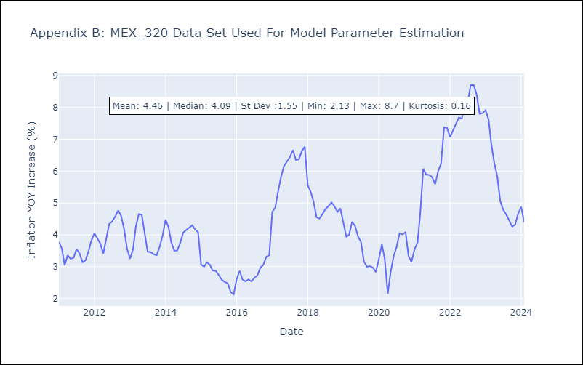

Appendix C: Residuals Analysis
Mean | -0.0
Errors AutoCorrelated? | 2.076908555239009 | No Autocorrelation
Normal? | No

