MEX
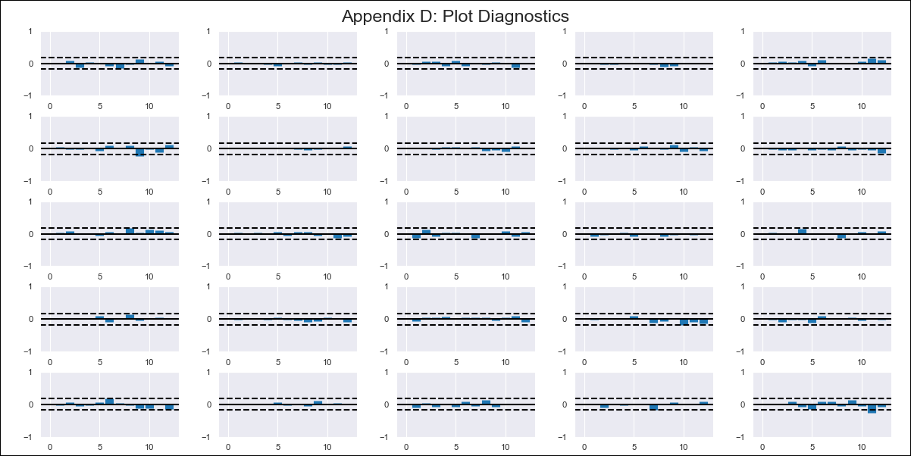
MEX - Inflation - Next 12 months forecast as of: 2024-02-01

Model | VAR - 12 | Exogenous Variables | 90-day Interbank Interest Rates, YoY Import Price Index, Monthly Expenditures, International Reserves
Training Data | 2011-01-01 to 2023-03-01
Test Data | 2023-03-01 to 2024-02-01

Date | Inflation Change YoY % | Lower Bound - 95% Confidence Interval | Upper Bound - 95% Confidence Interval
2024-03-01 | 3.64 | 3.09 | 4.19
2024-04-01 | 3.45 | 3.03 | 5.39
2024-05-01 | 3.24 | 2.34 | 6.04
2024-06-01 | 2.35 | 0.98 | 6.04
2024-07-01 | 1.55 | 0.37 | 6.84
2024-08-01 | 1 | -0.11 | 7.82
2024-09-01 | 0.14 | -1.2 | 8.26
2024-10-01 | -0.21 | -1.47 | 9.58
2024-11-01 | -0.41 | -2.12 | 10.54
2024-12-01 | -0.66 | -3.02 | 11.31
2025-01-01 | -1.06 | -4.02 | 12.01
2025-02-01 | -1.26 | -4.68 | 13.08

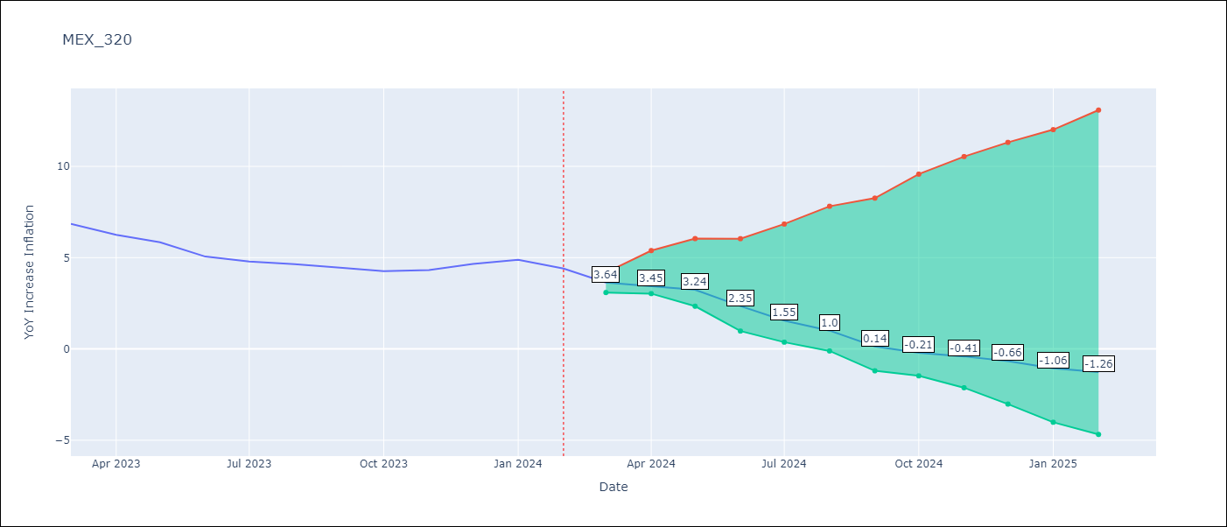

Test Metrics
RMSE | 0.69
Naive RMSE | 0.44
MAPE | 11.09%

Test Predictions
Date | Predicted | Actual
2023-03-01 | 7.05 | 6.85
2023-04-01 | 7.04 | 6.25
2023-05-01 | 7.03 | 5.84
2023-06-01 | 6.32 | 5.06
2023-07-01 | 5.72 | 4.79
2023-08-01 | 5.36 | 4.64
2023-09-01 | 4.68 | 4.45
2023-10-01 | 4.52 | 4.26
2023-11-01 | 4.51 | 4.32
2023-12-01 | 4.45 | 4.66
2024-01-01 | 4.24 | 4.88
2024-02-01 | 4.23 | 4.4

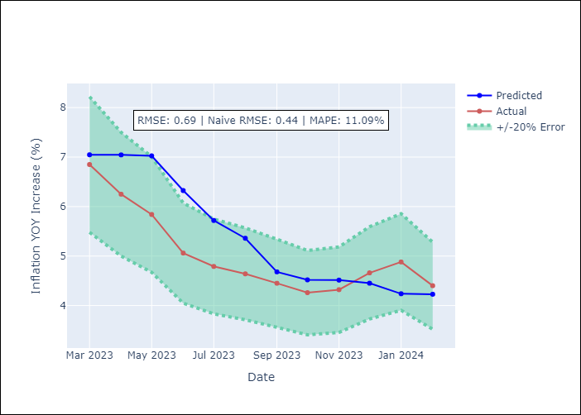

Appendix A: Model Summary
Model | VAR - 12
Sample | 2011-01-01 to 2024-02-01
No. of Observations | 158
Terms | P-value (Statistical significance)
L1.YoY Increase Inflation | 5.0955681054E-06
L1.90-day Interbank Interest Rates | 0.21287287485
L1.YoY Import Price Index | 0.82895379414
L1.Monthly Expenditures | 0.64640176724
L1.International Reserves | 0.70566468554
L2.YoY Increase Inflation | 8.987838926E-07
L2.90-day Interbank Interest Rates | 0.75126062972
L2.YoY Import Price Index | 0.087739744897
L2.Monthly Expenditures | 0.48805492515
L2.International Reserves | 0.43563626593
L3.YoY Increase Inflation | 0.002933182045
L3.90-day Interbank Interest Rates | 0.79797712228
L3.YoY Import Price Index | 0.38419824715
L3.Monthly Expenditures | 0.34067458939
L3.International Reserves | 0.087071106411
L4.YoY Increase Inflation | 0.00072036680593
L4.90-day Interbank Interest Rates | 0.20336977284
L4.YoY Import Price Index | 0.74194367204
L4.Monthly Expenditures | 0.25903846841
L4.International Reserves | 0.27334993106
L5.YoY Increase Inflation | 0.034929445337
L5.90-day Interbank Interest Rates | 0.8977250159
L5.YoY Import Price Index | 0.84529587003
L5.Monthly Expenditures | 0.67233413882
L5.International Reserves | 0.41619539019
L6.YoY Increase Inflation | 0.021535822447
L6.90-day Interbank Interest Rates | 0.042592672242
L6.YoY Import Price Index | 0.83816639728
L6.Monthly Expenditures | 0.69723903831
L6.International Reserves | 0.20334724837
L7.YoY Increase Inflation | 0.84951349609
L7.90-day Interbank Interest Rates | 0.24500422139
L7.YoY Import Price Index | 0.072698624029
L7.Monthly Expenditures | 0.10979975556
L7.International Reserves | 0.057347784449
L8.YoY Increase Inflation | 0.8159189221
L8.90-day Interbank Interest Rates | 0.85870368833
L8.YoY Import Price Index | 0.0091241287084
L8.Monthly Expenditures | 0.086147435
L8.International Reserves | 0.55544811245
L9.YoY Increase Inflation | 0.88017433988
L9.90-day Interbank Interest Rates | 0.47251911205
L9.YoY Import Price Index | 0.25994843697
L9.Monthly Expenditures | 0.17544914376
L9.International Reserves | 0.4402449147
L10.YoY Increase Inflation | 0.88908359242
L10.90-day Interbank Interest Rates | 0.14553374634
L10.YoY Import Price Index | 0.46007717927
L10.Monthly Expenditures | 0.17374138298
L10.International Reserves | 0.65352597817
L11.YoY Increase Inflation | 0.31544099521
L11.90-day Interbank Interest Rates | 0.053058980942
L11.YoY Import Price Index | 0.074235763932
L11.Monthly Expenditures | 0.11213670986
L11.International Reserves | 0.93965466528
L12.YoY Increase Inflation | 0.00012940761136
L12.90-day Interbank Interest Rates | 0.78317500714
L12.YoY Import Price Index | 0.37514790952
L12.Monthly Expenditures | 0.032413439514
L12.International Reserves | 0.52770687708
Assumptions | P-value

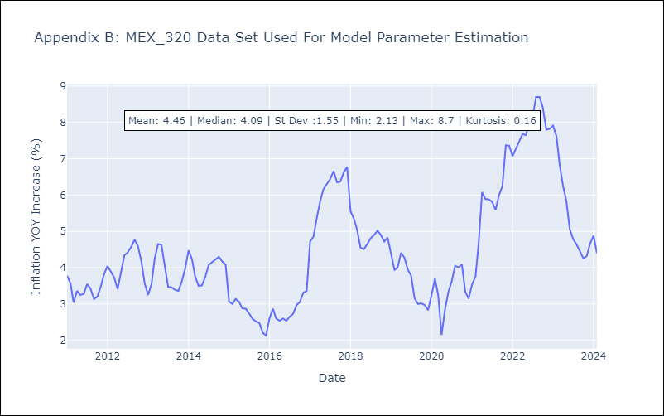

Appendix C: Residuals Analysis
Mean | -0.0
Errors AutoCorrelated? | 1.9776807489214463 | No Autocorrelation
Normal? | No

