MEX
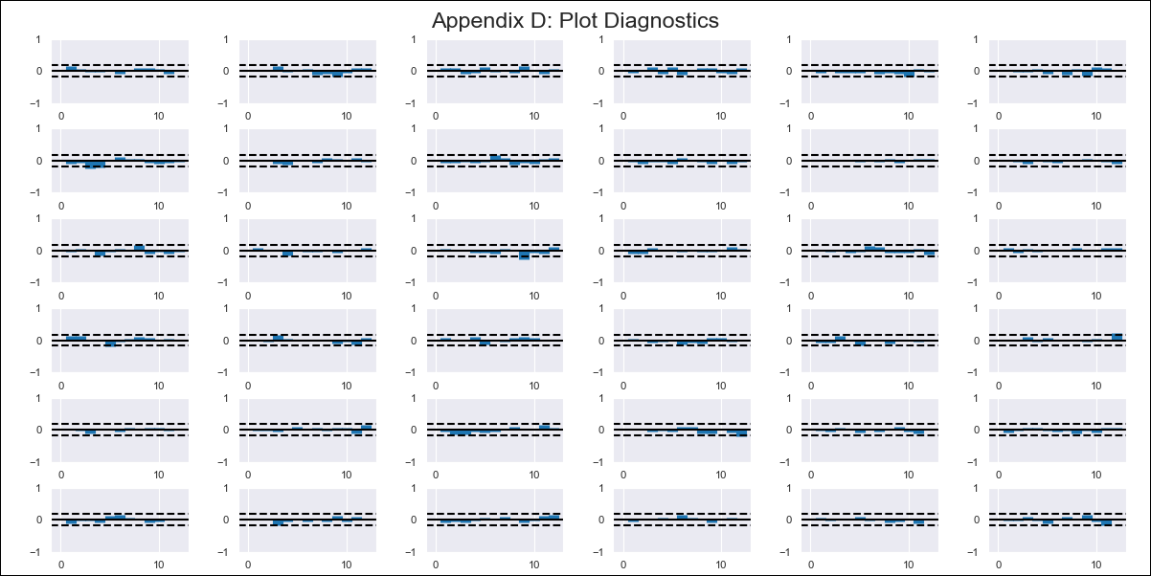
MEX - Inflation - Next 12 months forecast as of: 2024-02-01

Model | VAR - 12 | Exogenous Variables | Monetary Base, Supply Shock Indicator - Energy, YoY Import Price Index, Monthly Expenditures, International Reserves
Training Data | 2011-01-01 to 2023-03-01
Test Data | 2023-03-01 to 2024-02-01

Date | Inflation Change YoY % | Lower Bound - 95% Confidence Interval | Upper Bound - 95% Confidence Interval
2024-03-01 | 3.75 | 3.23 | 4.28
2024-04-01 | 3.53 | 2.46 | 4.6
2024-05-01 | 3.36 | 1.7 | 5.02
2024-06-01 | 2.74 | 0.47 | 5.01
2024-07-01 | 2.66 | -0.24 | 5.56
2024-08-01 | 2.29 | -1.25 | 5.83
2024-09-01 | 2.01 | -2.22 | 6.24
2024-10-01 | 1.56 | -3.4 | 6.51
2024-11-01 | 1.3 | -4.41 | 7.01
2024-12-01 | 1.01 | -5.47 | 7.48
2025-01-01 | 0.58 | -6.67 | 7.84
2025-02-01 | 0.59 | -7.46 | 8.64

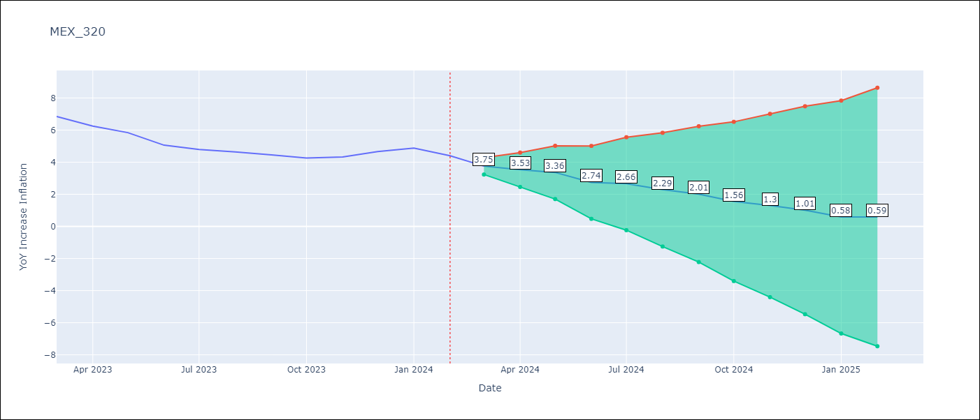

Test Metrics
RMSE | 0.72
Naive RMSE | 0.44
MAPE | 13.4%

Test Predictions
Date | Predicted | Actual
2023-03-01 | 6.97 | 6.85
2023-04-01 | 6.75 | 6.25
2023-05-01 | 6.58 | 5.84
2023-06-01 | 5.96 | 5.06
2023-07-01 | 5.88 | 4.79
2023-08-01 | 5.51 | 4.64
2023-09-01 | 5.23 | 4.45
2023-10-01 | 4.77 | 4.26
2023-11-01 | 4.52 | 4.32
2023-12-01 | 4.23 | 4.66
2024-01-01 | 3.8 | 4.88
2024-02-01 | 3.81 | 4.4

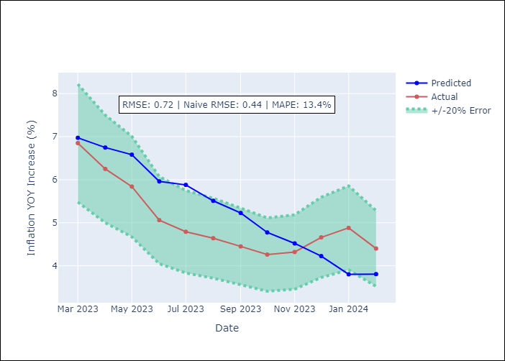

Appendix A: Model Summary
Model | VAR - 12
Sample | 2011-01-01 to 2024-02-01
No. of Observations | 158
Terms | P-value (Statistical significance)
L1.YoY Increase Inflation | 0.49180168837
L1.Monetary Base | 0.96438554819
L1.Supply Shock Indicator - Energy | 0.26155323748
L1.YoY Import Price Index | 0.37896429866
L1.Monthly Expenditures | 0.52304390123
L1.International Reserves | 0.080104933688
L2.YoY Increase Inflation | 0.99955763608
L2.Monetary Base | 0.088044870019
L2.Supply Shock Indicator - Energy | 0.09096006513
L2.YoY Import Price Index | 0.0022450215531
L2.Monthly Expenditures | 0.63977105749
L2.International Reserves | 0.92836268404
L3.YoY Increase Inflation | 0.40338842449
L3.Monetary Base | 0.13903814933
L3.Supply Shock Indicator - Energy | 0.086722523155
L3.YoY Import Price Index | 0.5563169102
L3.Monthly Expenditures | 0.091210740283
L3.International Reserves | 0.25443820631
L4.YoY Increase Inflation | 0.56109448658
L4.Monetary Base | 0.53783101684
L4.Supply Shock Indicator - Energy | 0.64852260136
L4.YoY Import Price Index | 0.15753991455
L4.Monthly Expenditures | 0.78702082247
L4.International Reserves | 0.35292329455
L5.YoY Increase Inflation | 0.53656696924
L5.Monetary Base | 0.47564579989
L5.Supply Shock Indicator - Energy | 0.17044772785
L5.YoY Import Price Index | 0.62410209653
L5.Monthly Expenditures | 0.034866548291
L5.International Reserves | 0.33140470862
L6.YoY Increase Inflation | 0.56632481344
L6.Monetary Base | 0.64736266315
L6.Supply Shock Indicator - Energy | 0.27994407066
L6.YoY Import Price Index | 0.57140073987
L6.Monthly Expenditures | 0.62383624436
L6.International Reserves | 0.0010853423989
L7.YoY Increase Inflation | 0.12847537169
L7.Monetary Base | 0.23747457634
L7.Supply Shock Indicator - Energy | 0.99367367266
L7.YoY Import Price Index | 0.02788209187
L7.Monthly Expenditures | 0.12578496881
L7.International Reserves | 0.052530178359
L8.YoY Increase Inflation | 0.49817899623
L8.Monetary Base | 0.077182993797
L8.Supply Shock Indicator - Energy | 0.036382894157
L8.YoY Import Price Index | 0.76235221258
L8.Monthly Expenditures | 0.1090178304
L8.International Reserves | 0.067176788031
L9.YoY Increase Inflation | 0.36686547573
L9.Monetary Base | 0.76995283923
L9.Supply Shock Indicator - Energy | 0.013777332584
L9.YoY Import Price Index | 0.0046941264286
L9.Monthly Expenditures | 0.77040539557
L9.International Reserves | 0.71375312288
L10.YoY Increase Inflation | 0.037964312363
L10.Monetary Base | 0.63056218601
L10.Supply Shock Indicator - Energy | 0.16904138006
L10.YoY Import Price Index | 0.22237450157
L10.Monthly Expenditures | 0.59523086178
L10.International Reserves | 0.51102184268
L11.YoY Increase Inflation | 0.49324482713
L11.Monetary Base | 0.18121700841
L11.Supply Shock Indicator - Energy | 0.64041307915
L11.YoY Import Price Index | 0.061780520208
L11.Monthly Expenditures | 0.78196238798
L11.International Reserves | 0.32082530037
L12.YoY Increase Inflation | 0.0025644000461
L12.Monetary Base | 0.068408313946
L12.Supply Shock Indicator - Energy | 0.11104612645
L12.YoY Import Price Index | 0.20378177022
L12.Monthly Expenditures | 0.0022188612703
L12.International Reserves | 0.063534588155
Assumptions | P-value

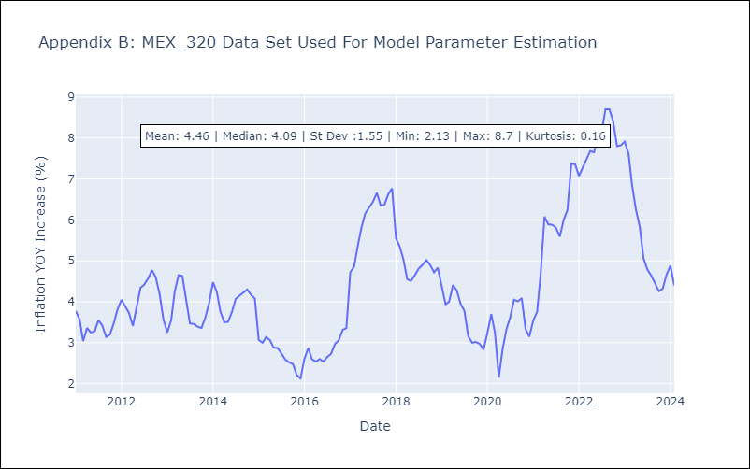

Appendix C: Residuals Analysis
Mean | 0.0
Errors AutoCorrelated? | 1.7142498834300461 | No Autocorrelation
Normal? | No

