MEX
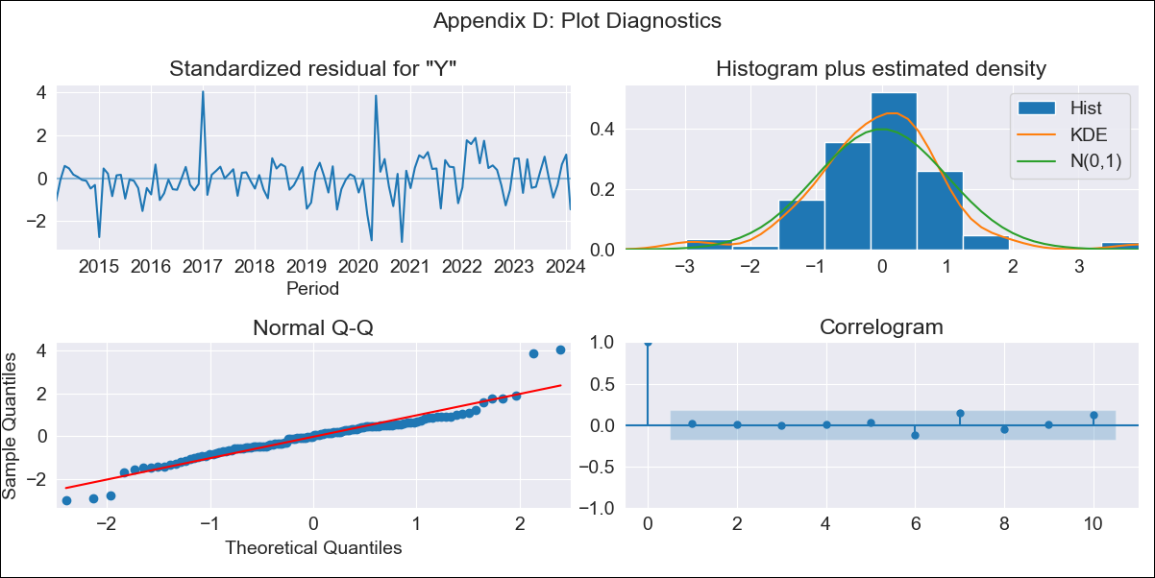
MEX - Inflation - Next 12 months forecast as of: 2024-02-01

Model | ARIMA - [(2, 0, 0), (3, 0, 1, 12)]
Training Data | 2011-01-01 to 2023-03-01
Test Data | 2023-03-01 to 2024-02-01

Date | Inflation Change YoY % | Lower Bound - 95% Confidence Interval | Upper Bound - 95% Confidence Interval
2024-03-01 | 4.35 | 3.83 | 4.87
2024-04-01 | 3.92 | 3.05 | 4.78
2024-05-01 | 4.22 | 3.08 | 5.35
2024-06-01 | 4.5 | 3.14 | 5.87
2024-07-01 | 4.56 | 3 | 6.12
2024-08-01 | 4.29 | 2.56 | 6.02
2024-09-01 | 4.21 | 2.33 | 6.09
2024-10-01 | 4.49 | 2.47 | 6.51
2024-11-01 | 4.49 | 2.34 | 6.63
2024-12-01 | 4.27 | 2 | 6.53
2025-01-01 | 4.04 | 1.66 | 6.41
2025-02-01 | 4.5 | 2.03 | 6.98

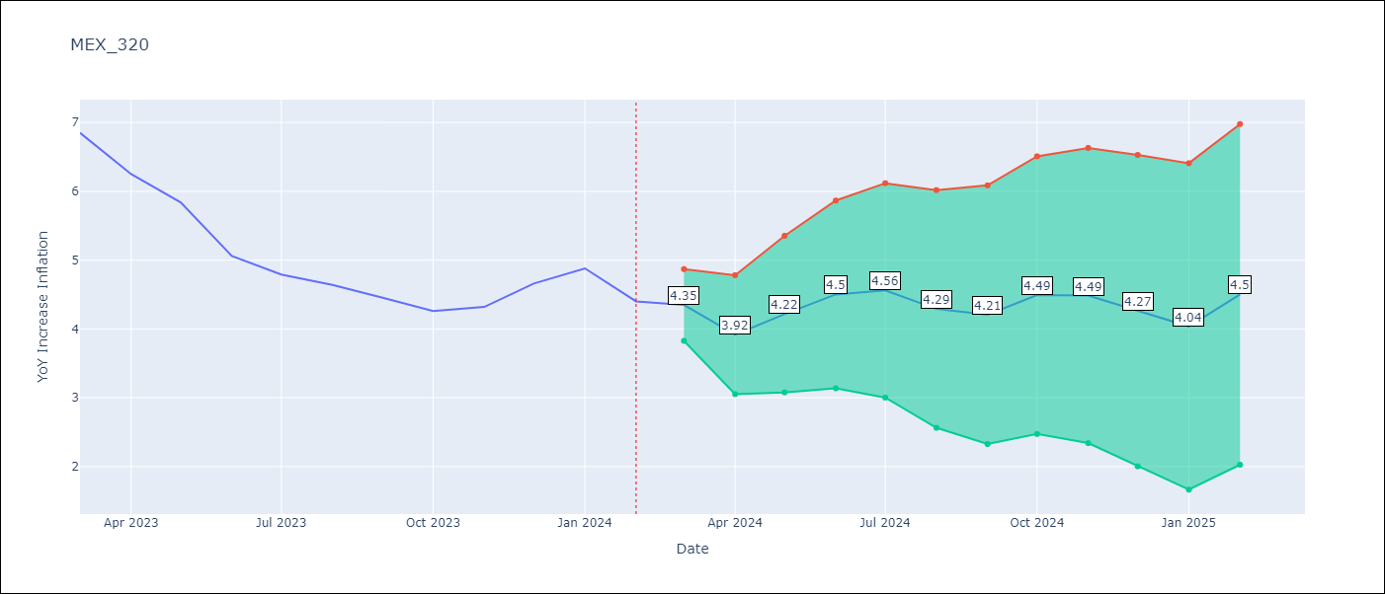

Test Metrics
RMSE | 0.19
Naive RMSE | 0.44
MAPE | 3.13%

Test Predictions
Date | Predicted | Actual
2023-03-01 | 7.04 | 6.85
2023-04-01 | 6.25 | 6.25
2023-05-01 | 5.95 | 5.84
2023-06-01 | 5.3 | 5.06
2023-07-01 | 4.99 | 4.79
2023-08-01 | 4.52 | 4.64
2023-09-01 | 4.21 | 4.45
2023-10-01 | 4.23 | 4.26
2023-11-01 | 4.41 | 4.32
2023-12-01 | 4.59 | 4.66
2024-01-01 | 4.45 | 4.88
2024-02-01 | 4.27 | 4.4

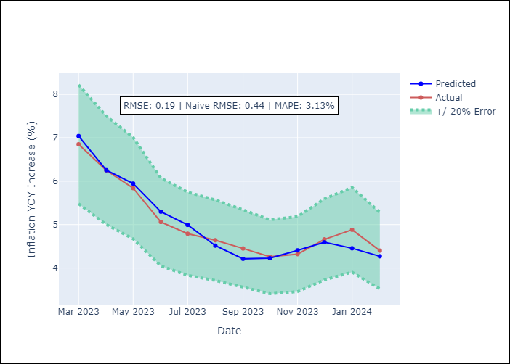

Appendix A: Model Summary
Model | ARIMA(2, 0, 0)x(3, 0, [1], 12)
Sample | 01-01-2011- 02-01-2024
No. of Observations | 158
Terms | P-value (Statistical significance)
const | 0.094
ar.L1 | 0.000
ar.L2 | 0.000
ar.S.L12 | 0.016
ar.S.L24 | 0.006
ar.S.L36 | 0.039
ma.S.L12 | 0.001
sigma2 | 0.000
Assumptions | P-value

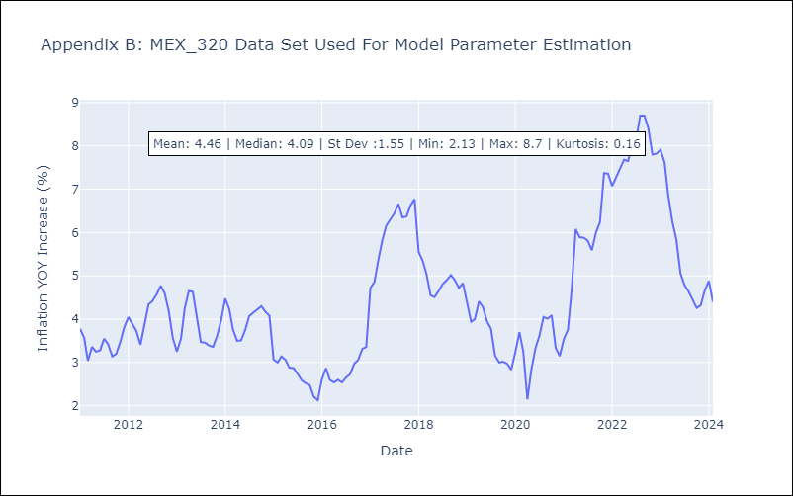

Appendix C: Residuals Analysis
Mean | -0.03

Normal? | No

