Colombia
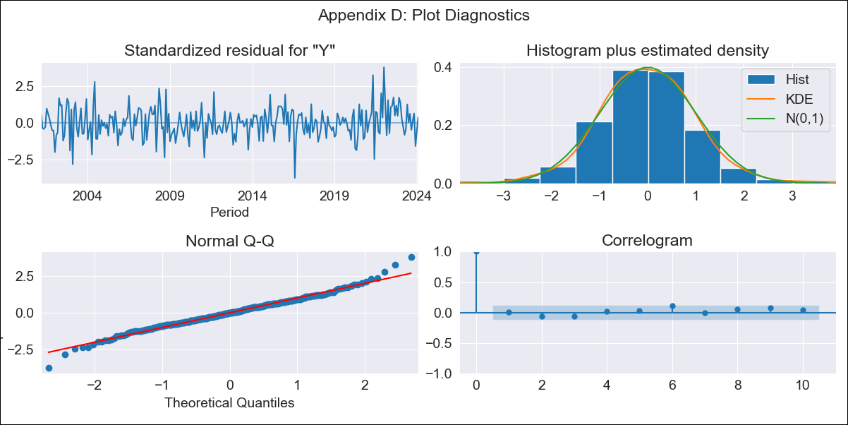
Colombia - Inflation - Next 12 months forecast as of: 2024-02-01

Model | ARIMA - [(2, 0, 1), (2, 0, 0, 12)]
Training Data | 1999-01-01 to 2023-03-01
Test Data | 2023-03-01 to 2024-02-01

Date | Inflation Change YoY % | Lower Bound - 95% Confidence Interval | Upper Bound - 95% Confidence Interval
2024-03-01 | 7.29 | 6.8 | 7.79
2024-04-01 | 7.12 | 6.21 | 8.04
2024-05-01 | 7.21 | 5.87 | 8.55
2024-06-01 | 6.95 | 5.2 | 8.7
2024-07-01 | 6.78 | 4.64 | 8.92
2024-08-01 | 6.59 | 4.09 | 9.1
2024-09-01 | 6.47 | 3.63 | 9.32
2024-10-01 | 6.34 | 3.18 | 9.5
2024-11-01 | 6.26 | 2.81 | 9.72
2024-12-01 | 6.4 | 2.68 | 10.12
2025-01-01 | 6.72 | 2.75 | 10.69
2025-02-01 | 6.9 | 2.7 | 11.1

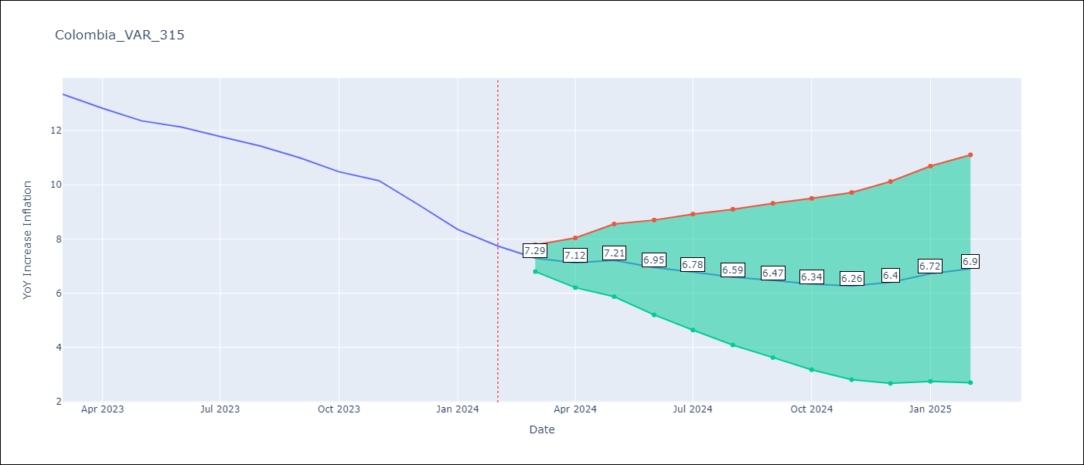

Test Metrics
RMSE | 0.43
Naive RMSE | 0.53
MAPE | 3.7%

Test Predictions
Date | Predicted | Actual
2023-03-01 | 13.42 | 13.34
2023-04-01 | 13.17 | 12.82
2023-05-01 | 12.99 | 12.36
2023-06-01 | 12.63 | 12.13
2023-07-01 | 12.24 | 11.78
2023-08-01 | 11.7 | 11.43
2023-09-01 | 11.27 | 10.99
2023-10-01 | 10.71 | 10.48
2023-11-01 | 10.2 | 10.15
2023-12-01 | 9.62 | 9.28
2024-01-01 | 8.98 | 8.35
2024-02-01 | 8.46 | 7.74

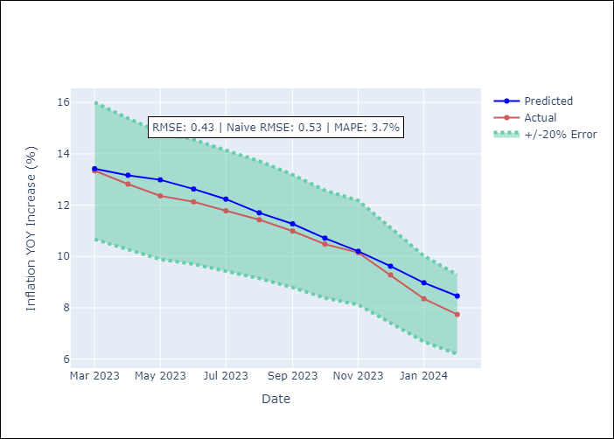

Appendix A: Model Summary
Model | ARIMA(2, 0, 1)x(2, 0, [], 12)
Sample | 01-01-1999- 02-01-2024
No. of Observations | 302
Terms | P-value (Statistical significance)
const | 0.000
ar.L1 | 0.000
ar.L2 | 0.000
ma.L1 | 0.037
ar.S.L12 | 0.000
ar.S.L24 | 0.000
sigma2 | 0.000
Assumptions | P-value

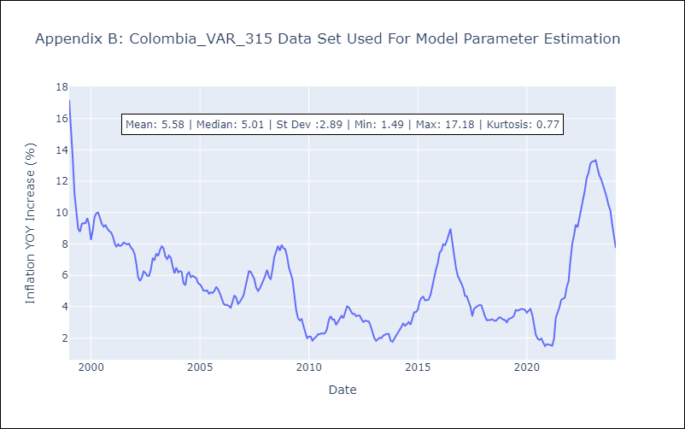

Appendix C: Residuals Analysis
Mean | 0.01

Normal? | No

