ury
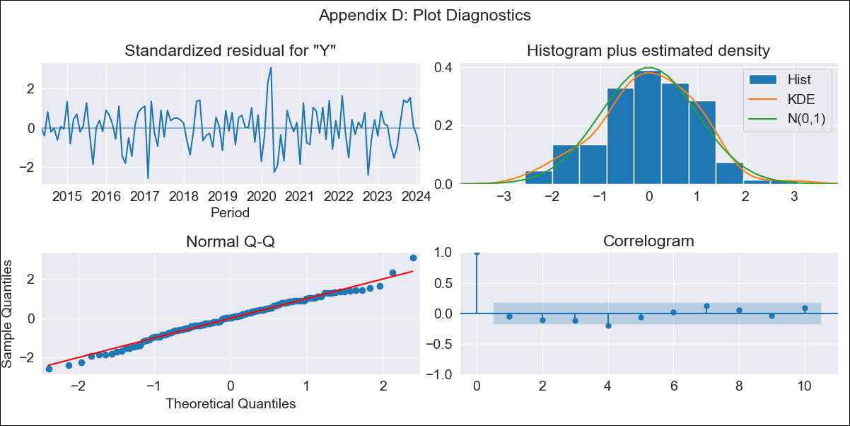
ury - Inflation - Next 12 months forecast as of: 2024-02-01

Model | ARIMA - [(3, 2, 0), (2, 0, 0, 12)]
Training Data | 2011-12-01 to 2023-03-01
Test Data | 2023-03-01 to 2024-02-01

Date | Inflation Change YoY % | Lower Bound - 95% Confidence Interval | Upper Bound - 95% Confidence Interval
2024-03-01 | 4.5 | 3.71 | 5.29
2024-04-01 | 4.26 | 2.73 | 5.78
2024-05-01 | 4.36 | 2.15 | 6.57
2024-06-01 | 4.72 | 1.79 | 7.64
2024-07-01 | 5.05 | 1.29 | 8.8
2024-08-01 | 5.23 | 0.54 | 9.91
2024-09-01 | 5.07 | -0.6 | 10.73
2024-10-01 | 4.87 | -1.82 | 11.57
2024-11-01 | 4.49 | -3.29 | 12.28
2024-12-01 | 4.27 | -4.66 | 13.2
2025-01-01 | 4.16 | -5.97 | 14.29
2025-02-01 | 4.28 | -7.1 | 15.66

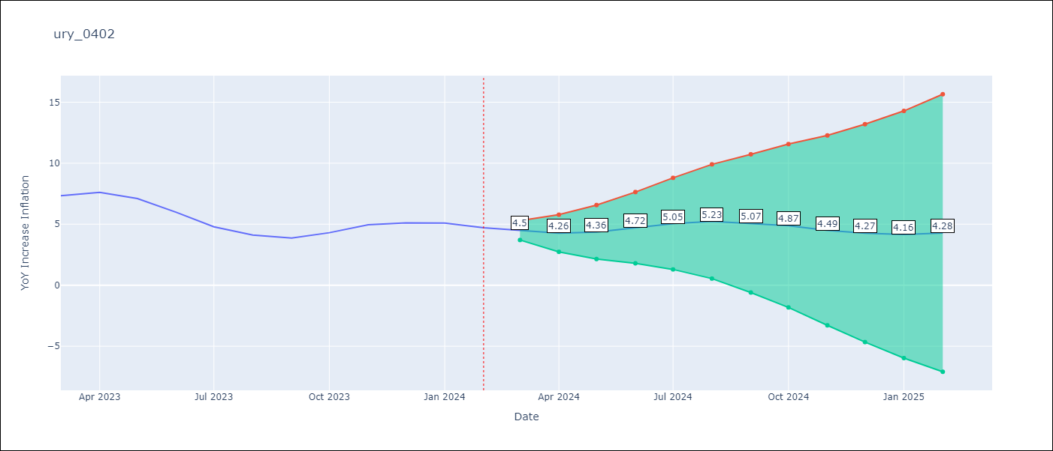

Test Metrics
RMSE | 1.16
Naive RMSE | 0.6
MAPE | 21.04%

Test Predictions
Date | Predicted | Actual
2023-03-01 | 7.19 | 7.33
2023-04-01 | 7.26 | 7.61
2023-05-01 | 7.06 | 7.1
2023-06-01 | 6.77 | 5.98
2023-07-01 | 6.43 | 4.79
2023-08-01 | 6.16 | 4.11
2023-09-01 | 5.78 | 3.87
2023-10-01 | 5.89 | 4.3
2023-11-01 | 5.95 | 4.96
2023-12-01 | 5.79 | 5.11
2024-01-01 | 5.65 | 5.09
2024-02-01 | 5.53 | 4.71

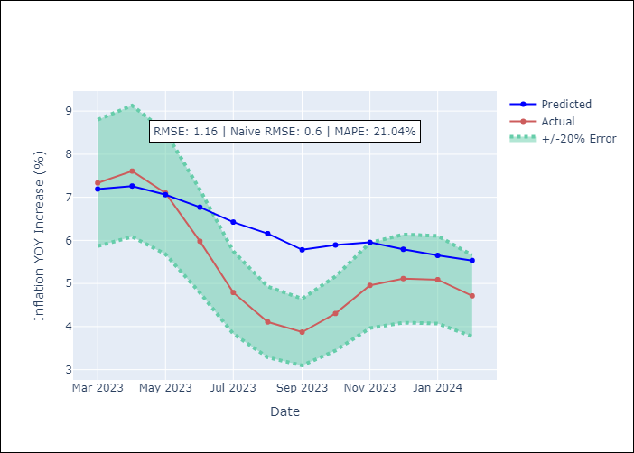

Appendix A: Model Summary
Model | ARIMA(3, 2, 0)x(2, 0, 0, 12)
Sample | 12-01-2011- 02-01-2024
No. of Observations | 147
Terms | P-value (Statistical significance)
ar.L1 | 0.000
ar.L2 | 0.000
ar.L3 | 0.005
ar.S.L12 | 0.000
ar.S.L24 | 0.004
sigma2 | 0.000
Assumptions | P-value

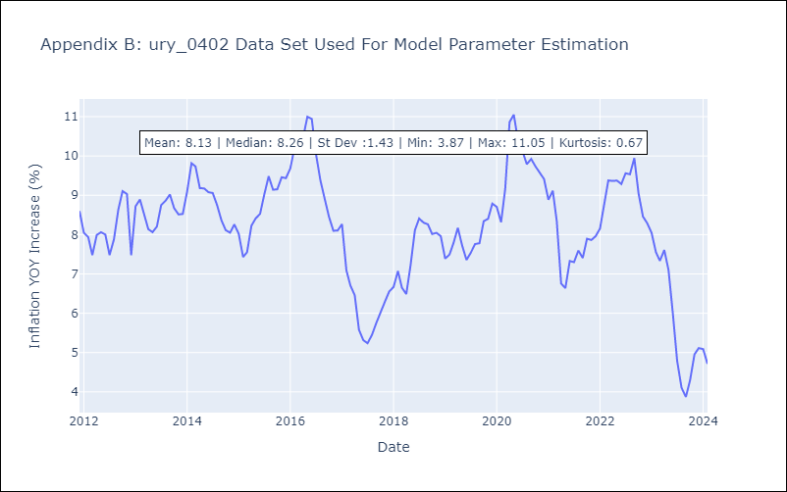

Appendix C: Residuals Analysis
Mean | 0.0

Normal? | No

