CHL
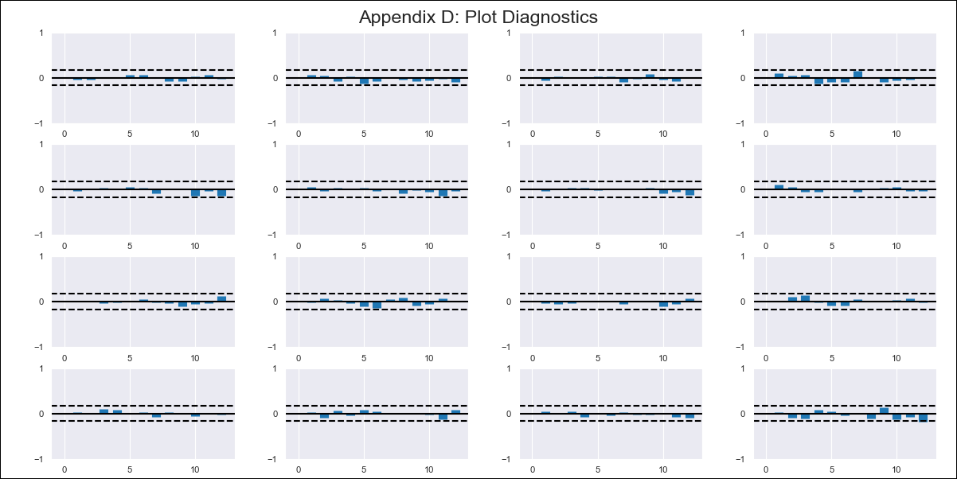
CHL - Inflation - Next 12 months forecast as of: 2024-02-01

Model | VAR - 12 | Exogenous Variables | CPI_United States, Expectativas de inflación en 11 meses, Wage Index_yoy %
Training Data | 2010-12-01 to 2023-03-01
Test Data | 2023-03-01 to 2024-02-01

Date | Inflation Change YoY % | Lower Bound - 95% Confidence Interval | Upper Bound - 95% Confidence Interval
2024-03-01 | 2.43 | 1.88 | 2.98
2024-04-01 | 1.66 | 0.46 | 2.87
2024-05-01 | 0.78 | -1.15 | 2.71
2024-06-01 | -0.11 | -2.81 | 2.59
2024-07-01 | -0.75 | -4.25 | 2.74
2024-08-01 | -2.15 | -6.46 | 2.16
2024-09-01 | -2.51 | -7.66 | 2.64
2024-10-01 | -2.23 | -8.23 | 3.78
2024-11-01 | -2.82 | -9.7 | 4.05
2024-12-01 | -2.68 | -10.42 | 5.06
2025-01-01 | -2.65 | -11.29 | 5.99
2025-02-01 | -2.9 | -12.45 | 6.66

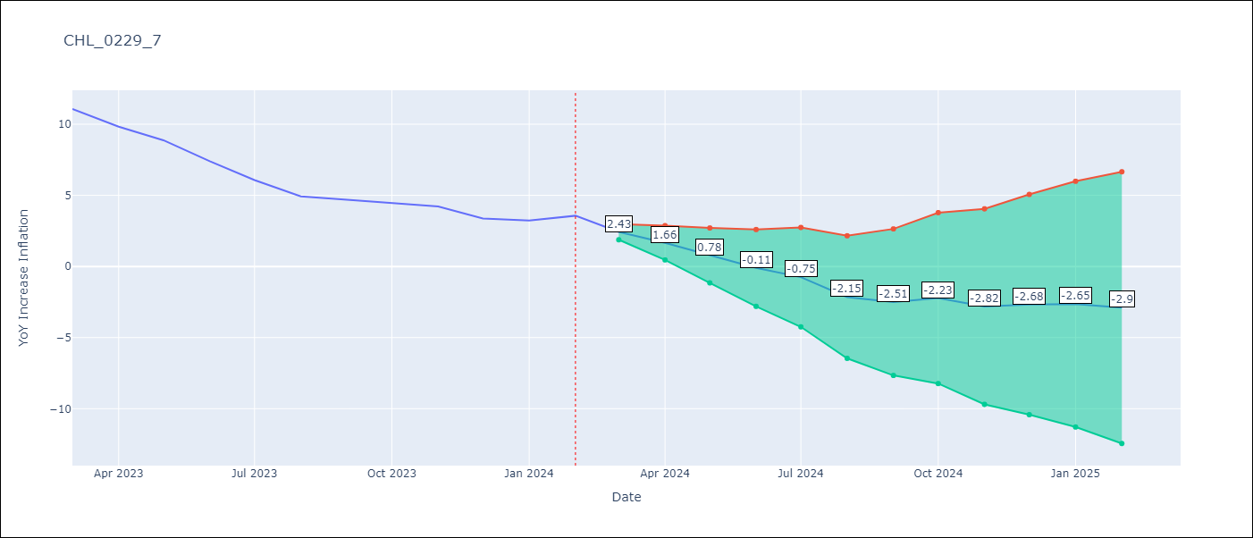

Test Metrics
RMSE | 1.8
Naive RMSE | 0.92
MAPE | 37.41%

Test Predictions
Date | Predicted | Actual
2023-03-01 | 11.17 | 11.07
2023-04-01 | 10.41 | 9.82
2023-05-01 | 9.52 | 8.87
2023-06-01 | 8.64 | 7.4
2023-07-01 | 7.99 | 6.07
2023-08-01 | 6.59 | 4.93
2023-09-01 | 6.24 | 4.69
2023-10-01 | 6.52 | 4.45
2023-11-01 | 5.92 | 4.22
2023-12-01 | 6.07 | 3.37
2024-01-01 | 6.1 | 3.23
2024-02-01 | 5.85 | 3.57

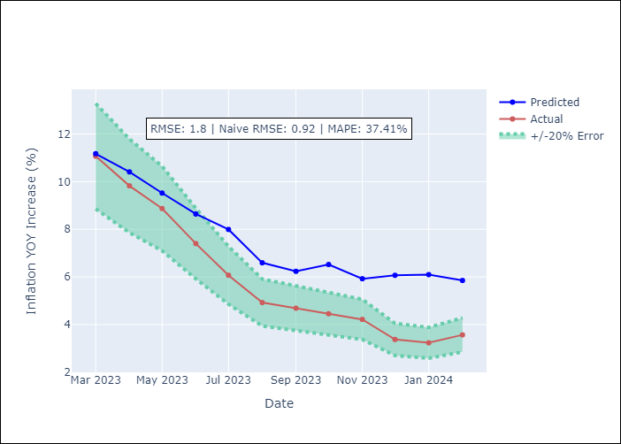

Appendix A: Model Summary
Model | VAR - 12
Sample | 2010-12-01 to 2024-02-01
No. of Observations | 159
Terms | P-value (Statistical significance)
L1.YoY Increase Inflation | 0.028884916878
L1.CPI_United States | 3.9114182946E-05
L1.Expectativas de inflación en 11 meses | 0.20320581068
L1.Wage Index_yoy % | 0.00020391508771
L2.YoY Increase Inflation | 0.11290198455
L2.CPI_United States | 0.43785562175
L2.Expectativas de inflación en 11 meses | 0.005101801411
L2.Wage Index_yoy % | 0.71071316423
L3.YoY Increase Inflation | 0.1422130676
L3.CPI_United States | 0.17021491992
L3.Expectativas de inflación en 11 meses | 0.41681500954
L3.Wage Index_yoy % | 0.013622842048
L4.YoY Increase Inflation | 0.53054446395
L4.CPI_United States | 0.098627655022
L4.Expectativas de inflación en 11 meses | 0.046836583038
L4.Wage Index_yoy % | 0.76952490807
L5.YoY Increase Inflation | 0.97035856576
L5.CPI_United States | 0.66730314292
L5.Expectativas de inflación en 11 meses | 0.43852421089
L5.Wage Index_yoy % | 0.043046524332
L6.YoY Increase Inflation | 0.44121422463
L6.CPI_United States | 0.86432259557
L6.Expectativas de inflación en 11 meses | 0.048728357007
L6.Wage Index_yoy % | 0.39177372133
L7.YoY Increase Inflation | 0.14952680643
L7.CPI_United States | 0.27208925915
L7.Expectativas de inflación en 11 meses | 0.58365981202
L7.Wage Index_yoy % | 0.98854131806
L8.YoY Increase Inflation | 0.00064039268995
L8.CPI_United States | 0.91422225653
L8.Expectativas de inflación en 11 meses | 0.14358569498
L8.Wage Index_yoy % | 0.64713162217
L9.YoY Increase Inflation | 0.2912808829
L9.CPI_United States | 0.37353628137
L9.Expectativas de inflación en 11 meses | 0.021671894875
L9.Wage Index_yoy % | 0.90884048046
L10.YoY Increase Inflation | 0.54646137447
L10.CPI_United States | 0.036172089921
L10.Expectativas de inflación en 11 meses | 0.91356938136
L10.Wage Index_yoy % | 0.51374307601
L11.YoY Increase Inflation | 0.46409052853
L11.CPI_United States | 0.091786150829
L11.Expectativas de inflación en 11 meses | 0.19880264343
L11.Wage Index_yoy % | 0.25478860114
L12.YoY Increase Inflation | 0.0026094134606
L12.CPI_United States | 0.94774237174
L12.Expectativas de inflación en 11 meses | 0.02738729439
L12.Wage Index_yoy % | 0.11710421642
Assumptions | P-value

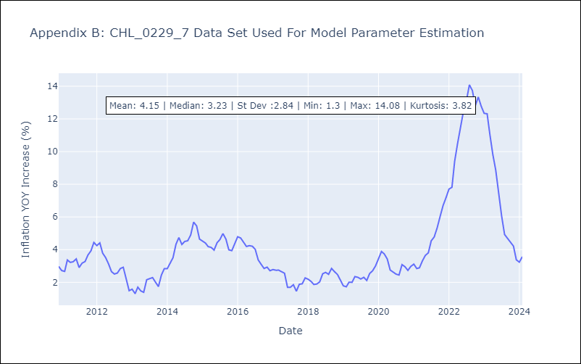

Appendix C: Residuals Analysis
Mean | 0.0
Errors AutoCorrelated? | 2.0723768042458577 | No Autocorrelation
Normal? | No

