BRA
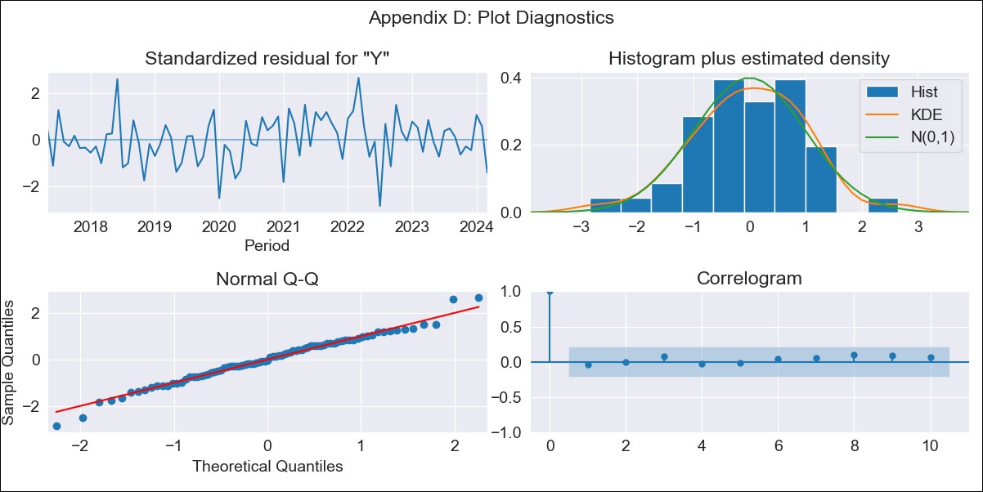
BRA - Inflation - Next 12 months forecast as of: 2024-03-01

Model | ARIMA - [(2, 0, 0), (3, 0, 0, 12)]
Training Data | 2014-03-01 to 2023-04-01
Test Data | 2023-04-01 to 2024-03-01

Date | Inflation Change YoY % | Lower Bound - 95% Confidence Interval | Upper Bound - 95% Confidence Interval
2024-04-01 | 3.18 | 2.4 | 3.95
2024-05-01 | 2.79 | 1.33 | 4.25
2024-06-01 | 3.01 | 0.91 | 5.1
2024-07-01 | 3.03 | 0.36 | 5.69
2024-08-01 | 2.93 | -0.23 | 6.08
2024-09-01 | 3.07 | -0.51 | 6.65
2024-10-01 | 3.53 | -0.42 | 7.47
2024-11-01 | 3.89 | -0.37 | 8.15
2024-12-01 | 4.25 | -0.28 | 8.78
2025-01-01 | 4.15 | -0.61 | 8.91
2025-02-01 | 4.15 | -0.81 | 9.11
2025-03-01 | 4.79 | -0.34 | 9.93

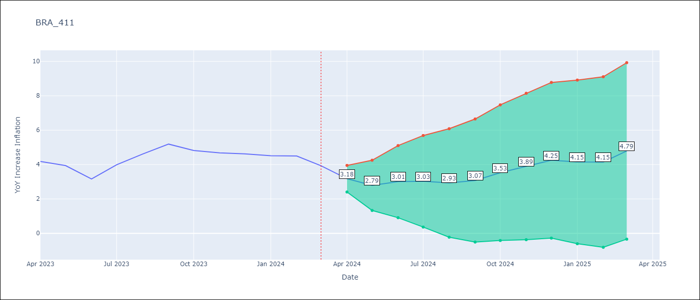

Test Metrics
RMSE | 0.35
Naive RMSE | 0.48
MAPE | 7.01%

Test Predictions
Date | Predicted | Actual
2023-04-01 | 3.83 | 4.18
2023-05-01 | 3.42 | 3.94
2023-06-01 | 2.86 | 3.16
2023-07-01 | 3.7 | 3.99
2023-08-01 | 4.14 | 4.61
2023-09-01 | 4.6 | 5.19
2023-10-01 | 4.43 | 4.82
2023-11-01 | 4.54 | 4.68
2023-12-01 | 4.82 | 4.62
2024-01-01 | 4.49 | 4.51
2024-02-01 | 4.14 | 4.5
2024-03-01 | 3.95 | 3.93

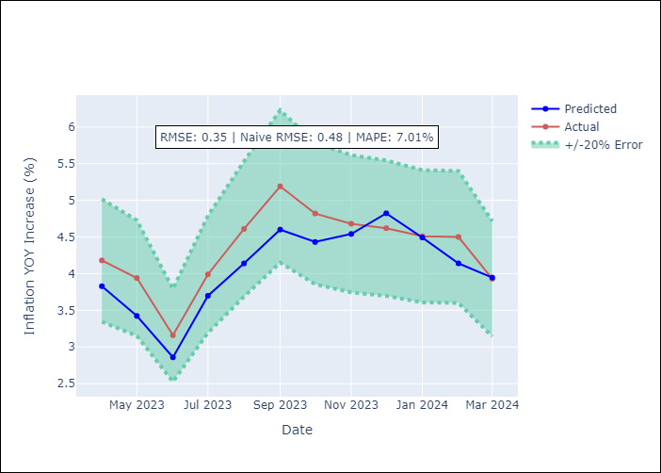

Appendix A: Model Summary
Model | ARIMA(2, 0, 0)x(3, 0, 0, 12)
Sample | 03-01-2014- 03-01-2024
No. of Observations | 121
Terms | P-value (Statistical significance)
const | 0.000
ar.L1 | 0.000
ar.L2 | 0.000
ar.S.L12 | 0.000
ar.S.L24 | 0.000
ar.S.L36 | 0.003
sigma2 | 0.000
Assumptions | P-value

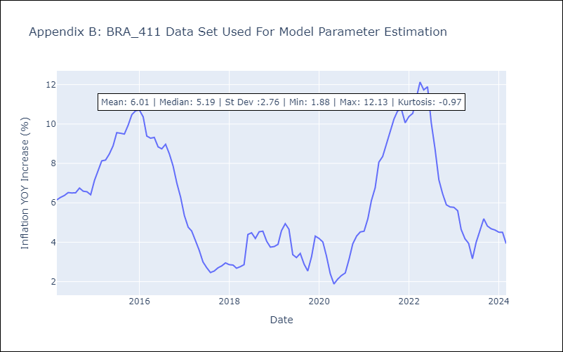

Appendix C: Residuals Analysis
Mean | 0.04

Normal? | Yes

