Peru
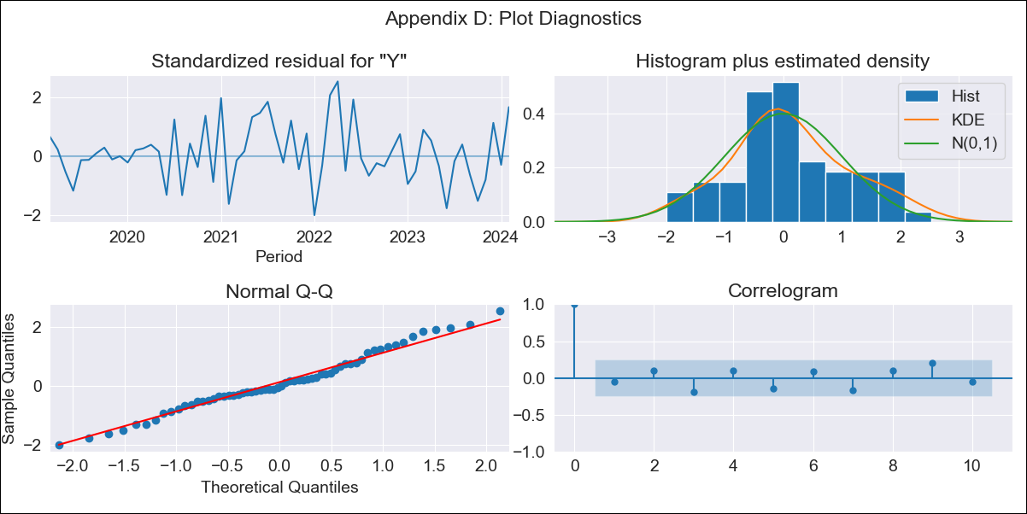
Peru - Inflation - Next 12 months forecast as of: 2024-02-01

Model | ARIMA - [(1, 1, 1), (3, 0, 1, 12)]
Training Data | 2016-01-01 to 2023-03-01
Test Data | 2023-03-01 to 2024-02-01

Date | Inflation Change YoY % | Lower Bound - 95% Confidence Interval | Upper Bound - 95% Confidence Interval
2024-03-01 | 2.85 | 2.24 | 3.46
2024-04-01 | 2.45 | 1.46 | 3.44
2024-05-01 | 2.37 | 0.99 | 3.75
2024-06-01 | 2.54 | 0.78 | 4.31
2024-07-01 | 2.67 | 0.51 | 4.84
2024-08-01 | 2.48 | -0.09 | 5.06
2024-09-01 | 2.65 | -0.33 | 5.64
2024-10-01 | 3.11 | -0.29 | 6.51
2024-11-01 | 3.65 | -0.18 | 7.47
2024-12-01 | 3.47 | -0.78 | 7.72
2025-01-01 | 3.91 | -0.77 | 8.58
2025-02-01 | 3.43 | -1.67 | 8.53

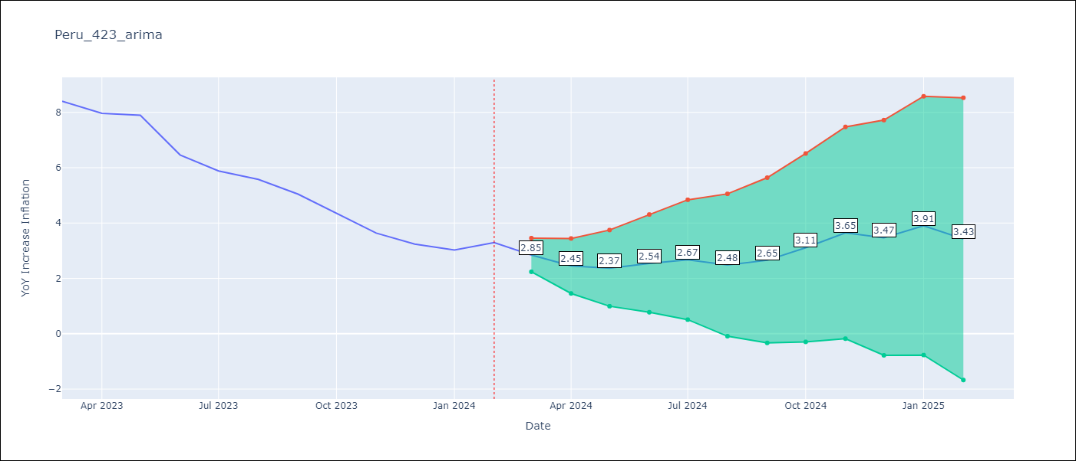

Test Metrics
RMSE | 1.54
Naive RMSE | 0.6
MAPE | 32.32%

Test Predictions
Date | Predicted | Actual
2023-03-01 | 8.19 | 8.4
2023-04-01 | 7.63 | 7.97
2023-05-01 | 7.65 | 7.89
2023-06-01 | 6.75 | 6.46
2023-07-01 | 6.45 | 5.88
2023-08-01 | 6.16 | 5.58
2023-09-01 | 5.97 | 5.04
2023-10-01 | 5.95 | 4.34
2023-11-01 | 5.9 | 3.64
2023-12-01 | 5.54 | 3.24
2024-01-01 | 5.76 | 3.02
2024-02-01 | 5.74 | 3.29

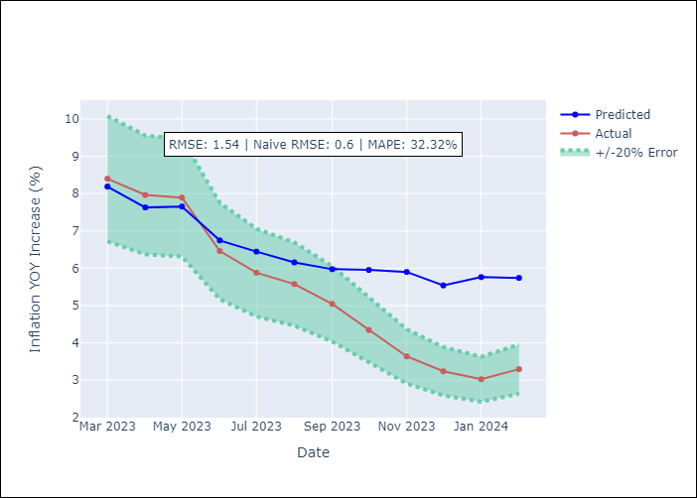

Appendix A: Model Summary
Model | ARIMA(1, 1, 1)x(3, 0, 1, 12)
Sample | 01-01-2016- 02-01-2024
No. of Observations | 98
Terms | P-value (Statistical significance)
ar.L1 | 0.000
ma.L1 | 0.000
ar.S.L12 | 0.040
ar.S.L24 | 0.009
ar.S.L36 | 0.039
ma.S.L12 | 0.180
sigma2 | 0.000
Assumptions | P-value

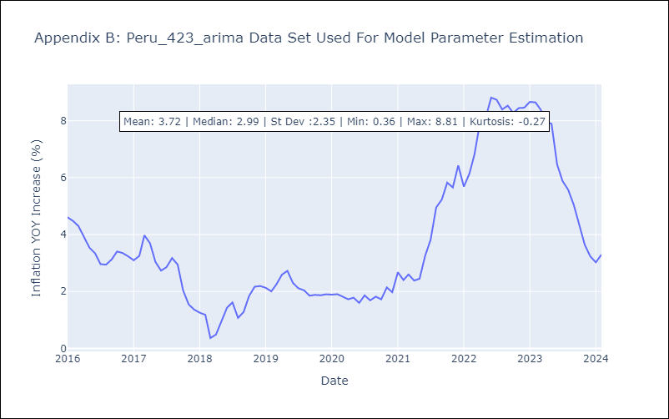

Appendix C: Residuals Analysis
Mean | 0.05

Normal? | No

