Peru
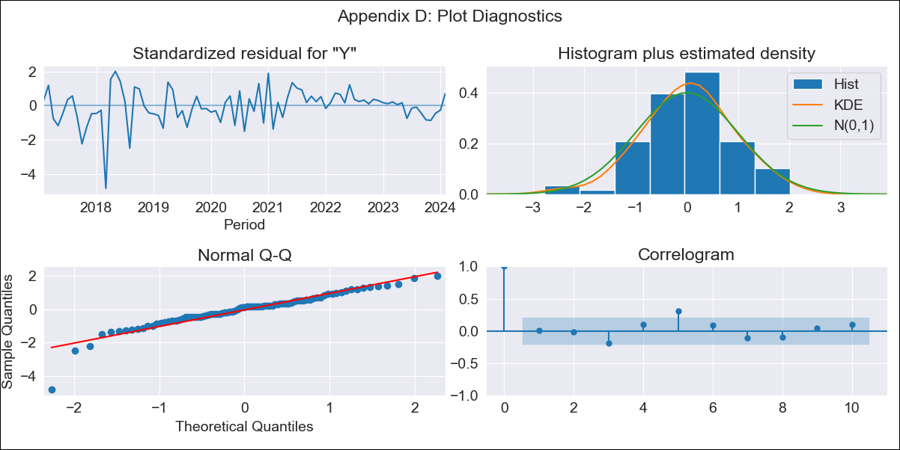
Peru - Inflation - Next 12 months forecast as of: 2024-02-01

Model | ARIMA - [(2, 0, 0), (0, 0, 1, 12)]
Training Data | 2016-01-01 to 2023-03-01
Test Data | 2023-03-01 to 2024-02-01

Date | Inflation Change YoY % | Lower Bound - 95% Confidence Interval | Upper Bound - 95% Confidence Interval
2024-03-01 | 3.33 | 2.5 | 4.4
2024-04-01 | 3.34 | 2.13 | 5.16
2024-05-01 | 3.32 | 1.87 | 5.77
2024-06-01 | 3.49 | 1.79 | 6.67
2024-07-01 | 3.57 | 1.69 | 7.4
2024-08-01 | 3.62 | 1.59 | 8.04
2024-09-01 | 3.75 | 1.55 | 8.85
2024-10-01 | 3.98 | 1.56 | 9.98
2024-11-01 | 4.26 | 1.6 | 11.28
2024-12-01 | 4.44 | 1.6 | 12.36
2025-01-01 | 4.55 | 1.57 | 13.25
2025-02-01 | 4.38 | 1.44 | 13.2

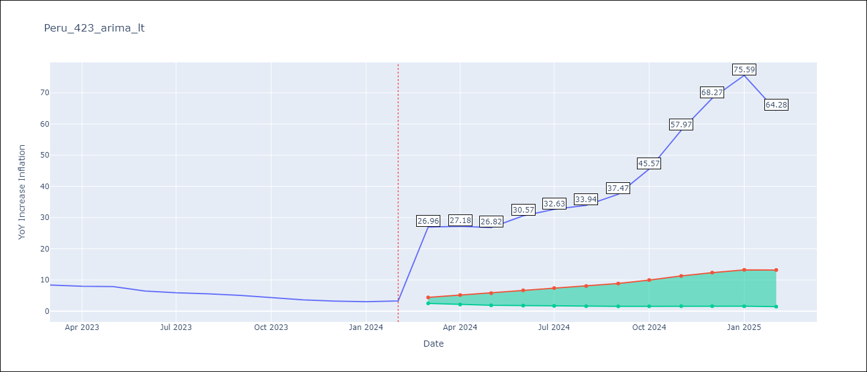

Test Metrics
RMSE | 3.24
Naive RMSE | 7.44
MAPE | 69.39%

Test Predictions
Date | Predicted | Actual
2023-03-01 | 8.41 | 8.4
2023-04-01 | 8.19 | 7.97
2023-05-01 | 8.23 | 7.89
2023-06-01 | 7.83 | 6.46
2023-07-01 | 7.76 | 5.88
2023-08-01 | 7.8 | 5.58
2023-09-01 | 7.84 | 5.04
2023-10-01 | 7.98 | 4.34
2023-11-01 | 8.02 | 3.64
2023-12-01 | 8.07 | 3.24
2024-01-01 | 8.19 | 3.02
2024-02-01 | 8.34 | 3.29

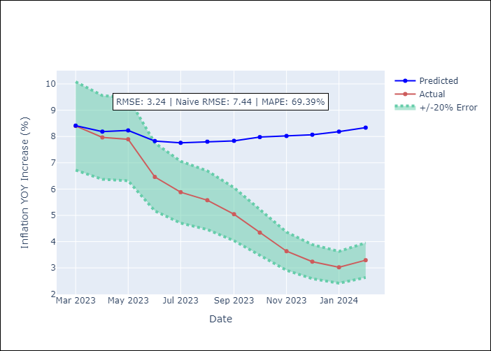

Appendix A: Model Summary
Model | ARIMA(2, 0, 0)x(0, 0, [1], 12)
Sample | 01-01-2016- 02-01-2024
No. of Observations | 98
Terms | P-value (Statistical significance)
const | 0.794
ar.L1 | 0.000
ar.L2 | 0.023
ma.S.L12 | 0.000
sigma2 | 0.000
Assumptions | P-value

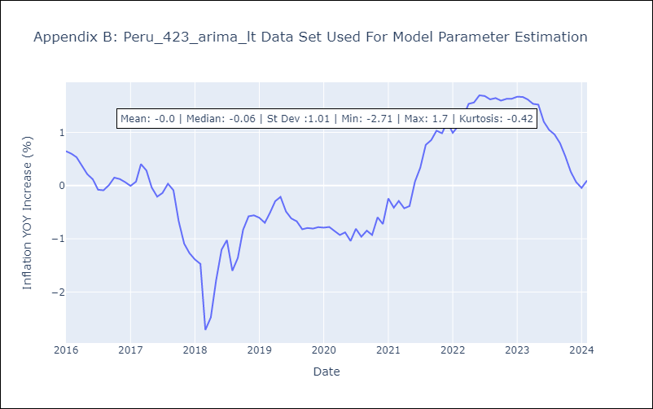

Appendix C: Residuals Analysis
Mean | -0.01

Normal? | No

