PRY
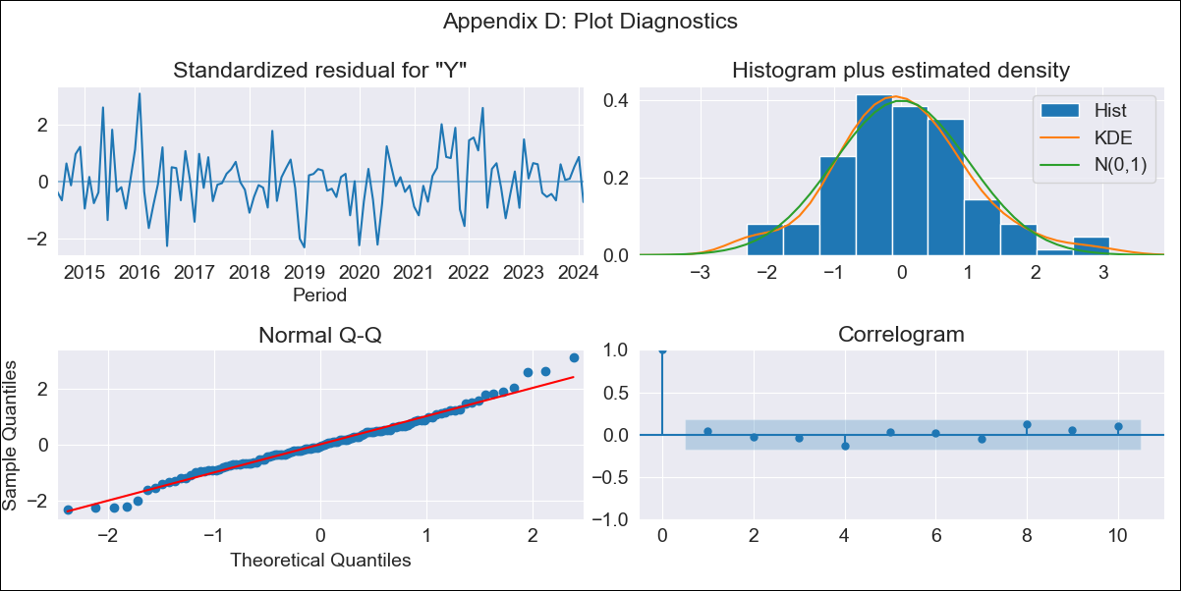
PRY - Inflation - Next 12 months forecast as of: 2024-02-01

Model | ARIMA - [(2, 0, 1), (3, 0, 1, 12)]
Training Data | 2011-05-01 to 2023-03-01
Test Data | 2023-03-01 to 2024-02-01

Date | Inflation Change YoY % | Lower Bound - 95% Confidence Interval | Upper Bound - 95% Confidence Interval
2024-03-01 | 2.57 | 1.57 | 3.57
2024-04-01 | 2.25 | 0.79 | 3.72
2024-05-01 | 2.22 | 0.37 | 4.07
2024-06-01 | 2.38 | 0.19 | 4.57
2024-07-01 | 2.63 | 0.13 | 5.13
2024-08-01 | 2.96 | 0.17 | 5.74
2024-09-01 | 2.7 | -0.35 | 5.74
2024-10-01 | 2.7 | -0.58 | 5.99
2024-11-01 | 2.71 | -0.79 | 6.2
2024-12-01 | 2.48 | -1.22 | 6.17
2025-01-01 | 2.21 | -1.67 | 6.08
2025-02-01 | 2.53 | -1.51 | 6.56

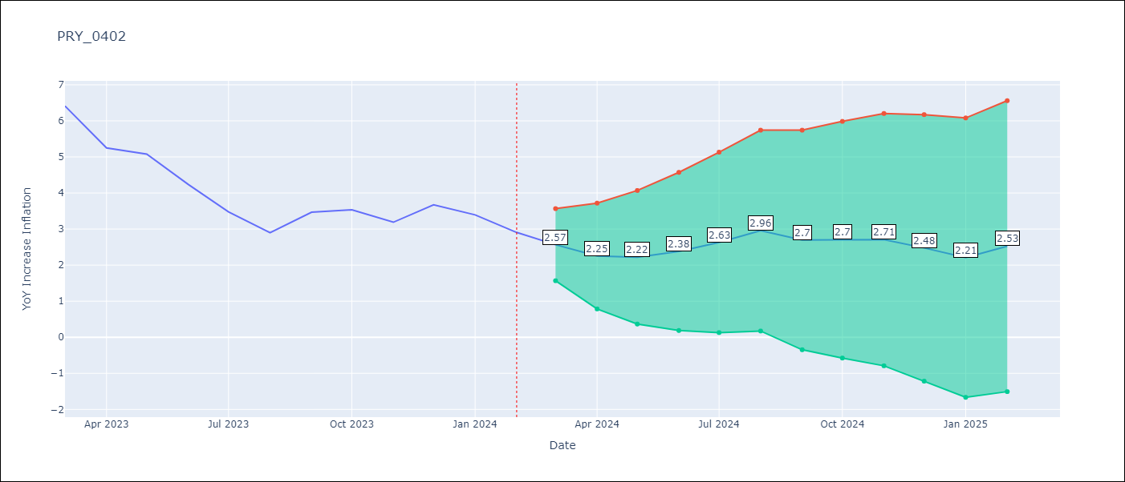

Test Metrics
RMSE | 0.93
Naive RMSE | 0.59
MAPE | 22.19%

Test Predictions
Date | Predicted | Actual
2023-03-01 | 6.02 | 6.41
2023-04-01 | 4.41 | 5.25
2023-05-01 | 4.32 | 5.08
2023-06-01 | 3.64 | 4.24
2023-07-01 | 3.04 | 3.48
2023-08-01 | 2.73 | 2.9
2023-09-01 | 2.95 | 3.47
2023-10-01 | 2.93 | 3.53
2023-11-01 | 2.4 | 3.19
2023-12-01 | 2.48 | 3.67
2024-01-01 | 1.61 | 3.39
2024-02-01 | 1.33 | 2.91

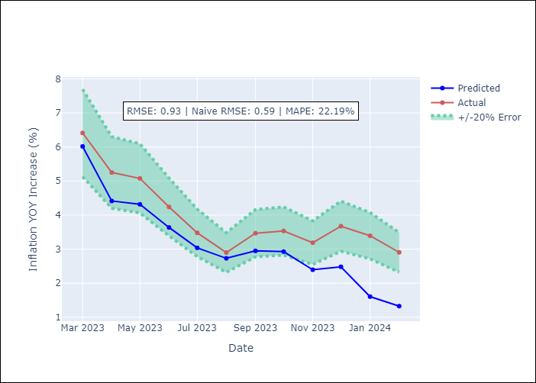

Appendix A: Model Summary
Model | ARIMA(2, 0, 1)x(3, 0, 1, 12)
Sample | 05-01-2011- 02-01-2024
No. of Observations | 154
Terms | P-value (Statistical significance)
const | 0.000
ar.L1 | 0.000
ar.L2 | 0.000
ma.L1 | 0.000
ar.S.L12 | 0.085
ar.S.L24 | 0.302
ar.S.L36 | 0.343
ma.S.L12 | 0.002
sigma2 | 0.000
Assumptions | P-value

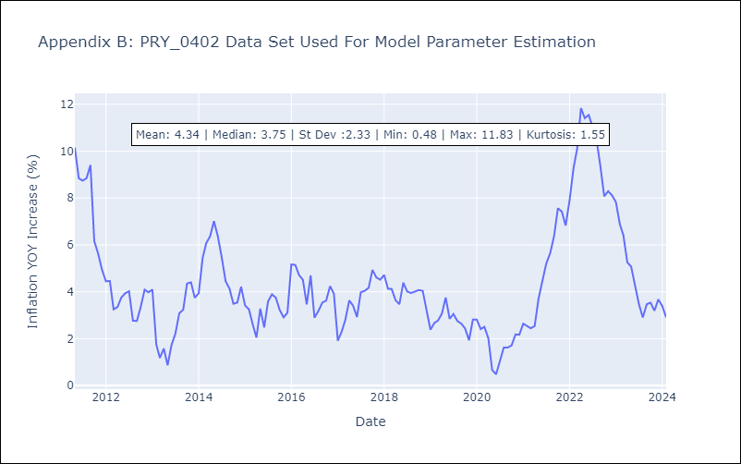

Appendix C: Residuals Analysis
Mean | 0.0

Normal? | No

