BRA
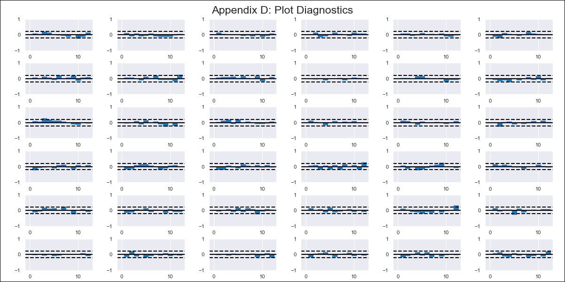
BRA - Inflation - Next 12 months forecast as of: 2024-02-01

Model | VAR - 12 | Exogenous Variables | Commodity Index - Brazil - Index, Commodities Index - Brazil (in US Dollars) - Index, Minimum wage - c.m.u., International reserves - Total - monthly - US$ (million), Households gross disposable national income (deflated by IPCA, seasonally adjusted, 3-months moving average) - R$ (million)
Training Data | 2014-03-01 to 2023-03-01
Test Data | 2023-03-01 to 2024-02-01

Date | Inflation Change YoY % | Lower Bound - 95% Confidence Interval | Upper Bound - 95% Confidence Interval
2024-03-01 | 4.51 | 3.83 | 5.19
2024-04-01 | 2.7 | 1.16 | 4.21
2024-05-01 | 2.72 | 2.11 | 6.93
2024-06-01 | 1.95 | 0.31 | 7.16
2024-07-01 | 2.05 | 0.1 | 9.09
2024-08-01 | 3.18 | -0.01 | 11.28
2024-09-01 | 4.9 | -0.66 | 13.08
2024-10-01 | 5.08 | -3.45 | 12.82
2024-11-01 | 4.91 | -5.1 | 13.76
2024-12-01 | 4.98 | -6.17 | 15.32
2025-01-01 | 5.31 | -7.27 | 16.93
2025-02-01 | 4.16 | -10.13 | 16.82

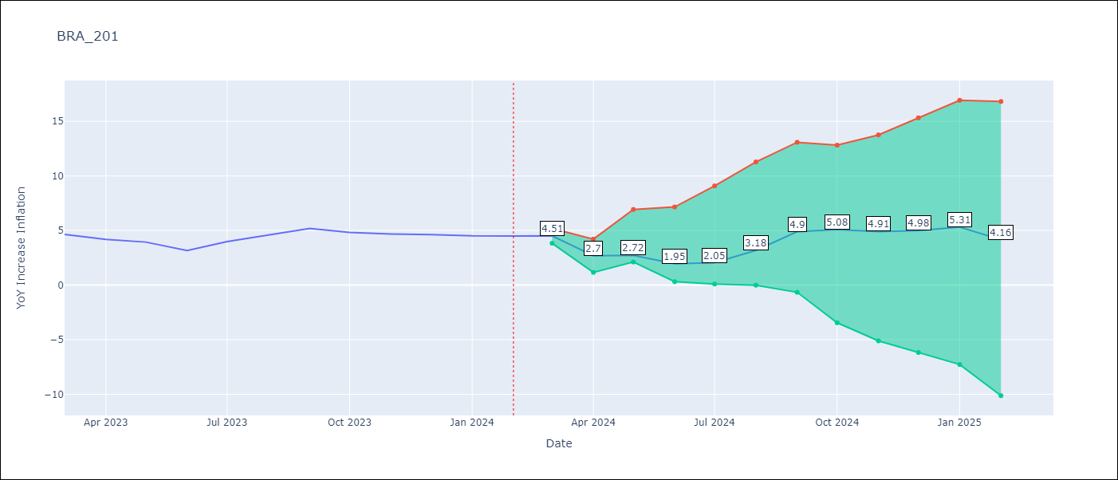

Test Metrics
RMSE | 0.81
Naive RMSE | 0.53
MAPE | 15.35%

Test Predictions
Date | Predicted | Actual
2023-03-01 | 5.45 | 4.65
2023-04-01 | 3.48 | 4.18
2023-05-01 | 3.34 | 3.94
2023-06-01 | 2.41 | 3.16
2023-07-01 | 2.35 | 3.99
2023-08-01 | 3.32 | 4.61
2023-09-01 | 4.88 | 5.19
2023-10-01 | 4.9 | 4.82
2023-11-01 | 4.57 | 4.68
2023-12-01 | 4.48 | 4.62
2024-01-01 | 4.65 | 4.51
2024-02-01 | 3.34 | 4.5

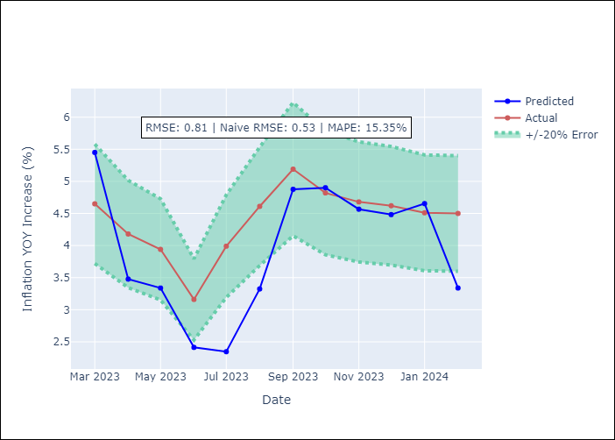

Appendix A: Model Summary
Model | VAR - 12
Sample | 2014-03-01 to 2024-02-01
No. of Observations | 120
Terms | P-value (Statistical significance)
L1.YoY Increase Inflation | 9.9666492119E-06
L1.Commodity Index - Brazil - Index | 0.58276127134
L1.Commodities Index - Brazil (in US Dollars) - Index | 0.13681830522
L1.Minimum wage - c.m.u. | 0.51547193995
L1.International reserves - Total - monthly - US$ (million) | 0.60599507518
L1.Households gross disposable national income (deflated by IPCA, seasonally adjusted, 3-months moving average) - R$ (million) | 0.11711332253
L2.YoY Increase Inflation | 0.0085137299923
L2.Commodity Index - Brazil - Index | 0.82962277216
L2.Commodities Index - Brazil (in US Dollars) - Index | 0.15722128419
L2.Minimum wage - c.m.u. | 0.81097620018
L2.International reserves - Total - monthly - US$ (million) | 0.097283308187
L2.Households gross disposable national income (deflated by IPCA, seasonally adjusted, 3-months moving average) - R$ (million) | 0.013850882866
L3.YoY Increase Inflation | 0.022784171487
L3.Commodity Index - Brazil - Index | 0.32674006162
L3.Commodities Index - Brazil (in US Dollars) - Index | 0.90563456673
L3.Minimum wage - c.m.u. | 0.61021610493
L3.International reserves - Total - monthly - US$ (million) | 0.13276973187
L3.Households gross disposable national income (deflated by IPCA, seasonally adjusted, 3-months moving average) - R$ (million) | 0.25639168681
L4.YoY Increase Inflation | 0.26985181087
L4.Commodity Index - Brazil - Index | 0.21293021509
L4.Commodities Index - Brazil (in US Dollars) - Index | 0.00090995471051
L4.Minimum wage - c.m.u. | 0.80309436286
L4.International reserves - Total - monthly - US$ (million) | 0.39426379189
L4.Households gross disposable national income (deflated by IPCA, seasonally adjusted, 3-months moving average) - R$ (million) | 0.0009390570137
L5.YoY Increase Inflation | 0.047228482083
L5.Commodity Index - Brazil - Index | 0.023586970476
L5.Commodities Index - Brazil (in US Dollars) - Index | 0.023517285599
L5.Minimum wage - c.m.u. | 0.9363459318
L5.International reserves - Total - monthly - US$ (million) | 0.9648665772
L5.Households gross disposable national income (deflated by IPCA, seasonally adjusted, 3-months moving average) - R$ (million) | 0.0009638269855
L6.YoY Increase Inflation | 0.0141328093
L6.Commodity Index - Brazil - Index | 0.15922690748
L6.Commodities Index - Brazil (in US Dollars) - Index | 0.20634779354
L6.Minimum wage - c.m.u. | 0.36512152239
L6.International reserves - Total - monthly - US$ (million) | 0.91987333016
L6.Households gross disposable national income (deflated by IPCA, seasonally adjusted, 3-months moving average) - R$ (million) | 0.081040934608
L7.YoY Increase Inflation | 0.0093139976709
L7.Commodity Index - Brazil - Index | 0.023959182729
L7.Commodities Index - Brazil (in US Dollars) - Index | 0.046672880174
L7.Minimum wage - c.m.u. | 0.1946700778
L7.International reserves - Total - monthly - US$ (million) | 0.79805963096
L7.Households gross disposable national income (deflated by IPCA, seasonally adjusted, 3-months moving average) - R$ (million) | 0.27725242263
L8.YoY Increase Inflation | 0.089966953509
L8.Commodity Index - Brazil - Index | 0.0076619131892
L8.Commodities Index - Brazil (in US Dollars) - Index | 0.22610183297
L8.Minimum wage - c.m.u. | 0.45873252909
L8.International reserves - Total - monthly - US$ (million) | 0.071180288826
L8.Households gross disposable national income (deflated by IPCA, seasonally adjusted, 3-months moving average) - R$ (million) | 0.039108378232
L9.YoY Increase Inflation | 0.9559528806
L9.Commodity Index - Brazil - Index | 0.0015514789184
L9.Commodities Index - Brazil (in US Dollars) - Index | 0.76682430437
L9.Minimum wage - c.m.u. | 0.4117869256
L9.International reserves - Total - monthly - US$ (million) | 0.1751442227
L9.Households gross disposable national income (deflated by IPCA, seasonally adjusted, 3-months moving average) - R$ (million) | 0.029698077335
L10.YoY Increase Inflation | 0.12488203789
L10.Commodity Index - Brazil - Index | 0.021261420105
L10.Commodities Index - Brazil (in US Dollars) - Index | 0.80778074618
L10.Minimum wage - c.m.u. | 0.44700191082
L10.International reserves - Total - monthly - US$ (million) | 0.026134711679
L10.Households gross disposable national income (deflated by IPCA, seasonally adjusted, 3-months moving average) - R$ (million) | 0.012314890691
L11.YoY Increase Inflation | 0.0205252446
L11.Commodity Index - Brazil - Index | 0.017316785685
L11.Commodities Index - Brazil (in US Dollars) - Index | 0.75452087662
L11.Minimum wage - c.m.u. | 0.79742350077
L11.International reserves - Total - monthly - US$ (million) | 0.15389819169
L11.Households gross disposable national income (deflated by IPCA, seasonally adjusted, 3-months moving average) - R$ (million) | 0.0074528551921
L12.YoY Increase Inflation | 0.32310581323
L12.Commodity Index - Brazil - Index | 0.047590032006
L12.Commodities Index - Brazil (in US Dollars) - Index | 0.7157131239
L12.Minimum wage - c.m.u. | 0.9831861283
L12.International reserves - Total - monthly - US$ (million) | 0.98634760453
L12.Households gross disposable national income (deflated by IPCA, seasonally adjusted, 3-months moving average) - R$ (million) | 0.20582783429
Assumptions | P-value

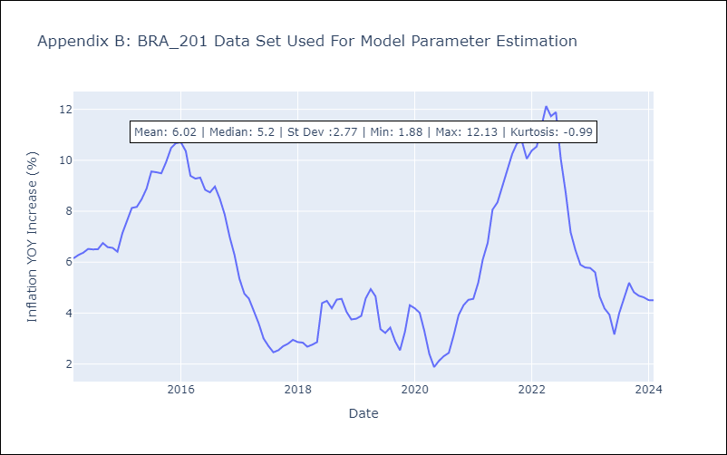

Appendix C: Residuals Analysis
Mean | -0.0
Errors AutoCorrelated? | 1.7204795209525314 | No Autocorrelation
Normal? | No

