BRA
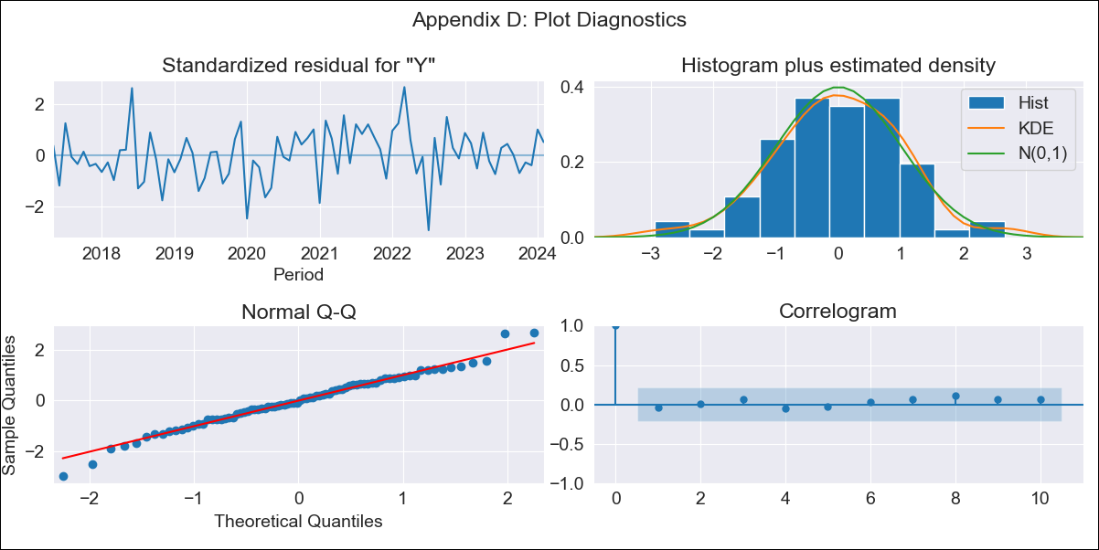
BRA - Inflation - Next 12 months forecast as of: 2024-02-01

Model | ARIMA - [(2, 0, 0), (3, 0, 0, 12)]
Training Data | 2014-03-01 to 2023-03-01
Test Data | 2023-03-01 to 2024-02-01

Date | Inflation Change YoY % | Lower Bound - 95% Confidence Interval | Upper Bound - 95% Confidence Interval
2024-03-01 | 4.55 | 3.78 | 5.32
2024-04-01 | 4.2 | 2.75 | 5.66
2024-05-01 | 4.06 | 1.96 | 6.16
2024-06-01 | 4.42 | 1.75 | 7.09
2024-07-01 | 4.45 | 1.28 | 7.62
2024-08-01 | 4.35 | 0.74 | 7.95
2024-09-01 | 4.45 | 0.47 | 8.43
2024-10-01 | 4.88 | 0.58 | 9.19
2024-11-01 | 5.2 | 0.62 | 9.79
2024-12-01 | 5.51 | 0.68 | 10.33
2025-01-01 | 5.39 | 0.36 | 10.43
2025-02-01 | 5.35 | 0.13 | 10.57

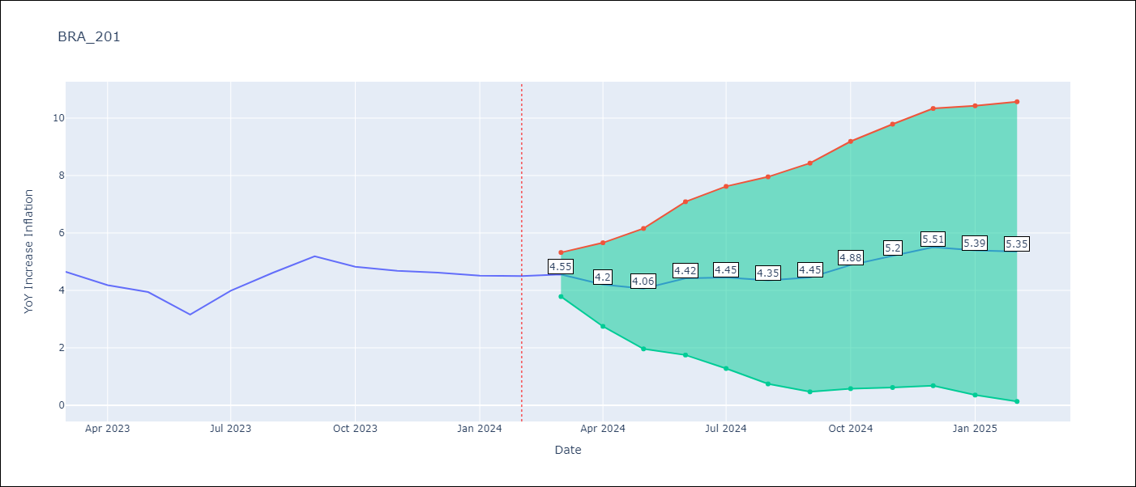

Test Metrics
RMSE | 0.27
Naive RMSE | 0.53
MAPE | 4.57%

Test Predictions
Date | Predicted | Actual
2023-03-01 | 4.86 | 4.65
2023-04-01 | 4.18 | 4.18
2023-05-01 | 3.86 | 3.94
2023-06-01 | 3.34 | 3.16
2023-07-01 | 4.19 | 3.99
2023-08-01 | 4.64 | 4.61
2023-09-01 | 5.09 | 5.19
2023-10-01 | 4.91 | 4.82
2023-11-01 | 5.01 | 4.68
2023-12-01 | 5.28 | 4.62
2024-01-01 | 4.94 | 4.51
2024-02-01 | 4.58 | 4.5

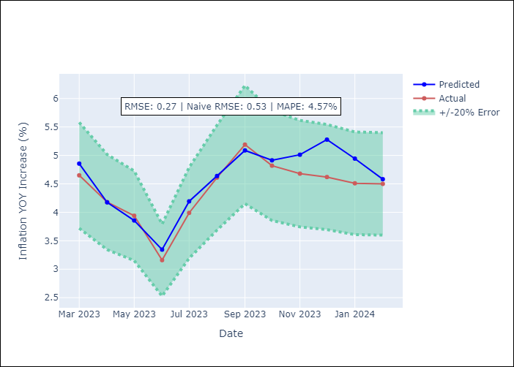

Appendix A: Model Summary
Model | ARIMA(2, 0, 0)x(3, 0, 0, 12)
Sample | 03-01-2014- 02-01-2024
No. of Observations | 120
Terms | P-value (Statistical significance)
const | 0.000
ar.L1 | 0.000
ar.L2 | 0.000
ar.S.L12 | 0.000
ar.S.L24 | 0.000
ar.S.L36 | 0.006
sigma2 | 0.000
Assumptions | P-value

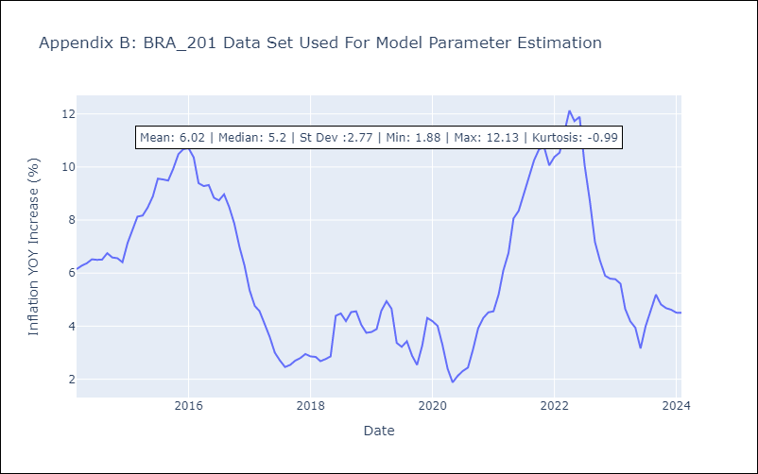

Appendix C: Residuals Analysis
Mean | 0.03

Normal? | Yes

