CHL
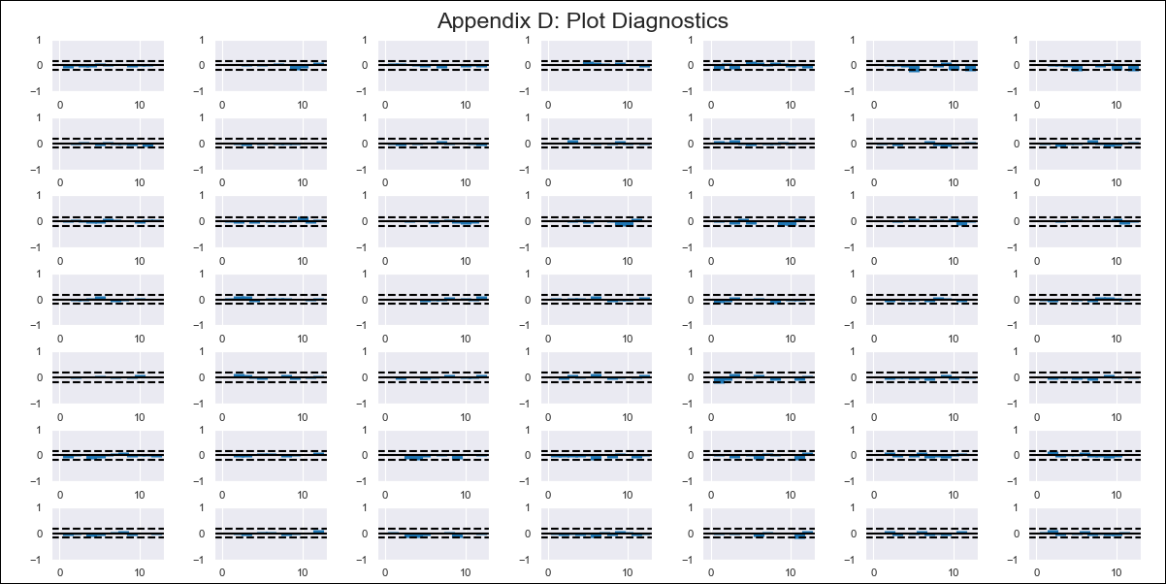
CHL - Inflation - Next 12 months forecast as of: 2024-03-01

Model | VAR - 12 | Exogenous Variables | M1_money_supply, Price of Copper dollars per pound, General wage index, Wage Index_yoy %, Unemployment rate, Unemplyment rate yoy
Training Data | 2010-12-01 to 2023-04-01
Test Data | 2023-04-01 to 2024-03-01

Date | Inflation Change YoY % | Lower Bound - 95% Confidence Interval | Upper Bound - 95% Confidence Interval
2024-04-01 | 3.2 | -0.6 | 0.47
2024-05-01 | 2.69 | -1.55 | 0.64
2024-06-01 | 2.42 | -2.4 | 0.96
2024-07-01 | 2.54 | -2.87 | 1.67
2024-08-01 | 2.12 | -3.94 | 1.83
2024-09-01 | 1.64 | -5.27 | 1.75
2024-10-01 | 1.72 | -5.78 | 2.54
2024-11-01 | 1.68 | -6.53 | 3.17
2024-12-01 | 1.52 | -7.52 | 3.57
2025-01-01 | 1.46 | -8.34 | 4.16
2025-02-01 | 1.4 | -9.19 | 4.77
2025-03-01 | 1.5 | -9.72 | 5.72

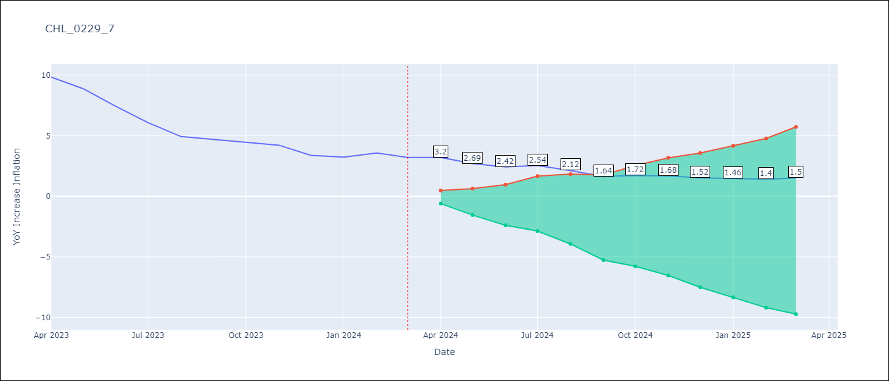

Test Metrics
RMSE | 0.27
Naive RMSE | 9.89
MAPE | 104.68%

Test Predictions
Date | Predicted | Actual
2023-04-01 | 1.83 | 1.72
2023-05-01 | 1.44 | 1.61
2023-06-01 | 1.18 | 1.39
2023-07-01 | 1.29 | 1.12
2023-08-01 | 0.84 | 0.78
2023-09-01 | 0.14 | 0.69
2023-10-01 | 0.28 | 0.6
2023-11-01 | 0.21 | 0.5
2023-12-01 | -0.08 | 0.05
2024-01-01 | -0.19 | -0.04
2024-02-01 | -0.31 | 0.17
2024-03-01 | -0.1 | -0.06

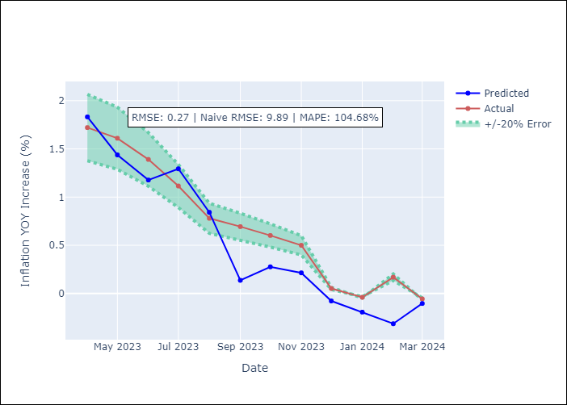

Appendix A: Model Summary
Model | VAR - 12
Sample | 2010-12-01 to 2024-03-01
No. of Observations | 160
Terms | P-value (Statistical significance)
L1.YoY Increase Inflation | 0.15515559562
L1.M1_money_supply | 0.92261926155
L1.Price of Copper dollars per pound | 0.72644152604
L1.General wage index | 0.92876643296
L1.Wage Index_yoy % | 0.41440668722
L1.Unemployment rate | 0.25782711624
L1.Unemplyment rate yoy | 0.77289999795
L2.YoY Increase Inflation | 0.11282812696
L2.M1_money_supply | 0.60336117038
L2.Price of Copper dollars per pound | 0.48534217901
L2.General wage index | 0.84714051558
L2.Wage Index_yoy % | 0.32568017309
L2.Unemployment rate | 0.083083441424
L2.Unemplyment rate yoy | 0.23597223667
L3.YoY Increase Inflation | 0.88440051279
L3.M1_money_supply | 0.74925955598
L3.Price of Copper dollars per pound | 0.72751505121
L3.General wage index | 0.32539991662
L3.Wage Index_yoy % | 0.91442049737
L3.Unemployment rate | 0.57086800122
L3.Unemplyment rate yoy | 0.45632469014
L4.YoY Increase Inflation | 0.046114398186
L4.M1_money_supply | 0.39849477498
L4.Price of Copper dollars per pound | 0.56650896006
L4.General wage index | 0.12430876024
L4.Wage Index_yoy % | 0.090433488584
L4.Unemployment rate | 0.053092616366
L4.Unemplyment rate yoy | 0.2851442991
L5.YoY Increase Inflation | 0.035052960422
L5.M1_money_supply | 0.79094367235
L5.Price of Copper dollars per pound | 0.49223235919
L5.General wage index | 0.39868515209
L5.Wage Index_yoy % | 0.32337272786
L5.Unemployment rate | 0.035344772141
L5.Unemplyment rate yoy | 0.12534378047
L6.YoY Increase Inflation | 0.28057929008
L6.M1_money_supply | 0.29602330698
L6.Price of Copper dollars per pound | 0.39811733874
L6.General wage index | 0.14308860556
L6.Wage Index_yoy % | 0.68741866225
L6.Unemployment rate | 0.7737560963
L6.Unemplyment rate yoy | 0.31733280829
L7.YoY Increase Inflation | 0.58553611192
L7.M1_money_supply | 0.61917135254
L7.Price of Copper dollars per pound | 0.026383951884
L7.General wage index | 0.23171998631
L7.Wage Index_yoy % | 0.39462404722
L7.Unemployment rate | 0.10976351658
L7.Unemplyment rate yoy | 0.57809584362
L8.YoY Increase Inflation | 0.96186827479
L8.M1_money_supply | 0.23100093093
L8.Price of Copper dollars per pound | 0.59103764781
L8.General wage index | 0.2122761368
L8.Wage Index_yoy % | 0.043666427047
L8.Unemployment rate | 0.068155093004
L8.Unemplyment rate yoy | 0.14701085287
L9.YoY Increase Inflation | 0.093389800195
L9.M1_money_supply | 0.40304465968
L9.Price of Copper dollars per pound | 0.33762692898
L9.General wage index | 0.59948459803
L9.Wage Index_yoy % | 0.7670201808
L9.Unemployment rate | 0.8275990259
L9.Unemplyment rate yoy | 0.46786588852
L10.YoY Increase Inflation | 0.74071347164
L10.M1_money_supply | 0.12062595396
L10.Price of Copper dollars per pound | 0.27710688115
L10.General wage index | 0.26057088772
L10.Wage Index_yoy % | 0.48591211128
L10.Unemployment rate | 0.10800864369
L10.Unemplyment rate yoy | 0.019805787377
L11.YoY Increase Inflation | 0.6030413112
L11.M1_money_supply | 0.32142742788
L11.Price of Copper dollars per pound | 0.37806601449
L11.General wage index | 0.66244561417
L11.Wage Index_yoy % | 0.28141470826
L11.Unemployment rate | 0.66265318865
L11.Unemplyment rate yoy | 0.56436987291
L12.YoY Increase Inflation | 0.019442962637
L12.M1_money_supply | 0.64625416722
L12.Price of Copper dollars per pound | 0.41937582952
L12.General wage index | 0.93946403146
L12.Wage Index_yoy % | 0.54109693886
L12.Unemployment rate | 0.5600645209
L12.Unemplyment rate yoy | 0.040761916346
Assumptions | P-value

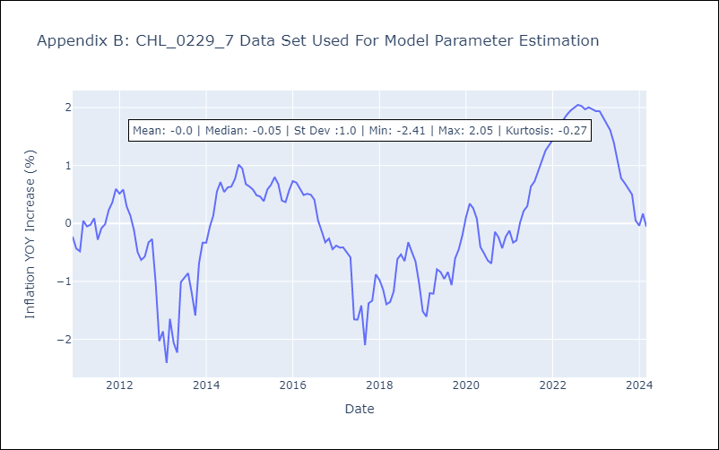

Appendix C: Residuals Analysis
Mean | -0.0
Errors AutoCorrelated? | 2.165215320216665 | No Autocorrelation
Normal? | No

