CHL
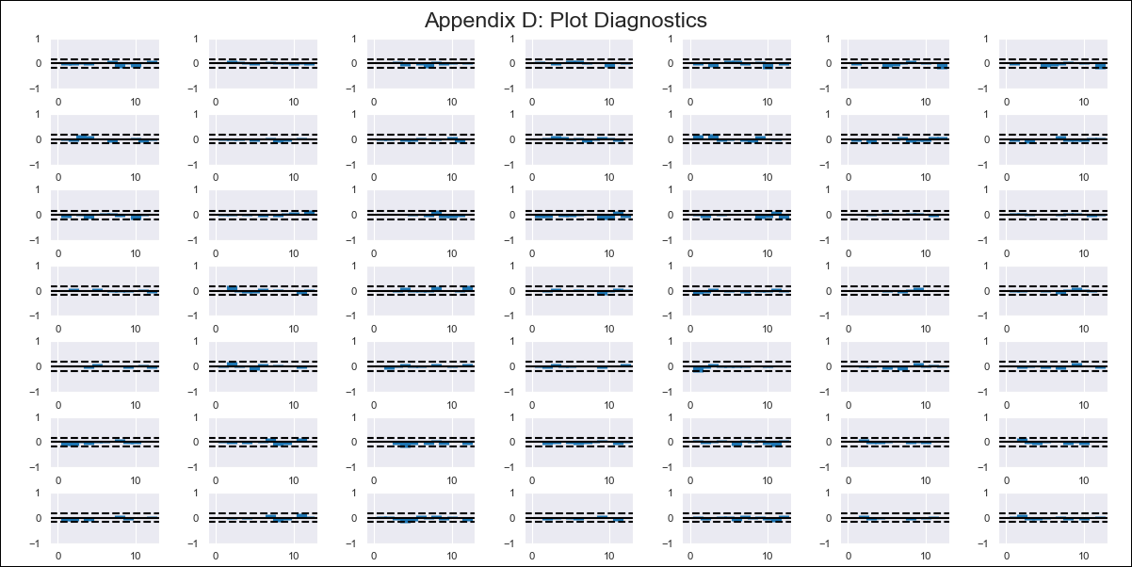
CHL - Inflation - Next 12 months forecast as of: 2024-03-01

Model | VAR - 12 | Exogenous Variables | M1_money_supply, Price of Copper dollars per pound, General wage index, Wage Index_yoy %, Unemployment rate, Unemplyment rate yoy
Training Data | 2010-12-01 to 2023-04-01
Test Data | 2023-04-01 to 2024-03-01

Date | Inflation Change YoY % | Lower Bound - 95% Confidence Interval | Upper Bound - 95% Confidence Interval
2024-04-01 | 2.75 | 2.18 | 3.33
2024-05-01 | 1.56 | 0.33 | 2.79
2024-06-01 | 0.35 | -1.55 | 2.26
2024-07-01 | 0.27 | -2.35 | 2.88
2024-08-01 | -1.24 | -4.57 | 2.09
2024-09-01 | -1.95 | -6.02 | 2.12
2024-10-01 | -1.09 | -5.95 | 3.76
2024-11-01 | -1.53 | -7.2 | 4.15
2024-12-01 | -1.69 | -8.2 | 4.81
2025-01-01 | -2.07 | -9.43 | 5.3
2025-02-01 | -2.38 | -10.62 | 5.85
2025-03-01 | -1.57 | -10.7 | 7.55

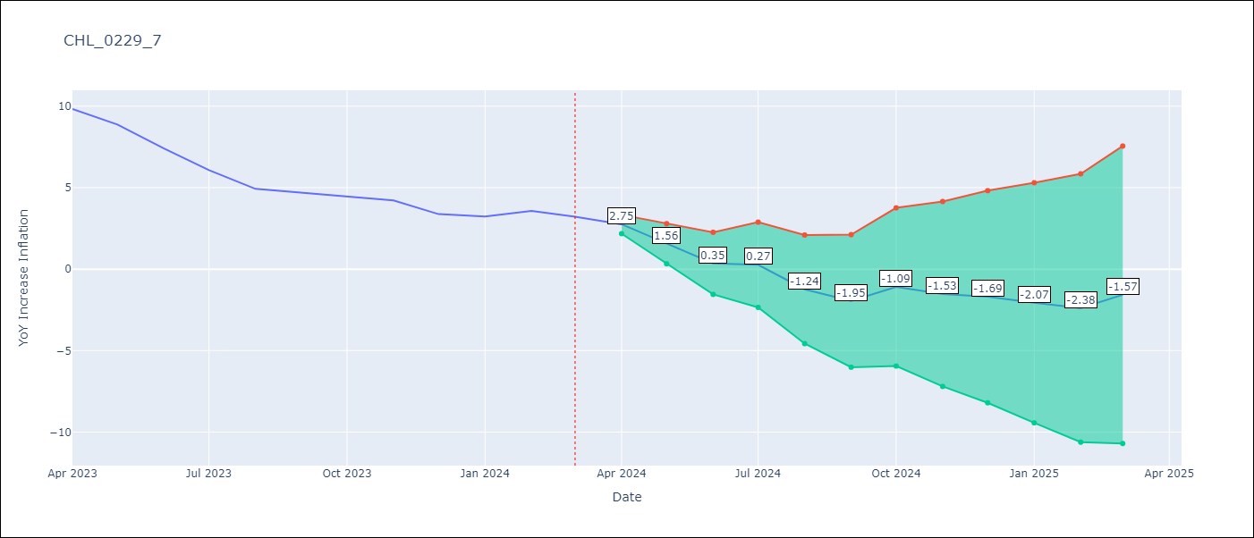

Test Metrics
RMSE | 1.99
Naive RMSE | 0.86
MAPE | 44.38%

Test Predictions
Date | Predicted | Actual
2023-04-01 | 10.61 | 9.82
2023-05-01 | 9.42 | 8.87
2023-06-01 | 8.21 | 7.4
2023-07-01 | 8.13 | 6.07
2023-08-01 | 6.62 | 4.93
2023-09-01 | 5.91 | 4.69
2023-10-01 | 6.76 | 4.45
2023-11-01 | 6.33 | 4.22
2023-12-01 | 6.16 | 3.37
2024-01-01 | 5.79 | 3.23
2024-02-01 | 5.47 | 3.57
2024-03-01 | 6.28 | 3.21

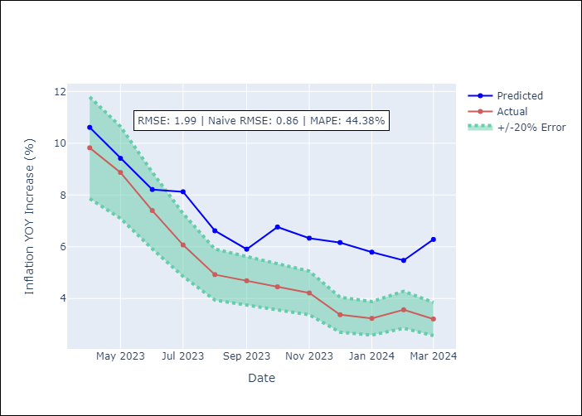

Appendix A: Model Summary
Model | VAR - 12
Sample | 2010-12-01 to 2024-03-01
No. of Observations | 160
Terms | P-value (Statistical significance)
L1.YoY Increase Inflation | 0.00027860388807
L1.M1_money_supply | 0.90712202926
L1.Price of Copper dollars per pound | 0.51078957664
L1.General wage index | 0.60470126336
L1.Wage Index_yoy % | 0.92633299994
L1.Unemployment rate | 0.21393270031
L1.Unemplyment rate yoy | 0.91554048928
L2.YoY Increase Inflation | 0.56709324963
L2.M1_money_supply | 0.32510075602
L2.Price of Copper dollars per pound | 0.93091461524
L2.General wage index | 0.7706213242
L2.Wage Index_yoy % | 0.27152327876
L2.Unemployment rate | 0.058500230754
L2.Unemplyment rate yoy | 0.2675091605
L3.YoY Increase Inflation | 0.65385331905
L3.M1_money_supply | 0.3108781093
L3.Price of Copper dollars per pound | 0.49164997296
L3.General wage index | 0.39224450609
L3.Wage Index_yoy % | 0.94466107764
L3.Unemployment rate | 0.30291518608
L3.Unemplyment rate yoy | 0.69934378713
L4.YoY Increase Inflation | 0.70052224991
L4.M1_money_supply | 0.40589902704
L4.Price of Copper dollars per pound | 0.93359677504
L4.General wage index | 0.17305819598
L4.Wage Index_yoy % | 0.37570911649
L4.Unemployment rate | 0.30619831281
L4.Unemplyment rate yoy | 0.47379417258
L5.YoY Increase Inflation | 0.20634869109
L5.M1_money_supply | 0.55620884688
L5.Price of Copper dollars per pound | 0.96483296905
L5.General wage index | 0.8375850352
L5.Wage Index_yoy % | 0.45639245651
L5.Unemployment rate | 0.043435315147
L5.Unemplyment rate yoy | 0.0093868613609
L6.YoY Increase Inflation | 0.97095604432
L6.M1_money_supply | 0.63791033354
L6.Price of Copper dollars per pound | 0.34709264254
L6.General wage index | 0.0044987678777
L6.Wage Index_yoy % | 0.065050407767
L6.Unemployment rate | 0.37862456558
L6.Unemplyment rate yoy | 0.39881998973
L7.YoY Increase Inflation | 0.12941031464
L7.M1_money_supply | 0.15100954041
L7.Price of Copper dollars per pound | 0.52872856411
L7.General wage index | 0.36858777493
L7.Wage Index_yoy % | 0.33501459156
L7.Unemployment rate | 0.57598137865
L7.Unemplyment rate yoy | 0.97671752437
L8.YoY Increase Inflation | 0.14119679919
L8.M1_money_supply | 0.28248480906
L8.Price of Copper dollars per pound | 0.69308018535
L8.General wage index | 0.39278489774
L8.Wage Index_yoy % | 0.15749325857
L8.Unemployment rate | 0.075294542157
L8.Unemplyment rate yoy | 0.33940492112
L9.YoY Increase Inflation | 0.94413664455
L9.M1_money_supply | 0.32838959032
L9.Price of Copper dollars per pound | 0.99715354481
L9.General wage index | 0.67341437282
L9.Wage Index_yoy % | 0.54358385551
L9.Unemployment rate | 0.1581378041
L9.Unemplyment rate yoy | 0.83298822032
L10.YoY Increase Inflation | 0.11550791412
L10.M1_money_supply | 0.69159606515
L10.Price of Copper dollars per pound | 0.88554873734
L10.General wage index | 0.444186945
L10.Wage Index_yoy % | 0.5978703493
L10.Unemployment rate | 0.28303039017
L10.Unemplyment rate yoy | 0.074735271761
L11.YoY Increase Inflation | 0.80912702023
L11.M1_money_supply | 0.35368457453
L11.Price of Copper dollars per pound | 0.11578665885
L11.General wage index | 0.20296487249
L11.Wage Index_yoy % | 0.031970107028
L11.Unemployment rate | 0.16747616928
L11.Unemplyment rate yoy | 0.52267229654
L12.YoY Increase Inflation | 0.016370075445
L12.M1_money_supply | 0.33081030842
L12.Price of Copper dollars per pound | 0.95922333324
L12.General wage index | 0.23881036889
L12.Wage Index_yoy % | 0.96059872371
L12.Unemployment rate | 0.8704591674
L12.Unemplyment rate yoy | 0.012831696918
Assumptions | P-value

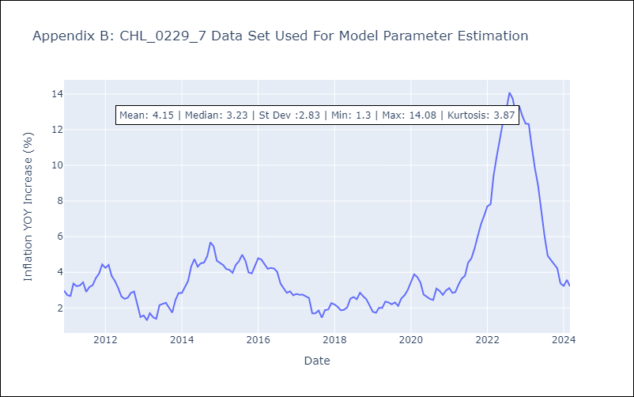

Appendix C: Residuals Analysis
Mean | -0.0
Errors AutoCorrelated? | 2.121948721048881 | No Autocorrelation
Normal? | No

