CHL
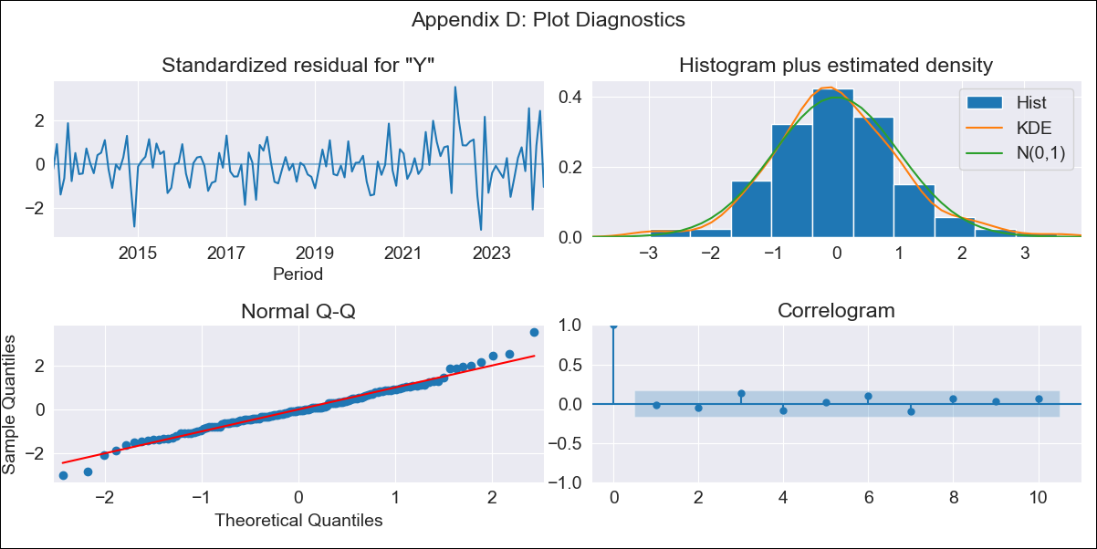
CHL - Inflation - Next 12 months forecast as of: 2024-03-01

Model | ARIMA - [(2, 0, 1), (2, 0, 0, 12)]
Training Data | 2010-12-01 to 2023-04-01
Test Data | 2023-04-01 to 2024-03-01

Date | Inflation Change YoY % | Lower Bound - 95% Confidence Interval | Upper Bound - 95% Confidence Interval
2024-04-01 | 3.25 | 2.59 | 3.92
2024-05-01 | 3.13 | 2.06 | 4.19
2024-06-01 | 3.35 | 1.9 | 4.8
2024-07-01 | 3.58 | 1.76 | 5.41
2024-08-01 | 3.58 | 1.38 | 5.79
2024-09-01 | 3.43 | 0.85 | 6.01
2024-10-01 | 3.46 | 0.51 | 6.42
2024-11-01 | 3.03 | -0.3 | 6.35
2024-12-01 | 3.34 | -0.34 | 7.03
2025-01-01 | 3.18 | -0.85 | 7.21
2025-02-01 | 2.59 | -1.78 | 6.96
2025-03-01 | 2.85 | -1.84 | 7.55

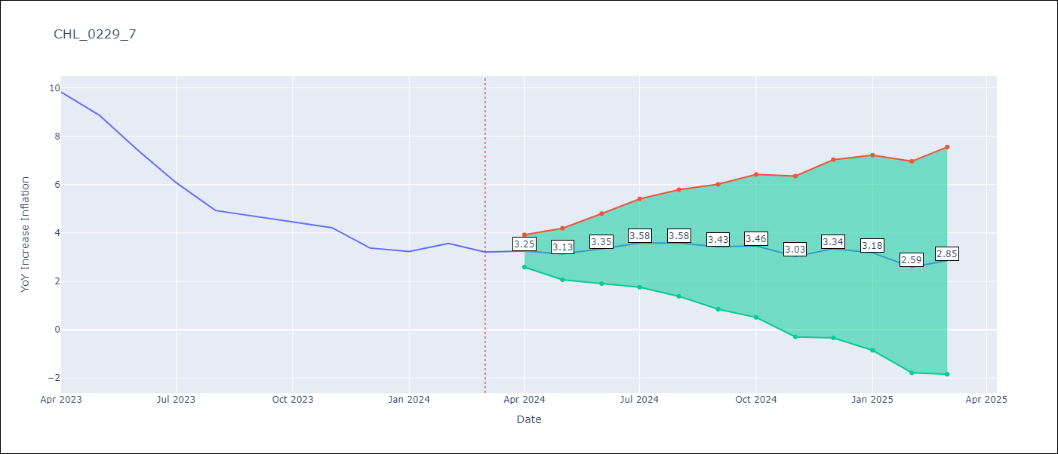

Test Metrics
RMSE | 2.62
Naive RMSE | 0.86
MAPE | 49.8%

Test Predictions
Date | Predicted | Actual
2023-04-01 | 9.89 | 9.82 | 0.07 | 0.0049
2023-05-01 | 8.7 | 8.87 | -0.17 | 0.0289
2023-06-01 | 7.5 | 7.4 | 0.1 | 0.01
2023-07-01 | 6.21 | 6.07 | 0.14 | 0.0196
2023-08-01 | 4.75 | 4.93 | -0.18 | 0.0324
2023-09-01 | 3.99 | 4.69 | -0.7 | 0.49
2023-10-01 | 3.48 | 4.45 | -0.97 | 0.9409
2023-11-01 | 1.84 | 4.22 | -2.38 | 5.6644
2023-12-01 | 0.95 | 3.37 | -2.42 | 5.8564
2024-01-01 | -0.14 | 3.23 | -3.37 | 11.3569
2024-02-01 | -1.45 | 3.57 | -5.02 | 25.2004
2024-03-01 | -2.5 | 3.21 | -5.71 | 32.6041

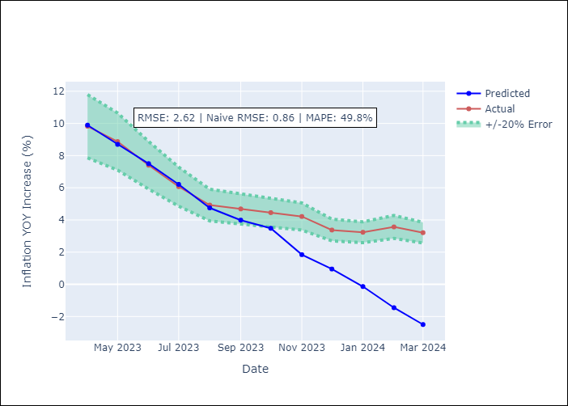

Appendix A: Model Summary
Model | ARIMA(2, 0, 1)x(2, 0, [], 12)
Sample | 12-01-2010- 03-01-2024
No. of Observations | 160
Terms | P-value (Statistical significance)
const | 0.000
ar.L1 | 0.000
ar.L2 | 0.000
ma.L1 | 0.000
ar.S.L12 | 0.000
ar.S.L24 | 0.000
sigma2 | 0.000
Assumptions | P-value

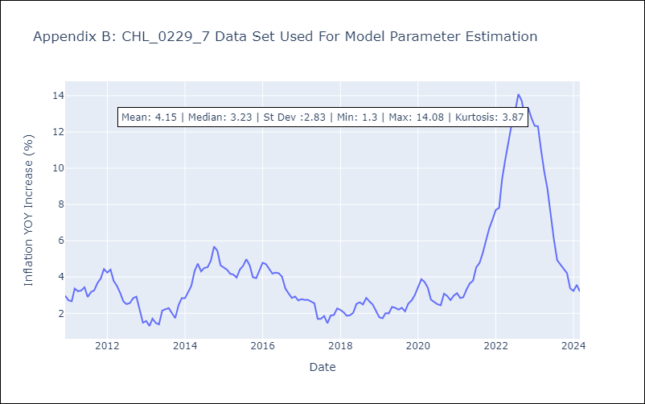

Appendix C: Residuals Analysis
Mean | -0.0

Normal? | No

