CHL
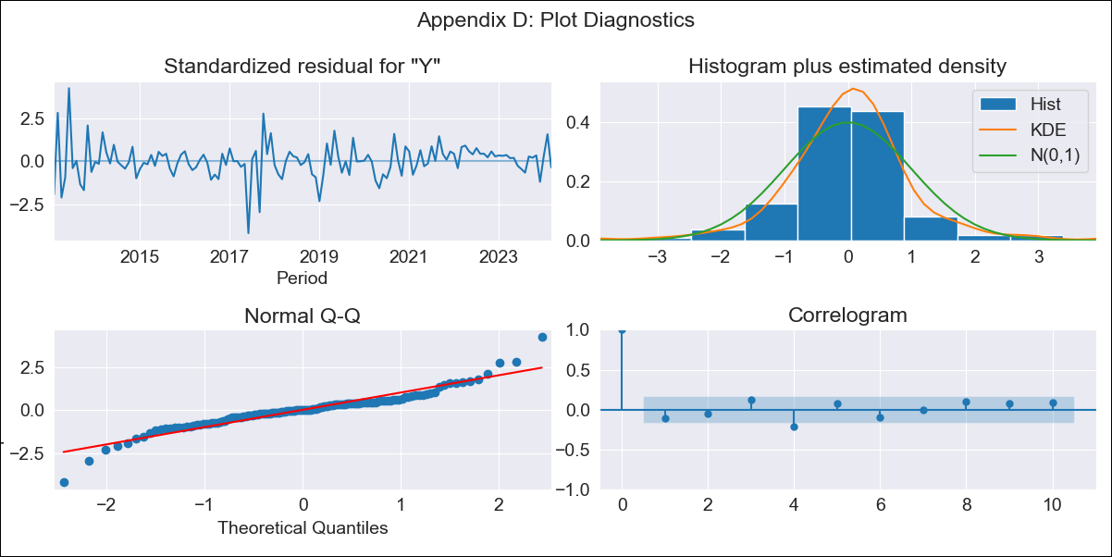
CHL - Inflation - Next 12 months forecast as of: 2024-03-01

Model | ARIMA - [(2, 0, 1), (2, 0, 0, 12)]
Training Data | 2010-12-01 to 2023-04-01
Test Data | 2023-04-01 to 2024-03-01

Date | Inflation Change YoY % | Lower Bound - 95% Confidence Interval | Upper Bound - 95% Confidence Interval
2024-04-01 | -0.19 | -0.67 | 0.3
2024-05-01 | -0.32 | -1.01 | 0.37
2024-06-01 | -0.4 | -1.25 | 0.45
2024-07-01 | -0.46 | -1.45 | 0.52
2024-08-01 | -0.49 | -1.6 | 0.61
2024-09-01 | -0.62 | -1.83 | 0.59
2024-10-01 | -0.75 | -2.06 | 0.56
2024-11-01 | -0.87 | -2.26 | 0.53
2024-12-01 | -0.83 | -2.3 | 0.65
2025-01-01 | -0.94 | -2.48 | 0.61
2025-02-01 | -1.17 | -2.78 | 0.44
2025-03-01 | -1.21 | -2.87 | 0.46

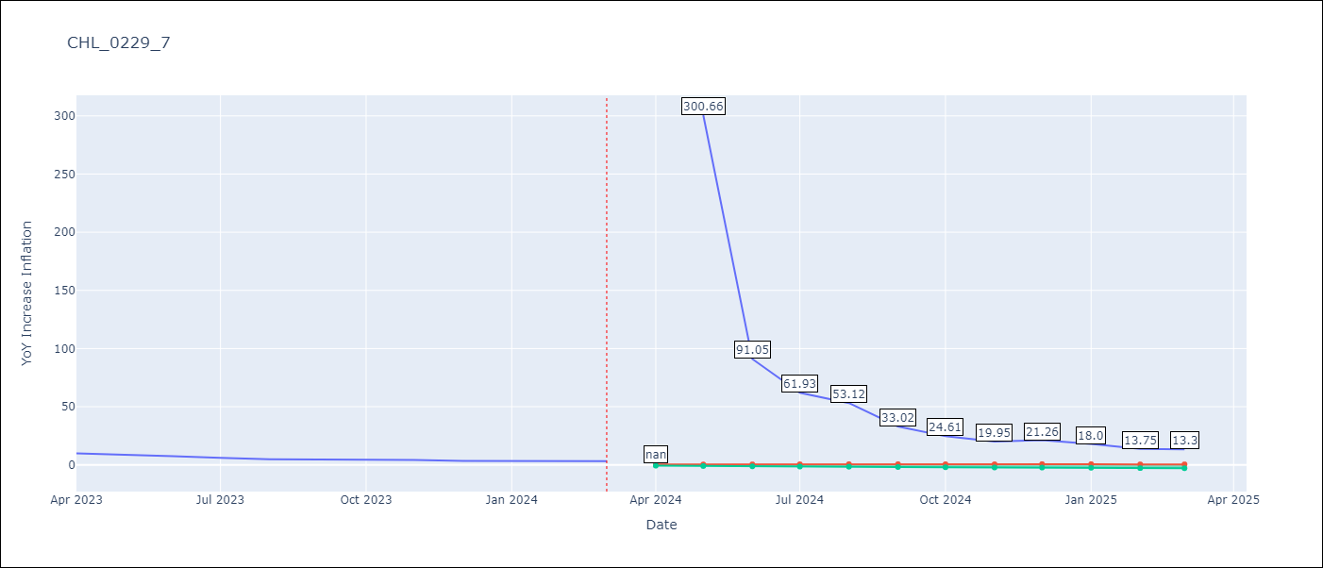

Test Metrics
RMSE | 0.46
Naive RMSE | 9.89
MAPE | 8.64%

Test Predictions
Date | Predicted | Actual
2023-04-01 | 9.58 | 9.82
2023-05-01 | 8.41 | 8.87
2023-06-01 | 7.44 | 7.4
2023-07-01 | 6.6 | 6.07
2023-08-01 | 5.86 | 4.93
2023-09-01 | 5.3 | 4.69
2023-10-01 | 4.83 | 4.45
2023-11-01 | 4.31 | 4.22
2023-12-01 | 3.91 | 3.37
2024-01-01 | 3.55 | 3.23
2024-02-01 | 3.2 | 3.57
2024-03-01 | 2.94 | 3.21

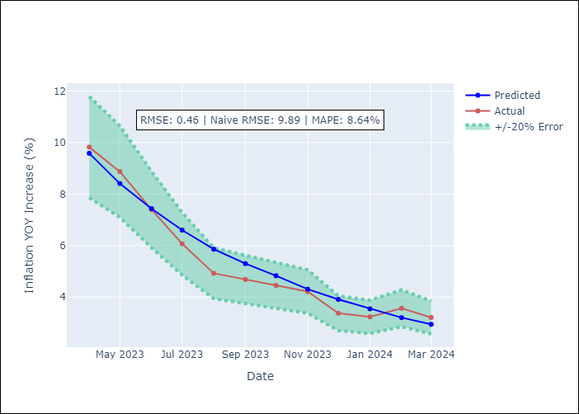

Appendix A: Model Summary
Model | ARIMA(2, 0, 1)x(2, 0, [], 12)
Sample | 12-01-2010- 03-01-2024
No. of Observations | 160
Terms | P-value (Statistical significance)
const | 0.594
ar.L1 | 0.000
ar.L2 | 0.000
ma.L1 | 0.000
ar.S.L12 | 0.000
ar.S.L24 | 0.670
sigma2 | 0.000
Assumptions | P-value

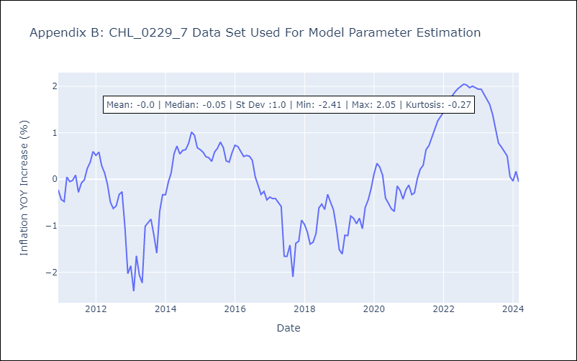

Appendix C: Residuals Analysis
Mean | 0.01

Normal? | No

