CHL
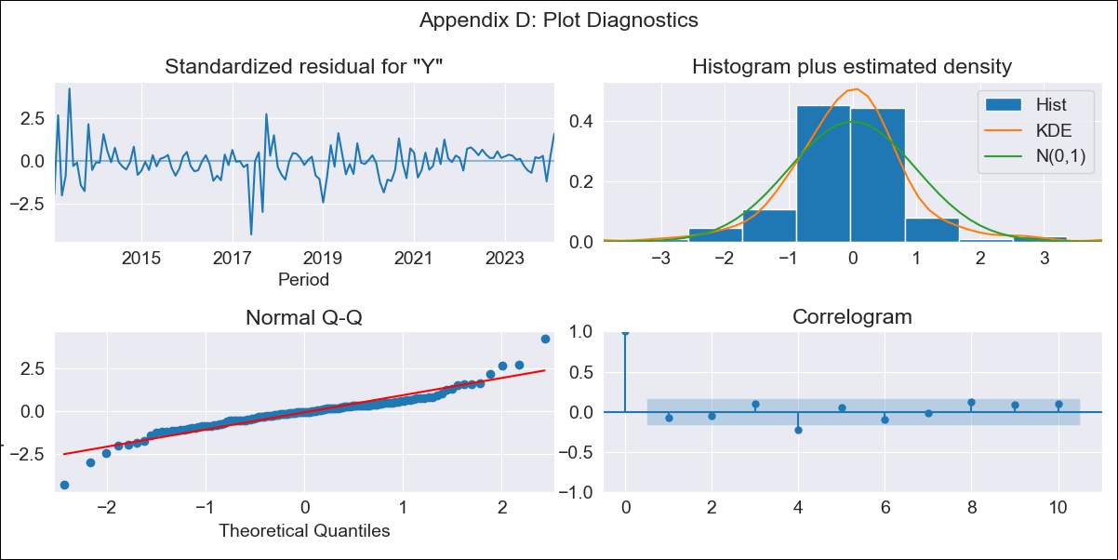
CHL - Inflation - Next 12 months forecast as of: 2024-02-01

Model | ARIMA - [(2, 0, 1), (2, 0, 0, 12)]
Training Data | 2010-12-01 to 2023-03-01
Test Data | 2023-03-01 to 2024-02-01

Date | Inflation Change YoY % | Lower Bound - 95% Confidence Interval | Upper Bound - 95% Confidence Interval
2024-03-01 | 0.03 | -0.45 | 0.51
2024-04-01 | -0.11 | -0.78 | 0.57
2024-05-01 | -0.25 | -1.07 | 0.58
2024-06-01 | -0.35 | -1.29 | 0.6
2024-07-01 | -0.43 | -1.48 | 0.62
2024-08-01 | -0.48 | -1.62 | 0.65
2024-09-01 | -0.64 | -1.85 | 0.58
2024-10-01 | -0.79 | -2.07 | 0.49
2024-11-01 | -0.92 | -2.26 | 0.41
2024-12-01 | -0.93 | -2.31 | 0.46
2025-01-01 | -1.06 | -2.49 | 0.37
2025-02-01 | -1.3 | -2.77 | 0.16

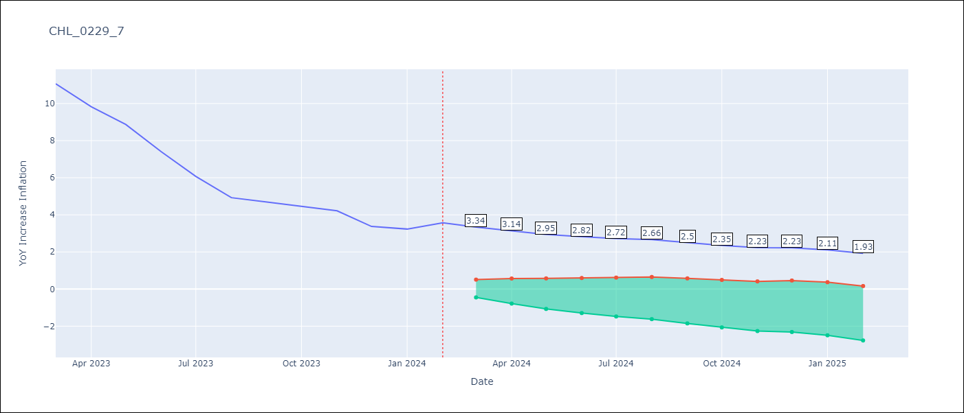

Test Metrics
RMSE | 2.03
Naive RMSE | 10.05
MAPE | 41.48%

Test Predictions
Date | Predicted | Actual
2023-03-01 | 10.84 | 11.07
2023-04-01 | 9.89 | 9.82
2023-05-01 | 9.16 | 8.87
2023-06-01 | 8.56 | 7.4
2023-07-01 | 8.01 | 6.07
2023-08-01 | 7.5 | 4.93
2023-09-01 | 7.17 | 4.69
2023-10-01 | 6.93 | 4.45
2023-11-01 | 6.5 | 4.22
2023-12-01 | 6.24 | 3.37
2024-01-01 | 5.98 | 3.23
2024-02-01 | 5.68 | 3.57

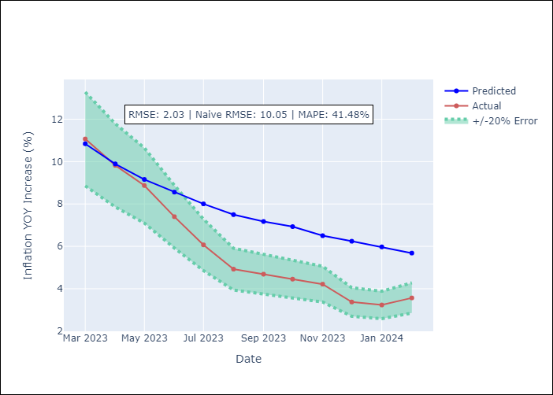

Appendix A: Model Summary
Model | ARIMA(2, 0, 1)x(2, 0, [], 12)
Sample | 12-01-2010- 02-01-2024
No. of Observations | 159
Terms | P-value (Statistical significance)
const | 0.693
ar.L1 | 0.000
ar.L2 | 0.000
ma.L1 | 0.183
ar.S.L12 | 0.000
ar.S.L24 | 0.700
sigma2 | 0.220
Assumptions | P-value

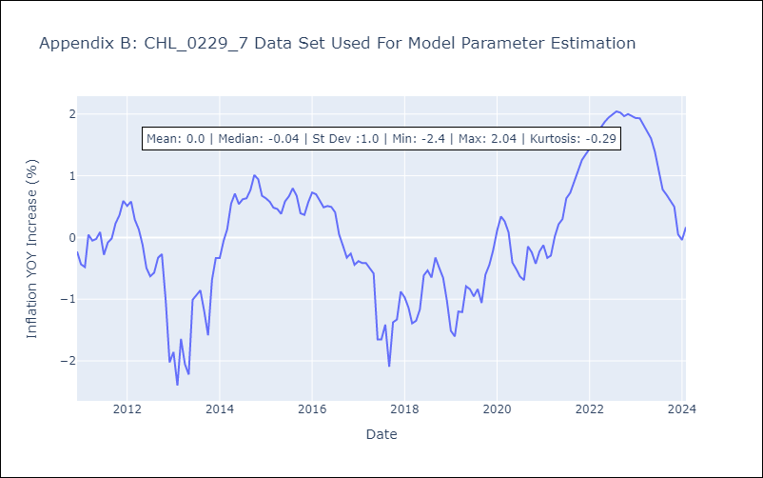

Appendix C: Residuals Analysis
Mean | -0.01

Normal? | No

