CHL
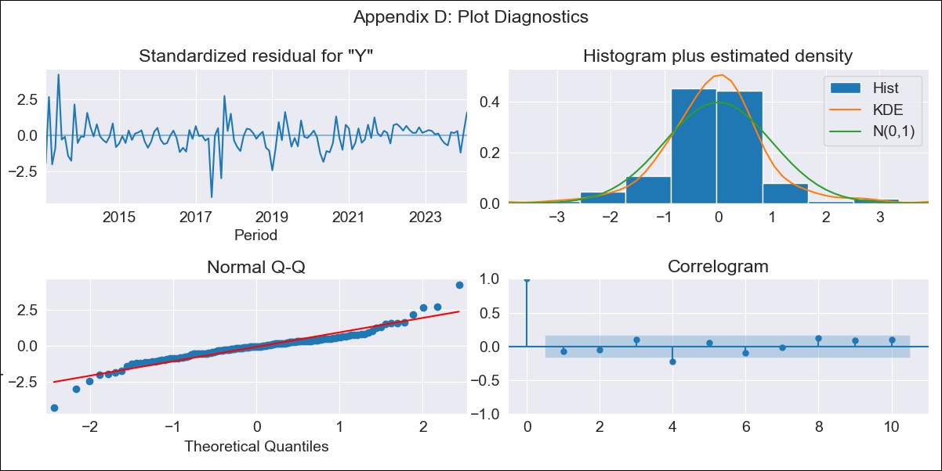
CHL - Inflation - Next 12 months forecast as of: 2024-02-01

Model | ARIMA - [(2, 0, 1), (2, 0, 0, 12)]
Training Data | 2010-12-01 to 2023-03-01
Test Data | 2023-03-01 to 2024-02-01

Date | Inflation Change YoY % | Lower Bound - 95% Confidence Interval | Upper Bound - 95% Confidence Interval
2024-03-01 | 3.34 | 2.7 | 4.24
2024-04-01 | 3.14 | 2.36 | 4.38
2024-05-01 | 2.95 | 2.11 | 4.4
2024-06-01 | 2.82 | 1.94 | 4.44
2024-07-01 | 2.72 | 1.81 | 4.5
2024-08-01 | 2.66 | 1.72 | 4.58
2024-09-01 | 2.5 | 1.58 | 4.4
2024-10-01 | 2.35 | 1.47 | 4.21
2024-11-01 | 2.23 | 1.37 | 4.03
2024-12-01 | 2.23 | 1.34 | 4.14
2025-01-01 | 2.11 | 1.26 | 3.94
2025-02-01 | 1.93 | 1.15 | 3.56

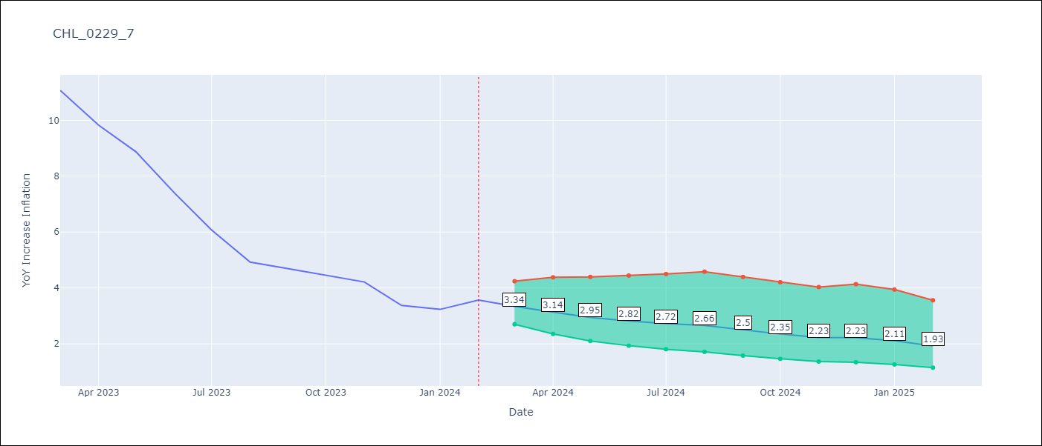

Test Metrics
RMSE | 2.03
Naive RMSE | 5.34
MAPE | 41.48%

Test Predictions
Date | Predicted | Actual
2023-03-01 | 10.84 | 11.07 | 12.31 | 1.5376 | 0.92456295982
2023-04-01 | 9.89 | 9.82 | 11.07 | 1.5625
2023-05-01 | 9.16 | 8.87 | 9.82 | 0.9025
2023-06-01 | 8.56 | 7.4 | 8.87 | 2.1609
2023-07-01 | 8.01 | 6.07 | 7.4 | 1.7689
2023-08-01 | 7.5 | 4.93 | 6.07 | 1.2996
2023-09-01 | 7.17 | 4.69 | 4.93 | 0.0576
2023-10-01 | 6.93 | 4.45 | 4.69 | 0.0576
2023-11-01 | 6.5 | 4.22 | 4.45 | 0.0529
2023-12-01 | 6.24 | 3.37 | 4.22 | 0.7225
2024-01-01 | 5.98 | 3.23 | 3.37 | 0.0196
2024-02-01 | 5.68 | 3.57 | 3.23 | 0.1156
 |  |  | 3.57
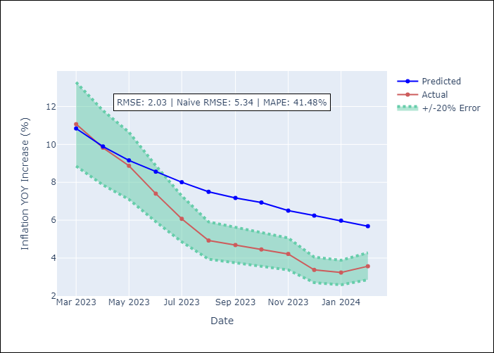

Appendix A: Model Summary
Model | ARIMA(2, 0, 1)x(2, 0, [], 12)
Sample | 12-01-2010- 02-01-2024
No. of Observations | 159
Terms | P-value (Statistical significance)
const | 0.693
ar.L1 | 0.000
ar.L2 | 0.000
ma.L1 | 0.183
ar.S.L12 | 0.000
ar.S.L24 | 0.700
sigma2 | 0.220
Assumptions | P-value

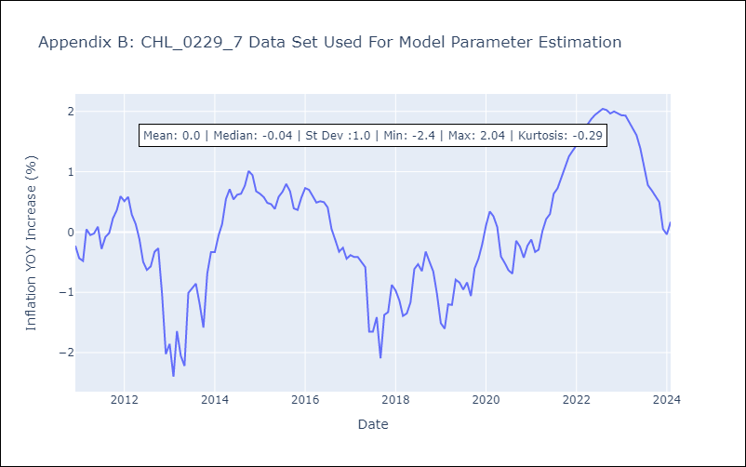

Appendix C: Residuals Analysis
Mean | -0.01

Normal? | No

