CHL
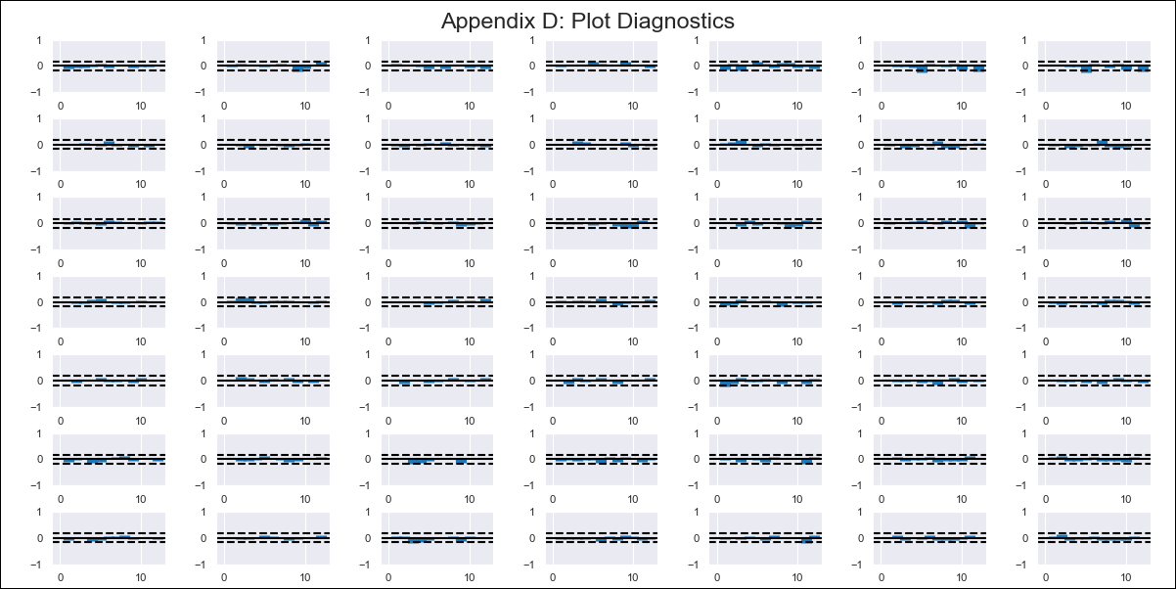
CHL - Inflation - Next 12 months forecast as of: 2024-02-01

Model | VAR - 12 | Exogenous Variables | M1_money_supply, Price of Copper dollars per pound, General wage index, Wage Index_yoy %, Unemployment rate, Unemplyment rate yoy
Training Data | 2010-12-01 to 2023-03-01
Test Data | 2023-03-01 to 2024-02-01

Date | Inflation Change YoY % | Lower Bound - 95% Confidence Interval | Upper Bound - 95% Confidence Interval
2024-03-01 | 2.56 | 2.07 | 3.22
2024-04-01 | 2.14 | 1.44 | 3.38
2024-05-01 | 1.7 | 0.96 | 3.34
2024-06-01 | 1.39 | 0.64 | 3.36
2024-07-01 | 1.47 | 0.54 | 5.06
2024-08-01 | 1.19 | 0.32 | 5.08
2024-09-01 | 0.91 | 0.14 | 4.77
2024-10-01 | 1.01 | 0.09 | 9.98
2024-11-01 | 0.97 | 0.01 | 21.64
2024-12-01 | 0.79 | -0.09 | 28
2025-01-01 | 0.73 | -0.16
2025-02-01 | 0.68 | -0.22

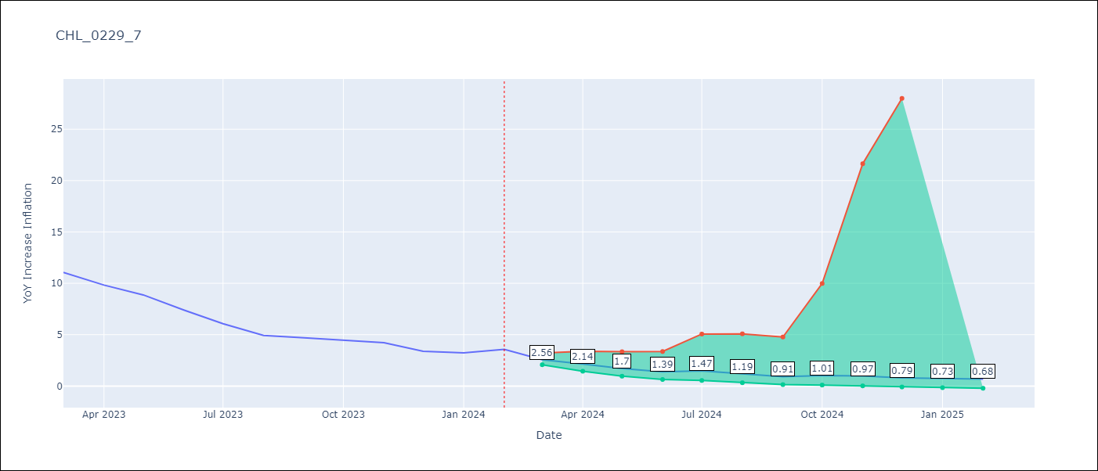

Test Metrics
RMSE | 3.54
Naive RMSE | 5.34
MAPE | 55.79%

Test Predictions
Date | Predicted | Actual
2023-03-01 | 6.37 | 11.07 | -4.7 | 22.09 | 3.5352121577
2023-04-01 | 4.81 | 9.82 | -5.01 | 25.1001
2023-05-01 | 3.49 | 8.87 | -5.38 | 28.9444
2023-06-01 | 2.69 | 7.4 | -4.71 | 22.1841
2023-07-01 | 2.89 | 6.07 | -3.18 | 10.1124
2023-08-01 | 2.23 | 4.93 | -2.7 | 7.29
2023-09-01 | 1.68 | 4.69 | -3.01 | 9.0601
2023-10-01 | 1.87 | 4.45 | -2.58 | 6.6564
2023-11-01 | 1.8 | 4.22 | -2.42 | 5.8564
2023-12-01 | 1.45 | 3.37 | -1.92 | 3.6864
2024-01-01 | 1.33 | 3.23 | -1.9 | 3.61
2024-02-01 | 1.25 | 3.57 | -2.32 | 5.3824

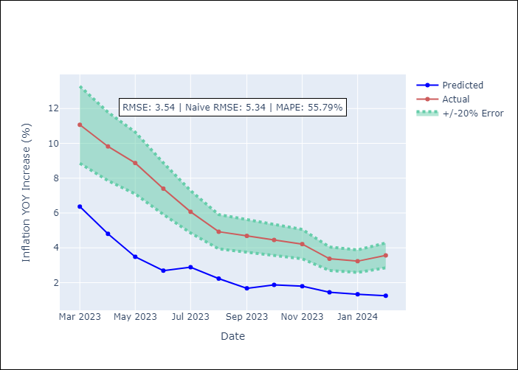

Appendix A: Model Summary
Model | VAR - 12
Sample | 2010-12-01 to 2024-02-01
No. of Observations | 159
Terms | P-value (Statistical significance)
L1.YoY Increase Inflation | 0.11486399989
L1.M1_money_supply | 0.80331356082
L1.Price of Copper dollars per pound | 0.81763275337
L1.General wage index | 0.9479705651
L1.Wage Index_yoy % | 0.45068317141
L1.Unemployment rate | 0.16873467253
L1.Unemplyment rate yoy | 0.62834166656
L2.YoY Increase Inflation | 0.12718970615
L2.M1_money_supply | 0.50017214641
L2.Price of Copper dollars per pound | 0.45430253844
L2.General wage index | 0.8190088399
L2.Wage Index_yoy % | 0.51714151444
L2.Unemployment rate | 0.090543779247
L2.Unemplyment rate yoy | 0.27520598599
L3.YoY Increase Inflation | 0.94160052157
L3.M1_money_supply | 0.74525612292
L3.Price of Copper dollars per pound | 0.74367741349
L3.General wage index | 0.44608327677
L3.Wage Index_yoy % | 0.84683388969
L3.Unemployment rate | 0.60218351826
L3.Unemplyment rate yoy | 0.55244492776
L4.YoY Increase Inflation | 0.047148381462
L4.M1_money_supply | 0.249715924
L4.Price of Copper dollars per pound | 0.51719640134
L4.General wage index | 0.17201361231
L4.Wage Index_yoy % | 0.1206827408
L4.Unemployment rate | 0.049085709064
L4.Unemplyment rate yoy | 0.28917329227
L5.YoY Increase Inflation | 0.033595462462
L5.M1_money_supply | 0.65214881391
L5.Price of Copper dollars per pound | 0.56750142737
L5.General wage index | 0.52113838329
L5.Wage Index_yoy % | 0.36957035403
L5.Unemployment rate | 0.042518890906
L5.Unemplyment rate yoy | 0.18139404746
L6.YoY Increase Inflation | 0.2030591171
L6.M1_money_supply | 0.32261772103
L6.Price of Copper dollars per pound | 0.3432271941
L6.General wage index | 0.08952354505
L6.Wage Index_yoy % | 0.5746070493
L6.Unemployment rate | 0.66716194301
L6.Unemplyment rate yoy | 0.26956091211
L7.YoY Increase Inflation | 0.59828674612
L7.M1_money_supply | 0.79172741817
L7.Price of Copper dollars per pound | 0.012201617014
L7.General wage index | 0.20961744245
L7.Wage Index_yoy % | 0.31402025629
L7.Unemployment rate | 0.092512267192
L7.Unemplyment rate yoy | 0.54946580757
L8.YoY Increase Inflation | 0.86461554029
L8.M1_money_supply | 0.14844160093
L8.Price of Copper dollars per pound | 0.39606319219
L8.General wage index | 0.21341037083
L8.Wage Index_yoy % | 0.038596275478
L8.Unemployment rate | 0.078303096864
L8.Unemplyment rate yoy | 0.19315309141
L9.YoY Increase Inflation | 0.084080653324
L9.M1_money_supply | 0.38575995988
L9.Price of Copper dollars per pound | 0.31706886234
L9.General wage index | 0.56521361087
L9.Wage Index_yoy % | 0.76566755417
L9.Unemployment rate | 0.85931145731
L9.Unemplyment rate yoy | 0.47608375852
L10.YoY Increase Inflation | 0.83394207363
L10.M1_money_supply | 0.045996675584
L10.Price of Copper dollars per pound | 0.3698862538
L10.General wage index | 0.46517272234
L10.Wage Index_yoy % | 0.37009058463
L10.Unemployment rate | 0.088245021017
L10.Unemplyment rate yoy | 0.021105850338
L11.YoY Increase Inflation | 0.69596169049
L11.M1_money_supply | 0.30584681116
L11.Price of Copper dollars per pound | 0.37498818974
L11.General wage index | 0.40625052763
L11.Wage Index_yoy % | 0.20852490497
L11.Unemployment rate | 0.72135240595
L11.Unemplyment rate yoy | 0.46930945011
L12.YoY Increase Inflation | 0.0186814319
L12.M1_money_supply | 0.59165103587
L12.Price of Copper dollars per pound | 0.48692297922
L12.General wage index | 0.93303270546
L12.Wage Index_yoy % | 0.60824905882
L12.Unemployment rate | 0.71113376414
L12.Unemplyment rate yoy | 0.041472955831
Assumptions | P-value

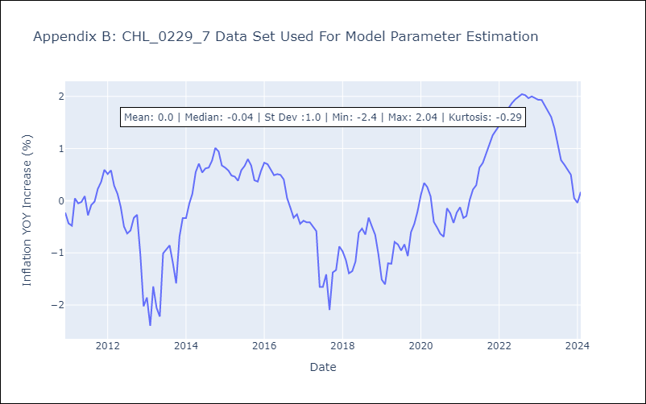

Appendix C: Residuals Analysis
Mean | 0.0
Errors AutoCorrelated? | 2.1793775330183625 | No Autocorrelation
Normal? | No

