CHL
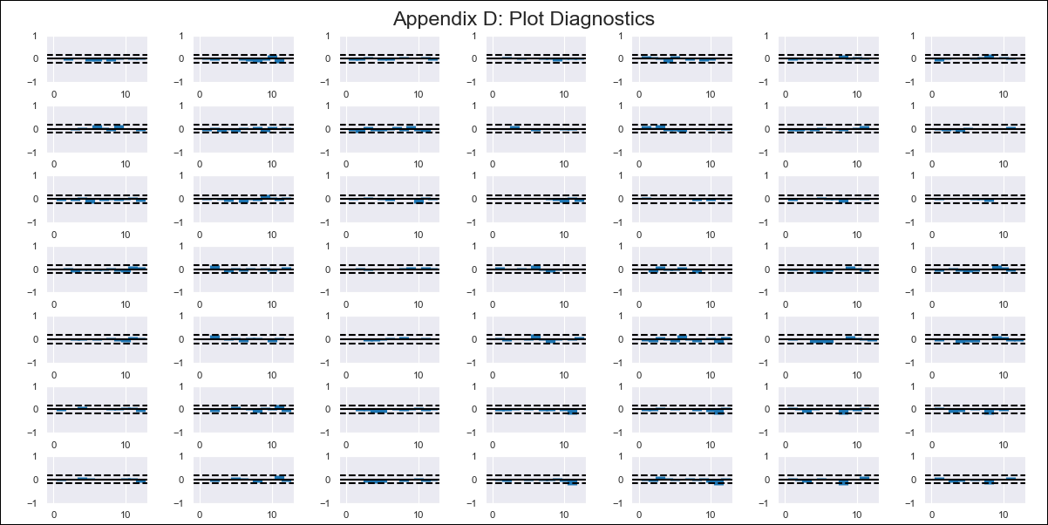
CHL - Inflation - Next 12 months forecast as of: 2024-02-01

Model | VAR - 12 | Exogenous Variables | M1_money_supply, Price of Copper dollars per pound, General wage index, Wage Index_yoy %, Unemployment rate, Unemplyment rate yoy
Training Data | 2010-12-01 to 2023-03-01
Test Data | 2023-03-01 to 2024-02-01

Date | Inflation Change YoY % | Lower Bound - 95% Confidence Interval | Upper Bound - 95% Confidence Interval
2024-03-01 |  | 3.01 | 4.28
2024-04-01 |  | 3.02 | 9.98
2024-05-01 |  | 3 | 10
2024-06-01 |  | 3 | 10
2024-07-01 |  | 3 | 10
2024-08-01 |  | 3 | 10
2024-09-01 |  | 3 | 10
2024-10-01 |  | 3 | 10
2024-11-01 |  | 3 | 10
2024-12-01 |  | 3 | 10
2025-01-01 |  | 3 | 10
2025-02-01 |  | 3 | 10

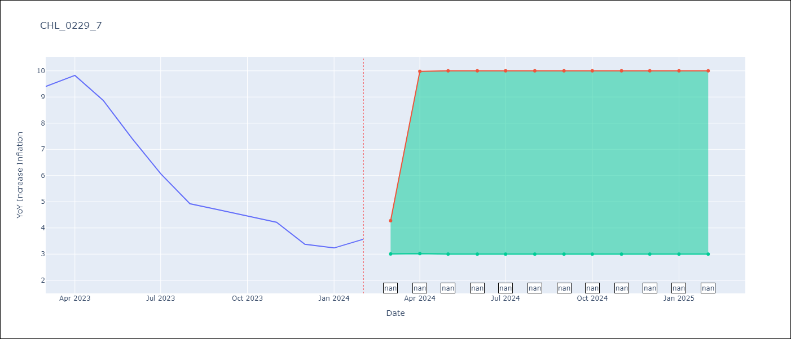

Test Metrics
RMSE | 4.02
Naive RMSE | 1.23
MAPE | 79.67%

Test Predictions
Date | Predicted | Actual
2023-03-01 | 3.95 | 6.5
2023-04-01 | 9.41 | 9.82
2023-05-01 | 9.52 | 8.87
2023-06-01 | 9.18 | 7.4
2023-07-01 | 7.74 | 6.07
2023-08-01 | 8.83 | 4.93
2023-09-01 | 9.66 | 4.69
2023-10-01 | 9.61 | 4.45
2023-11-01 | 7.2 | 4.22
2023-12-01 | 8.22 | 3.37
2024-01-01 | 9.87 | 3.23
2024-02-01 | 9.68 | 3.57

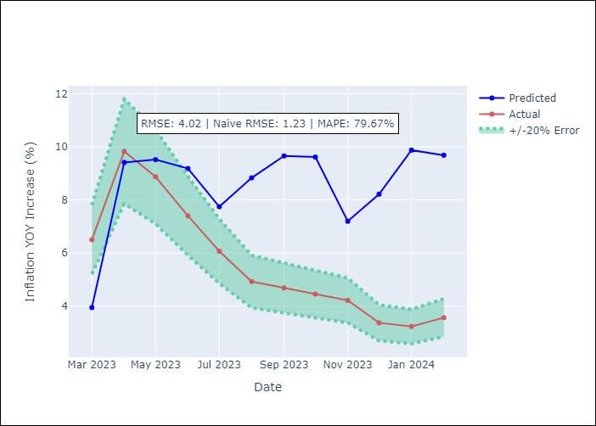

Appendix A: Model Summary
Model | VAR - 12
Sample | 2010-12-01 to 2024-02-01
No. of Observations | 159
Terms | P-value (Statistical significance)
L1.YoY Increase Inflation | 0.0011121310739
L1.M1_money_supply | 0.094095915475
L1.Price of Copper dollars per pound | 0.74155572164
L1.General wage index | 0.84362270001
L1.Wage Index_yoy % | 0.44461368331
L1.Unemployment rate | 0.35579576077
L1.Unemplyment rate yoy | 0.1140756261
L2.YoY Increase Inflation | 0.017931344621
L2.M1_money_supply | 0.37614257984
L2.Price of Copper dollars per pound | 0.30304359578
L2.General wage index | 0.58551192092
L2.Wage Index_yoy % | 0.84258390691
L2.Unemployment rate | 0.38707236732
L2.Unemplyment rate yoy | 0.41559951278
L3.YoY Increase Inflation | 0.15013363677
L3.M1_money_supply | 0.32445928674
L3.Price of Copper dollars per pound | 0.39304536775
L3.General wage index | 0.22109959283
L3.Wage Index_yoy % | 0.47987821896
L3.Unemployment rate | 0.56605657264
L3.Unemplyment rate yoy | 0.76526862092
L4.YoY Increase Inflation | 0.2312316135
L4.M1_money_supply | 0.61779395167
L4.Price of Copper dollars per pound | 0.022264865602
L4.General wage index | 0.56820889492
L4.Wage Index_yoy % | 0.5966407535
L4.Unemployment rate | 0.99950221451
L4.Unemplyment rate yoy | 0.57816591108
L5.YoY Increase Inflation | 0.0080145167251
L5.M1_money_supply | 0.69568217681
L5.Price of Copper dollars per pound | 0.38410835068
L5.General wage index | 0.29305086697
L5.Wage Index_yoy % | 0.088616111384
L5.Unemployment rate | 0.57983065248
L5.Unemplyment rate yoy | 0.48236277142
L6.YoY Increase Inflation | 0.18899355631
L6.M1_money_supply | 0.59932916307
L6.Price of Copper dollars per pound | 0.21851786787
L6.General wage index | 0.95733963117
L6.Wage Index_yoy % | 0.9491218295
L6.Unemployment rate | 0.87846896811
L6.Unemplyment rate yoy | 0.67047106444
L7.YoY Increase Inflation | 0.059644520141
L7.M1_money_supply | 0.71890585128
L7.Price of Copper dollars per pound | 0.87411955388
L7.General wage index | 0.53343955632
L7.Wage Index_yoy % | 0.91664447306
L7.Unemployment rate | 0.66366991904
L7.Unemplyment rate yoy | 0.20274226943
L8.YoY Increase Inflation | 0.29195480482
L8.M1_money_supply | 0.11376938147
L8.Price of Copper dollars per pound | 0.34049164614
L8.General wage index | 0.52901566455
L8.Wage Index_yoy % | 0.62123581613
L8.Unemployment rate | 0.93608114542
L8.Unemplyment rate yoy | 0.48291083615
L9.YoY Increase Inflation | 0.85599872408
L9.M1_money_supply | 0.29211654866
L9.Price of Copper dollars per pound | 0.91153388825
L9.General wage index | 0.91540109455
L9.Wage Index_yoy % | 0.64716835146
L9.Unemployment rate | 0.65233578061
L9.Unemplyment rate yoy | 0.13569535845
L10.YoY Increase Inflation | 0.18543179129
L10.M1_money_supply | 0.53912152194
L10.Price of Copper dollars per pound | 0.57351683258
L10.General wage index | 0.76918422372
L10.Wage Index_yoy % | 0.57985956355
L10.Unemployment rate | 0.4022437338
L10.Unemplyment rate yoy | 0.44831158689
L11.YoY Increase Inflation | 0.78567283984
L11.M1_money_supply | 0.13729008192
L11.Price of Copper dollars per pound | 0.57056780784
L11.General wage index | 0.86526122227
L11.Wage Index_yoy % | 0.49737347392
L11.Unemployment rate | 0.21394802736
L11.Unemplyment rate yoy | 0.6923420058
L12.YoY Increase Inflation | 0.47339494956
L12.M1_money_supply | 0.31708780645
L12.Price of Copper dollars per pound | 0.73923114713
L12.General wage index | 0.12146154875
L12.Wage Index_yoy % | 0.10250106208
L12.Unemployment rate | 0.69000221723
L12.Unemplyment rate yoy | 0.73359992511
Assumptions | P-value

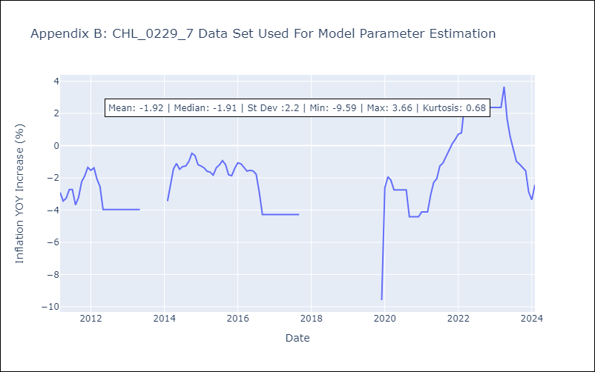

Appendix C: Residuals Analysis
Mean | -0.0
Errors AutoCorrelated? | 1.9858216276184937 | No Autocorrelation
Normal? | No

