CHL
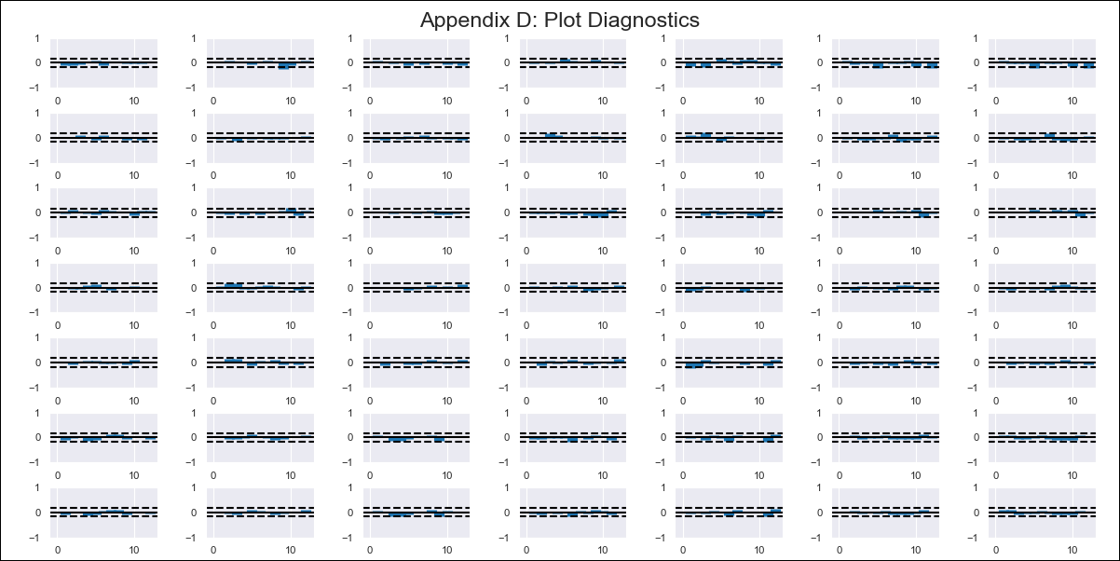
CHL - Inflation - Next 12 months forecast as of: 2024-02-01

Model | VAR - 12 | Exogenous Variables | M1_money_supply, Price of Copper dollars per pound, General wage index, Wage Index_yoy %, Unemployment rate, Unemplyment rate yoy
Training Data | 2010-12-01 to 2023-03-01
Test Data | 2023-03-01 to 2024-02-01

Date | Inflation Change YoY % | Lower Bound - 95% Confidence Interval | Upper Bound - 95% Confidence Interval
2024-03-01 | 2.3 | 1.83 | 3
2024-04-01 | 1.94 | 1.37 | 3.28
2024-05-01 | 1.5 | 1.12 | 3.04
2024-06-01 | 1.27 | 1.04 | 2.87
2024-07-01 | 1.29 | 1.02 | 4.16
2024-08-01 | 1.15 | 1.01 | 3.9
2024-09-01 | 1.08 | 1 | 3.78
2024-10-01 | 1.11 | 1 | 6.85
2024-11-01 | 1.09 | 1 | 8.84
2024-12-01 | 1.05 | 1 | 9.64
2025-01-01 | 1.04 | 1 | 11.86
2025-02-01 | 1.03 | 1 | 13.62

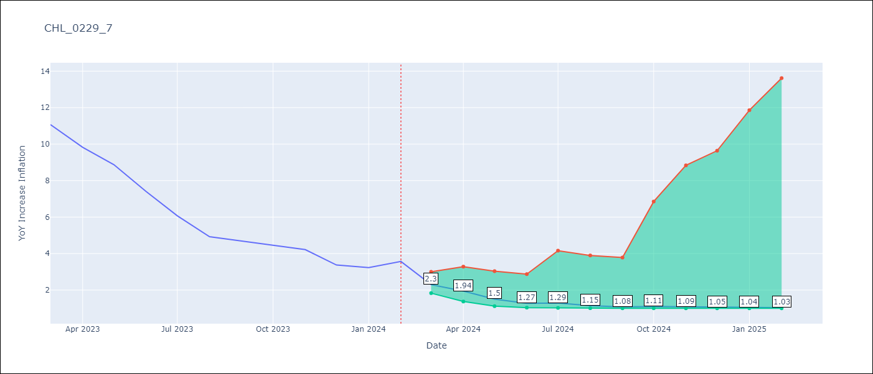

Test Metrics
RMSE | 2.76
Naive RMSE | 0.92
MAPE | 58.24%

Test Predictions
Date | Predicted | Actual
2023-03-01 | 8.77 | 11.07
2023-04-01 | 7.27 | 9.82
2023-05-01 | 4.89 | 8.87
2023-06-01 | 3.31 | 7.4
2023-07-01 | 3.41 | 6.07
2023-08-01 | 2.31 | 4.93
2023-09-01 | 1.7 | 4.69
2023-10-01 | 1.95 | 4.45
2023-11-01 | 1.79 | 4.22
2023-12-01 | 1.49 | 3.37
2024-01-01 | 1.41 | 3.23
2024-02-01 | 1.31 | 3.57

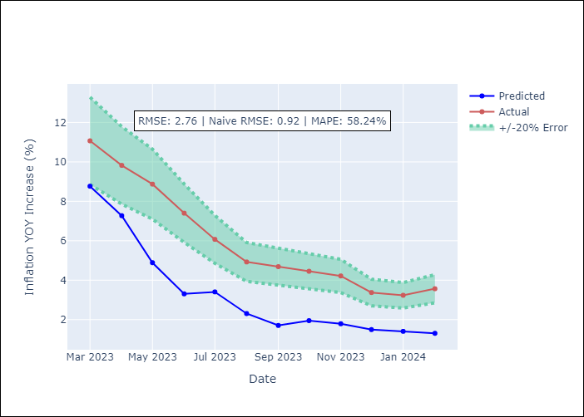

Appendix A: Model Summary
Model | VAR - 12
Sample | 2010-12-01 to 2024-02-01
No. of Observations | 159
Terms | P-value (Statistical significance)
L1.YoY Increase Inflation | 0.3097069891
L1.M1_money_supply | 0.75426403935
L1.Price of Copper dollars per pound | 0.95218967502
L1.General wage index | 0.96625396762
L1.Wage Index_yoy % | 0.50321419077
L1.Unemployment rate | 0.12647242384
L1.Unemplyment rate yoy | 0.57190728008
L2.YoY Increase Inflation | 0.027950162726
L2.M1_money_supply | 0.58071564733
L2.Price of Copper dollars per pound | 0.582225578
L2.General wage index | 0.90952298947
L2.Wage Index_yoy % | 0.53930417132
L2.Unemployment rate | 0.13548466846
L2.Unemplyment rate yoy | 0.47796352882
L3.YoY Increase Inflation | 0.92090886784
L3.M1_money_supply | 0.84676987991
L3.Price of Copper dollars per pound | 0.74127612508
L3.General wage index | 0.37968624891
L3.Wage Index_yoy % | 0.91282238925
L3.Unemployment rate | 0.86871241291
L3.Unemplyment rate yoy | 0.83166912272
L4.YoY Increase Inflation | 0.020757553804
L4.M1_money_supply | 0.19006832359
L4.Price of Copper dollars per pound | 0.52161591779
L4.General wage index | 0.17920933501
L4.Wage Index_yoy % | 0.10168664402
L4.Unemployment rate | 0.039438091164
L4.Unemplyment rate yoy | 0.28034383783
L5.YoY Increase Inflation | 0.036320567364
L5.M1_money_supply | 0.6556567745
L5.Price of Copper dollars per pound | 0.47854196831
L5.General wage index | 0.48357293935
L5.Wage Index_yoy % | 0.63778570064
L5.Unemployment rate | 0.067164690866
L5.Unemplyment rate yoy | 0.17202541389
L6.YoY Increase Inflation | 0.55664581873
L6.M1_money_supply | 0.28460497651
L6.Price of Copper dollars per pound | 0.12823405756
L6.General wage index | 0.088923777801
L6.Wage Index_yoy % | 0.60106110592
L6.Unemployment rate | 0.89130407543
L6.Unemplyment rate yoy | 0.3397912393
L7.YoY Increase Inflation | 0.15568326723
L7.M1_money_supply | 0.80905233195
L7.Price of Copper dollars per pound | 0.0089061426922
L7.General wage index | 0.12437245141
L7.Wage Index_yoy % | 0.18117684696
L7.Unemployment rate | 0.05585273564
L7.Unemplyment rate yoy | 0.43983519711
L8.YoY Increase Inflation | 0.69531114597
L8.M1_money_supply | 0.28662893756
L8.Price of Copper dollars per pound | 0.47930739889
L8.General wage index | 0.23012039747
L8.Wage Index_yoy % | 0.039553493227
L8.Unemployment rate | 0.12690809447
L8.Unemplyment rate yoy | 0.18765932067
L9.YoY Increase Inflation | 0.047223004095
L9.M1_money_supply | 0.52372617033
L9.Price of Copper dollars per pound | 0.28265565076
L9.General wage index | 0.62356345225
L9.Wage Index_yoy % | 0.54936162371
L9.Unemployment rate | 0.59480313214
L9.Unemplyment rate yoy | 0.55556683278
L10.YoY Increase Inflation | 0.61701889271
L10.M1_money_supply | 0.046159814014
L10.Price of Copper dollars per pound | 0.71411355111
L10.General wage index | 0.30954771717
L10.Wage Index_yoy % | 0.48806927537
L10.Unemployment rate | 0.083811489959
L10.Unemplyment rate yoy | 0.038968326472
L11.YoY Increase Inflation | 0.29646098618
L11.M1_money_supply | 0.2983527573
L11.Price of Copper dollars per pound | 0.16572418647
L11.General wage index | 0.28876614011
L11.Wage Index_yoy % | 0.092258195393
L11.Unemployment rate | 0.9633064684
L11.Unemplyment rate yoy | 0.39068330167
L12.YoY Increase Inflation | 0.089942947944
L12.M1_money_supply | 0.63162234724
L12.Price of Copper dollars per pound | 0.40969170649
L12.General wage index | 0.65946025428
L12.Wage Index_yoy % | 0.87339545253
L12.Unemployment rate | 0.43909007826
L12.Unemplyment rate yoy | 0.022123216918
Assumptions | P-value

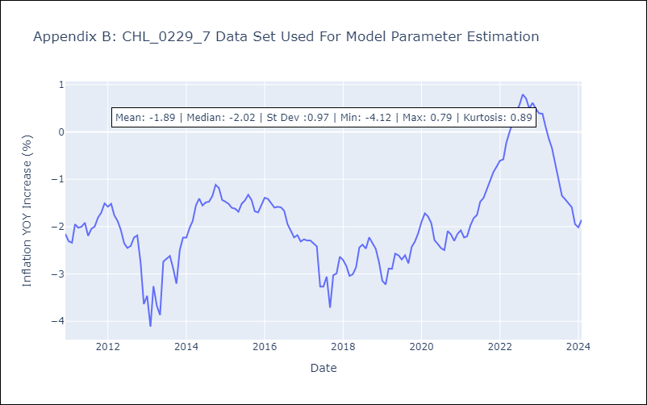

Appendix C: Residuals Analysis
Mean | -0.0
Errors AutoCorrelated? | 2.1660828086617308 | No Autocorrelation
Normal? | No

