CHL
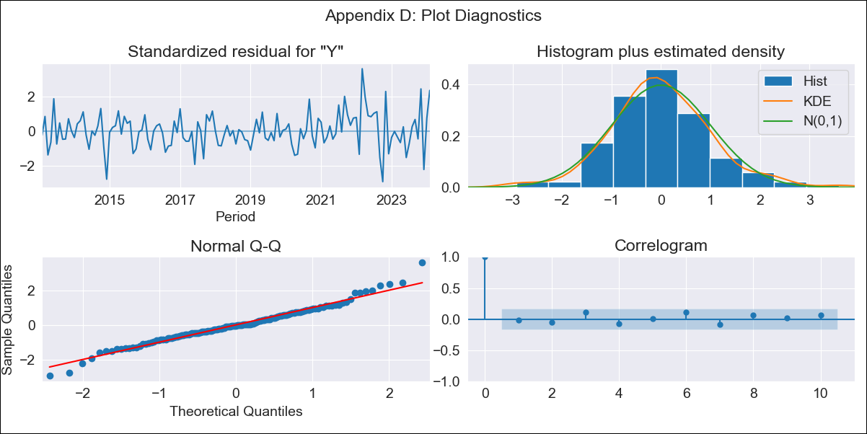
CHL - Inflation - Next 12 months forecast as of: 2024-02-01

Model | ARIMA - [(2, 0, 1), (2, 0, 0, 12)]
Training Data | 2010-12-01 to 2023-03-01
Test Data | 2023-03-01 to 2024-02-01

Date | Inflation Change YoY % | Lower Bound - 95% Confidence Interval | Upper Bound - 95% Confidence Interval
2024-03-01 | 3.66 | 2.99 | 4.33
2024-04-01 | 3.88 | 2.8 | 4.95
2024-05-01 | 3.92 | 2.45 | 5.39
2024-06-01 | 4.31 | 2.45 | 6.17
2024-07-01 | 4.69 | 2.44 | 6.94
2024-08-01 | 4.85 | 2.21 | 7.49
2024-09-01 | 4.81 | 1.79 | 7.84
2024-10-01 | 4.93 | 1.53 | 8.34
2024-11-01 | 4.63 | 0.86 | 8.4
2024-12-01 | 5.04 | 0.92 | 9.16
2025-01-01 | 4.97 | 0.5 | 9.43
2025-02-01 | 4.47 | -0.32 | 9.26

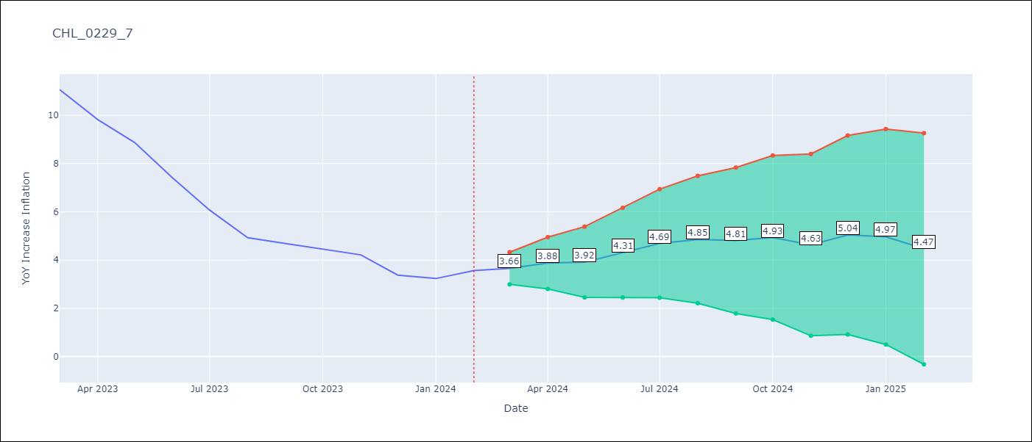

Test Metrics
RMSE | 2.14
Naive RMSE | 0.92
MAPE | 37.94%

Test Predictions
Date | Predicted | Actual
2023-03-01 | 10.99 | 11.07
2023-04-01 | 9.77 | 9.82
2023-05-01 | 8.53 | 8.87
2023-06-01 | 7.29 | 7.4
2023-07-01 | 5.98 | 6.07
2023-08-01 | 4.49 | 4.93
2023-09-01 | 3.73 | 4.69
2023-10-01 | 3.25 | 4.45
2023-11-01 | 1.62 | 4.22
2023-12-01 | 0.76 | 3.37
2024-01-01 | -0.28 | 3.23
2024-02-01 | -1.55 | 3.57

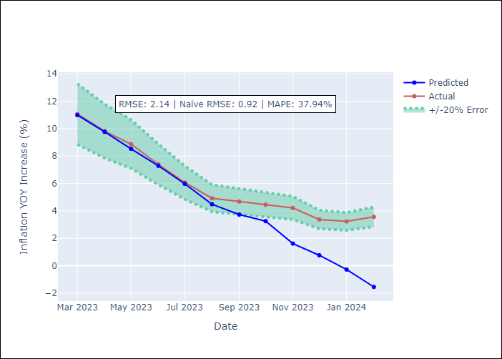

Appendix A: Model Summary
Model | ARIMA(2, 0, 1)x(2, 0, [], 12)
Sample | 12-01-2010- 02-01-2024
No. of Observations | 159
Terms | P-value (Statistical significance)
const | 0.000
ar.L1 | 0.000
ar.L2 | 0.000
ma.L1 | 0.000
ar.S.L12 | 0.000
ar.S.L24 | 0.002
sigma2 | 0.000
Assumptions | P-value

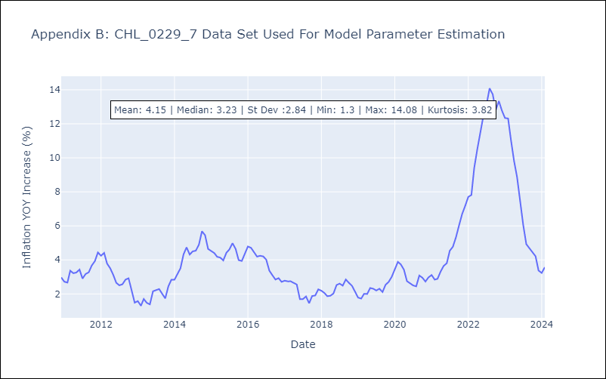

Appendix C: Residuals Analysis
Mean | -0.0

Normal? | No

