CHL
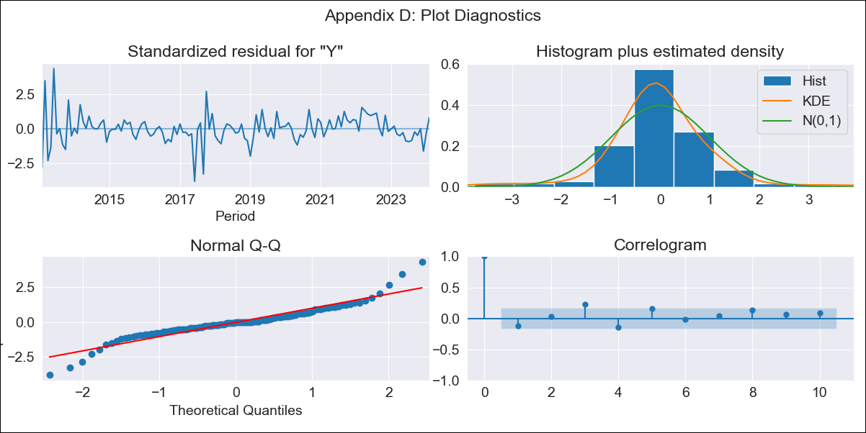
CHL - Inflation - Next 12 months forecast as of: 2024-02-01

Model | ARIMA - [(2, 0, 1), (2, 0, 0, 12)]
Training Data | 2010-12-01 to 2023-03-01
Test Data | 2023-03-01 to 2024-02-01

Date | Inflation Change YoY % | Lower Bound - 95% Confidence Interval | Upper Bound - 95% Confidence Interval
2024-03-01 | 3.75 | 2.85 | 4.98
2024-04-01 | 3.95 | 2.66 | 5.95
2024-05-01 | 4.11 | 2.52 | 6.8
2024-06-01 | 4.41 | 2.49 | 7.82
2024-07-01 | 4.74 | 2.5 | 8.84
2024-08-01 | 5.09 | 2.52 | 9.82
2024-09-01 | 5.19 | 2.44 | 10.38
2024-10-01 | 5.31 | 2.39 | 10.92
2024-11-01 | 5.4 | 2.33 | 11.37
2024-12-01 | 5.86 | 2.42 | 12.28
2025-01-01 | 5.97 | 2.39 | 12.67
2025-02-01 | 5.75 | 2.25 | 12.64

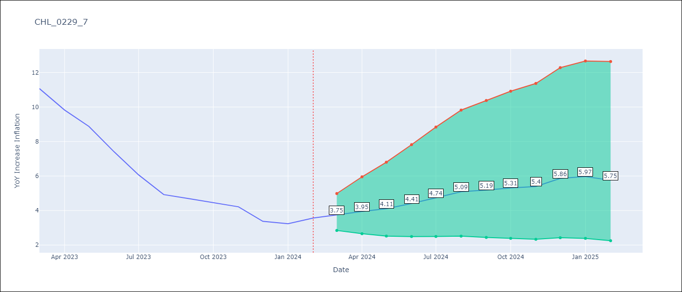

Test Metrics
RMSE | 7.19
Naive RMSE | 0.92
MAPE | 150.49%

Test Predictions
Date | Predicted | Actual
2023-03-01 | 12.06 | 11.07
2023-04-01 | 11.96 | 9.82
2023-05-01 | 11.89 | 8.87
2023-06-01 | 11.83 | 7.4
2023-07-01 | 11.87 | 6.07
2023-08-01 | 11.79 | 4.93
2023-09-01 | 12.16 | 4.69
2023-10-01 | 12.72 | 4.45
2023-11-01 | 12.79 | 4.22
2023-12-01 | 13.21 | 3.37
2024-01-01 | 13.57 | 3.23
2024-02-01 | 13.81 | 3.57

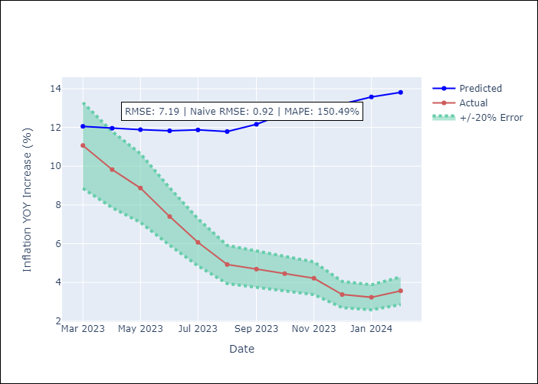

Appendix A: Model Summary
Model | ARIMA(2, 0, 1)x(2, 0, [], 12)
Sample | 12-01-2010- 02-01-2024
No. of Observations | 159
Terms | P-value (Statistical significance)
const | 0.244
ar.L1 | 0.000
ar.L2 | 0.050
ma.L1 | 0.094
ar.S.L12 | 0.000
ar.S.L24 | 0.707
sigma2 | 0.400
Assumptions | P-value

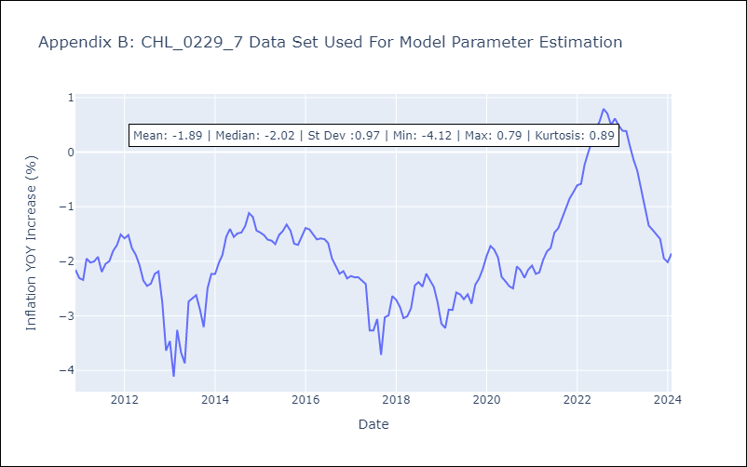

Appendix C: Residuals Analysis
Mean | -0.01

Normal? | No

