CHL
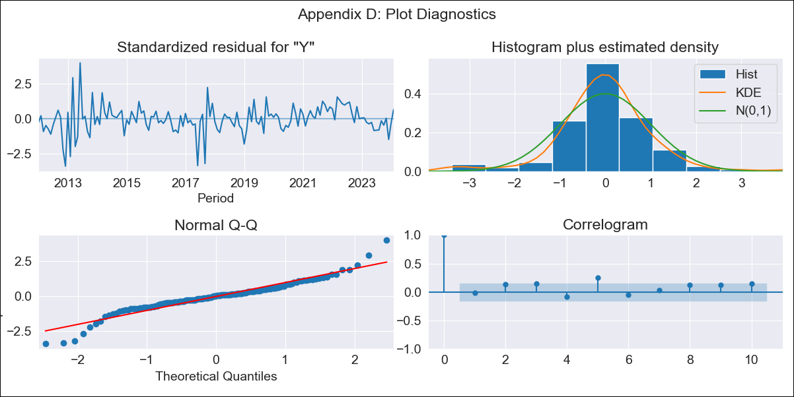
CHL - Inflation - Next 12 months forecast as of: 2024-02-01

Model | ARIMA - [(1, 0, 0), (0, 0, 1, 12)]
Training Data | 2010-12-01 to 2023-03-01
Test Data | 2023-03-01 to 2024-02-01

Date | Inflation Change YoY % | Lower Bound - 95% Confidence Interval | Upper Bound - 95% Confidence Interval
2024-03-01 | 3.65 | 2.74 | 4.91
2024-04-01 | 3.75 | 2.53 | 5.7
2024-05-01 | 3.83 | 2.38 | 6.35
2024-06-01 | 4.08 | 2.36 | 7.21
2024-07-01 | 4.33 | 2.35 | 8.05
2024-08-01 | 4.58 | 2.35 | 8.86
2024-09-01 | 4.63 | 2.27 | 9.3
2024-10-01 | 4.78 | 2.25 | 9.88
2024-11-01 | 4.76 | 2.17 | 10.16
2024-12-01 | 5.28 | 2.28 | 11.23
2025-01-01 | 5.37 | 2.25 | 11.63
2025-02-01 | 5.12 | 2.11 | 11.51

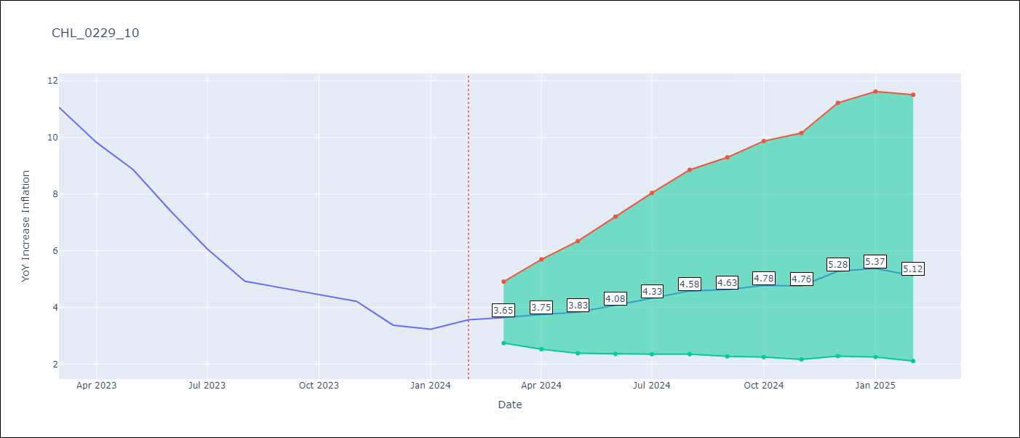

Test Metrics
RMSE | 4.87
Naive RMSE | 0.92
MAPE | 101.88%

Test Predictions
Date | Predicted | Actual
2023-03-01 | 11.71 | 11.07
2023-04-01 | 11.21 | 9.82
2023-05-01 | 10.84 | 8.87
2023-06-01 | 10.51 | 7.4
2023-07-01 | 10.15 | 6.07
2023-08-01 | 9.74 | 4.93
2023-09-01 | 9.76 | 4.69
2023-10-01 | 10.1 | 4.45
2023-11-01 | 9.86 | 4.22
2023-12-01 | 10.06 | 3.37
2024-01-01 | 10.22 | 3.23
2024-02-01 | 10.36 | 3.57

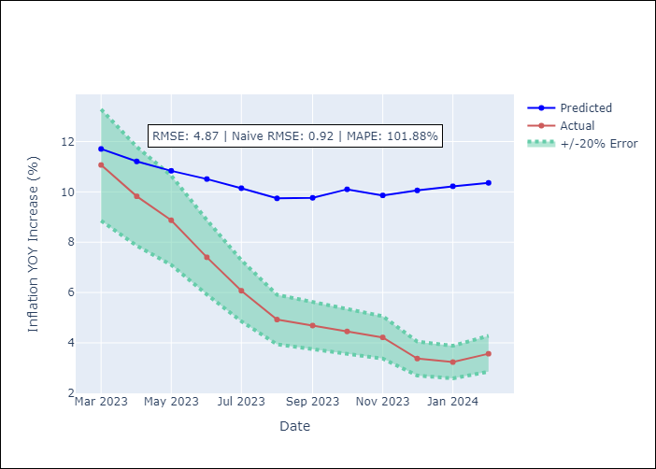

Appendix A: Model Summary
Model | ARIMA(1, 0, 0)x(0, 0, [1], 12)
Sample | 12-01-2010- 02-01-2024
No. of Observations | 159
Terms | P-value (Statistical significance)
const | 0.231
ar.L1 | 0.000
ma.S.L12 | 0.000
sigma2 | 0.000
Assumptions | P-value

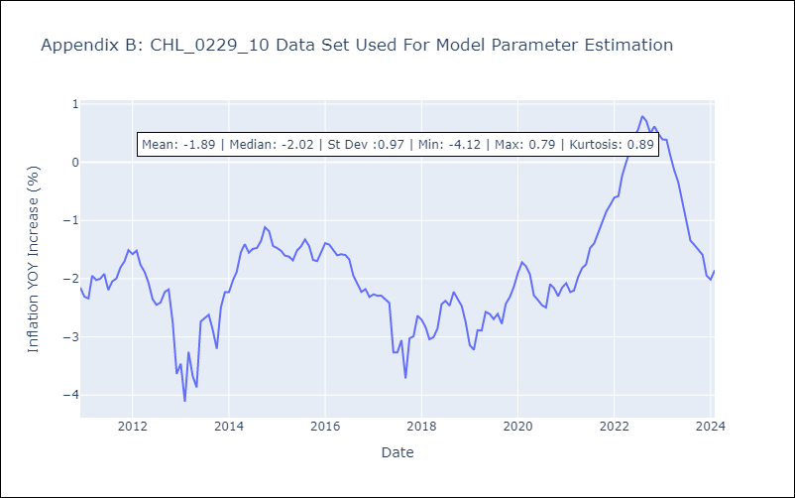

Appendix C: Residuals Analysis
Mean | -0.01

Normal? | No

