CHL
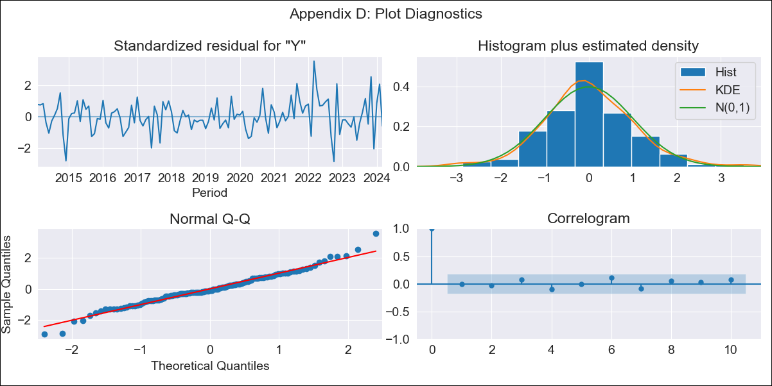
CHL - Inflation - Next 12 months forecast as of: 2024-03-01

Model | ARIMA - [(2, 0, 1), (3, 0, 0, 12)]
Training Data | 2010-12-01 to 2023-04-01
Test Data | 2023-04-01 to 2024-03-01

Date | Inflation Change YoY % | Lower Bound - 95% Confidence Interval | Upper Bound - 95% Confidence Interval
2024-04-01 | 3.14 | 2.47 | 3.81
2024-05-01 | 2.92 | 1.85 | 4
2024-06-01 | 3.11 | 1.64 | 4.58
2024-07-01 | 3.23 | 1.38 | 5.09
2024-08-01 | 3.16 | 0.91 | 5.41
2024-09-01 | 3.03 | 0.39 | 5.68
2024-10-01 | 3.15 | 0.11 | 6.19
2024-11-01 | 2.57 | -0.86 | 6
2024-12-01 | 2.97 | -0.84 | 6.77
2025-01-01 | 2.82 | -1.36 | 7
2025-02-01 | 2.23 | -2.31 | 6.77
2025-03-01 | 2.43 | -2.46 | 7.32

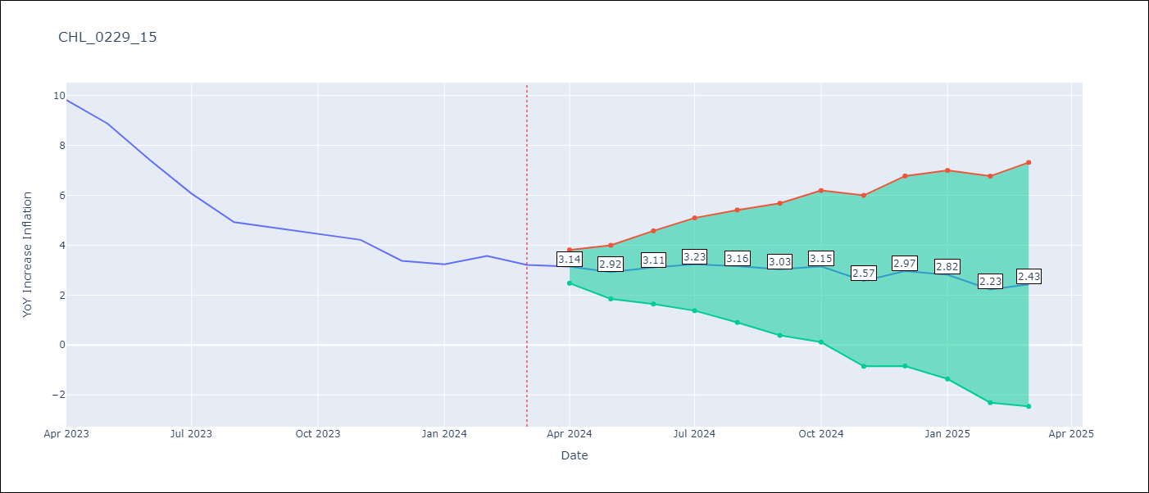

Test Metrics
RMSE | 0.77
Naive RMSE | 0.86
MAPE | 14.52%

Test Predictions
Date | Predicted | Actual
2023-04-01 | 9.98 | 9.82
2023-05-01 | 8.98 | 8.87
2023-06-01 | 7.97 | 7.4
2023-07-01 | 6.86 | 6.07
2023-08-01 | 5.67 | 4.93
2023-09-01 | 5.14 | 4.69
2023-10-01 | 5.03 | 4.45
2023-11-01 | 3.81 | 4.22
2023-12-01 | 3.38 | 3.37
2024-01-01 | 2.8 | 3.23
2024-02-01 | 2.14 | 3.57
2024-03-01 | 1.61 | 3.21

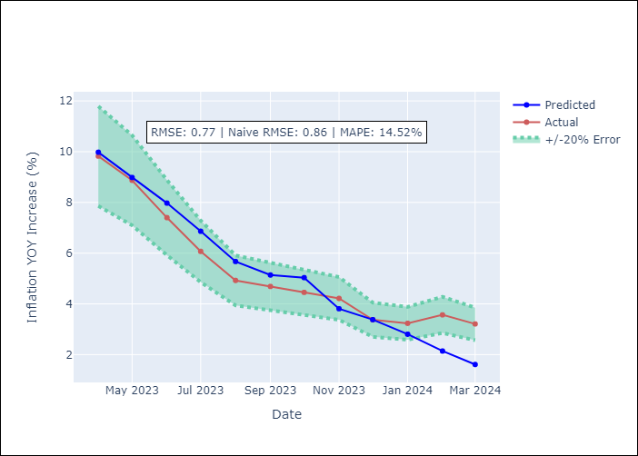

Appendix A: Model Summary
Model | ARIMA(2, 0, 1)x(3, 0, [], 12)
Sample | 12-01-2010- 03-01-2024
No. of Observations | 160
Terms | P-value (Statistical significance)
const | 0.000
ar.L1 | 0.000
ar.L2 | 0.000
ma.L1 | 0.000
ar.S.L12 | 0.000
ar.S.L24 | 0.000
ar.S.L36 | 0.172
sigma2 | 0.000
Assumptions | P-value

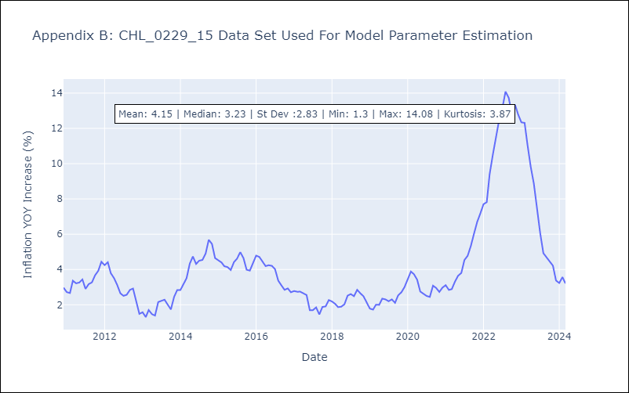

Appendix C: Residuals Analysis
Mean | -0.0

Normal? | Yes

