CHL
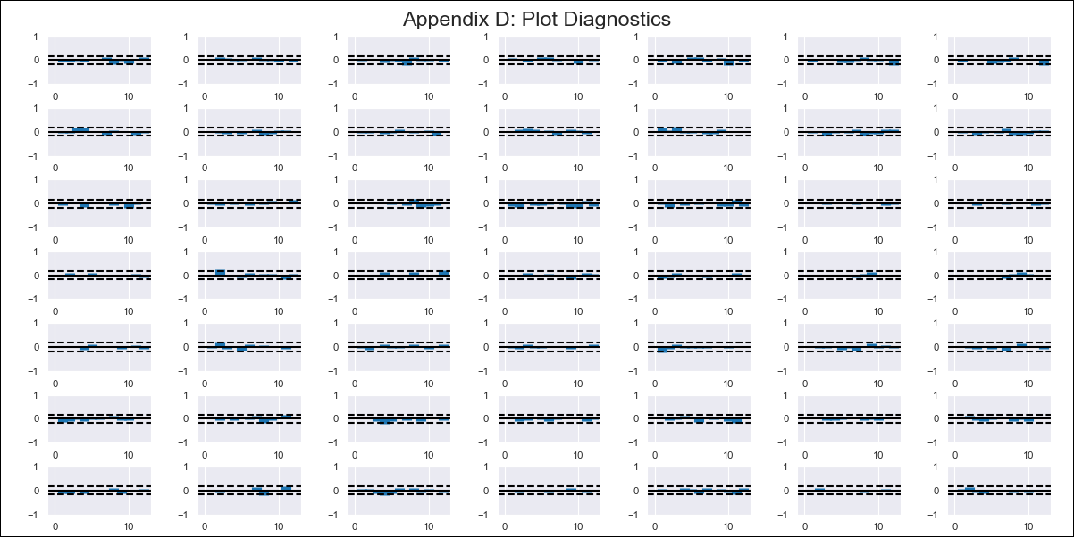
CHL - Inflation - Next 12 months forecast as of: 2024-02-01

Model | VAR - 12 | Exogenous Variables | M1_money_supply, Price of Copper dollars per pound, General wage index, Wage Index_yoy %, Unemployment rate, Unemplyment rate yoy
Training Data | 2010-12-01 to 2023-03-01
Test Data | 2023-03-01 to 2024-02-01

Date | Inflation Change YoY % | Lower Bound - 95% Confidence Interval | Upper Bound - 95% Confidence Interval
2024-03-01 | 2.07 | 1.49 | 2.65
2024-04-01 | 1.31 | 0.07 | 2.55
2024-05-01 | -0.04 | -1.95 | 1.88
2024-06-01 | -1.63 | -4.26 | 1
2024-07-01 | -1.92 | -5.28 | 1.43
2024-08-01 | -3.67 | -7.76 | 0.42
2024-09-01 | -4.56 | -9.45 | 0.33
2024-10-01 | -3.88 | -9.6 | 1.84
2024-11-01 | -4.47 | -11.04 | 2.09
2024-12-01 | -4.9 | -12.34 | 2.54
2025-01-01 | -5.23 | -13.56 | 3.09
2025-02-01 | -5.63 | -14.86 | 3.6

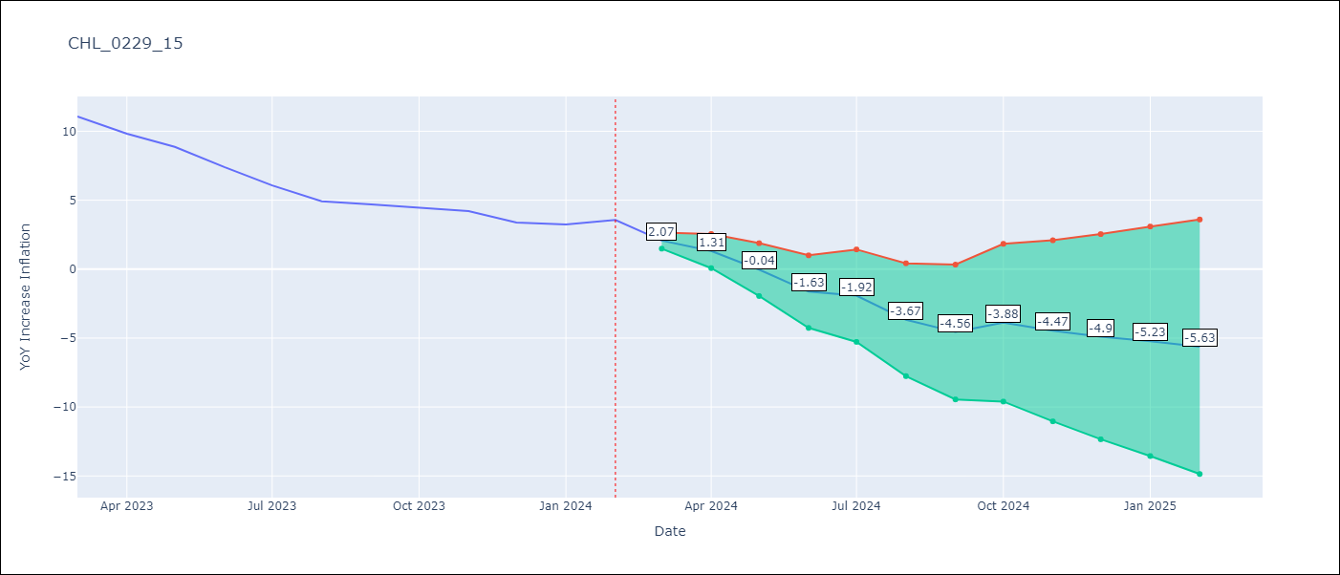

Test Metrics
RMSE | 0.38
Naive RMSE | 0.92
MAPE | 6.85%

Test Predictions
Date | Predicted | Actual
2023-03-01 | 10.82 | 11.07
2023-04-01 | 10.06 | 9.82
2023-05-01 | 8.71 | 8.87
2023-06-01 | 7.12 | 7.4
2023-07-01 | 6.82 | 6.07
2023-08-01 | 5.08 | 4.93
2023-09-01 | 4.19 | 4.69
2023-10-01 | 4.86 | 4.45
2023-11-01 | 4.27 | 4.22
2023-12-01 | 3.85 | 3.37
2024-01-01 | 3.51 | 3.23
2024-02-01 | 3.12 | 3.57

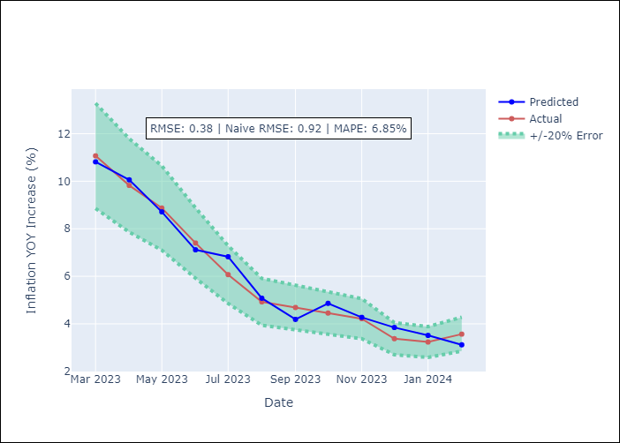

Appendix A: Model Summary
Model | VAR - 12
Sample | 2010-12-01 to 2024-02-01
No. of Observations | 159
Terms | P-value (Statistical significance)
L1.YoY Increase Inflation | 0.0003704702133
L1.M1_money_supply | 0.88498719529
L1.Price of Copper dollars per pound | 0.55294107033
L1.General wage index | 0.65709341012
L1.Wage Index_yoy % | 0.93461839017
L1.Unemployment rate | 0.19804016097
L1.Unemplyment rate yoy | 0.98912899137
L2.YoY Increase Inflation | 0.54870851717
L2.M1_money_supply | 0.35530734215
L2.Price of Copper dollars per pound | 0.92553879122
L2.General wage index | 0.86435974721
L2.Wage Index_yoy % | 0.32330275513
L2.Unemployment rate | 0.06807138546
L2.Unemplyment rate yoy | 0.28985348978
L3.YoY Increase Inflation | 0.58175033518
L3.M1_money_supply | 0.31478455651
L3.Price of Copper dollars per pound | 0.52293144222
L3.General wage index | 0.4166544866
L3.Wage Index_yoy % | 0.92667486541
L3.Unemployment rate | 0.3438218634
L3.Unemplyment rate yoy | 0.76205998218
L4.YoY Increase Inflation | 0.64259236502
L4.M1_money_supply | 0.37250909296
L4.Price of Copper dollars per pound | 0.95277586733
L4.General wage index | 0.18581970763
L4.Wage Index_yoy % | 0.36473271741
L4.Unemployment rate | 0.3118938278
L4.Unemplyment rate yoy | 0.48496499932
L5.YoY Increase Inflation | 0.2122528457
L5.M1_money_supply | 0.61229275101
L5.Price of Copper dollars per pound | 0.95559493148
L5.General wage index | 0.80867650338
L5.Wage Index_yoy % | 0.45469008438
L5.Unemployment rate | 0.05131548115
L5.Unemplyment rate yoy | 0.013294518558
L6.YoY Increase Inflation | 0.98770543891
L6.M1_money_supply | 0.64911046206
L6.Price of Copper dollars per pound | 0.3621618111
L6.General wage index | 0.0044367039072
L6.Wage Index_yoy % | 0.061113615542
L6.Unemployment rate | 0.3828583846
L6.Unemplyment rate yoy | 0.39833807912
L7.YoY Increase Inflation | 0.12297557535
L7.M1_money_supply | 0.16344089244
L7.Price of Copper dollars per pound | 0.49810633284
L7.General wage index | 0.35648932536
L7.Wage Index_yoy % | 0.31389279826
L7.Unemployment rate | 0.57104576839
L7.Unemplyment rate yoy | 0.97816957476
L8.YoY Increase Inflation | 0.14858290629
L8.M1_money_supply | 0.3335166122
L8.Price of Copper dollars per pound | 0.66795008588
L8.General wage index | 0.40823732748
L8.Wage Index_yoy % | 0.16184401329
L8.Unemployment rate | 0.082803418679
L8.Unemplyment rate yoy | 0.3777770814
L9.YoY Increase Inflation | 0.95659216679
L9.M1_money_supply | 0.31792813555
L9.Price of Copper dollars per pound | 0.99201629586
L9.General wage index | 0.62906284876
L9.Wage Index_yoy % | 0.59686112884
L9.Unemployment rate | 0.17740414488
L9.Unemplyment rate yoy | 0.81016575584
L10.YoY Increase Inflation | 0.11650580037
L10.M1_money_supply | 0.58425445628
L10.Price of Copper dollars per pound | 0.81427504678
L10.General wage index | 0.48632217075
L10.Wage Index_yoy % | 0.59039121159
L10.Unemployment rate | 0.27363132996
L10.Unemplyment rate yoy | 0.076733046783
L11.YoY Increase Inflation | 0.78043063586
L11.M1_money_supply | 0.35544514368
L11.Price of Copper dollars per pound | 0.11095384277
L11.General wage index | 0.19155347374
L11.Wage Index_yoy % | 0.030277192855
L11.Unemployment rate | 0.19202280251
L11.Unemplyment rate yoy | 0.59614893643
L12.YoY Increase Inflation | 0.015576919851
L12.M1_money_supply | 0.33712394907
L12.Price of Copper dollars per pound | 0.98016436432
L12.General wage index | 0.23706334128
L12.Wage Index_yoy % | 0.88651255224
L12.Unemployment rate | 0.86495403377
L12.Unemplyment rate yoy | 0.012721769468
Assumptions | P-value

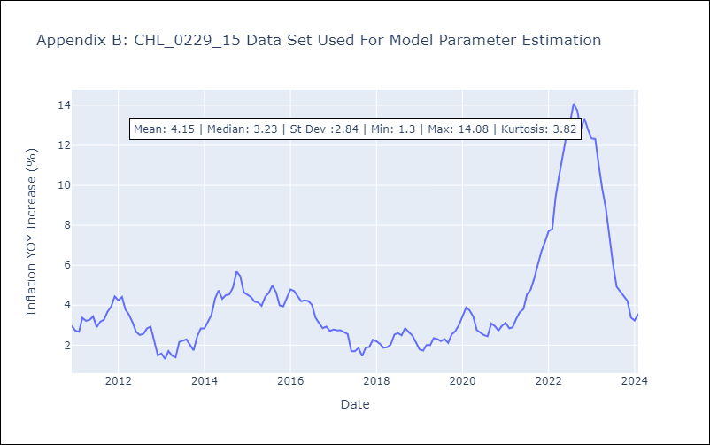

Appendix C: Residuals Analysis
Mean | -0.0
Errors AutoCorrelated? | 2.125552810256315 | No Autocorrelation
Normal? | No

