CHL
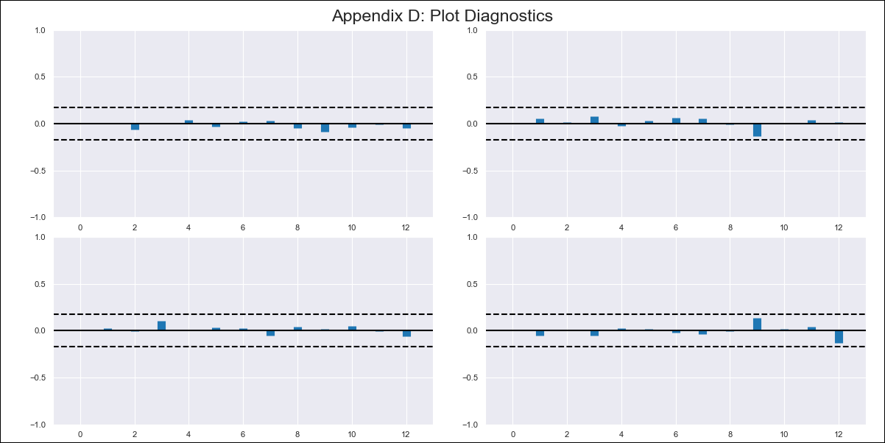
CHL - Inflation - Next 12 months forecast as of: 2024-02-01

Model | VAR - 12 | Exogenous Variables | M1_money_supply
Training Data | 2010-12-01 to 2023-03-01
Test Data | 2023-03-01 to 2024-02-01

Date | Inflation Change YoY % | Lower Bound - 95% Confidence Interval | Upper Bound - 95% Confidence Interval
2024-03-01 | 2.42 | 1.78 | 3.07
2024-04-01 | 1.64 | 0.3 | 2.98
2024-05-01 | 0.78 | -1.28 | 2.83
2024-06-01 | -0.57 | -3.38 | 2.24
2024-07-01 | -1.32 | -4.89 | 2.25
2024-08-01 | -2.78 | -7.12 | 1.56
2024-09-01 | -3.6 | -8.73 | 1.53
2024-10-01 | -3.62 | -9.55 | 2.31
2024-11-01 | -4.56 | -11.31 | 2.19
2024-12-01 | -4.94 | -12.52 | 2.64
2025-01-01 | -5.25 | -13.68 | 3.17
2025-02-01 | -6.01 | -15.3 | 3.28

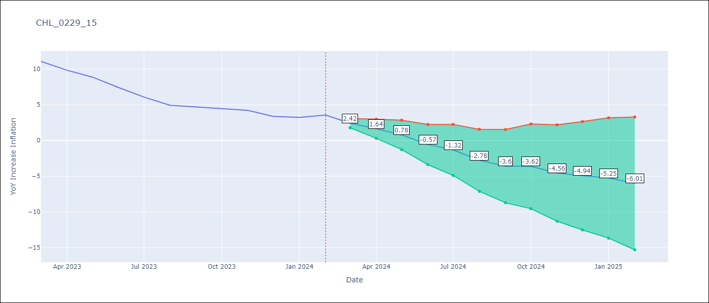

Test Metrics
RMSE | 0.7
Naive RMSE | 0.92
MAPE | 11.48%

Test Predictions
Date | Predicted | Actual
2023-03-01 | 11.17 | 11.07
2023-04-01 | 10.39 | 9.82
2023-05-01 | 9.53 | 8.87
2023-06-01 | 8.18 | 7.4
2023-07-01 | 7.42 | 6.07
2023-08-01 | 5.97 | 4.93
2023-09-01 | 5.15 | 4.69
2023-10-01 | 5.12 | 4.45
2023-11-01 | 4.19 | 4.22
2023-12-01 | 3.81 | 3.37
2024-01-01 | 3.49 | 3.23
2024-02-01 | 2.74 | 3.57

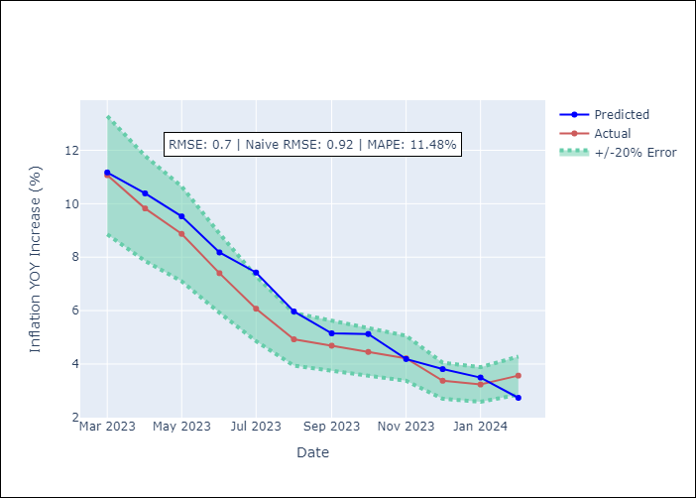

Appendix A: Model Summary
Model | VAR - 12
Sample | 2010-12-01 to 2024-02-01
No. of Observations | 159
Terms | P-value (Statistical significance)
L1.YoY Increase Inflation | 0.00014286188744
L1.M1_money_supply | 0.020122198945
L2.YoY Increase Inflation | 0.72606364885
L2.M1_money_supply | 0.72159147311
L3.YoY Increase Inflation | 0.11378549406
L3.M1_money_supply | 0.054167987998
L4.YoY Increase Inflation | 0.41535176862
L4.M1_money_supply | 0.48912621879
L5.YoY Increase Inflation | 0.23806588684
L5.M1_money_supply | 0.24607560569
L6.YoY Increase Inflation | 0.73488735012
L6.M1_money_supply | 0.74576900166
L7.YoY Increase Inflation | 0.27841982602
L7.M1_money_supply | 0.67263629831
L8.YoY Increase Inflation | 0.047857554401
L8.M1_money_supply | 0.51385125141
L9.YoY Increase Inflation | 0.9121243086
L9.M1_money_supply | 0.33215037525
L10.YoY Increase Inflation | 0.14364231902
L10.M1_money_supply | 0.31659343423
L11.YoY Increase Inflation | 0.63949341637
L11.M1_money_supply | 0.67149488107
L12.YoY Increase Inflation | 1.9311235537E-07
L12.M1_money_supply | 0.25279669796
Assumptions | P-value

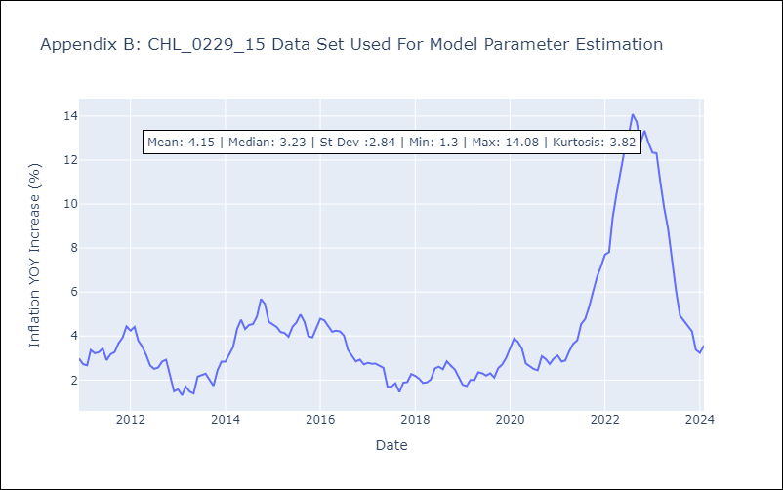

Appendix C: Residuals Analysis
Mean | 0.0
Errors AutoCorrelated? | 1.9827900258136677 | No Autocorrelation
Normal? | No

