CHL
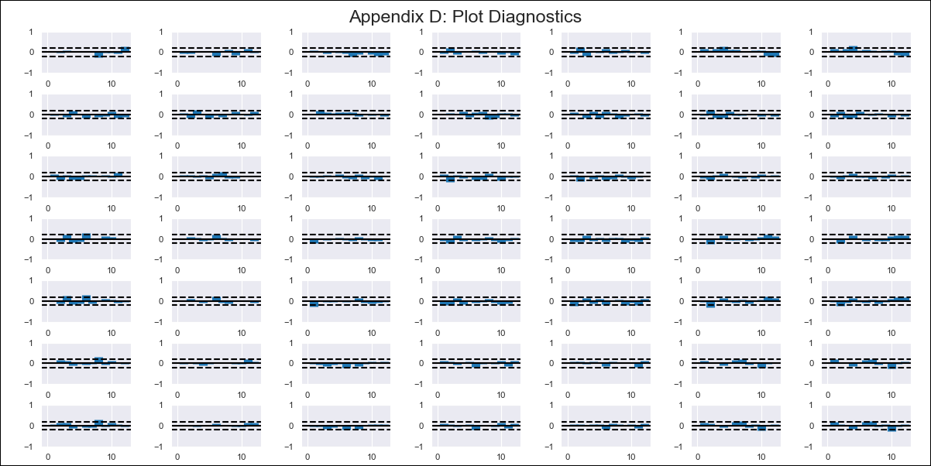
CHL - Inflation - Next 12 months forecast as of: 2021-12-01

Model | VAR - 12 | Exogenous Variables | M1_money_supply, Price of Copper dollars per pound, General wage index, Wage Index_yoy %, Unemployment rate, Unemplyment rate yoy
Training Data | 2010-12-01 to 2021-01-01
Test Data | 2021-01-01 to 2021-12-01

Date | Inflation Change YoY % | Lower Bound - 95% Confidence Interval | Upper Bound - 95% Confidence Interval
2022-01-01 | 6.1 | 5.59 | 6.61
2022-02-01 | 4.89 | 4.88 | 7.03
2022-03-01 | 3.76 | 4.31 | 7.78
2022-04-01 | 3.7 | 4.67 | 9.55
2022-05-01 | 5.24 | 5.53 | 11.91
2022-06-01 | 7.08 | 5.03 | 13
2022-07-01 | 9.86 | 5.14 | 14.78
2022-08-01 | 11.56 | 3.17 | 14.57
2022-09-01 | 11.02 | 0.01 | 13.24
2022-10-01 | 10.78 | -0.65 | 14.53
2022-11-01 | 8.07 | -4.16 | 13.09
2022-12-01 | 3.14 | -7.46 | 11.95

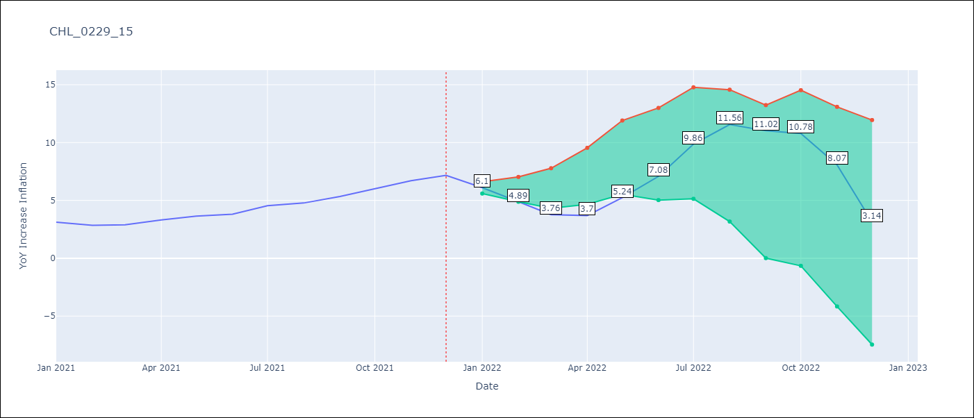

Test Metrics
RMSE | 4.27
Naive RMSE | 0.45
MAPE | 73.28%

Test Predictions
Date | Predicted | Actual
2021-01-01 | 1.68 | 3.11
2021-02-01 | 0.23 | 2.84
2021-03-01 | -1.12 | 2.89
2021-04-01 | -1.41 | 3.32
2021-05-01 | -0.09 | 3.65
2021-06-01 | 1.52 | 3.8
2021-07-01 | 4.08 | 4.54
2021-08-01 | 5.55 | 4.78
2021-09-01 | 4.78 | 5.34
2021-10-01 | 4.32 | 6.03
2021-11-01 | 1.38 | 6.7
2021-12-01 | -3.78 | 7.17

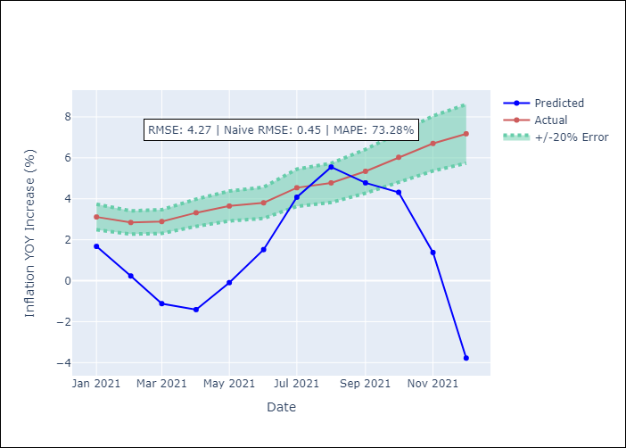

Appendix A: Model Summary
Model | VAR - 12
Sample | 2010-12-01 to 2021-12-01
No. of Observations | 133
Terms | P-value (Statistical significance)
L1.YoY Increase Inflation | 0.40599595973
L1.M1_money_supply | 0.53358613387
L1.Price of Copper dollars per pound | 0.5358344805
L1.General wage index | 0.62588286929
L1.Wage Index_yoy % | 0.88168055057
L1.Unemployment rate | 0.63923733368
L1.Unemplyment rate yoy | 0.9964193464
L2.YoY Increase Inflation | 0.16715848868
L2.M1_money_supply | 0.59050649057
L2.Price of Copper dollars per pound | 0.83495763682
L2.General wage index | 0.75434821368
L2.Wage Index_yoy % | 0.69341551656
L2.Unemployment rate | 0.82642508446
L2.Unemplyment rate yoy | 0.38491821426
L3.YoY Increase Inflation | 0.34471716283
L3.M1_money_supply | 0.26539675293
L3.Price of Copper dollars per pound | 0.55991231948
L3.General wage index | 0.82494403071
L3.Wage Index_yoy % | 0.98990219043
L3.Unemployment rate | 0.34950882307
L3.Unemplyment rate yoy | 0.42391909217
L4.YoY Increase Inflation | 0.53047686135
L4.M1_money_supply | 0.68835448108
L4.Price of Copper dollars per pound | 0.91148278591
L4.General wage index | 0.41823930398
L4.Wage Index_yoy % | 0.48759259687
L4.Unemployment rate | 0.68436129236
L4.Unemplyment rate yoy | 0.57035136011
L5.YoY Increase Inflation | 0.87448328447
L5.M1_money_supply | 0.32589425794
L5.Price of Copper dollars per pound | 0.95053889411
L5.General wage index | 0.4237024646
L5.Wage Index_yoy % | 0.5603231128
L5.Unemployment rate | 0.79602918645
L5.Unemplyment rate yoy | 0.59838443639
L6.YoY Increase Inflation | 0.60241085177
L6.M1_money_supply | 0.32422163791
L6.Price of Copper dollars per pound | 0.45293658751
L6.General wage index | 0.70424970278
L6.Wage Index_yoy % | 0.72958180845
L6.Unemployment rate | 0.44926548823
L6.Unemplyment rate yoy | 0.99865144662
L7.YoY Increase Inflation | 0.92805102497
L7.M1_money_supply | 0.77507005109
L7.Price of Copper dollars per pound | 0.2541275672
L7.General wage index | 0.72715429399
L7.Wage Index_yoy % | 0.81714720679
L7.Unemployment rate | 0.63960276332
L7.Unemplyment rate yoy | 0.89474104482
L8.YoY Increase Inflation | 0.51885460293
L8.M1_money_supply | 0.38699156161
L8.Price of Copper dollars per pound | 0.40812892947
L8.General wage index | 0.97434614805
L8.Wage Index_yoy % | 0.79529252715
L8.Unemployment rate | 0.86313738616
L8.Unemplyment rate yoy | 0.47206686224
L9.YoY Increase Inflation | 0.65306609259
L9.M1_money_supply | 0.39705918361
L9.Price of Copper dollars per pound | 0.74983615171
L9.General wage index | 0.56902100221
L9.Wage Index_yoy % | 0.33551844288
L9.Unemployment rate | 0.52804362204
L9.Unemplyment rate yoy | 0.66198715572
L10.YoY Increase Inflation | 0.31565510767
L10.M1_money_supply | 0.84508898256
L10.Price of Copper dollars per pound | 0.78277277696
L10.General wage index | 0.2700515708
L10.Wage Index_yoy % | 0.29981546113
L10.Unemployment rate | 0.79307025989
L10.Unemplyment rate yoy | 0.454869959
L11.YoY Increase Inflation | 0.20125765779
L11.M1_money_supply | 0.37107817402
L11.Price of Copper dollars per pound | 0.17079452258
L11.General wage index | 0.3401867751
L11.Wage Index_yoy % | 0.283712422
L11.Unemployment rate | 0.92490095151
L11.Unemplyment rate yoy | 0.8988185377
L12.YoY Increase Inflation | 0.16672203895
L12.M1_money_supply | 0.51921398111
L12.Price of Copper dollars per pound | 0.96623715697
L12.General wage index | 0.090165894171
L12.Wage Index_yoy % | 0.026829059838
L12.Unemployment rate | 0.72589200518
L12.Unemplyment rate yoy | 0.80354673468
Assumptions | P-value

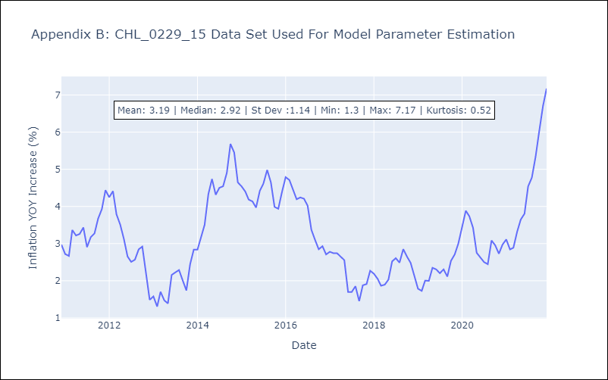

Appendix C: Residuals Analysis
Mean | -0.0
Errors AutoCorrelated? | 1.9768153590352047 | No Autocorrelation
Normal? | No

