CHL
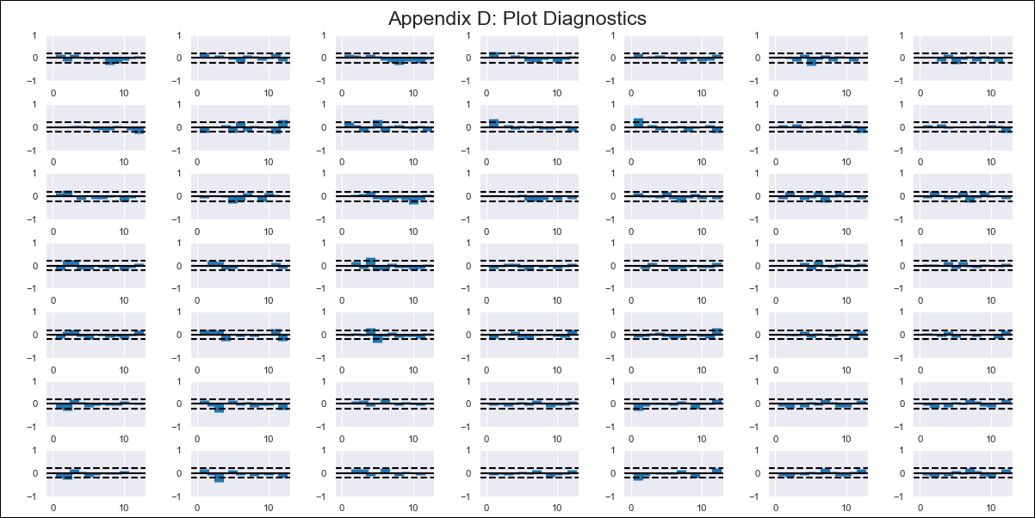
CHL - Inflation - Next 12 months forecast as of: 2020-12-01

Model | VAR - 12 | Exogenous Variables | M1_money_supply, Price of Copper dollars per pound, General wage index, Wage Index_yoy %, Unemployment rate, Unemplyment rate yoy
Training Data | 2010-12-01 to 2020-01-01
Test Data | 2020-01-01 to 2020-12-01

Date | Inflation Change YoY % | Lower Bound - 95% Confidence Interval | Upper Bound - 95% Confidence Interval
2021-01-01 | 3.34 | 2.81 | 3.88
2021-02-01 | 4.15 | 2.98 | 5.32
2021-03-01 | 5.29 | 3.42 | 7.17
2021-04-01 | 5.54 | 2.91 | 8.16
2021-05-01 | 5.25 | 1.85 | 8.66
2021-06-01 | 4.47 | 0.25 | 8.69
2021-07-01 | 3.96 | -1.15 | 9.07
2021-08-01 | 3.84 | -2.2 | 9.88
2021-09-01 | 3.79 | -3.22 | 10.81
2021-10-01 | 3.43 | -4.58 | 11.44
2021-11-01 | 3.05 | -5.99 | 12.09
2021-12-01 | 2.87 | -7.27 | 13.01

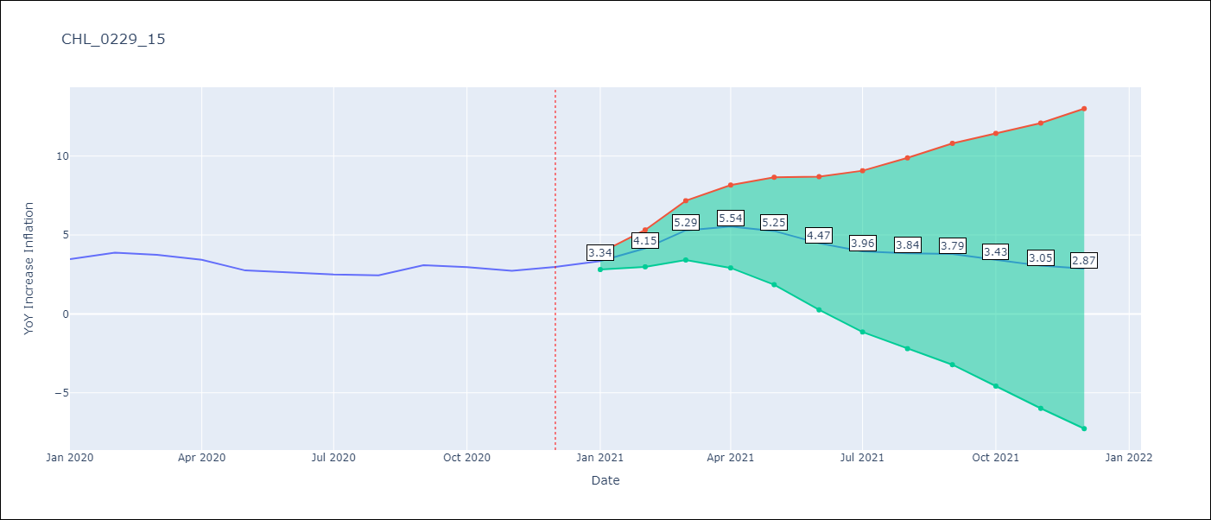

Test Metrics
RMSE | 1.36
Naive RMSE | 0.36
MAPE | 37.71%

Test Predictions
Date | Predicted | Actual
2020-01-01 | 3.37 | 3.47
2020-02-01 | 4.18 | 3.88
2020-03-01 | 5.32 | 3.74
2020-04-01 | 5.57 | 3.42
2020-05-01 | 5.28 | 2.75
2020-06-01 | 4.5 | 2.63
2020-07-01 | 3.99 | 2.5
2020-08-01 | 3.87 | 2.45
2020-09-01 | 3.82 | 3.08
2020-10-01 | 3.46 | 2.96
2020-11-01 | 3.08 | 2.73
2020-12-01 | 2.89 | 2.97

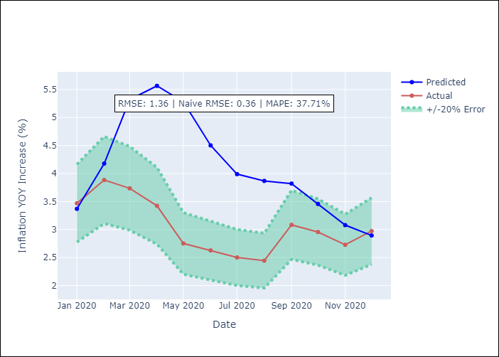

Appendix A: Model Summary
Model | VAR - 12
Sample | 2010-12-01 to 2020-12-01
No. of Observations | 121
Terms | P-value (Statistical significance)
L1.YoY Increase Inflation | 0.1126072343
L1.M1_money_supply | 0.94235843866
L1.Price of Copper dollars per pound | 0.20275233702
L1.General wage index | 0.72268767185
L1.Wage Index_yoy % | 0.75923250569
L1.Unemployment rate | 0.38231063937
L1.Unemplyment rate yoy | 0.34242967881
L2.YoY Increase Inflation | 0.52611058454
L2.M1_money_supply | 0.49797947566
L2.Price of Copper dollars per pound | 0.08807476024
L2.General wage index | 0.14024479064
L2.Wage Index_yoy % | 0.10043419236
L2.Unemployment rate | 0.90048924127
L2.Unemplyment rate yoy | 0.23262720617
L3.YoY Increase Inflation | 0.13624693764
L3.M1_money_supply | 0.48206666779
L3.Price of Copper dollars per pound | 0.058875438371
L3.General wage index | 0.53163706686
L3.Wage Index_yoy % | 0.17829909811
L3.Unemployment rate | 0.4013438366
L3.Unemplyment rate yoy | 0.39037171861
L4.YoY Increase Inflation | 0.88524829821
L4.M1_money_supply | 0.80594225942
L4.Price of Copper dollars per pound | 0.13460676131
L4.General wage index | 0.39454556968
L4.Wage Index_yoy % | 0.67882090615
L4.Unemployment rate | 0.41458919011
L4.Unemplyment rate yoy | 0.30623244267
L5.YoY Increase Inflation | 0.2999573208
L5.M1_money_supply | 0.11976209444
L5.Price of Copper dollars per pound | 0.62809602634
L5.General wage index | 0.93928080582
L5.Wage Index_yoy % | 0.57136409664
L5.Unemployment rate | 0.95588892741
L5.Unemplyment rate yoy | 0.97514944118
L6.YoY Increase Inflation | 0.17536283196
L6.M1_money_supply | 0.63642899336
L6.Price of Copper dollars per pound | 0.36400855899
L6.General wage index | 0.87994606103
L6.Wage Index_yoy % | 0.88807777056
L6.Unemployment rate | 0.56809032496
L6.Unemplyment rate yoy | 0.41720100907
L7.YoY Increase Inflation | 0.34366538993
L7.M1_money_supply | 0.18057967397
L7.Price of Copper dollars per pound | 0.19435695406
L7.General wage index | 0.76924325489
L7.Wage Index_yoy % | 0.88564535245
L7.Unemployment rate | 0.30346362505
L7.Unemplyment rate yoy | 0.31864128082
L8.YoY Increase Inflation | 0.10500440047
L8.M1_money_supply | 0.29315976084
L8.Price of Copper dollars per pound | 0.79883788407
L8.General wage index | 0.25567802118
L8.Wage Index_yoy % | 0.51056529287
L8.Unemployment rate | 0.79118463854
L8.Unemplyment rate yoy | 0.35759159643
L9.YoY Increase Inflation | 0.035924135436
L9.M1_money_supply | 0.99694215226
L9.Price of Copper dollars per pound | 0.71143106221
L9.General wage index | 0.92732644992
L9.Wage Index_yoy % | 0.56467440958
L9.Unemployment rate | 0.38321286491
L9.Unemplyment rate yoy | 0.39103282974
L10.YoY Increase Inflation | 0.77958393282
L10.M1_money_supply | 0.57767027358
L10.Price of Copper dollars per pound | 0.34213435291
L10.General wage index | 0.46289152077
L10.Wage Index_yoy % | 0.66840310786
L10.Unemployment rate | 0.15787297909
L10.Unemplyment rate yoy | 0.0099627492885
L11.YoY Increase Inflation | 0.8656623584
L11.M1_money_supply | 0.78581727199
L11.Price of Copper dollars per pound | 0.11708906063
L11.General wage index | 0.57350851593
L11.Wage Index_yoy % | 0.34807378268
L11.Unemployment rate | 0.54712947105
L11.Unemplyment rate yoy | 0.16495013826
L12.YoY Increase Inflation | 0.43789621025
L12.M1_money_supply | 0.14602636935
L12.Price of Copper dollars per pound | 0.31970720645
L12.General wage index | 0.74245124483
L12.Wage Index_yoy % | 0.52060165692
L12.Unemployment rate | 0.42914003483
L12.Unemplyment rate yoy | 0.82010018089
Assumptions | P-value

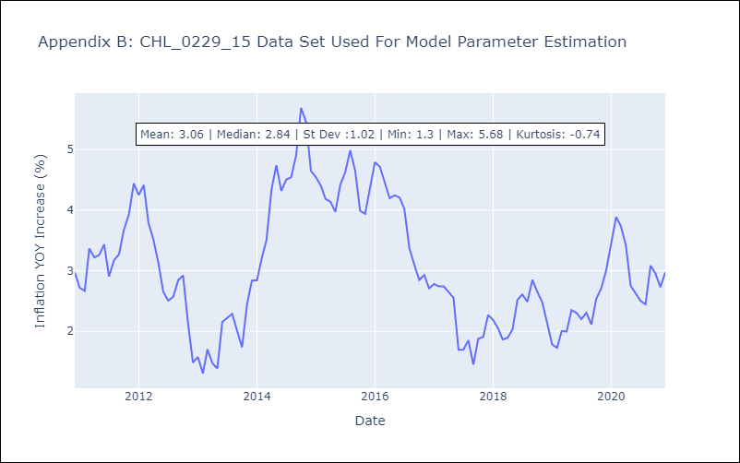

Appendix C: Residuals Analysis
Mean | 0.0
Errors AutoCorrelated? | 1.670611976599892 | No Autocorrelation
Normal? | No

