CHL
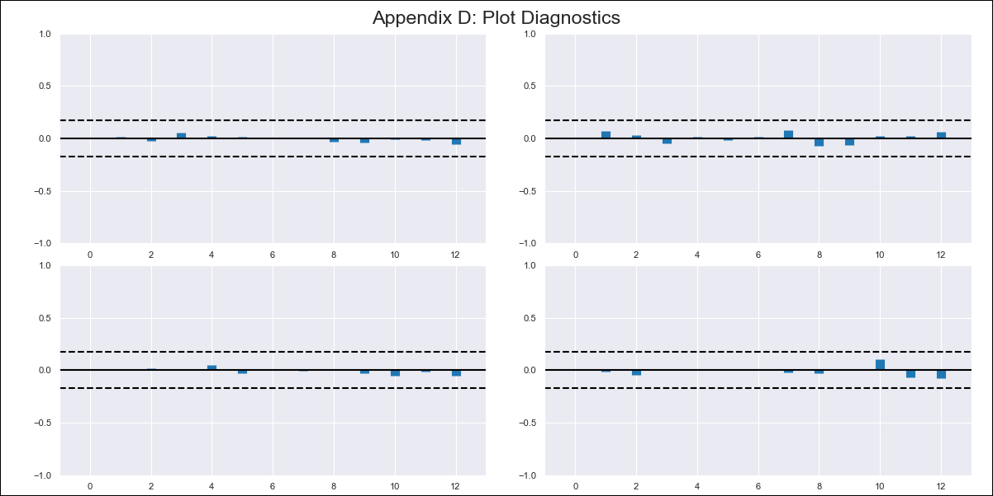
CHL - Inflation - Next 12 months forecast as of: 2024-02-01

Model | VAR - 12 | Exogenous Variables | General wage index
Training Data | 2010-12-01 to 2023-03-01
Test Data | 2023-03-01 to 2024-02-01

Date | Inflation Change YoY % | Lower Bound - 95% Confidence Interval | Upper Bound - 95% Confidence Interval
2024-03-01 | 2.78 | 2.14 | 3.41
2024-04-01 | 2.43 | 1.11 | 3.75
2024-05-01 | 1.68 | -0.35 | 3.72
2024-06-01 | 0.68 | -2.1 | 3.46
2024-07-01 | 0.17 | -3.37 | 3.7
2024-08-01 | -1.05 | -5.35 | 3.25
2024-09-01 | -1.57 | -6.66 | 3.52
2024-10-01 | -1.54 | -7.42 | 4.34
2024-11-01 | -2.4 | -9.09 | 4.29
2024-12-01 | -2.48 | -9.98 | 5.03
2025-01-01 | -2.62 | -10.94 | 5.71
2025-02-01 | -2.97 | -12.14 | 6.21

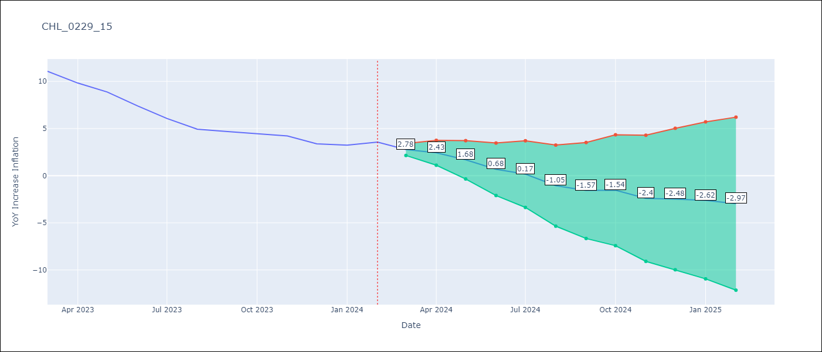

Test Metrics
RMSE | 2.32
Naive RMSE | 0.92
MAPE | 47.4%

Test Predictions
Date | Predicted | Actual
2023-03-01 | 11.52 | 11.07
2023-04-01 | 11.18 | 9.82
2023-05-01 | 10.43 | 8.87
2023-06-01 | 9.43 | 7.4
2023-07-01 | 8.92 | 6.07
2023-08-01 | 7.69 | 4.93
2023-09-01 | 7.18 | 4.69
2023-10-01 | 7.21 | 4.45
2023-11-01 | 6.35 | 4.22
2023-12-01 | 6.27 | 3.37
2024-01-01 | 6.13 | 3.23
2024-02-01 | 5.78 | 3.57

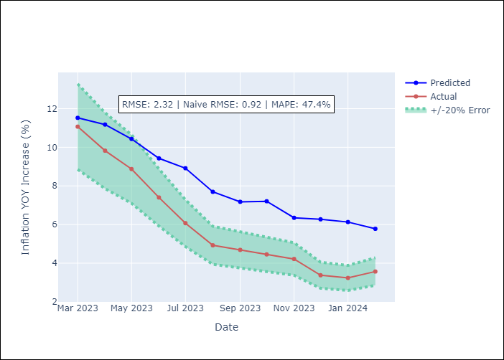

Appendix A: Model Summary
Model | VAR - 12
Sample | 2010-12-01 to 2024-02-01
No. of Observations | 159
Terms | P-value (Statistical significance)
L1.YoY Increase Inflation | 1.169169775E-06
L1.General wage index | 0.42326274927
L2.YoY Increase Inflation | 0.14171464291
L2.General wage index | 0.65694101789
L3.YoY Increase Inflation | 0.95359200374
L3.General wage index | 0.0016721905304
L4.YoY Increase Inflation | 0.48736318083
L4.General wage index | 0.33088812444
L5.YoY Increase Inflation | 0.21619882445
L5.General wage index | 0.55872931678
L6.YoY Increase Inflation | 0.58257854414
L6.General wage index | 0.049214598033
L7.YoY Increase Inflation | 0.18203650822
L7.General wage index | 0.74226879998
L8.YoY Increase Inflation | 0.12729443956
L8.General wage index | 0.53685891086
L9.YoY Increase Inflation | 0.77931649972
L9.General wage index | 0.18318077062
L10.YoY Increase Inflation | 0.66683429129
L10.General wage index | 0.52001370054
L11.YoY Increase Inflation | 0.59421114837
L11.General wage index | 0.30497246196
L12.YoY Increase Inflation | 7.8058815619E-07
L12.General wage index | 0.86967472198
Assumptions | P-value

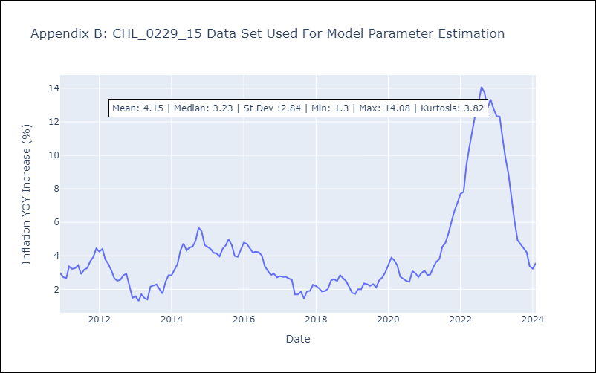

Appendix C: Residuals Analysis
Mean | -0.0
Errors AutoCorrelated? | 1.9341614865275398 | No Autocorrelation
Normal? | No

