CHL
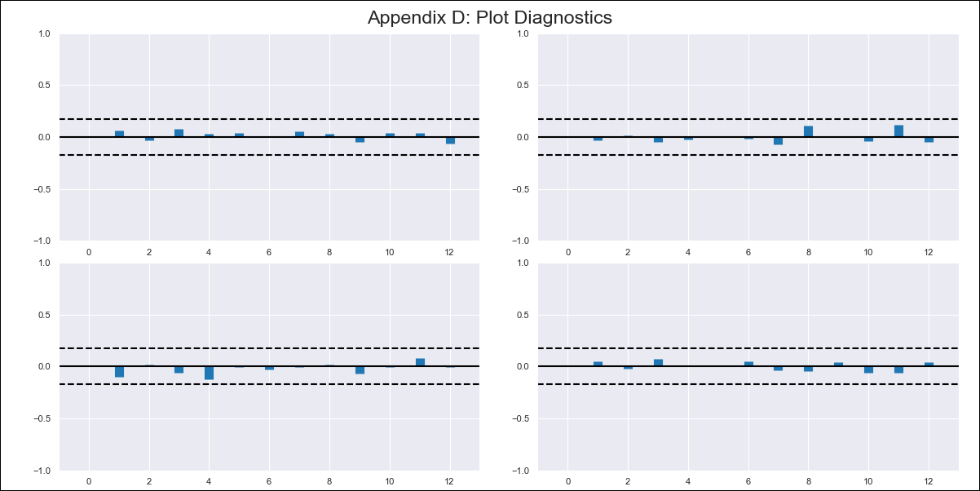
CHL - Inflation - Next 12 months forecast as of: 2024-02-01

Model | VAR - 12 | Exogenous Variables | Unemployment rate
Training Data | 2010-12-01 to 2023-03-01
Test Data | 2023-03-01 to 2024-02-01

Date | Inflation Change YoY % | Lower Bound - 95% Confidence Interval | Upper Bound - 95% Confidence Interval
2024-03-01 | 2.58 | 1.91 | 3.26
2024-04-01 | 2.13 | 0.74 | 3.51
2024-05-01 | 1.5 | -0.62 | 3.61
2024-06-01 | 0.42 | -2.44 | 3.28
2024-07-01 | -0.13 | -3.74 | 3.47
2024-08-01 | -1.38 | -5.74 | 2.98
2024-09-01 | -1.96 | -7.1 | 3.17
2024-10-01 | -1.77 | -7.69 | 4.15
2024-11-01 | -2.54 | -9.25 | 4.18
2024-12-01 | -2.65 | -10.17 | 4.87
2025-01-01 | -2.75 | -11.09 | 5.59
2025-02-01 | -3.22 | -12.4 | 5.96

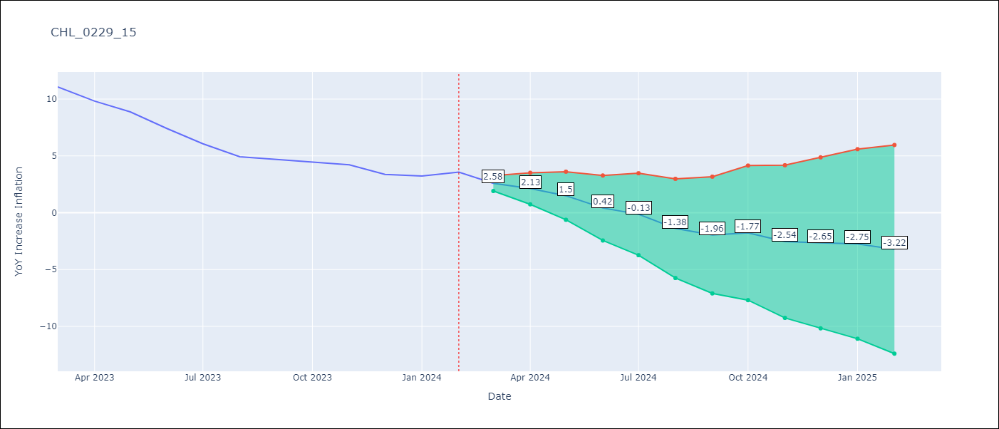

Test Metrics
RMSE | 2.09
Naive RMSE | 0.92
MAPE | 42.78%

Test Predictions
Date | Predicted | Actual
2023-03-01 | 11.33 | 11.07
2023-04-01 | 10.87 | 9.82
2023-05-01 | 10.24 | 8.87
2023-06-01 | 9.16 | 7.4
2023-07-01 | 8.61 | 6.07
2023-08-01 | 7.37 | 4.93
2023-09-01 | 6.78 | 4.69
2023-10-01 | 6.97 | 4.45
2023-11-01 | 6.21 | 4.22
2023-12-01 | 6.1 | 3.37
2024-01-01 | 6 | 3.23
2024-02-01 | 5.53 | 3.57

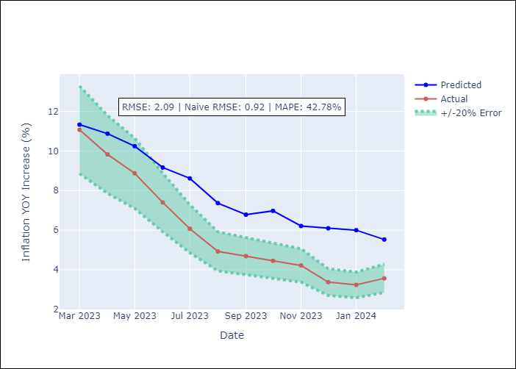

Appendix A: Model Summary
Model | VAR - 12
Sample | 2010-12-01 to 2024-02-01
No. of Observations | 159
Terms | P-value (Statistical significance)
L1.YoY Increase Inflation | 0.00016064440297
L1.Unemployment rate | 0.31453805562
L2.YoY Increase Inflation | 0.2882931285
L2.Unemployment rate | 0.32137548887
L3.YoY Increase Inflation | 0.32294275813
L3.Unemployment rate | 0.4862939642
L4.YoY Increase Inflation | 0.66945751029
L4.Unemployment rate | 0.66672894063
L5.YoY Increase Inflation | 0.28913874245
L5.Unemployment rate | 0.71923403938
L6.YoY Increase Inflation | 0.6978236487
L6.Unemployment rate | 0.21495481851
L7.YoY Increase Inflation | 0.062744847969
L7.Unemployment rate | 0.74235507436
L8.YoY Increase Inflation | 0.010001276128
L8.Unemployment rate | 0.10168809878
L9.YoY Increase Inflation | 0.51530685214
L9.Unemployment rate | 0.077630499078
L10.YoY Increase Inflation | 0.14835952474
L10.Unemployment rate | 0.86224615144
L11.YoY Increase Inflation | 0.46136747395
L11.Unemployment rate | 0.37673691359
L12.YoY Increase Inflation | 1.2586593934E-07
L12.Unemployment rate | 0.1069978473
Assumptions | P-value

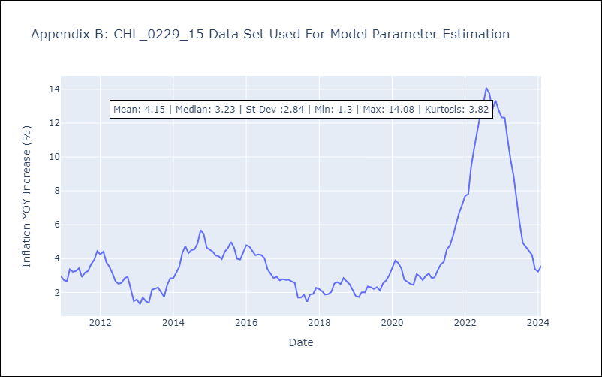

Appendix C: Residuals Analysis
Mean | -0.0
Errors AutoCorrelated? | 1.8317182534105283 | No Autocorrelation
Normal? | No

