CHL
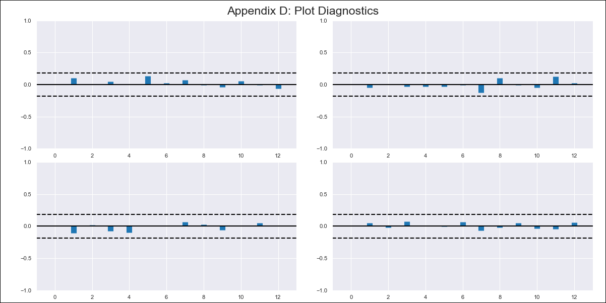
CHL - Inflation - Next 12 months forecast as of: 2022-12-01

Model | VAR - 12 | Exogenous Variables | Unemployment rate
Training Data | 2010-12-01 to 2022-01-01
Test Data | 2022-01-01 to 2022-12-01

Date | Inflation Change YoY % | Lower Bound - 95% Confidence Interval | Upper Bound - 95% Confidence Interval
2023-01-01 | 13.12 | 12.55 | 13.69
2023-02-01 | 13.49 | 12.33 | 14.66
2023-03-01 | 13.84 | 12.07 | 15.6
2023-04-01 | 14 | 11.62 | 16.37
2023-05-01 | 14.22 | 11.23 | 17.21
2023-06-01 | 14.41 | 10.8 | 18.01
2023-07-01 | 14.27 | 10.03 | 18.5
2023-08-01 | 14.41 | 9.55 | 19.28
2023-09-01 | 14.41 | 8.9 | 19.91
2023-10-01 | 14.22 | 8.07 | 20.37
2023-11-01 | 13.99 | 7.19 | 20.78
2023-12-01 | 13.78 | 6.32 | 21.24

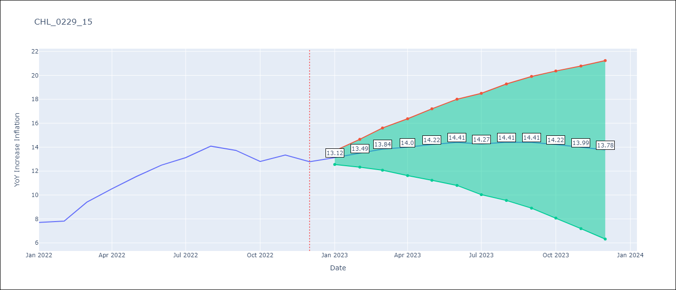

Test Metrics
RMSE | 3.7
Naive RMSE | 0.86
MAPE | 25.38%

Test Predictions
Date | Predicted | Actual
2022-01-01 | 7.51 | 7.7
2022-02-01 | 7.88 | 7.82
2022-03-01 | 8.23 | 9.4
2022-04-01 | 8.39 | 10.52
2022-05-01 | 8.61 | 11.54
2022-06-01 | 8.8 | 12.49
2022-07-01 | 8.66 | 13.12
2022-08-01 | 8.81 | 14.08
2022-09-01 | 8.8 | 13.73
2022-10-01 | 8.61 | 12.81
2022-11-01 | 8.38 | 13.34
2022-12-01 | 8.17 | 12.78

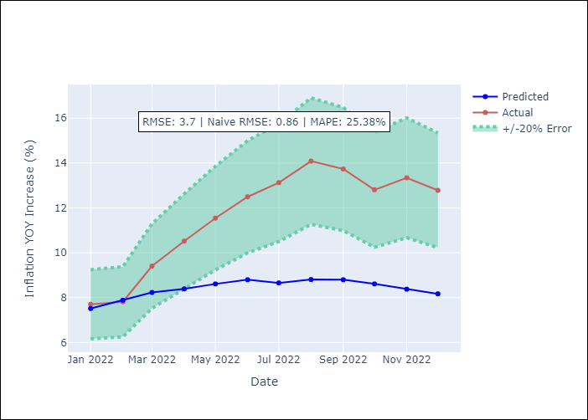

Appendix A: Model Summary
Model | VAR - 12
Sample | 2010-12-01 to 2022-12-01
No. of Observations | 145
Terms | P-value (Statistical significance)
L1.YoY Increase Inflation | 0.0055596108375
L1.Unemployment rate | 0.36814869753
L2.YoY Increase Inflation | 0.24810288757
L2.Unemployment rate | 0.67485996427
L3.YoY Increase Inflation | 0.77498007809
L3.Unemployment rate | 0.47675887241
L4.YoY Increase Inflation | 0.39249884284
L4.Unemployment rate | 0.92481032605
L5.YoY Increase Inflation | 0.32974887808
L5.Unemployment rate | 0.77058421942
L6.YoY Increase Inflation | 0.2058287089
L6.Unemployment rate | 0.22743752196
L7.YoY Increase Inflation | 0.17877178782
L7.Unemployment rate | 0.92805497471
L8.YoY Increase Inflation | 0.1817688312
L8.Unemployment rate | 0.097157026141
L9.YoY Increase Inflation | 0.53657347709
L9.Unemployment rate | 0.20005176702
L10.YoY Increase Inflation | 0.11784367541
L10.Unemployment rate | 0.59281227202
L11.YoY Increase Inflation | 0.41386080037
L11.Unemployment rate | 0.33307412933
L12.YoY Increase Inflation | 1.8623254573E-09
L12.Unemployment rate | 0.29413195849
Assumptions | P-value

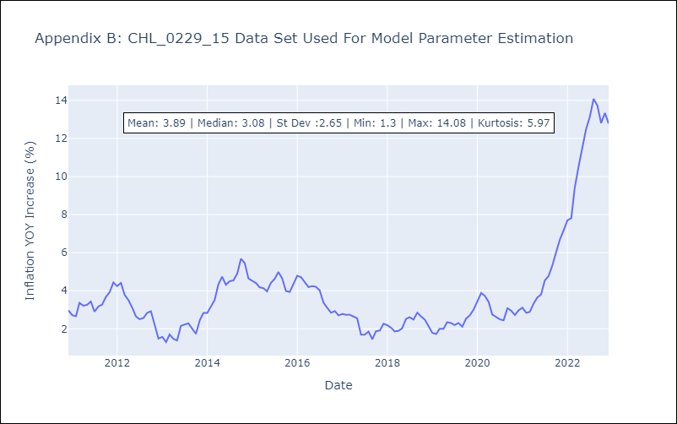

Appendix C: Residuals Analysis
Mean | 0.0
Errors AutoCorrelated? | 1.7475622880484165 | No Autocorrelation
Normal? | No

