CHL
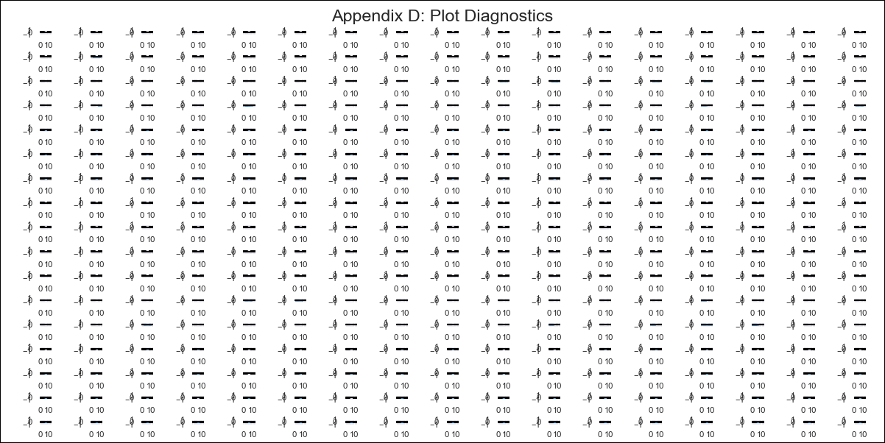
CHL - Inflation - Next 12 months forecast as of: 2024-02-01

Model | VAR - 12 | Exogenous Variables | Deposit Interest Rates - 30 to 90 days - Nominal, US 10-Year Bond Rates , Food Price Index, Nominal Observed Exchange Rate, Real Exchange Rate Index, Expectativas de inflación en 11 meses, Gold Price $ per oz, Copper Price $ per pound, Oil Price $ per barrel, CPI_United States, PPI_United States_Finshed Goods, PPI_China, Economic Activity, General Wage Index, Unemployment Rate, M1 Money Supply
Training Data | 2001-09-01 to 2023-03-01
Test Data | 2023-03-01 to 2024-02-01

Date | Inflation Change YoY % | Lower Bound - 95% Confidence Interval | Upper Bound - 95% Confidence Interval
2024-03-01 | -1.03 | -1.33 | -0.73
2024-04-01 | -2.02 | -2.69 | -1.36
2024-05-01 | -2.56 | -3.65 | -1.48
2024-06-01 | -3.44 | -4.96 | -1.91
2024-07-01 | -3.78 | -5.76 | -1.79
2024-08-01 | -4.04 | -6.53 | -1.56
2024-09-01 | -3.98 | -6.99 | -0.97
2024-10-01 | -4.56 | -8.12 | -1
2024-11-01 | -4.17 | -8.3 | -0.04
2024-12-01 | -3.88 | -8.61 | 0.85
2025-01-01 | -3.73 | -9.07 | 1.62
2025-02-01 | -3.33 | -9.31 | 2.65

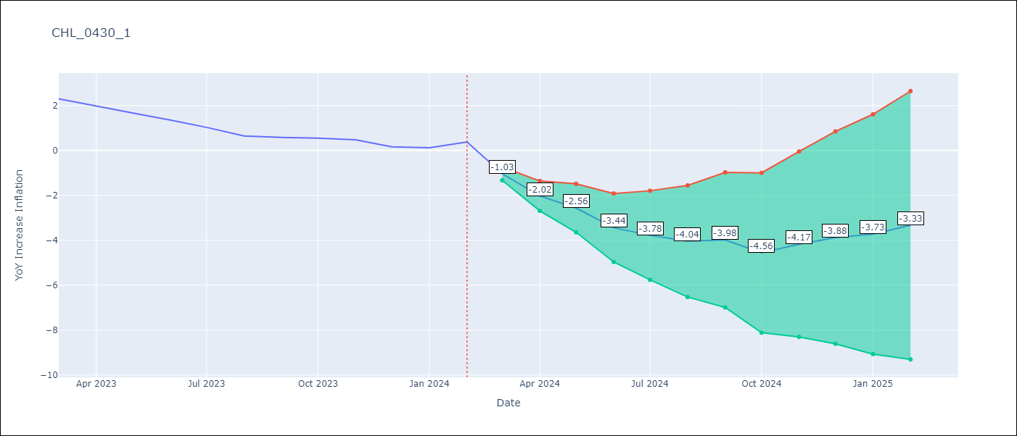

Test Metrics
RMSE | 2.26
Naive RMSE | 0.25
MAPE | 466.58%

Test Predictions
Date | Predicted | Actual
2023-03-01 | 1.09 | 2.3
2023-04-01 | 0.1 | 1.99
2023-05-01 | -0.44 | 1.67
2023-06-01 | -1.32 | 1.36
2023-07-01 | -1.66 | 1.03
2023-08-01 | -1.92 | 0.65
2023-09-01 | -1.86 | 0.58
2023-10-01 | -2.44 | 0.55
2023-11-01 | -2.05 | 0.48
2023-12-01 | -1.76 | 0.16
2024-01-01 | -1.61 | 0.13
2024-02-01 | -1.21 | 0.38

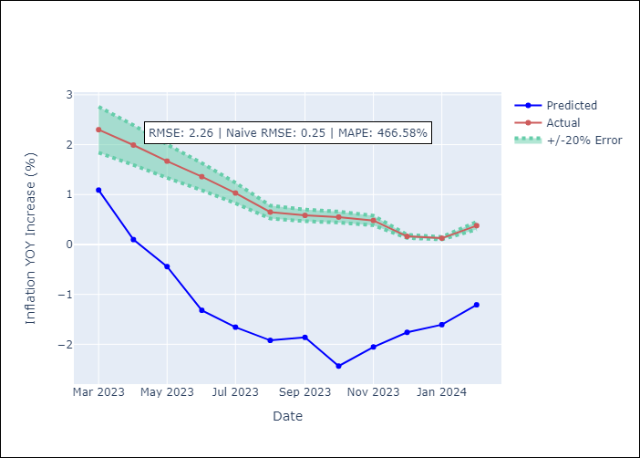

Appendix A: Model Summary
Model | VAR - 12
Sample | 2001-09-01 to 2024-02-01
No. of Observations | 270
Terms | P-value (Statistical significance)
L1.YoY Increase Inflation | 0.96950407454
L1.Deposit Interest Rates - 30 to 90 days - Nominal | 0.65980058101
L1.US 10-Year Bond Rates | 0.096305488713
L1.Food Price Index | 0.11845060701
L1.Nominal Observed Exchange Rate | 0.9426324026
L1.Real Exchange Rate Index | 0.82328817599
L1.Expectativas de inflación en 11 meses | 0.089524035516
L1.Gold Price $ per oz | 0.26656277448
L1.Copper Price $ per pound | 0.33420390282
L1.Oil Price $ per barrel | 0.67127580879
L1.CPI_United States | 0.84010079071
L1.PPI_United States_Finshed Goods | 0.17139653817
L1.PPI_China | 0.7399203939
L1.Economic Activity | 0.64849613568
L1.General Wage Index | 0.97739797893
L1.Unemployment Rate | 0.85238042199
L1.M1 Money Supply | 0.032105221807
L2.YoY Increase Inflation | 0.0095773505632
L2.Deposit Interest Rates - 30 to 90 days - Nominal | 0.027837771417
L2.US 10-Year Bond Rates | 0.92949645656
L2.Food Price Index | 0.7699625969
L2.Nominal Observed Exchange Rate | 0.54720873026
L2.Real Exchange Rate Index | 0.7318475294
L2.Expectativas de inflación en 11 meses | 0.80318767982
L2.Gold Price $ per oz | 0.76118473874
L2.Copper Price $ per pound | 0.0044394746778
L2.Oil Price $ per barrel | 0.27694763803
L2.CPI_United States | 0.71566279979
L2.PPI_United States_Finshed Goods | 0.77577987473
L2.PPI_China | 0.51794471189
L2.Economic Activity | 0.64671688918
L2.General Wage Index | 0.046928769647
L2.Unemployment Rate | 0.62730535465
L2.M1 Money Supply | 0.021808340195
L3.YoY Increase Inflation | 0.47479808176
L3.Deposit Interest Rates - 30 to 90 days - Nominal | 0.10867143305
L3.US 10-Year Bond Rates | 0.23000946138
L3.Food Price Index | 0.66672923783
L3.Nominal Observed Exchange Rate | 0.59775529505
L3.Real Exchange Rate Index | 0.93963571397
L3.Expectativas de inflación en 11 meses | 0.36734936448
L3.Gold Price $ per oz | 0.7650216272
L3.Copper Price $ per pound | 0.42122593483
L3.Oil Price $ per barrel | 0.63567747551
L3.CPI_United States | 0.012322722409
L3.PPI_United States_Finshed Goods | 0.44491425634
L3.PPI_China | 0.33558886623
L3.Economic Activity | 0.14314328577
L3.General Wage Index | 0.029135635798
L3.Unemployment Rate | 0.15435055033
L3.M1 Money Supply | 0.44085709915
L4.YoY Increase Inflation | 0.67901677249
L4.Deposit Interest Rates - 30 to 90 days - Nominal | 0.89840536544
L4.US 10-Year Bond Rates | 0.26907648099
L4.Food Price Index | 0.60190726837
L4.Nominal Observed Exchange Rate | 0.30180123578
L4.Real Exchange Rate Index | 0.32427060612
L4.Expectativas de inflación en 11 meses | 0.037136865809
L4.Gold Price $ per oz | 0.80507514155
L4.Copper Price $ per pound | 0.49697803869
L4.Oil Price $ per barrel | 0.083284780648
L4.CPI_United States | 0.58643247612
L4.PPI_United States_Finshed Goods | 0.52899692194
L4.PPI_China | 0.84282213048
L4.Economic Activity | 0.40265634774
L4.General Wage Index | 0.057208050311
L4.Unemployment Rate | 0.2221280693
L4.M1 Money Supply | 0.51615470426
L5.YoY Increase Inflation | 0.10399213412
L5.Deposit Interest Rates - 30 to 90 days - Nominal | 0.66915514434
L5.US 10-Year Bond Rates | 0.60590669422
L5.Food Price Index | 0.40531086245
L5.Nominal Observed Exchange Rate | 0.80192798404
L5.Real Exchange Rate Index | 0.88559038096
L5.Expectativas de inflación en 11 meses | 0.60950787252
L5.Gold Price $ per oz | 0.76239655297
L5.Copper Price $ per pound | 0.84700066335
L5.Oil Price $ per barrel | 0.90728507334
L5.CPI_United States | 0.0091727704385
L5.PPI_United States_Finshed Goods | 0.25260428774
L5.PPI_China | 0.00088252541216
L5.Economic Activity | 0.16887796249
L5.General Wage Index | 0.10890715203
L5.Unemployment Rate | 0.37756700998
L5.M1 Money Supply | 0.13442793226
L6.YoY Increase Inflation | 0.34750294764
L6.Deposit Interest Rates - 30 to 90 days - Nominal | 0.18999017313
L6.US 10-Year Bond Rates | 0.60928226283
L6.Food Price Index | 0.24717114786
L6.Nominal Observed Exchange Rate | 0.99388897235
L6.Real Exchange Rate Index | 0.85052432992
L6.Expectativas de inflación en 11 meses | 0.13804998852
L6.Gold Price $ per oz | 0.61251744536
L6.Copper Price $ per pound | 0.45069595837
L6.Oil Price $ per barrel | 0.99063319097
L6.CPI_United States | 0.039816590585
L6.PPI_United States_Finshed Goods | 0.4912406965
L6.PPI_China | 0.061574668445
L6.Economic Activity | 0.1989673636
L6.General Wage Index | 0.84444856766
L6.Unemployment Rate | 0.07115228015
L6.M1 Money Supply | 0.59359996375
L7.YoY Increase Inflation | 0.19593509185
L7.Deposit Interest Rates - 30 to 90 days - Nominal | 0.015260805845
L7.US 10-Year Bond Rates | 0.089813710481
L7.Food Price Index | 0.8253133594
L7.Nominal Observed Exchange Rate | 0.40724693906
L7.Real Exchange Rate Index | 0.24073318991
L7.Expectativas de inflación en 11 meses | 0.36695279095
L7.Gold Price $ per oz | 0.68301347867
L7.Copper Price $ per pound | 0.58014357761
L7.Oil Price $ per barrel | 0.76114289353
L7.CPI_United States | 0.72338981395
L7.PPI_United States_Finshed Goods | 0.59036198884
L7.PPI_China | 0.99943046644
L7.Economic Activity | 0.15052143317
L7.General Wage Index | 0.85955146882
L7.Unemployment Rate | 0.14643252775
L7.M1 Money Supply | 0.48248942019
L8.YoY Increase Inflation | 0.14040419981
L8.Deposit Interest Rates - 30 to 90 days - Nominal | 0.094781445375
L8.US 10-Year Bond Rates | 0.16143116763
L8.Food Price Index | 0.71283017255
L8.Nominal Observed Exchange Rate | 0.47043265111
L8.Real Exchange Rate Index | 0.38668120201
L8.Expectativas de inflación en 11 meses | 0.31119088615
L8.Gold Price $ per oz | 0.10544165675
L8.Copper Price $ per pound | 0.099644705137
L8.Oil Price $ per barrel | 0.2050569576
L8.CPI_United States | 0.49033989322
L8.PPI_United States_Finshed Goods | 0.85294001286
L8.PPI_China | 0.45773209294
L8.Economic Activity | 0.15307350097
L8.General Wage Index | 0.42126789295
L8.Unemployment Rate | 0.68366947065
L8.M1 Money Supply | 0.82610331993
L9.YoY Increase Inflation | 0.55551623568
L9.Deposit Interest Rates - 30 to 90 days - Nominal | 0.36393746041
L9.US 10-Year Bond Rates | 0.22512371748
L9.Food Price Index | 0.26408837445
L9.Nominal Observed Exchange Rate | 0.82568079389
L9.Real Exchange Rate Index | 0.6990540836
L9.Expectativas de inflación en 11 meses | 0.86701185944
L9.Gold Price $ per oz | 0.31589606858
L9.Copper Price $ per pound | 0.15213503763
L9.Oil Price $ per barrel | 0.38753002021
L9.CPI_United States | 0.18680952983
L9.PPI_United States_Finshed Goods | 0.43665567507
L9.PPI_China | 0.077712280907
L9.Economic Activity | 0.53269620087
L9.General Wage Index | 0.38103367021
L9.Unemployment Rate | 0.071461334062
L9.M1 Money Supply | 0.49900293716
L10.YoY Increase Inflation | 0.51017173882
L10.Deposit Interest Rates - 30 to 90 days - Nominal | 0.9153415156
L10.US 10-Year Bond Rates | 0.029775011817
L10.Food Price Index | 0.36518245645
L10.Nominal Observed Exchange Rate | 0.058118926676
L10.Real Exchange Rate Index | 0.024216153863
L10.Expectativas de inflación en 11 meses | 0.067395036318
L10.Gold Price $ per oz | 0.91002260192
L10.Copper Price $ per pound | 0.34807107483
L10.Oil Price $ per barrel | 0.56984615267
L10.CPI_United States | 0.74780234062
L10.PPI_United States_Finshed Goods | 0.97461951025
L10.PPI_China | 0.42553799975
L10.Economic Activity | 0.13595230287
L10.General Wage Index | 0.71064327361
L10.Unemployment Rate | 0.69312848616
L10.M1 Money Supply | 0.61283671925
L11.YoY Increase Inflation | 0.62793603759
L11.Deposit Interest Rates - 30 to 90 days - Nominal | 0.069485506361
L11.US 10-Year Bond Rates | 0.74056374515
L11.Food Price Index | 0.27205110476
L11.Nominal Observed Exchange Rate | 0.095177509734
L11.Real Exchange Rate Index | 0.049072811058
L11.Expectativas de inflación en 11 meses | 0.37598408985
L11.Gold Price $ per oz | 0.71041352139
L11.Copper Price $ per pound | 0.27284500414
L11.Oil Price $ per barrel | 0.26860305787
L11.CPI_United States | 0.33160965633
L11.PPI_United States_Finshed Goods | 0.19981627334
L11.PPI_China | 0.73436452026
L11.Economic Activity | 0.42669125078
L11.General Wage Index | 0.35812817359
L11.Unemployment Rate | 0.94404741556
L11.M1 Money Supply | 0.49040859042
L12.YoY Increase Inflation | 0.80336278044
L12.Deposit Interest Rates - 30 to 90 days - Nominal | 0.20912771168
L12.US 10-Year Bond Rates | 0.36870818871
L12.Food Price Index | 0.16571553978
L12.Nominal Observed Exchange Rate | 0.13546878968
L12.Real Exchange Rate Index | 0.28646322976
L12.Expectativas de inflación en 11 meses | 0.31077602302
L12.Gold Price $ per oz | 0.41192179206
L12.Copper Price $ per pound | 0.1350594238
L12.Oil Price $ per barrel | 0.82741100605
L12.CPI_United States | 0.14061765105
L12.PPI_United States_Finshed Goods | 0.74455373048
L12.PPI_China | 0.2661796969
L12.Economic Activity | 0.87594185118
L12.General Wage Index | 0.91391305708
L12.Unemployment Rate | 0.12317080326
L12.M1 Money Supply | 0.81576118562
Assumptions | P-value

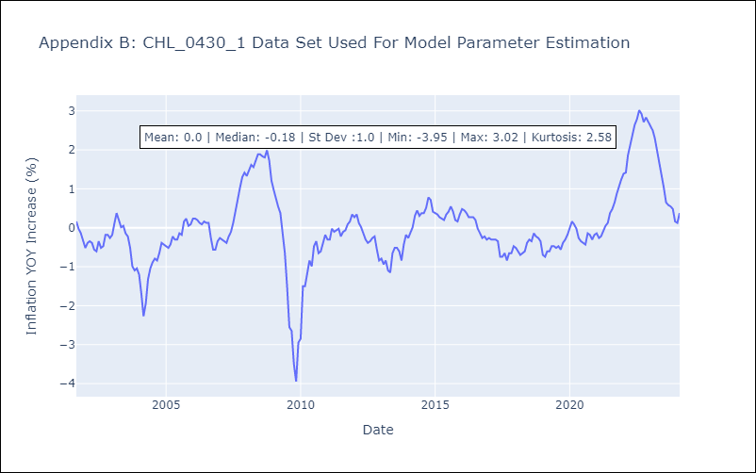

Appendix C: Residuals Analysis
Mean | -0.0
Errors AutoCorrelated? | 1.8832433428643316 | No Autocorrelation
Normal? | No

