CHL
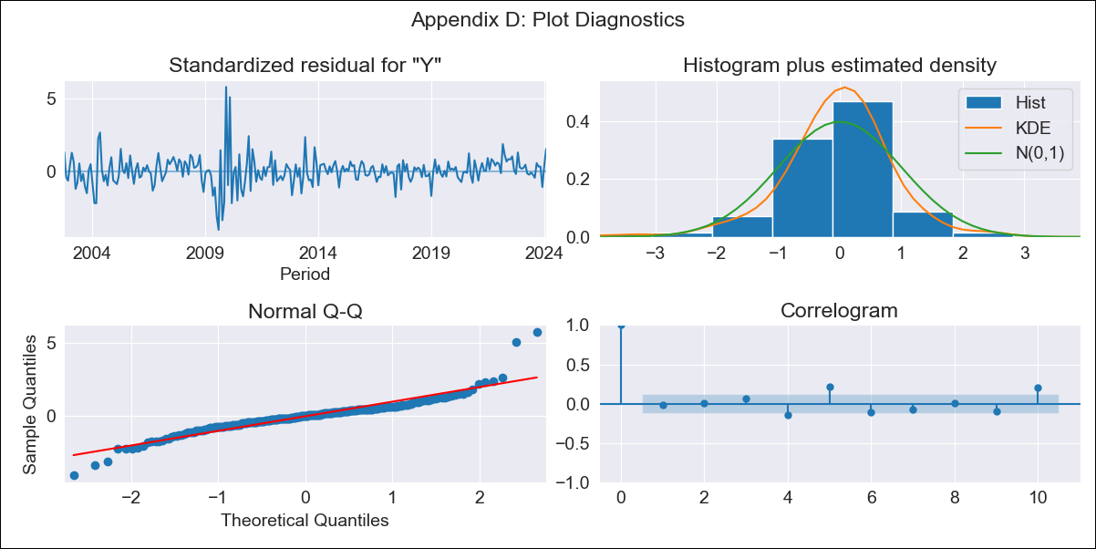
CHL - Inflation - Next 12 months forecast as of: 2024-02-01

Model | ARIMA - [(3, 0, 0), (0, 0, 1, 12)]
Training Data | 2001-09-01 to 2023-03-01
Test Data | 2023-03-01 to 2024-02-01

Date | Inflation Change YoY % | Lower Bound - 95% Confidence Interval | Upper Bound - 95% Confidence Interval
2024-03-01 | 0.39 | -0.06 | 0.86
2024-04-01 | 0.45 | -0.26 | 1.2
2024-05-01 | 0.47 | -0.48 | 1.5
2024-06-01 | 0.47 | -0.67 | 1.74
2024-07-01 | 0.48 | -0.82 | 1.95
2024-08-01 | 0.5 | -0.94 | 2.14
2024-09-01 | 0.45 | -1.1 | 2.22
2024-10-01 | 0.4 | -1.23 | 2.28
2024-11-01 | 0.33 | -1.35 | 2.3
2024-12-01 | 0.38 | -1.38 | 2.43
2025-01-01 | 0.33 | -1.46 | 2.45
2025-02-01 | 0.21 | -1.61 | 2.35

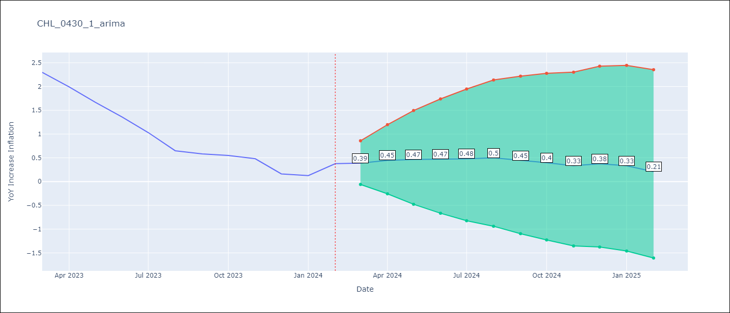

Test Metrics
RMSE | 0.12
Naive RMSE | 0.25
MAPE | 21.29%

Test Predictions
Date | Predicted | Actual
2023-03-01 | 2.18 | 2.3
2023-04-01 | 1.89 | 1.99
2023-05-01 | 1.61 | 1.67
2023-06-01 | 1.33 | 1.36
2023-07-01 | 1.08 | 1.03
2023-08-01 | 0.83 | 0.65
2023-09-01 | 0.67 | 0.58
2023-10-01 | 0.55 | 0.55
2023-11-01 | 0.37 | 0.48
2023-12-01 | 0.26 | 0.16
2024-01-01 | 0.17 | 0.13
2024-02-01 | 0.1 | 0.38

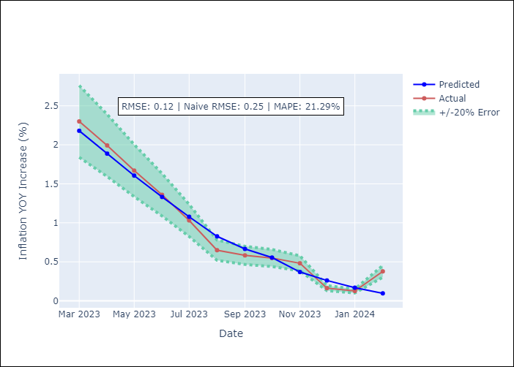

Appendix A: Model Summary
Model | ARIMA(3, 0, 0)x(0, 0, [1], 12)
Sample | 09-01-2001- 02-01-2024
No. of Observations | 270
Terms | P-value (Statistical significance)
const | 0.830
ar.L1 | 0.000
ar.L2 | 0.419
ar.L3 | 0.000
ma.S.L12 | 0.000
sigma2 | 0.000
Assumptions | P-value

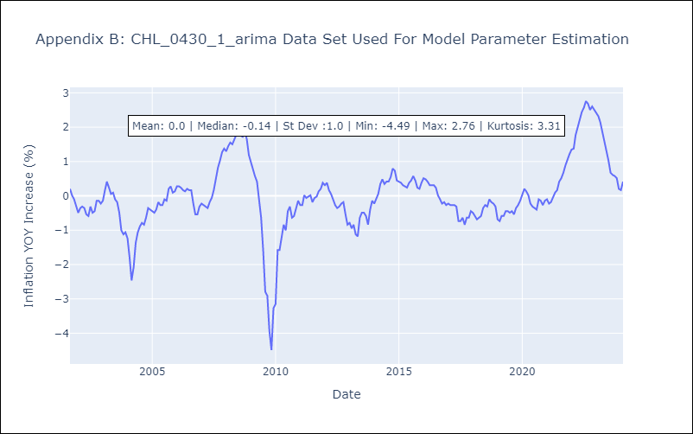

Appendix C: Residuals Analysis
Mean | -0.0

Normal? | No

