CHL
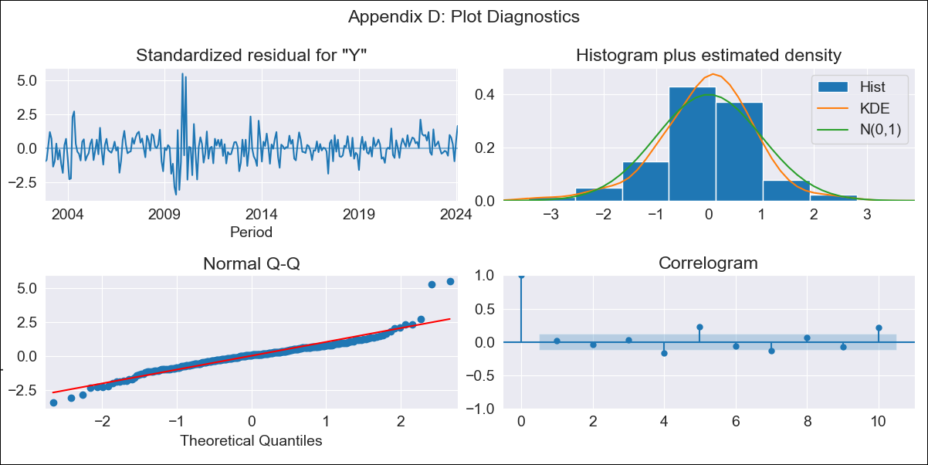
CHL - Inflation - Next 12 months forecast as of: 2024-02-01

Model | ARIMA - [(2, 0, 1), (0, 0, 1, 12)]
Training Data | 2001-09-01 to 2023-03-01
Test Data | 2023-03-01 to 2024-02-01

Date | Inflation Change YoY % | Lower Bound - 95% Confidence Interval | Upper Bound - 95% Confidence Interval
2024-03-01 | 4.47 | 3.33 | 5.72
2024-04-01 | 4.41 | 2.68 | 6.42
2024-05-01 | 4.34 | 2.11 | 7.05
2024-06-01 | 4.25 | 1.62 | 7.61
2024-07-01 | 4.16 | 1.2 | 8.1
2024-08-01 | 4.05 | 0.83 | 8.52
2024-09-01 | 3.97 | 0.55 | 8.9
2024-10-01 | 3.9 | 0.32 | 9.22
2024-11-01 | 3.82 | 0.14 | 9.46
2024-12-01 | 3.72 | -0.02 | 9.61
2025-01-01 | 3.66 | -0.14 | 9.74
2025-02-01 | 3.62 | -0.21 | 9.86

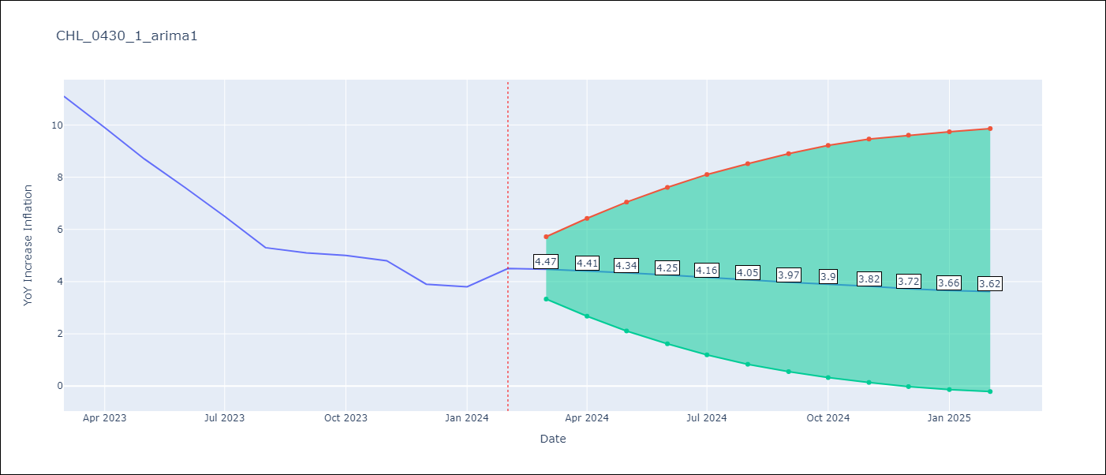

Test Metrics
RMSE | 0.45
Naive RMSE | 0.86
MAPE | 6.08%

Test Predictions
Date | Predicted | Actual
2023-03-01 | 10.68 | 11.1
2023-04-01 | 9.6 | 9.9
2023-05-01 | 8.58 | 8.7
2023-06-01 | 7.6 | 7.6
2023-07-01 | 6.7 | 6.5
2023-08-01 | 5.81 | 5.3
2023-09-01 | 5.26 | 5.1
2023-10-01 | 4.88 | 5
2023-11-01 | 4.23 | 4.8
2023-12-01 | 3.86 | 3.9
2024-01-01 | 3.54 | 3.8
2024-02-01 | 3.29 | 4.5

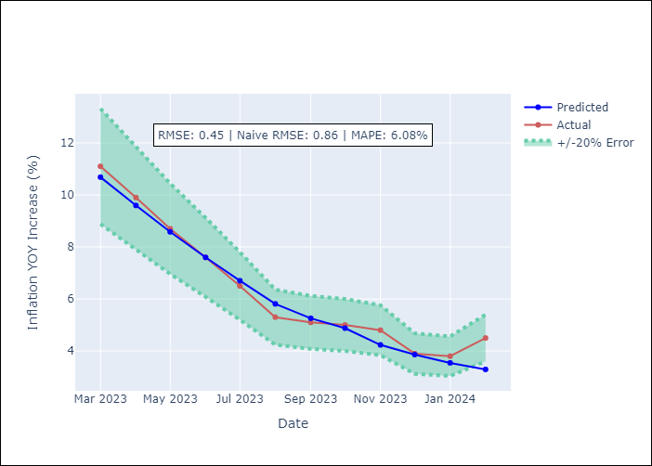

Appendix A: Model Summary
Model | ARIMA(2, 0, 1)x(0, 0, 1, 12)
Sample | 09-01-2001- 02-01-2024
No. of Observations | 270
Terms | P-value (Statistical significance)
const | 0.966
ar.L1 | 0.000
ar.L2 | 0.000
ma.L1 | 0.000
ma.S.L12 | 0.648
sigma2 | 0.821
Assumptions | P-value

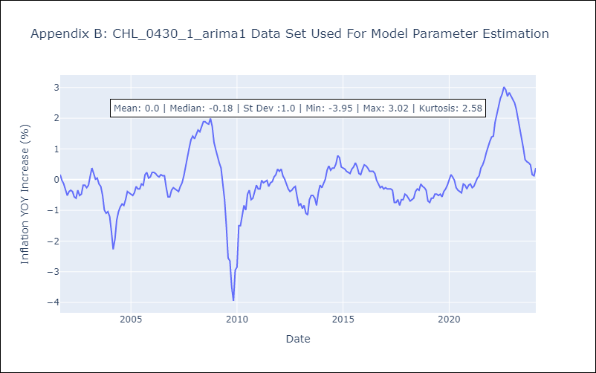

Appendix C: Residuals Analysis
Mean | 0.0

Normal? | No

